Sheet1
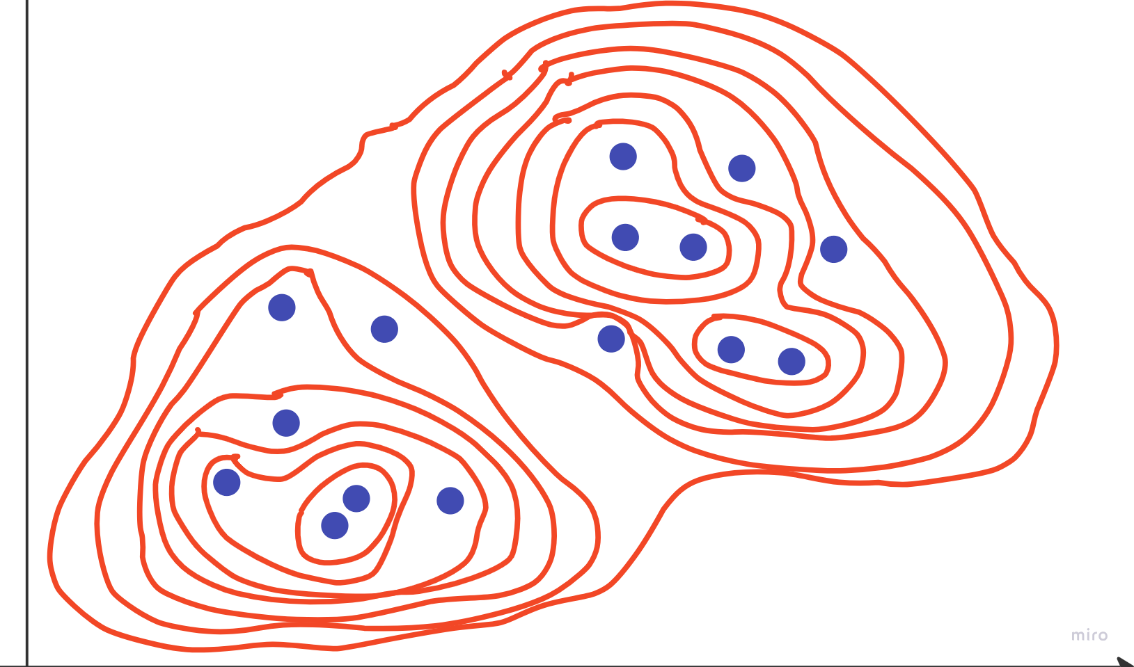
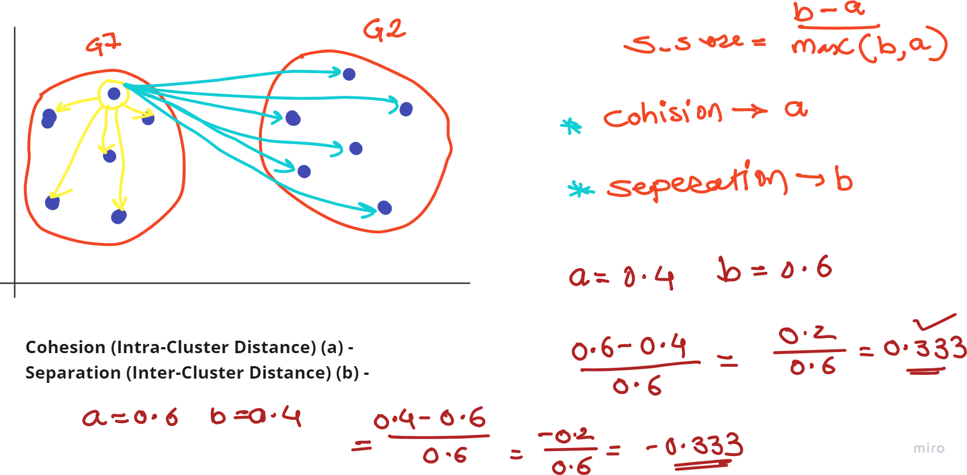
Student | Marks | Groups
Ram | 45 | A | Ram | 0 |  |  |  |  | Distance Matrix 1 |  |  |  |  | Ram | 0 |  |  |  |  | Distance Matrix 2 |  |  |  | (Ram, Gita) | 0 |  |  |  | Distance Matrix 3 |  |  |  | (Hema, (Ram, Gita)) | 0 |  |  | Distance Matrix 4 |  |  | (Hema, (Ram, Gita)) | 0 |  |  | Distance Matrix 5 |  | (Hema, (Ram, Gita)) | 0 |  | Distance Matrix 6 |  | ((Ramesh, Rekha), (Hema, (Ram, Gita))) | 0 | Distance Matrix 7 |  | ((Ramesh, Rekha), (Hema, (Ram, Gita))) | 0 | Distance Matrix 8 | (((Ramesh, Rekha), (Hema, (Ram, Gita))), (((Suresh, Jaya), (Sham, Sita)), Sushma)) | 0
Gita | 47 | A | Sham | 36 | 0 |  |  |  |  |  |  |  |  | Sham | 36 | 0 |  |  |  |  |  |  |  | Sham | 36 | 0 |  |  |  |  |  |  | (Sham, Sita) | 36 | 0 |  |  |  |  | (Sham, Sita) | 36 | 0 |  |  |  | ((Suresh, Jaya), (Sham, Sita)) | 36 | 0 |  |  | ((Suresh, Jaya), (Sham, Sita)) | 36 | 0 |  | (((Suresh, Jaya), (Sham, Sita)), Sushma) | 36 | 0 |  | (((Ramesh, Rekha), (Hema, (Ram, Gita))), (((Suresh, Jaya), (Sham, Sita)), Sushma))
Ramesh | 51 | A | Sita | 34 | 2 | 0 |  |  |  |  |  |  |  | Sita | 34 | 2 | 0 |  |  |  |  |  |  | Sita | 34 | 2 | 0 |  |  |  |  |  | (Ramesh, Rekha) | 6 | 30 | 0 |  |  |  | (Ramesh, Rekha) | 6 | 30 | 0 |  |  | (Ramesh, Rekha) | 6 | 30 | 0 |  | Sushma | 22 | 14 | 0 |  | ((Ramesh, Rekha), (Hema, (Ram, Gita))) | (((Suresh, Jaya), (Sham, Sita)), Sushma)
Hema | 43 | A | Gita | 2 | 34 | 32 | 0 |  |  |  |  |  |  | Gita | 2 | 34 | 32 | 0 |  |  |  |  |  | (Ramesh, Rekha) | 6 | 30 | 28 | 0 |  |  |  |  | Suresh | 31 | 5 | 25 | 0 |  |  | (Suresh, Jaya) | 31 | 5 | 25 | 0 |  | Sushma | 22 | 14 | 16 | 0 |  | ((Ramesh, Rekha), (Hema, (Ram, Gita))) | ((Suresh, Jaya), (Sham, Sita)) | Sushma |  |  |  | Minimum Distance | 0
Rekha | 50 | A | Ramesh | 6 | 30 | 28 | 4 | 0 |  |  |  |  |  | (Ramesh, Rekha) | 6 | 30 | 28 | 4 | 0 |  |  |  |  | Suresh | 31 | 5 | 3 | 25 | 0 |  |  |  | Jaya | 27 | 9 | 21 | 4 | 0 |  | Sushma | 22 | 14 | 16 | 9 | 0 |  | (Hema, (Ram, Gita)) | ((Suresh, Jaya), (Sham, Sita)) | (Ramesh, Rekha) | Sushma |  |  |  |  | Minimum Distance |  | 36
Sham | 81 | B | Suresh | 31 | 5 | 3 | 29 | 25 | 0 |  |  |  |  | Suresh | 31 | 5 | 3 | 29 | 25 | 0 |  |  |  | Hema | 2 | 38 | 36 | 8 | 33 | 0 |  |  | Sushma | 22 | 14 | 16 | 9 | 5 | 0 |  | (Hema, (Ram, Gita)) | (Sham, Sita) | (Ramesh, Rekha) | (Suresh, Jaya) | Sushma |  |  |  |  |  | Minimum Distance |  | 14 |  |  |  |  | Group 1 |  | (Ramesh, Rekha)
Sita | 79 | B | Hema | 2 | 38 | 36 | 4 | 8 | 33 | 0 |  |  |  | Hema | 2 | 38 | 36 | 4 | 8 | 33 | 0 |  |  | Jaya | 27 | 9 | 7 | 21 | 4 | 29 | 0 |  |  | (Hema, (Ram, Gita)) | (Sham, Sita) | (Ramesh, Rekha) | Suresh | Jaya | Sushma |  |  |  |  |  |  | Minimum Distance |  | 6 |  |  |  |  |  |  | Group 1 |  | (Ramesh, Rekha) | Group 2 |  | (Ram, Gita)
Suresh | 76 | B | Rekha | 5 | 31 | 29 | 3 | 1 | 26 | 7 | 0 |  |  | Jaya | 27 | 9 | 7 | 25 | 21 | 4 | 29 | 0 |  | Sushma | 22 | 14 | 12 | 16 | 9 | 24 | 5 | 0 |  |  |  |  |  |  |  | Minimum Distance |  | 5 |  |  |  |  |  |  |  |  | Group 1 |  | (Ramesh, Rekha) |  | Group 2 |  | (Ram, Gita) | Group 3 |  | (Hema, (Ram, Gita))
Jaya | 72 | B | Jaya | 27 | 9 | 7 | 25 | 21 | 4 | 29 | 22 | 0 |  | Sushma | 22 | 14 | 12 | 20 | 16 | 9 | 24 | 5 | 0 |  | (Ram, Gita) | Sham | Sita | (Ramesh, Rekha) | Suresh | Hema | Jaya | Sushma | Minimum Distance |  | 4 |  |  |  |  |  |  |  |  |  |  | Group 1 |  | (Ramesh, Rekha) |  |  | Group 2 |  | (Ram, Gita) |  | Group 3 |  | (Hema, (Ram, Gita)) | Group 4 |  | (Sham, Sita)
Sushma | 67 | B | Sushma | 22 | 14 | 12 | 20 | 16 | 9 | 24 | 17 | 5 | 0 |  | Ram | Sham | Sita | Gita | (Ramesh, Rekha) | Suresh | Hema | Jaya | Sushma |  |  |  |  |  |  |  |  |  |  |  |  |  |  |  |  | Group 1 |  | (Ramesh, Rekha) |  |  |  | Group 2 |  | (Ram, Gita) |  |  | Group 3 |  | (Hema, (Ram, Gita)) |  | Group 4 |  | (Sham, Sita) | Group 5 |  | (Suresh, Jaya)
 |  |  |  | Ram | Sham | Sita | Gita | Ramesh | Suresh | Hema | Rekha | Jaya | Sushma |  |  |  |  |  |  |  |  |  |  | Minimum Distance |  | 2 |  |  |  |  |  |  | Group 1 |  | (Ramesh, Rekha) |  |  |  |  | Group 2 |  | (Ram, Gita) |  |  |  | Group 3 |  | (Hema, (Ram, Gita)) |  |  | Group 4 |  | (Sham, Sita) |  | Group 5 |  | (Suresh, Jaya) | Group 6 |  | ((Suresh, Jaya), (Sham, Sita))
 |  |  |  |  |  |  |  |  |  |  |  |  |  | Minimum Distance |  | 2 |  |  |  |  |  |  |  |  |  |  |  |  |  |  |  |  | Group 2 |  | (Ram, Gita) |  |  |  |  | Group 3 |  | (Hema, (Ram, Gita)) |  |  |  | Group 4 |  | (Sham, Sita) |  |  | Group 5 |  | (Suresh, Jaya) |  | Group 6 |  | ((Suresh, Jaya), (Sham, Sita)) | Group 7 |  | ((Ramesh, Rekha), (Hema, (Ram, Gita)))
 |  |  | Minimum Distance |  | 1 |  |  |  |  |  |  |  |  |  |  |  |  |  |  |  |  |  |  | Group 1 |  | (Ramesh, Rekha) |  |  |  |  |  |  | Group 3 |  | (Hema, (Ram, Gita)) |  |  |  |  | Group 4 |  | (Sham, Sita) |  |  |  | Group 5 |  | (Suresh, Jaya) |  |  | Group 6 |  | ((Suresh, Jaya), (Sham, Sita)) |  | Group 7 |  | ((Ramesh, Rekha), (Hema, (Ram, Gita))) | Group 8 |  | (((Suresh, Jaya), (Sham, Sita)), Sushma)
 |  |  |  |  |  |  |  |  |  |  |  |  |  | Group 1 |  | (Ramesh, Rekha) |  |  |  |  |  |  |  | Group 2 |  | (Ram, Gita) |  |  |  |  |  |  | Group 4 |  | (Sham, Sita) |  |  |  |  | Group 5 |  | (Suresh, Jaya) |  |  |  | Group 6 |  | ((Suresh, Jaya), (Sham, Sita)) |  |  | Group 7 |  | ((Ramesh, Rekha), (Hema, (Ram, Gita))) |  | Group 8 |  | (((Suresh, Jaya), (Sham, Sita)), Sushma) | Group 9 |  | (((Ramesh, Rekha), (Hema, (Ram, Gita))), (((Suresh, Jaya), (Sham, Sita)), Sushma))
 |  |  | Group 1 |  | (Ramesh, Rekha) |  |  |  |  |  |  |  |  | Group 2 |  | (Ram, Gita) |  |  |  |  |  |  |  | Group 3 |  | (Hema, (Ram, Gita)) |  |  |  |  |  |  | Group 5 |  | (Suresh, Jaya) |  |  |  |  | Group 6 |  | ((Suresh, Jaya), (Sham, Sita)) |  |  |  | Group 7 |  | ((Ramesh, Rekha), (Hema, (Ram, Gita))) |  |  | Group 8 |  | (((Suresh, Jaya), (Sham, Sita)), Sushma) |  | Group 9 |  | (((Ramesh, Rekha), (Hema, (Ram, Gita))), (((Suresh, Jaya), (Sham, Sita)), Sushma))
 |  |  |  |  |  |  |  |  |  |  |  |  |  |  |  |  |  |  |  |  |  |  |  | Group 4 |  | (Sham, Sita)

