Sheet1
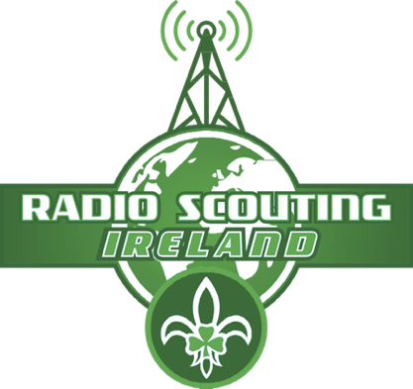
 |  |  |  | My QSO Logbook |  |  |  | Signed and check by:
 |  |  |  | Name:

No. | Station Worked Callsign | Contact | Time (UTC) | Freq | Mode | RST |  | Comments, Operator name, Operating conditions-equipment etc
 |  | Date |  |  |  | Sent | Rcvd
1
2
3
4
5
6
7
8
9
10
11
12
13
14
15
16
17
18
19
20

