Sprint 1
Penjelasan pada Sprint 1

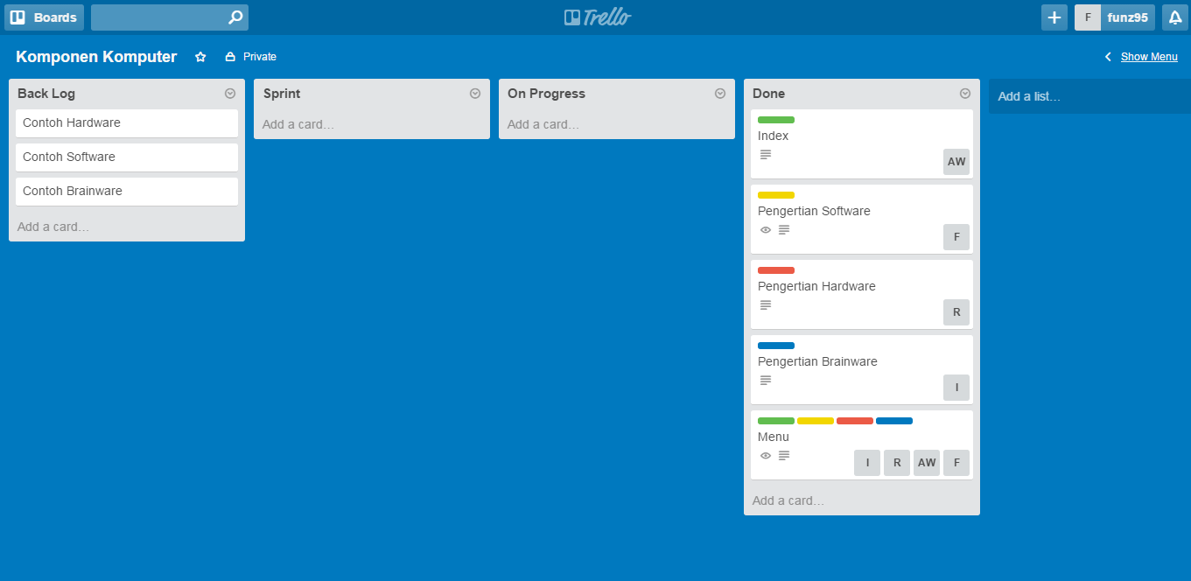

Product Backlog : | Done :
1. Contoh Hardware | 1. Index
2. Contoh Software | 2. Pengertian Software
3. Contoh Brainware | 3. Pengertian Hardware
 | 4. Pengertian Brainware
 | 5. Menu

