Sheet1
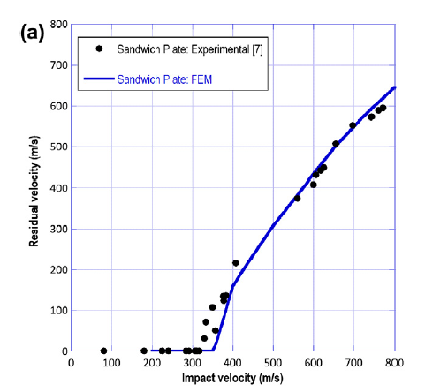
impact velocity | residual velocity
400 | 220
360 | 183

