Sheet1
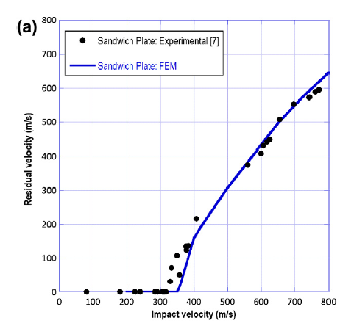
impact velocity | residual velocity
600 |  | 300
500 |  | 270 | Desity | 1800
400 | 220 | 200 | Young's modulus (GPa) | 10.1
360 | 183 | 120 | Poisson ratio
320 |  | 35 | In-plane shear modulus(GPa)
300 |  | 5 | Interlaminar shear modulus(GPa)
200 |  |  | Tensile Strength(MPa)
 |  |  | Compressive strength(MPa)
 |  |  | In-plane shear strength(MPa)
 |  |  | Interlaminar shearstrength (MPa)

 | stcking sequece | [0/90/0/90/45/-45]

mesh refinement
Inlet Velocity | 400
Element Number | Residual Velocity
4684 | 220
7132 | 145
8014 | 155
18578 | 0
13858 | 15

