Sheet1
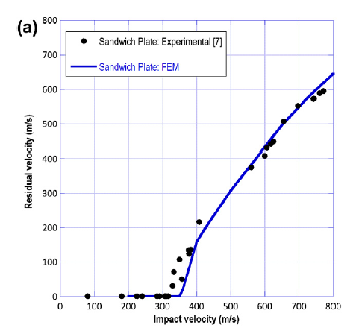
impact velocity | residual velocity
400 | 220
360 | 183 |  | Desity | 1800
 |  |  | Young's modulus (GPa) | 10.1
 |  |  | Poisson ratio
 |  |  | In-plane shear modulus(GPa)
 |  |  | Interlaminar shear modulus(GPa)
 |  |  | Tensile Strength(MPa)
 |  |  | Compressive strength(MPa)
 |  |  | In-plane shear strength(MPa)
 |  |  | Interlaminar shearstrength (MPa)

 | stcking sequece | [0/90/0/90/45/-45]

