pictures
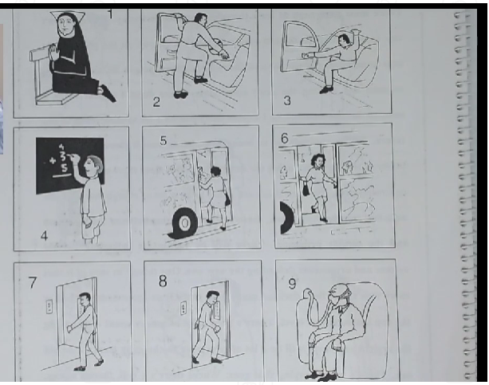
 | 1 | the non is praiyng
 | 2 | he's gettin into the car
 | 3 | Hs'e getting out of the car
 | 5 | He's gettingh on the bus
 | 6 | He's gettin of the bus
 | 7 | he's getting on the elevatot
 | 8 | he's getting of the elevatot
 | 4 | hes adding up the numbers/ hes wirting on the chuckboard
 | 9 | he's breathing through a respiratior
 | 10 | she's blowing out the candels
 | 12 | The taylor is taking measurments
 | 11 | he's giving a speech to the audience

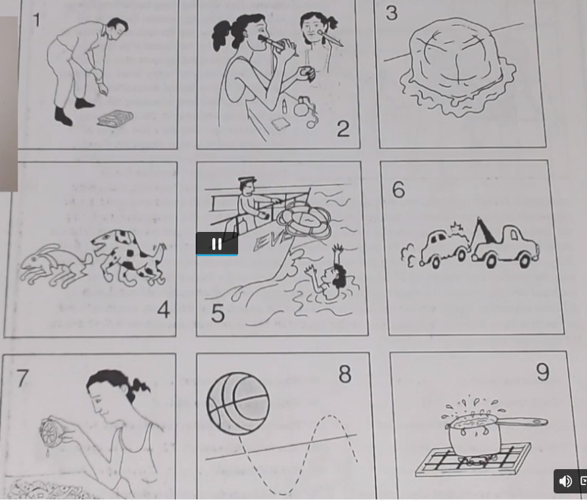

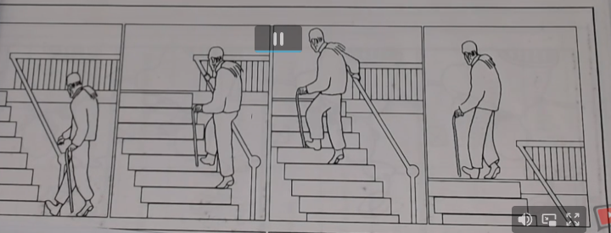
 |  |  | yet
 |  |  | anymore
 |  |  | still
 |  |  | alrady

Hes goin to go up stairs?

He has alraedy started going up

He isn't on the ground floor anymore

yes h'es still goin up

No he hasn't reach the top yet

he isn't on the bottom anymore

reported speech
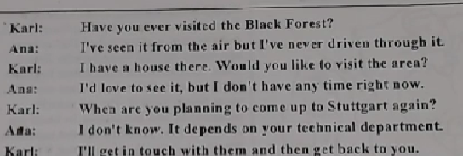
Karl asked her if she had ever visited the black forest.
Anna said that she had seen it from the air but
He said that he had a house there and he asked if she would like to visit the area.
She said that she would love to see it, but she said seh did't have any time time right then ( at that time)

Sahe said thad she wolud get in touhc with him

She asked if he would be at the airport to pi
she said that the wole famyli wolud be there
She said they made her feel like a foreing dignitary
he said taht they were all looking forward to seeing her
She asked him if his parents remeberd her?
he said taht they certanly did. She had been their favorite nice back in moscow

1 | Nancy said he had spoken to robert redford the night before
2 | Philip asked if he sounded the same on the phne as in the moovis
3 | Nacy said he was very polite and frienly
4
5
6 | Philip asked if nancy had recieved robert redforsd house plans
7 | nancy said that eddie hadn't sent them to her at that time

 | meet with
 | i know you

