Hoja2
 |  |  |  |  | 1 | Sh'es ironing ashort
 |  |  |  |  | 2 | he's lighting a cigarette
 |  |  |  |  | 3 | Hes tying a knot
 |  |  |  |  | 4 | he's blessing the cup
 |  |  |  |  | 5 | he's screwing an screw wtith a screw driver
 |  |  |  |  | 6 | he's removing the screw
 |  |  |  |  | 7 | She's tearing
 |  |  |  |  | 8 | hes tearing out the paper
 |  |  |  |  | 9 | Hes wirting down the license palte | filling down the ticke

 |  |  |  |  | 10 | he's pushing the car off the clif
 |  |  |  |  | 11 | She is liking the stamp
 |  |  |  |  | 12

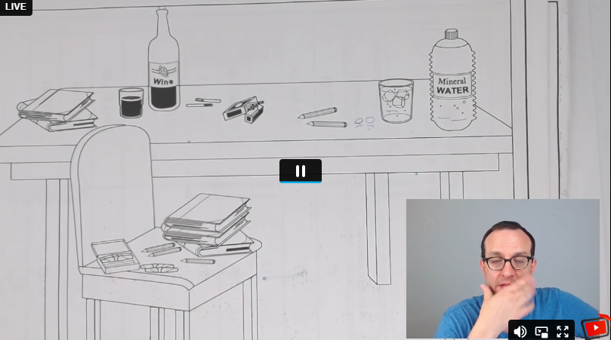

whre is the wine | some is inthe bottel and some is in the glass

 | sme are in the pcak and some are on the table

wher is de ice | some is in the glass and some is on the tbale

Where are the ice cubes | some are in the glass and some are on the table

Where is the water | some is in the bottel and some is in the glass

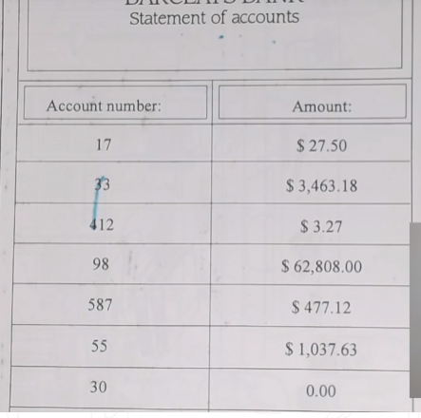
how much money is there ina account number 17 |  | 17 | there is 27 dollars and fifty cents
 |  |  | there is 3 thousend dollaras four hundred and sixty3 dolaras an 18 cets

how much money is there in account | number fifty five?

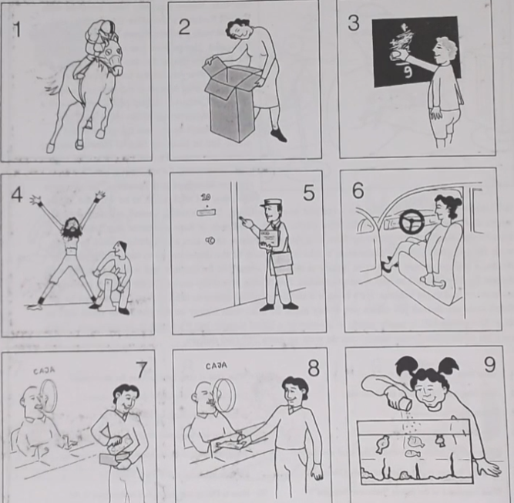

 |  |  |  | 1-he's riding a race horse, he's a jockey
 |  |  |  | 2 she's looking into a box
 |  |  |  | 3 he's erasing the chukboard
 |  |  |  | 4 he's torturing the prisionner | he's streaching
 |  |  |  | 5 the postman is ringing the dorbell
 |  |  |  | 6 she's adjusting her seat
 |  |  |  | 7 he's withdrawing many from the bank,
 |  |  |  | 8 hes making a cash deposit in the bank
 |  |  |  | 9 she's feeding the fish shaking a food box, over the fish tank

 |  |  |  | 10 she's hiding something from her mother
 |  |  |  | 11 he's signing the letter
 |  |  |  | 12 hes mixing chemicals

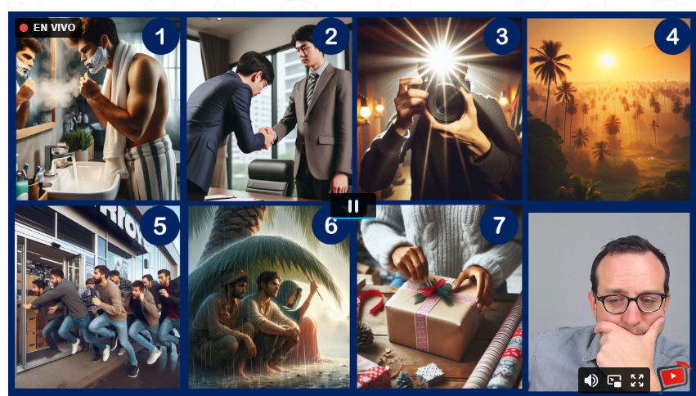
 |  |  |  |  |  | 1- he's shaving with a razor, he's looking at his self, he's using shving cream
 |  |  |  |  |  | 2-They're shaking hands. The guy with the blue blazer is bowing down , showing respect
 |  |  |  |  |  | 3- the camera is flashing
 |  |  |  |  |  | 4-the sun is rising, or the sun is setting
 |  |  |  |  |  | 5-the guys are getting into the store, they're rushing
 |  |  |  |  |  | 6-the guys are proctecting themselves from water,6 they're sheltering themselves from water
 |  |  |  |  |  | 7-She's wrapping a Christmas gift

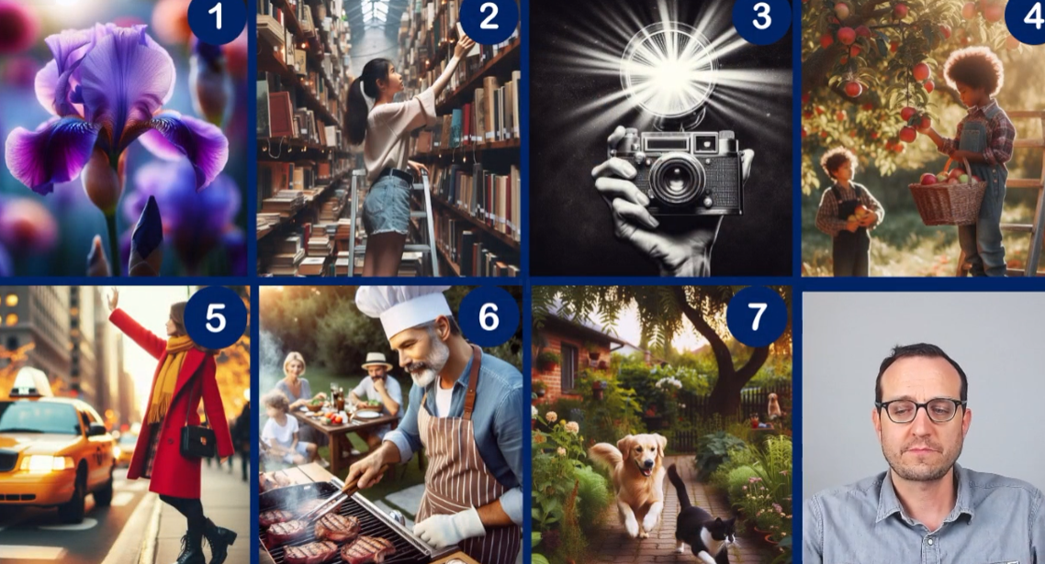
 |  |  |  |  |  |  | the gril is putting a book on the shelf

 |  |  |  |  |  |  | 3 the old camera is flashing

Hoja1
