INDEX
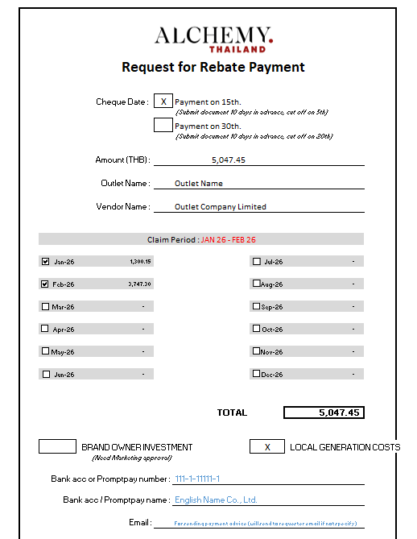
Input data in yellow cell |  |  | Instruction how to use this file

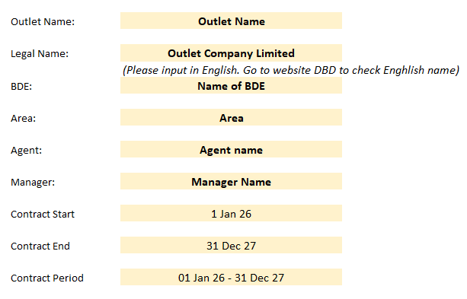
 | Outlet Name: | Outlet Name |  | Step 1.1 | Go to "INDEX" tab. Input outlet data
 |  |  |  |  | information about that outlet the outlet name, contract period, and other info are mapped to link with all the monthly sheet
 | Legal Name: | Outlet Company Limited
 |  | (Please input in English. Go to website DBD to check Enghlish name)
 | BDE: | Name of BDE

Watch out points -Use separate files for rebate different years
-New SKU will be added at the bottom in mapping sheet
 | Area: | Area

 | Agent: | Agent name

 | Manager: | Manager Name

 | Contract Start | 2026-01-01

 | Contract End | 2026-12-31 |  | Step 1.2 | Go to "Mapping" tab. Input %Rebate for each SKU
 |  |  |  |  | The Rebate% will reflect in all monthly sheet
 | Contract Period | 01 Jan 26 - 31 Dec 26

 | Contract Type | Marketing Contract & Yearly Contract

 |  |  |  | Step 2. | Go to each month tab. There are 3 things to input here
 |  |  |  | 1. Select the wholesaler based on each skus/invoices |  | - Total rebate for all principle will show on top right summary
 |  |  |  | 2. Input price per bottle : input only 1 column (J or K), which is either with or without VAT |  | - Selected principle in the dropdown list to see each principle summary
 |  |  |  | 3. Input volume bottles for each skus
 |  |  |  | Please note that the wholesaler list is from company's data base. If the customer purchase directly with Alchemy, please select direct sales
 |  |  |  | For outlets that has an official summary or purchase from the outlet's system and cannot specify the wholesaler, please selet "Outlet Summary"

 |  |  |  | Step 3. | To view summary of the outlet performance in this year and wholesale summary please see sheet "SUMMARY" and "WHOLESALE"

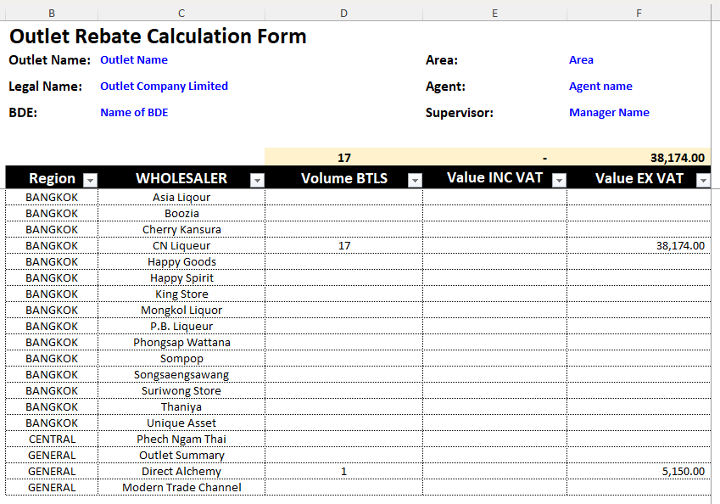

 |  |  |  | Step 4. | Go to "Payment Form" tab. Input data (price per bt, volume and %rebate) in column J to O
 |  |  |  |  | 3.1 Select Cheque date and don't forget to change the claim period
 |  |  |  |  | 3.2 Tick check box to choose rebate period, rebate value will auto-generated
 |  |  |  |  | 3.3 Select Local Generation or Brand Owner Investment

FOC FORM
 |  |  |  |  |  |  |  |  |  |  |  |  |  | Original-Accounting
 |  |  |  |  | Alchemy Wines and Spirits (Thailand) Co., Ltd.

FOC FORM
SHOP NAME : |  |  | Outlet Name |  |  |  |  |  |  |  |  | DATE: | 2026-01-01
Company/Personal Name : |  |  |  | Outlet Company Limited |  |  |  |  |  |  |  | Bring out by:-

ที่อยู่จัดส่ง : |  |  |  |  |  |  |  |  |  |  |  | Name of BDE
 |  |  |  |  |  |  |  |  |  |  |  | Type of Investment:
(ภาษาไทยเท่านั้น สำหรับเจ้าหน้าที่ขนส่ง)
Delivery Date : |  |  |  |  |  |  |  |  |  |  | Required |  | x | Local Generation
Time : |  | From | 11:30:00 |  |  |  | To | 11:30:00 |  |  |  |  |  | Brand Owner Investment
ผู้ติดต่อ : |  | ภาษาไทยเท่านั้น |  |  |  |  | TEL:

NO. | INVENTORY ID. |  |  |  | NAME |  |  |  |  |  |  | QUANTITY |  | UNIT
1 | 324 | 01-SPVOD-07008530 |  |  | Bols Vodka 700ml |  |  |  |  |  |  |  |  | Bottle
2 |  |  |  |  |  |  |  |  |  |  |  |  |  | -
3 |  |  |  |  |  |  |  |  |  |  |  |  |  | -
4 |  |  |  |  |  |  |  |  |  |  |  |  |  | -
5 |  |  |  |  |  |  |  |  |  |  |  |  |  | -
6 |  |  |  |  |  |  |  |  |  |  |  |  |  | -
7 |  |  |  |  |  |  |  |  |  |  |  |  |  | -
8 |  |  |  |  |  |  |  |  |  |  |  |  |  | -
9 |  |  |  |  |  |  |  |  |  |  |  |  |  | -
10 |  |  |  |  |  |  |  |  |  |  |  |  |  | -
11 |  |  |  |  |  |  |  |  |  |  |  |  |  | -
12 |  |  |  |  |  |  |  |  |  |  |  |  |  | -

Detail Of Use : |  |  |  |  |  |  |  |  |  | TOTAL |  | 0
Contract Period: |  | 01 Jan 26 - 31 Dec 26
Claim Period:
Promotion:
Reason

Department

Purpose
FALSE | Tasting & Training (06) |  |  |  | FALSE | Sponsorship (08) |  |  | FALSE | Event (09) | FALSE | Rebate (11) |  | FALSE | PR / Media (12)

FALSE | Borrow |  |  |  | FALSE | Consignment

Requested by |  |  | Pay Off By |  |  |  | Mgr.Approved |  |  |  |  | Marketing Manager

Date ….... / …..... / …..... |  |  | Date …….. / ….….. / …….. |  |  |  | Date …….. / ….….. / …….. |  |  |  |  | Date …….. / ….….. / ……..

Name of BDE |  |  | (….........................................) |  |  |  | (….........................................) |  |  |  |  | (….........................................)

ผู้ส่งสินค้า (Delivered by) |  |  |  |  |  |  | ผู้รับสินค้า (For Customer Received by)

…..................................................................................ลงนาม(Please sign here) |  |  |  |  |  |  | …..................................................................................ลงนาม(Please sign here)
( ) |  |  |  |  |  |  | ( )
วันที่ (Date)............/.........../............. |  |  |  |  |  |  | วันที่ (Date)............/.........../.............

