5.6
 | Plates | Mugs | Steins | Available
Profit | 2.8 | 4.75 | 4 | 2408 |  |  |  | Allowable | Allowable
Variable | 60 | 0 | 560 |  |  |  |  | Increase | Decrease
Molding | 4 | 6 | 3 | 1920 | <= | 1920 |  | 2.2333333333 | 0.36666666667
Finishing | 8 | 14 | 12 | 7200 | <= | 7200
Clay | 5 | 4 | 3 | 1980 | <= | 3000 |  | 2.4333333333

A: Since 3.10 - the alloable decrease of 0.367 is 2.7, and we are only moving down to 2.8, the optimal solution will not change. Profit will go down by the difference, to 2440. The solution is still 300 plates and 400 steins.
B: Since profit per plate decreases within the allowable limits and profit per stein increases within the allowable limits, the optimal solution will not change. The profit will increase by the difference of the reduced profit from plate and the increased profit of steins to 2580.
C. The solution will not change because 60*8 = 480, and the allowable decrease is 600. Profit will go down because less time is available to make products, so less products will be sold, and it will go down to 2408. However, solver gives a solution of 60 plates and 560 steins, so this could be due to a limit.
D. Moving the worker from molding to finsihing makes sense because finsihing has a higher shadow price, at 0.28 compared to molding at 0.22. Thus, a one unit increase in finishing results in 0.28 higher profit, compared to a 0.22 loss from molding. Moreover, the allowable decrease is not 0.
E. Mugs cannot decrease below 0, so 0 is accurate for its allowable decrease. The clay should also be 0 because it is not an active constraint, thus it will not affect the solution, and this is shown by such a high allowable increase.
 |  |  |  |  |  |  | stein | 0.65 | 1.375

 |  |  |  |  |  |  |  | 4.65
 |  |  |  |  |  |  |  | 4.3

5.7
 | Choc | Vanilla | Bananna
Profit | 1 | 0.9 | 0.95 | 341.25
Variable | 0 | 300 | 75
Milk | 0.45 | 0.5 | 0.4 | 180 | <= | 200
Sugar | 0.5 | 0.4 | 0.4 | 150 | <= | 150
Cream | 0.1 | 0.15 | 0.2 | 60 | <= | 60

A: The optimal solution is 300 Vanilla and 75 Bananna with a total profit of $341.25.
B. The solution will change because $1.00 is beyond the allowable increase of $0.0214, which is 0.9714, thus there will be 100 chocolate and 250 banana at $350.
C. The optimal solution will change because the increase is above the allowable limit of 0.9714, though this is extremely close to the original solution of 300 vanilla and 75 banana, so it is possibly rounding down to the allowable limit
D. The solution will not change because 3 gallons is within the allowable decrease, though the solution changes to 360 vanilla and 15 bananna at $337.
E. The company should buy it because 15*1.875 is much more than 15 dollars, and each additional unit will increase the profit by 0.875.
F. The milk is not active constraint because it has an infinite allowable increase, thus the allowable decrease is 0 because it is already minimized.

5.8
profit | 240 | 720 | 600
variable | 0 | 6 | 19 | 15720

assembly | 100 | 180 | 120 | 3360 | <= | 3360
finishing | 60 | 80 | 80 | 2000 | <= | 2000
wood | 30 | 180 | 120 | 3360 | <= | 3600

A: The production quantites will not change because the allowable decrease is 120, however profit will go down by 50*15, the decrease of units sold armoire multiplied by the decrease, from 16200 to 15450, the solution is 10 tables and 15 armoires.
B. The solution will not change because a 60 decrease in tables is within the allowable decrease, and 90 dollars increase in armoire is within the allowable increase. Profit will change by Q tables * 60 - the increase of 90 * Q armoire, however, solver wants to change the optimal production to only 25 armoires and says that this will increase profit to 17,250. This could be a difference in units between the constraints, though this does not seem like a satisfying answer. It could be due to the limits.
C. 240 minutes is less than the 600 total allowable decrease, thus, the optimal solution should not change. It will reduce profit by the shadow price, though solver wants to change the solution to a max profit of $15,720 and a new quantity produced of 6 tables and 19 armoires. This could be due to the limits in Limit report 5.8.
D. It would seem like a good idea because one additional unit of finishing would add 4.5 units of profit, where losing one unit of assembly would only take away 2. Hence the ratio is 4.5:2, HOWEVER, the allowable decrease of assembly is 0, and reducing it will change the optimal solution.
E. The shadow price is 2, the allowable increase is 0 and the decrease is 600, and these numbers indicate the binding nature of the constraint.

5.12
profit | 1 | 2
variable | 2 | 2 | 6
1 | 1 | 3 | 8 | <= | 8
2 | 1 | 1 | 4 | <= | 4

A,b:
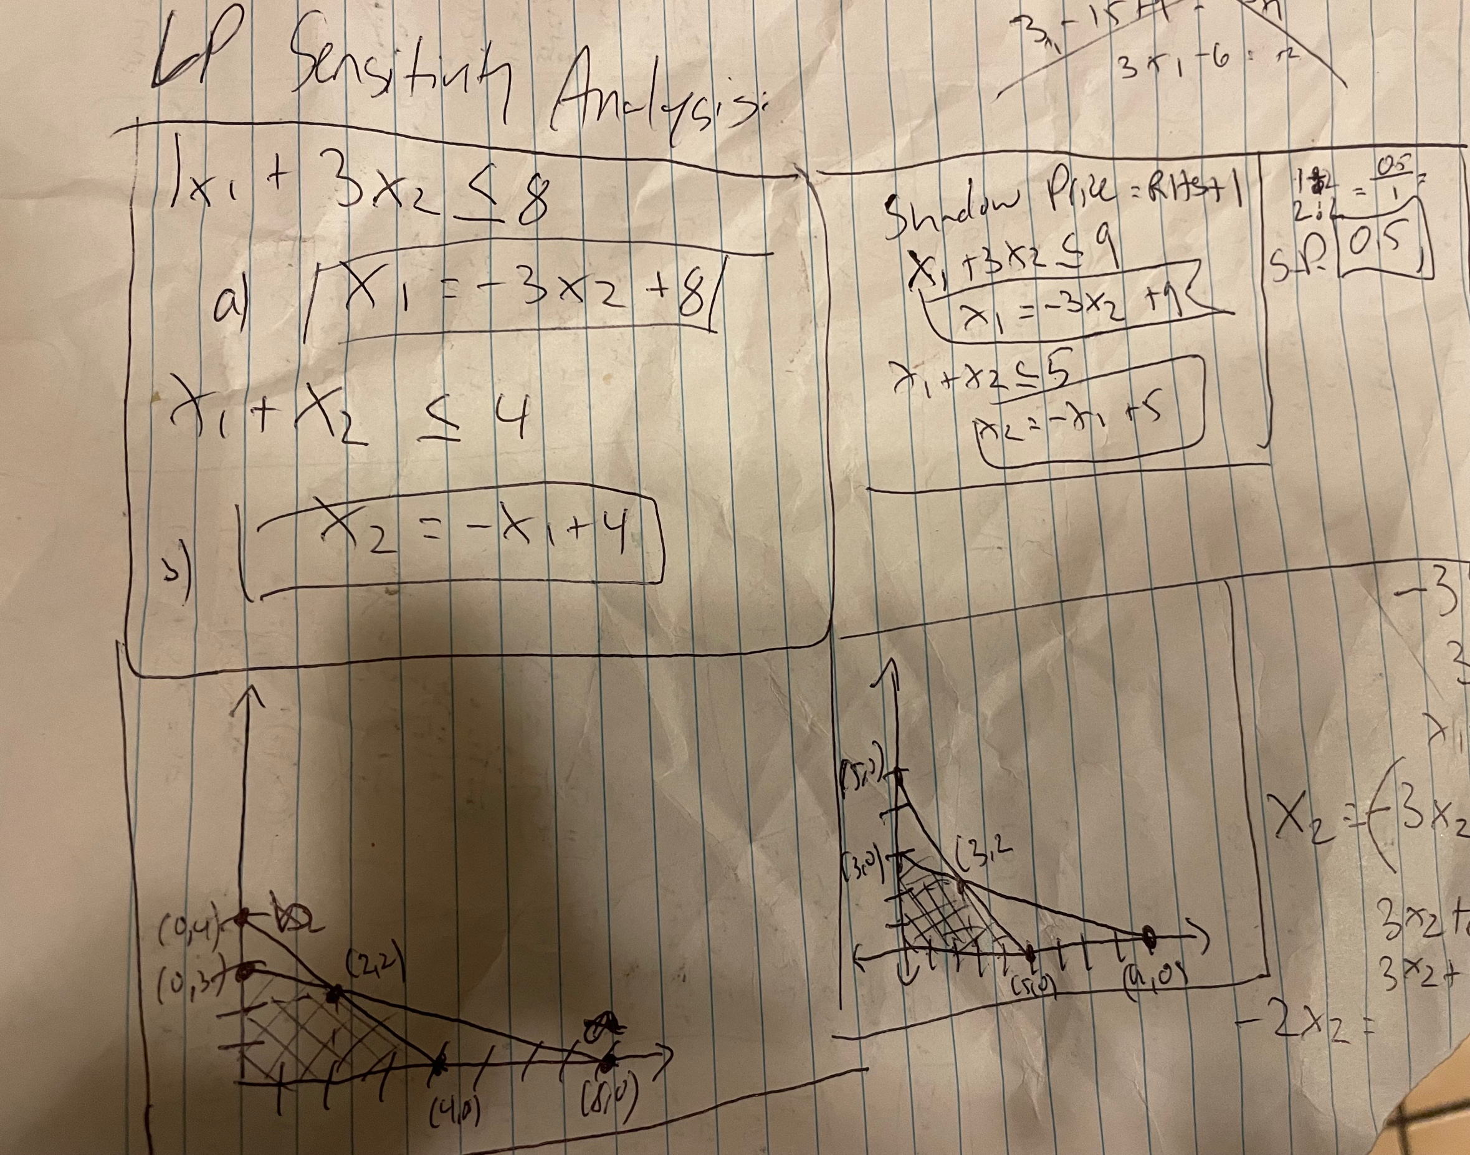

D. The shadow price shows what happens when the input is increased or decreased by one unit to the output. The Allowable Decrease of 4 and 1.33 show that the RHS is allowed to vary by up to this amount before the solution changes. Thus, the first constraitn would not change resource use, but the second will when both are brought down by four units and then subsequently increased one unit at a time until 6 plus.
E. The limit report shows that the shadow price is only valid between a lower limit and an upper limit. Thus, the limit is between 0 and 85, and 0 and 385.5. See limit report and sensitivity report for the allowable increase and decrease before the solution is changed.
F. The Shadow price helps management determine where the most effective place to move resources is, or where resources should be moved from becaues it calculates a return on a marginal unit. Thus, it is an elasticity, and the marginal analysis helps determine decisisons.

