Algebraic Solutions
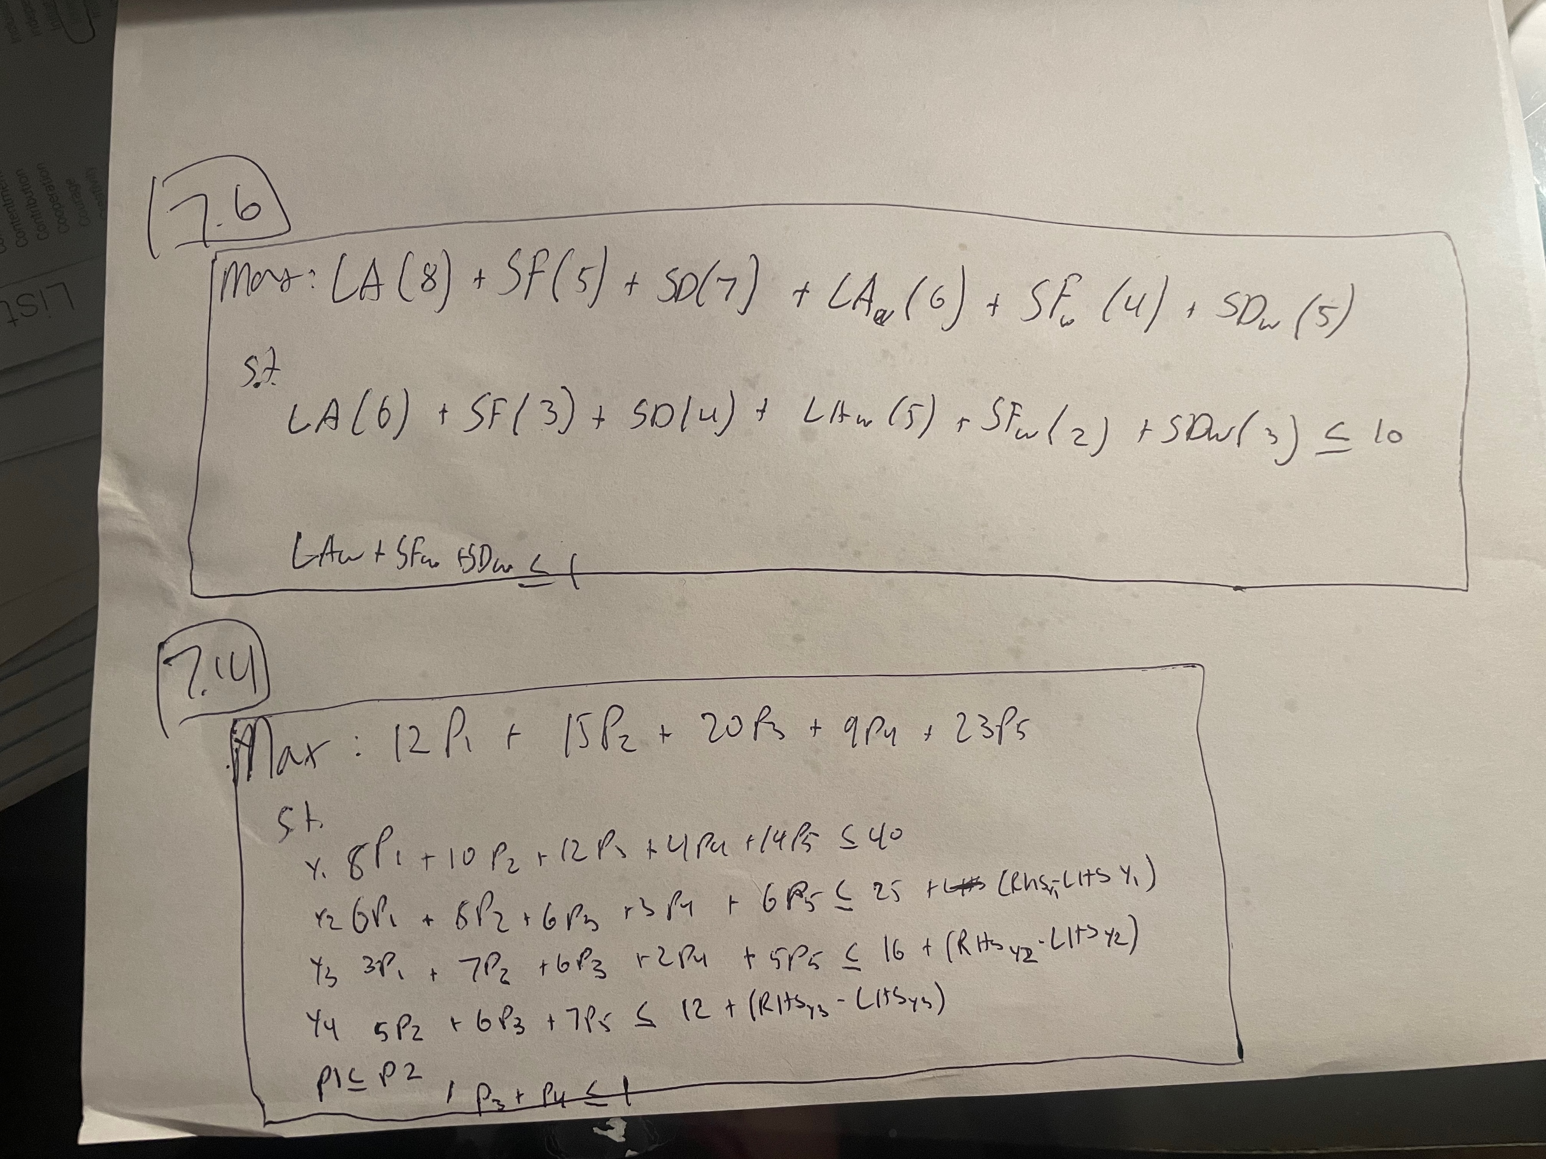

7.19B Actual Answer
I tried an if statement to force the binary constraint because solver is not enforcing it
Plant | Nashville | San Jose | Houston | Cost/unit | Capacity/week
Atlanta | 30 | 40 | 50 | 208 | 0 | 1 | 200
Kansas | 25 | 45 | 40 | 214 | 0 | 1 | 300
Aberdeen | 45 | 30 | 55 | 215 | 300 | 1 | 300
Austin | 30 | 50 | 30 | 210 | 0 | 1 | 400

Warehouse | Sears | Best Buy | Fry's | Comp | Office Max | Cost/unit | Capacity/week
Nashville | 40 | 45 | 30 | 25 | 20 | 4 | 0 | 1 | 300
San Jose | 15 | 50 | 25 | 15 | 40 | 5 | 0 | 1 | 500
Houston | 50 | 35 | 15 | 40 | 50 | 5 | 0 | 1 | 500

Customer Demand | 100 | 50 | 75 | 300 | 150

Cost Warehouse | Nashville | San Jose | Houston
Atlanta | 0 | 0 | 0
Kansas | 2.0378365662E-11 | 0 | 0
Aberdeen | 0 | 73500 | 0
Austin | 60000 | 0 | 30000
AT - N | AT - SJ | AT - Houston | KS - Nash | KS - SJ | KS - Hous | AB - Nash | AB - SJ | AB - Hous | AS - Nash | AS - SJ | AS - Hous
1 | 2 | 3 | 4 | 5 | 6 | 7 | 8 | 9 | 10 | 11 | 12
0 | 0 | 0 | 8.5265128291E-14 | 0 | 0 | 0 | 300 | 0 | 250 | 0 | 125
0 | <= | 0 | 8.5265128291E-14 | <= | 0 | 300 | <= | 300 | 375 | <= | 0

 | Sears | Best Buy | Fry's | Comp | Office Max
Nashville | 0 | 0 | 0 | 100 | 150 | 250
San Jose | 100 | 0 | 0 | 200 | 0 | 300
Houston | 0 | 50 | 75 | 0 | 0 | 125
 | 100 | 50 | 75 | 300 | 150

Total Nashville Q | 250 |  |  |  |  |  | Place | Binary Change | Fixed Cost |  |  | Rounded Binary Values
Total San Jose Q | 300 |  |  |  |  |  | Atlanta | 0 | 8000 | 0 |  | 0
Total Houston Q | 125 |  |  |  |  |  | Kansas | 0 | 9000 | 0 |  | 0
 |  |  |  |  |  |  | Aberdeen | 1 | 9000 | 9000 |  | 1
Cost Warehouse | 163500 |  |  |  |  |  | Austin | 0.9375 | 10000 | 10000 |  | 1
Cost Shipping | 12875 | 3125 |  |  |  |  | Nashville | 0.83333333333 | 4000 | 4000 |  | 1
Min Total Cost | $207,500.00 |  |  |  |  |  | San Jose | 0.6 | 5000 | 5000 |  | 1
 |  |  |  |  |  |  | Houston | 0.25 | 5000 | 0 |  | 0

7.19B First Try
Plant | Nashville | San Jose | Houston | Cost/unit | Capacity/week
Atlanta | 30 | 40 | 50 | 208 | 200
Kansas | 25 | 45 | 40 | 214 | 300
Aberdeen | 45 | 30 | 55 | 215 | 300
Austin | 30 | 50 | 30 | 210 | 400

Warehouse | Sears | Best Buy | Fry's | Comp | Office Max | Cost/unit | Capacity/week
Nashville | 40 | 45 | 30 | 25 | 20 | 4 | 300
San Jose | 15 | 50 | 25 | 15 | 40 | 5 | 500
Houston | 50 | 35 | 15 | 40 | 50 | 5 | 500

Customer Demand | 100 | 50 | 75 | 300 | 150

Cost Warehouse | Nashville | San Jose | Houston
Atlanta | 0 | 0 | 0
Kansas | 0 | 0 | 0
Aberdeen | 0 | 73500 | 0
Austin | 60000 | 0 | 29999.99976

1 | 2 | 3 | 4 | 5 | 6 | 7 | 8 | 9 | 10 | 11 | 12
0 | 0 | 0 | 0 | 0 | 0 | 0 | 300 | 0 | 250 | 0 | 124.999999
0 | 0 | 0 | 0 | 0 | 0 | 0 | 300 | 0 | 250 | 0 | 124.999999
0 | <= | 200 | 0 | <= | 300 | 300 | <= | 300 | 374.999999 | <= | 400

Shutdown Atlanta and Kansas
 | Sears | Best Buy | Fry's | Comp | Office Max
Nashville | 0 | 0 | 0 | 100 | 150 | 250 |  | Atlanta | 0
San Jose | 100 | 0 | 0 | 200 | 0 | 300 |  | Kansas | 0
Houston | 0 | 50 | 75 | 0 | 0 | 125 |  | Aberdeen | 1
 | 100 | 50 | 75 | 300 | 150 |  |  | Austin | 1

Nashville | 0 | 0 | 0 | 100 | 150 | 250
San Jose | 100 | 0 | 0 | 200 | 0 | 300
Houston | 0 | 50 | 75 | 0 | 0 | 125
 | 100 | 50 | 75 | 300 | 150

Total Nashville Q | 250 |  |  |  |  |  |  | Nashville | 1
Total San Jose Q | 300 |  |  |  |  |  |  | San Jose | 1
Total Houston Q | 124.999999 |  |  |  |  |  |  | Houston | 1
 |  | Atlanta Cost | Kansas Cost | Aberdeen Cost | Austin Cost
Cost Warehouse | 182499.99976 | 0 | 0 | 82500 | 99999.99976
Cost Shipping | 12875 | 3125
Min Total Cost | $198,500.00 | 11,000 off, why?

