2.15
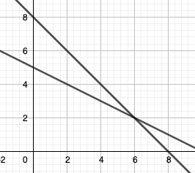
2.15

Max
 | x1 | x2
 | 2 | 6
 | 3 | 2 | 18
 | 1 | 1 | 8 | <= | 8
 | 2 | 1 | 10 | <= | 10

2.18
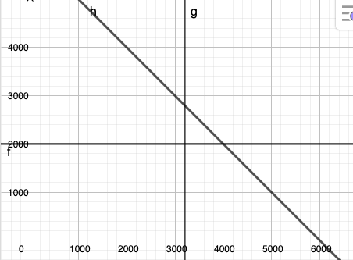
2.18

max
 | x1 | x2
input | 1200 | 3200
profit | 0.2 | 0.4 | 1520
flour | 0.1 | 0 | 120 | <= | 200
pork | 0 | 0.25 | 800 | <= | 800
unit labor | 2 | 3 | 12000 | <= | 12000

2.22
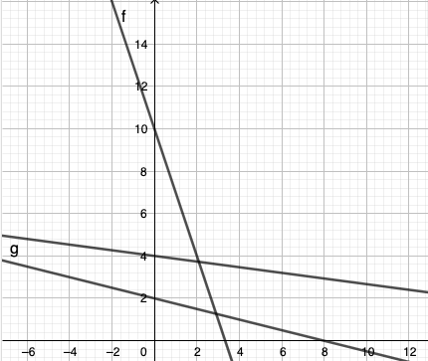
2.22

Min

 | x1 | x2
 | 1.2727272727 | 2.9090909091
cost | 4 | 2 | 10.909090909
carb | 5 | 15 | 50 | >= | 50
prot | 20 | 5 | 40 | >= | 40
fat | 15 | 2 | 24.909090909 | <= | 60

2.25
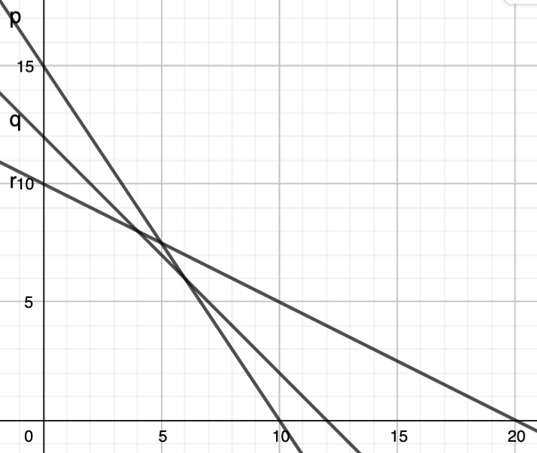
2.25

min
A) | x1 | x2 |  |  |  | B) | x1 | x2 |  |  |  | C) | x1 | x2
input | 7.5 | 5 |  |  |  | input | 15 | 0 |  |  |  | input | 6 | 6
cost | 40 | 50 | 550 |  |  | cost | 40 | 70 | 600 |  |  | cost | 40 | 50 | 540
1 | 2 | 3 | 30 | >= | 30 | 1 | 2 | 3 | 30 | >= | 30 | 1 | 2 | 3 | 30 | >= | 30
2 | 1 | 1 | 12.5 | >= | 12 | 2 | 1 | 1 | 15 | >= | 12 | 2 | 1 | 1 | 12 | >= | 12
3 | 2 | 1 | 20 | >= | 20 | 3 | 2 | 1 | 30 | >= | 20 | 3 | 2 | 1 | 18 | >= | 15

work
