SUBNETEO
IP de Proyecto |  | Host por sub | Crecimiento 10% | Host requeridos | Subredes Posibles
192.168.0.0/16 |  | 242 | 24 | 266 | 128

Red | Red ID | Primera IP | Ultima IP | Broadcast | Mascara | Total
Central | 192.168.0.0 | 192.168.0.1 | 192.168.1.254 | 192.168.1.255 | 255.255.254.0/23 | 512
Mty. | 192.168.2.0 | 192.168.2.1 | 192.168.3.254 | 192.168.3.255 | 255.255.254.0/23 | 512
Qro. | 192.168.4.0 | 192.168.4.1 | 192.168.5.254 | 192.168.5.255 | 255.255.254.0/23 | 512
Ver. | 192.168.6.0 | 192.168.6.1 | 192.168.7.254 | 192.168.7.255 | 255.255.254.0/23 | 512
Jal. | 192.168.8.0 | 192.168.8.1 | 192.168.9.254 | 192.168.9.255 | 255.255.254.0/23 | 512
127 | 192.168.252.0 | 192.168.252.1 | 192.168.253.254 | 192.168.253.255 | 255.255.254.0/23 | 512

 | 192.168.252.0/30 | 255.255.255.252/30

WAN | 192.168.252.0 | 192.168.252.1 | 192.168.253.254 | 192.168.253.255 | 255.255.254.0/23
WAN 1 | 192.168.252.0/30 | 192.168.252.1/30 | 192.168.252.2/30 | 192.168.252.3/30 | 255.255.255.252/30
WAN 2 | 192.168.252.4/30 | 192.168.252.5/30 | 192.168.252.6/30 | 192.168.252.7/30 | 255.255.255.252/30
WAN 3 | 192.168.252.8/30 | 192.168.252.9/30 | 192.168.252.10/30 | 192.168.252.11/30 | 255.255.255.252/30
WAN 4 | 192.168.252.12/30 | 192.168.252.13/30 | 192.168.252.14/30 | 192.168.252.15/30 | 255.255.255.252/30
WAN 5 | 192.168.252.16/30 | 192.168.252.17/30 | 192.168.252.18/30 | 192.168.252.19/30 | 255.255.255.252/30

 |  |  |  |  |  |  | Matriz de adyacencia (Comunicaciones) |  |  |  |  |  |  |  |  |  | Puede comunicarse
 |  |  |  |  |  |  |  |  |  |  |  |  |  |  |  |  | No puede comunicarse
 |  |  |  |  |  |  |  |  |  |  |  |  |  |  |  |  | Misma vlan

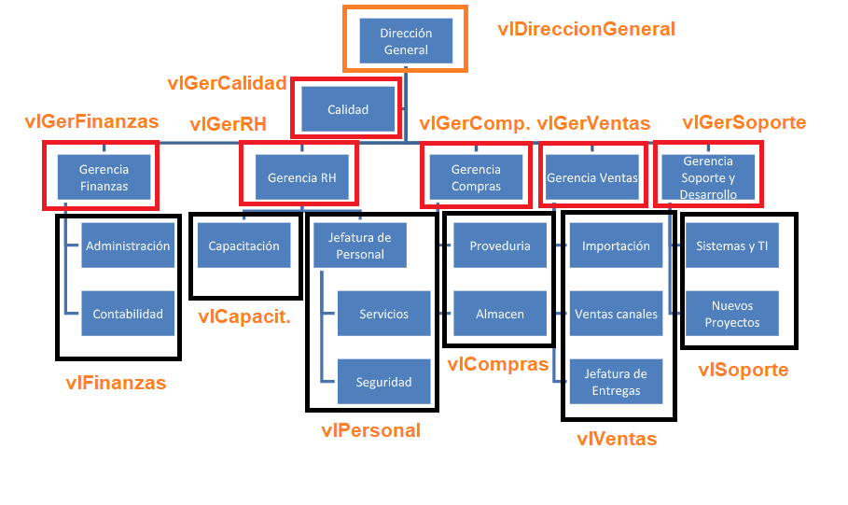
VLANS |  |  |  |  |  |  |  | vlDireccionGen. | vlGerCalidad | vlGerFinanzas | vlGerRH | vlGerCompras | vlGerVentas | velGerSoporte | vlFinanzas | vlCapacitacion | vlPersonal | vlCompras | vlVentas | vlSoporte
 |  |  |  |  |  |  | vlDireccionGen.
 |  |  |  |  |  |  | vlGerCalidad
 |  |  |  |  |  |  | vlGerFinanzas
 |  |  |  |  |  |  | vlGerRH
 |  |  |  |  |  |  | vlGerCompras
 |  |  |  |  |  |  | vlGerVentas
 |  |  |  |  |  |  | velGerSoporte
 |  |  |  |  |  |  | vlFinanzas
 |  |  |  |  |  |  | vlCapacitacion
 |  |  |  |  |  |  | vlPersonal
 |  |  |  |  |  |  | vlCompras
 |  |  |  |  |  |  | vlVentas
 |  |  |  |  |  |  | vlSoporte

