Executive Summary
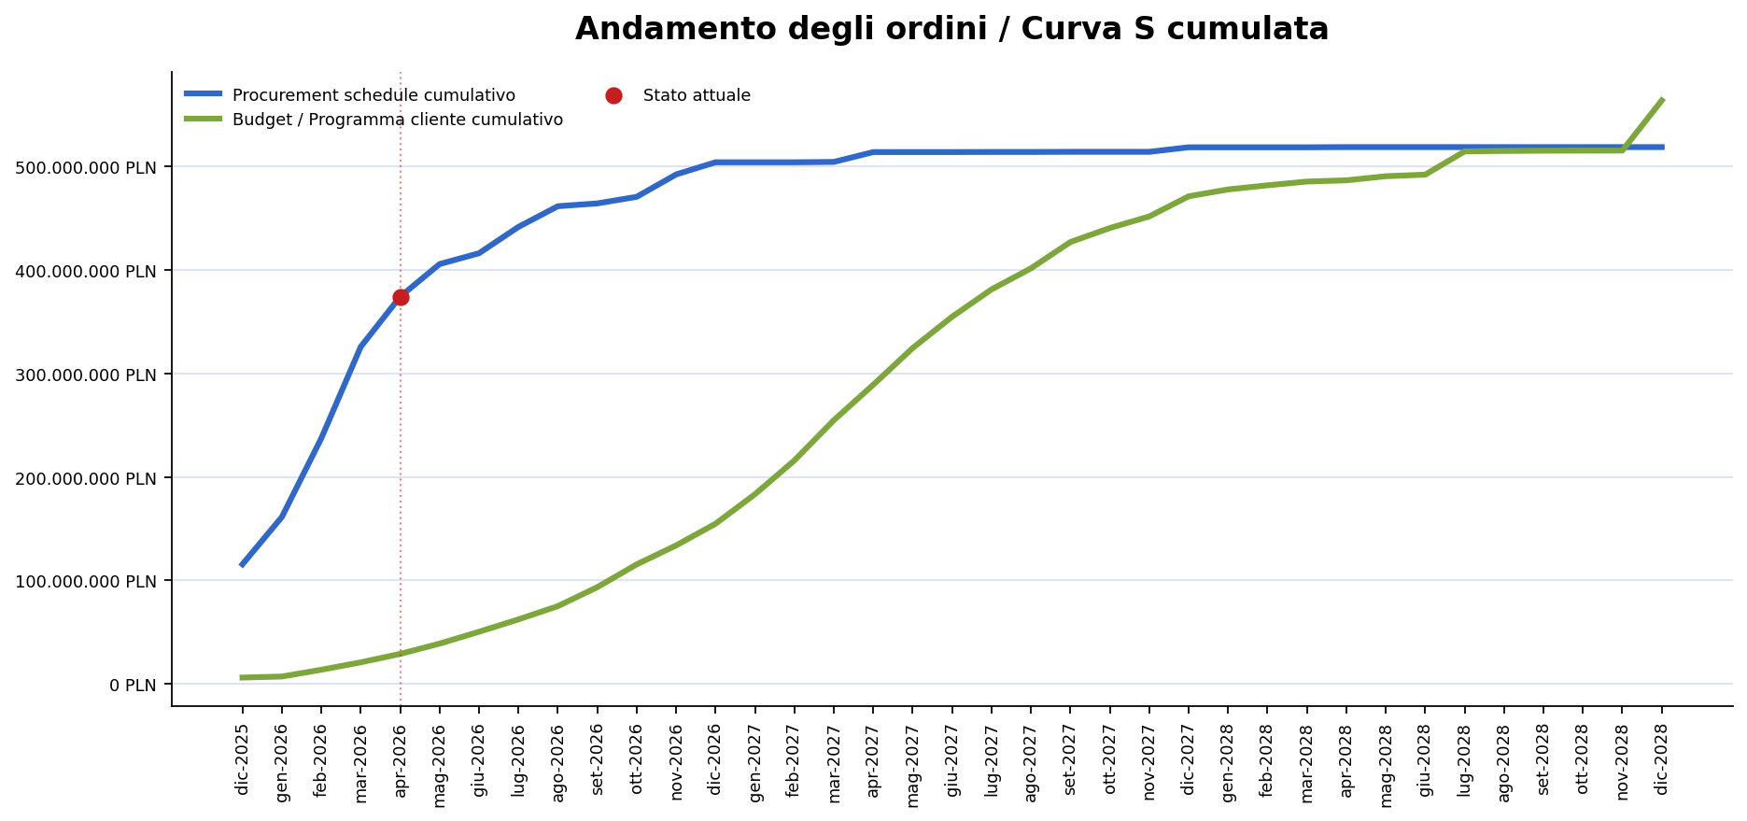
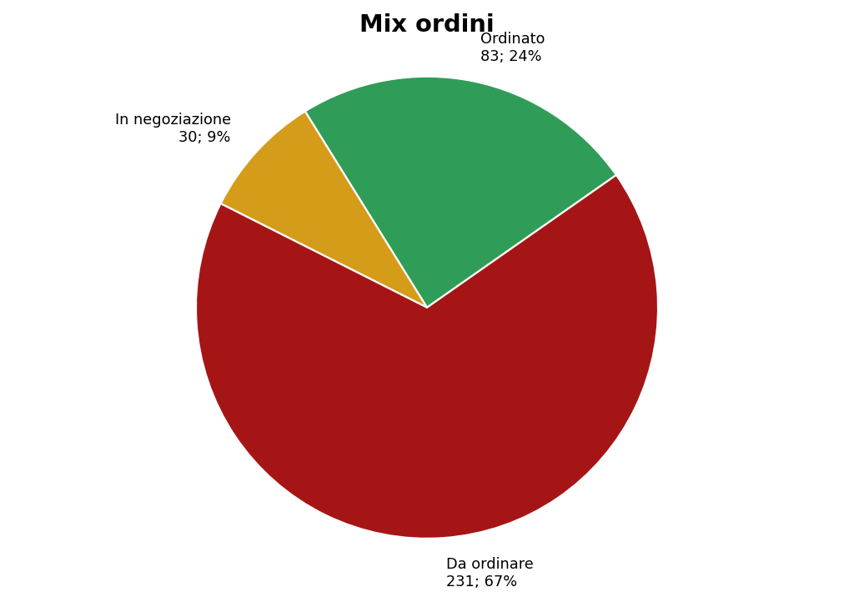
Wloclawek - Waste-to-Energy Project Dashboard
Report combinato Curva S + Procurement Schedule
Generato: 2026-04-24T07:54:17 |  |  | Budget file: Budget.xlsm |  |  | Procurement file: Procurement.xlsx

Overall status | AT RISK | Updated Budget | 520,024,052 | Baseline Budget | 501,457,853 | Contracted | 253,185,496

Completion % | 42.1 | Variance % | 3.7 | Contract prep. count | 15 | Packages overdue | 8

Executive note
Main risk today: 2.5.1.1 Supply of reinforcing steel is overdue by 114 days with 2432900 PLN still exposed.

