Charts
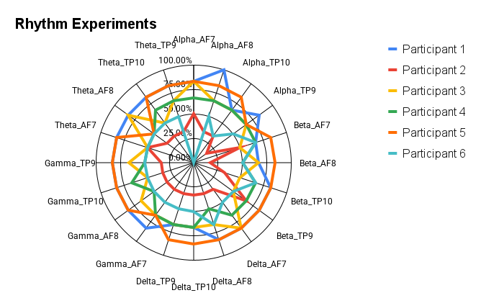

b

Harmony Experiments

Melody Experiments

