C.1a
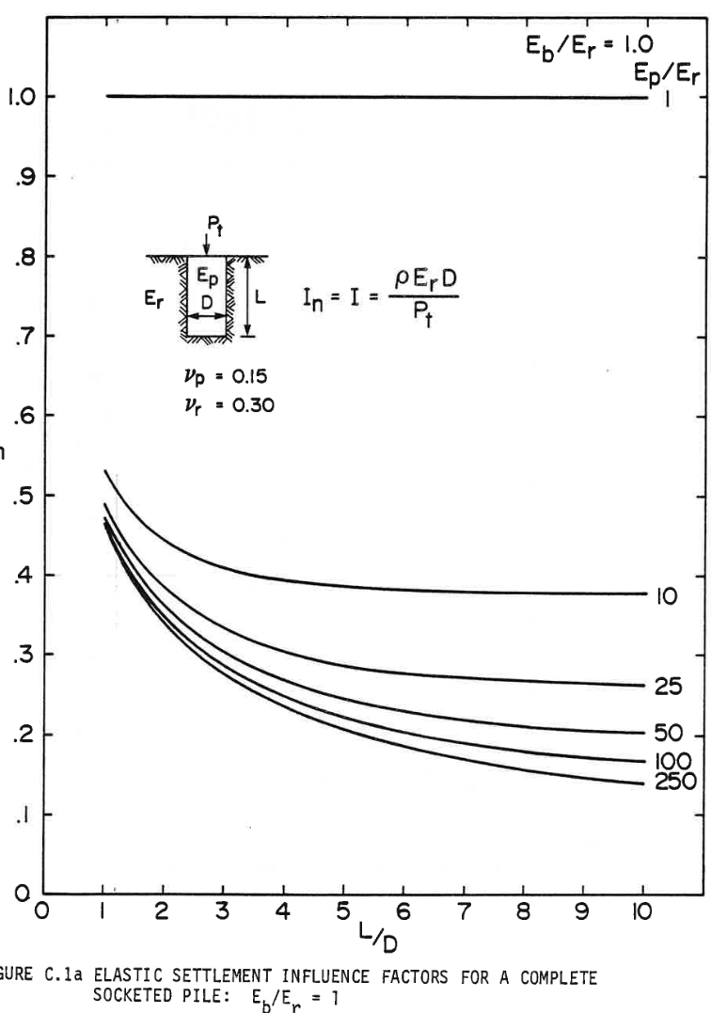
1 |  | 10 |  | 25 |  | 50 |  | 100 |  | 250
x | y | x | y | x | y | x | y | x | y | x | y
1.0614039495 | 1 | 1.0263167687 | 0.53042331387 | 1.0350883408 | 0.48677255103 | 1.0263167687 | 0.47156085835 | 1.0263167687 | 0.46428575363 | 1.0614039495 | 0.4537037709
1.5701756554 | 1 | 1.2105269216 | 0.50793651648 | 1.1403507754 | 0.47156085835 | 1.1842104206 | 0.44709001488 | 1.1140360591 | 0.44841271226 | 1.1754388485 | 0.43452385152
2.0438601806 | 1 | 1.3684214659 | 0.49007942904 | 1.2894746399 | 0.45304235493 | 1.3421058573 | 0.42460321749 | 1.3157893563 | 0.41931222612 | 1.3421058573 | 0.41005294078
2.561404351 | 1 | 1.5526325112 | 0.47486773636 | 1.3859655025 | 0.44113760755 | 1.5263160102 | 0.40476194941 | 1.5175444381 | 0.39550266407 | 1.5175444381 | 0.38558203003
3.0526320204 | 1 | 1.7807023094 | 0.4583333463 | 1.5350875823 | 0.42724874681 | 1.7368426641 | 0.38359791668 | 1.7368426641 | 0.37433869861 | 1.7719307372 | 0.3604497706
3.6052633716 | 1 | 2.0614033248 | 0.44113760755 | 1.6929830189 | 0.41137570544 | 1.9736840344 | 0.36507934599 | 1.9210528171 | 0.35317466588 | 2.0000005354 | 0.33928573786
4.0438598237 | 1 | 2.3070180519 | 0.43055562482 | 1.8596500277 | 0.39880954208 | 2.1754391162 | 0.34986778787 | 2.1754391162 | 0.3339947465 | 2.2719299788 | 0.31613759178
4.6403517124 | 1 | 2.6052639962 | 0.42063499078 | 2.0614033248 | 0.38359791668 | 2.4210529509 | 0.33597885985 | 2.4649125961 | 0.31415347843 | 2.6052639962 | 0.29761908837
5.017545375 | 1 | 2.9035090482 | 0.41071435675 | 2.2982464797 | 0.36904763997 | 2.6842108222 | 0.31944446979 | 2.7894741492 | 0.29629632371 | 2.9912283387 | 0.27645505563
5.605263907 | 1 | 3.2280706013 | 0.40211642009 | 2.5789474952 | 0.35383601457 | 3.0350879839 | 0.30291007973 | 3.1754393839 | 0.27777782029 | 3.4561412917 | 0.25330690955
6.0701768601 | 1 | 3.5964917995 | 0.39682542873 | 2.859649403 | 0.33928573786 | 3.2982458551 | 0.29166674831 | 3.5964917995 | 0.26190477892 | 4.0087735352 | 0.23280422551
6.60526239 | 1 | 4.0263166795 | 0.39219578606 | 3.1228072743 | 0.3300265198 | 3.6754395178 | 0.27910051768 | 3.9561405333 | 0.25066144751 | 4.4385966306 | 0.21957671346
7.0877184873 | 1 | 4.4561397748 | 0.38888890804 | 3.4210532186 | 0.32142865042 | 4.0087735352 | 0.2665344216 | 4.3245608392 | 0.23809528415 | 4.9385958721 | 0.20436515534
7.6403507308 | 1 | 4.8508765817 | 0.38822755935 | 3.7807019524 | 0.30952383575 | 4.3684204844 | 0.25793655222 | 4.7807022201 | 0.22751330142 | 5.552630905 | 0.19246034067
8.0438591098 | 1 | 5.2631583174 | 0.38359791668 | 4.0964928256 | 0.30158738235 | 4.745614147 | 0.24933861557 | 5.1666674549 | 0.21693125142 | 5.9912273571 | 0.18253970663
8.5701748523 | 1 | 5.7192996984 | 0.38095245464 | 4.4912296325 | 0.29431221035 | 5.0438600914 | 0.24404769148 | 5.6140354791 | 0.20965607942 | 6.5087715275 | 0.17328042129
9.0175428765 | 1 | 6.2368420841 | 0.37962968998 | 4.9736857298 | 0.28439157632 | 5.4824565435 | 0.23478840614 | 6.0000007139 | 0.20370373937 | 6.9912276248 | 0.16600531657
9.543858619 | 1 | 6.7719293987 | 0.37896827401 | 5.4649116146 | 0.27843916899 | 5.8859649225 | 0.23015876346 | 6.385964164 | 0.19708998334 | 7.4561405779 | 0.16137574118
10.043859645 | 1 | 7.2982451413 | 0.37830685804 | 5.9122814234 | 0.27513229097 | 6.228070512 | 0.22619046948 | 7.0526321989 | 0.18783076528 | 7.89473703 | 0.15476198516
18.692984893 | 1 | 7.7894728107 | 0.37698416066 | 6.3684210198 | 0.27314817762 | 6.6754385362 | 0.21891536477 | 7.5087717952 | 0.18121700925 | 8.4035078436 | 0.14947092651
 |  | 8.2456141916 | 0.37499998003 | 6.8596486892 | 0.27050271558 | 7.0175441258 | 0.21693125142 | 7.9473682473 | 0.17857147993 | 8.9385969429 | 0.14550269981
 |  | 8.7982446505 | 0.37632281197 | 7.3070167134 | 0.26719583757 | 7.4561405779 | 0.21296295743 | 8.4210527725 | 0.17460325323 | 9.5175439027 | 0.13888894379
 |  | 9.1754383131 | 0.37632281197 | 7.7719296664 | 0.26785718626 | 7.9385966752 | 0.20899473073 | 8.7982446505 | 0.17063495925 | 9.9912284279 | 0.13756617913
 |  | 9.5350870469 | 0.375661396 | 8.1666664733 | 0.26521165694 | 8.4561408456 | 0.20634920141 | 9.3684200382 | 0.1679894972
 |  | 10.026314716 | 0.375661396 | 8.6491225706 | 0.26455030825 | 8.8859639409 | 0.20436515534 | 10 | 0.16468261919
 |  |  |  | 9.2280695305 | 0.26058208154 | 9.350876894 | 0.19973544539
 |  |  |  | 9.6228063373 | 0.26058208154 | 9.7192971999 | 0.20039686136
 |  |  |  | 9.9824550711 | 0.26124343023 | 9.9912284279 | 0.20171962602

C.1b
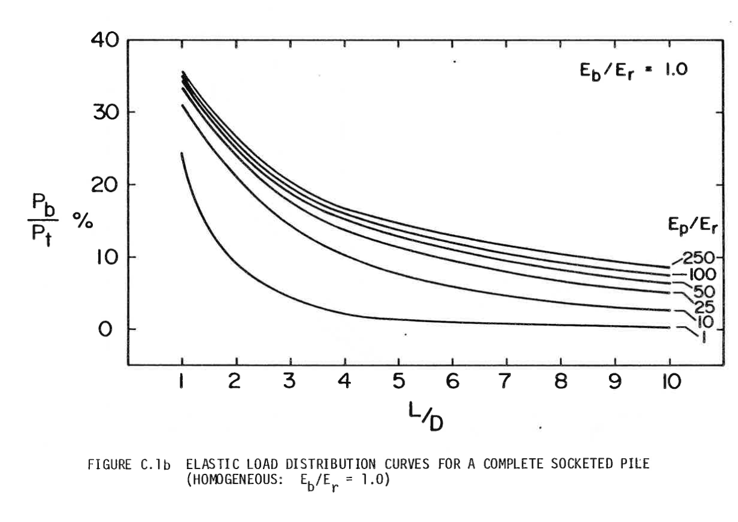
1 |  | 10 |  | 25 |  | 50 |  | 100 |  | 250
x | y | x | y | x | y | x | y | x | y | x | y
0.97582827428 | 2.6130951509 | 0.98478068939 | 3.2023809159 | 1.0205910329 | 3.3988094285 | 0.98478068939 | 3.4999999432 | 0.98478068939 | 3.5714281011 | 0.99373344602 | 3.6249998439
1.029543448 | 2.4642856372 | 1.1011637935 | 3.0892858217 | 1.1638317238 | 3.244047171 | 1.1190689652 | 3.3809523323 | 1.1727844805 | 3.3928566847 | 1.136974137 | 3.5119042956
1.0922113784 | 2.3273811571 | 1.2891675845 | 2.9166662409 | 1.3428827583 | 3.1130952077 | 1.2891675845 | 3.2142852683 | 1.3160251714 | 3.2559524316 | 1.3160251714 | 3.3511904296
1.1638317238 | 2.1607143202 | 1.4503134472 | 2.7916665673 | 1.5129813776 | 2.9464281437 | 1.4503134472 | 3.0892858217 | 1.468218619 | 3.1428571104 | 1.4771710341 | 3.2083334327
1.253357241 | 2.0178570962 | 1.6472696534 | 2.5892855379 | 1.7188899989 | 2.7678569543 | 1.6025068948 | 2.9702382108 | 1.6741272403 | 3.0000001135 | 1.6830796554 | 3.0654757546
1.3249775865 | 1.8869049058 | 1.799463101 | 2.49404754 | 1.9247986202 | 2.6369047639 | 1.7905103444 | 2.8273805327 | 1.8084155161 | 2.8690476961 | 1.835273103 | 2.9523808875
1.4592658623 | 1.7440476819 | 1.9337513768 | 2.3690476393 | 2.1754703416 | 2.4523810578 | 1.9695613788 | 2.6964285694 | 2.0053717223 | 2.7261904721 | 2.0411817243 | 2.8035713738
1.5398389644 | 1.625000071 | 2.130707583 | 2.2380954489 | 2.4350944781 | 2.2857142208 | 2.1217551679 | 2.5952382818 | 2.2291855153 | 2.5892855379 | 2.2112806851 | 2.6904762797
1.7099375838 | 1.4642859778 | 2.3097586174 | 2.1071428044 | 2.649955173 | 2.1845239332 | 2.2649958588 | 2.4999998297 | 2.4350944781 | 2.470237927 | 2.4082365498 | 2.5535713454
1.9337513768 | 1.3035714306 | 2.5425248256 | 1.9761906141 | 2.9185317247 | 2.0535712887 | 2.4619517235 | 2.3928572523 | 2.6141455126 | 2.3690476393 | 2.6410027579 | 2.4404760242
2.1396599981 | 1.1845238197 | 2.7752910337 | 1.8392856798 | 3.2139662047 | 1.9404764216 | 2.6768131014 | 2.2738096414 | 2.8379593056 | 2.2678573517 | 2.9006268945 | 2.3214284133
2.3813786214 | 1.059523919 | 3.01701034 | 1.7261903586 | 3.4019696543 | 1.8630952928 | 2.9185317247 | 2.1726188996 | 3.1154882724 | 2.1488097407 | 3.1333931026 | 2.2202381256
2.5872875842 | 0.95238088751 | 3.2139662047 | 1.6428573943 | 3.6257834473 | 1.7857141641 | 3.1244406875 | 2.0654763223 | 3.4198751675 | 2.0357144195 | 3.4019696543 | 2.1250001277
2.9991048268 | 0.83928602042 | 3.4198751675 | 1.5416666525 | 3.8495972404 | 1.7023811997 | 3.3572068957 | 1.9761906141 | 3.7063565494 | 1.9464287113 | 3.679498621 | 2.0297621298
3.4735903413 | 0.74404756836 | 3.6974041343 | 1.4642859778 | 4.1539841355 | 1.6428573943 | 3.6078786171 | 1.9107145189 | 4.0107434446 | 1.8630952928 | 3.9749331011 | 1.9404764216
3.9122655122 | 0.65476186016 | 3.9749331011 | 1.3630952361 | 4.3777979285 | 1.5654762655 | 3.8675027536 | 1.8333333901 | 4.2882724113 | 1.8095237771 | 4.4225606872 | 1.8511907134
4.2972248264 | 0.61309537798 | 4.2435096527 | 1.3035714306 | 4.6642793104 | 1.5238097833 | 4.0644586183 | 1.7916669079 | 4.6016117216 | 1.7619050052 | 4.8791406884 | 1.7797618744
4.6553268953 | 0.57142889581 | 4.5747537932 | 1.2142857224 | 4.9776186207 | 1.458333234 | 4.3867503437 | 1.7142857792 | 4.9328558621 | 1.6785715867 | 5.3804834482 | 1.7023811997
5.0313344774 | 0.57142889581 | 4.9507613753 | 1.1428573375 | 5.3267682744 | 1.3988094285 | 4.6911372388 | 1.6428573943 | 5.219337927 | 1.648809684 | 5.8191586191 | 1.6309523607
5.2999110291 | 0.55952386224 | 5.3625786179 | 1.083333532 | 5.6132503394 | 1.3630952361 | 4.9686662056 | 1.6130954915 | 5.5684875808 | 1.5654762655 | 6.1951662013 | 1.5595239758
5.6848703433 | 0.55357157251 | 5.7027758566 | 1.011904693 | 5.9176365515 | 1.2976191409 | 5.2730531007 | 1.529762073 | 5.9892572385 | 1.50595246 | 6.6248882741 | 1.5178570395
5.9803048233 | 0.54166699307 | 6.0071620687 | 0.98809553409 | 6.3563117225 | 1.226190756 | 5.5416296524 | 1.4940478806 | 6.4279324094 | 1.4345240751 | 7.0277531016 | 1.4761905573
6.2130710315 | 0.54166699307 | 6.3742172357 | 0.93452401834 | 6.8845124106 | 1.1666669505 | 5.8191586191 | 1.4702382676 | 6.9561330976 | 1.3750002696 | 7.3410924118 | 1.4404763648
6.4995524134 | 0.51785738006 | 6.6427937874 | 0.90476211561 | 7.3858551705 | 1.1130954347 | 6.1324979294 | 1.4107144621 | 7.4395703442 | 1.3392856231 | 7.7797689489 | 1.3928571388
6.8487020671 | 0.51785738006 | 6.8845124106 | 0.88095250259 | 7.8961503454 | 1.0416665957 | 6.5622206853 | 1.3511906566 | 7.9677710324 | 1.2738095279 | 8.3258731012 | 1.3452383669
7.1620413774 | 0.50595234649 | 7.3589979251 | 0.82142869713 | 8.4870193054 | 0.99404782381 | 7.1530889623 | 1.2619049484 | 8.4691144752 | 1.2202380121 | 8.8630262045 | 1.2857145614
7.4664282726 | 0.51785738006 | 7.9230082738 | 0.78571450467 | 8.970456552 | 0.95833363136 | 7.8245310245 | 1.1904761094 | 8.8988372311 | 1.1845238197 | 9.3106537906 | 1.2619049484
7.7439572393 | 0.49404776705 | 8.4780662073 | 0.75000031221 | 9.5344675837 | 0.91071440533 | 8.7018800003 | 1.1130954347 | 9.3464648172 | 1.1547619169 | 9.6418979311 | 1.226190756
8.0572965496 | 0.50595234649 | 8.9883627483 | 0.7261906992 | 9.9820951698 | 0.89880982589 | 9.3822744776 | 1.0476193396 | 9.7940924032 | 1.1130954347 | 9.9910482679 | 1.2083334327
8.3616841278 | 0.49404776705 | 9.5523724139 | 0.70238108619 |  |  | 9.9910482679 | 1.0297620163 | 9.9820951698 | 1.107143145
8.6839751701 | 0.49404776705 | 9.9820951698 | 0.69642879647
8.9883627483 | 0.48809547732
9.4180841381 | 0.47619044375
9.9820951698 | 0.4821431876

C.1c
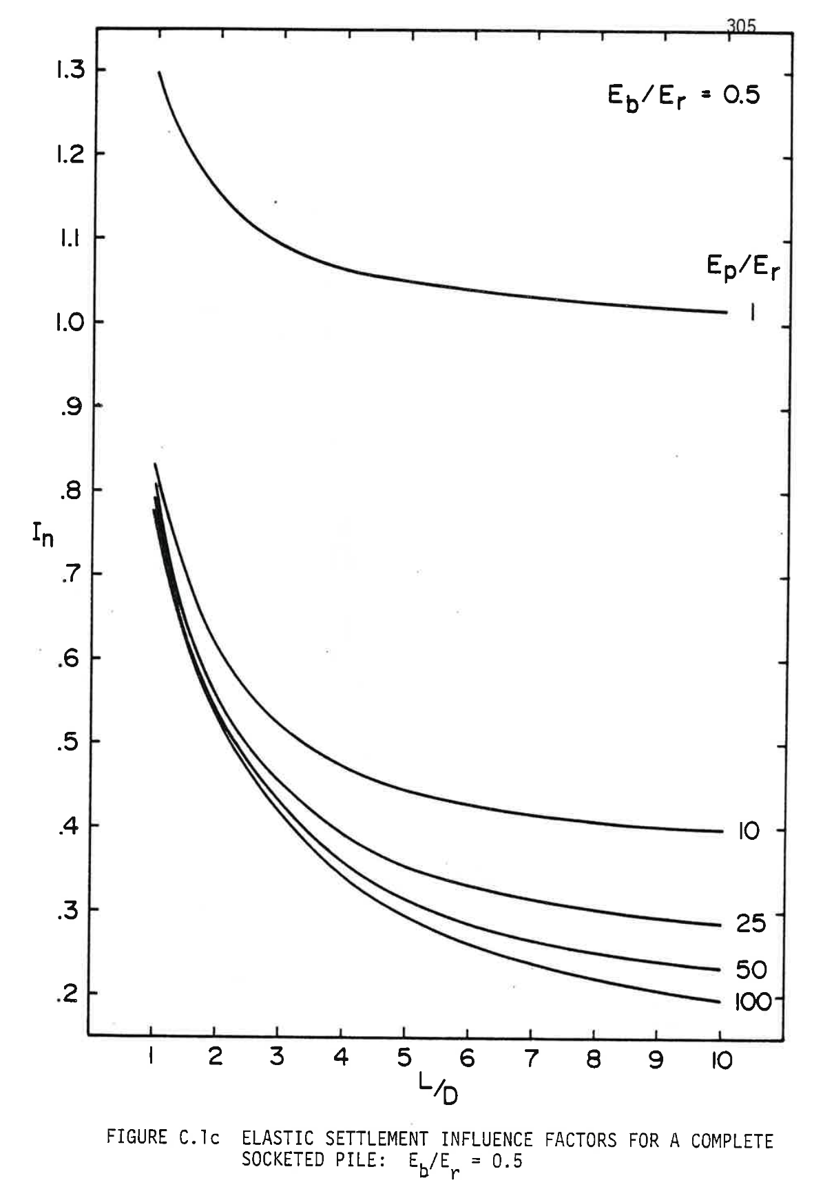
Ep/Er = 1 |  | Ep/Er = 10 |  | Ep/Er = 25 |  | Ep/Er = 50 |  | Ep/Er = 100
x | y | x | y | x | y | x | y | x | y
1.1111111975 | 1.2965356793 | 1.0499488885 | 0.76735515428 | 1.0703363248 | 0.7405063013 | 1.0397553648 | 0.72231850612 | 1.0091744047 | 0.70586273088
2.0387358568 | 1.1380413512 | 1.192660554 | 0.72405069125 | 1.0907237612 | 0.72058632099 | 1.0805302374 | 0.69460364318 | 1.1111111975 | 0.6694870414
1.6106012491 | 1.192604968 | 1.355759267 | 0.6755496398 | 1.2742099105 | 0.65822785458 | 1.1416921576 | 0.66862096536 | 1.2436289504 | 0.61059294525
2.6197760427 | 1.0904064419 | 1.5392458052 | 0.62618257837 | 1.3659531796 | 0.61232516342 | 1.2436289504 | 0.63830784124 | 1.386340616 | 0.56902070039
3.1090721817 | 1.0644237641 | 1.7838938747 | 0.56902070039 | 1.5290518926 | 0.56035980778 | 1.4271150998 | 0.58027982113 | 1.549439329 | 0.52138579105
3.6493374948 | 1.0436376086 | 2.0387358568 | 0.52398401919 | 1.8144748348 | 0.49973355954 | 1.549439329 | 0.53351105392 | 1.8756371438 | 0.44950035599
4.0978595389 | 1.0289140846 | 2.3445462354 | 0.48241177433 | 2.1100916896 | 0.4434377576 | 1.7023445182 | 0.49800134137 | 2.2426094425 | 0.40013329457
4.515800234 | 1.0228514531 | 2.6809379628 | 0.44603598573 | 2.4668708534 | 0.39666892431 | 2.0285423331 | 0.43997338734 | 2.4974514246 | 0.35856098363
4.9745158018 | 1.0141905605 | 3.0071353888 | 0.42005330792 | 2.8746180248 | 0.35769490758 | 2.293577839 | 0.39753500036 | 2.8848115485 | 0.31698873876
5.5555552099 | 1.0089939721 | 3.3333335926 | 0.39926721852 | 3.1804284033 | 0.32911393555 | 2.5076449484 | 0.37415061675 | 3.2925587199 | 0.27195205757
6.0856269993 | 1.0037975158 | 3.9041794769 | 0.36722187623 | 3.4964323056 | 0.3048634759 | 2.8338431521 | 0.33257830581 | 3.7003058913 | 0.23730848714
6.7482161528 | 0.99773488439 | 4.4138634412 | 0.34730186289 | 3.9245665244 | 0.27541642782 | 3.261977371 | 0.29013991882 | 4.2507647282 | 0.19833447041
7.2477058155 | 0.98907399178 | 5.035677722 | 0.32824785951 | 4.3017331246 | 0.25636249052 | 3.7003058913 | 0.25463027235 | 4.7604486924 | 0.16888742234
7.8389395251 | 0.98734174058 | 5.5861365588 | 0.31698867269 | 4.7196738197 | 0.23557633505 | 4.1284401101 | 0.22691544245 | 5.3109067515 | 0.14463696269
8.3588170131 | 0.98127917522 | 6.1060140468 | 0.30659562799 | 5.1478080385 | 0.21998670193 | 4.5565751067 | 0.20006668858 | 5.7594287956 | 0.12904732957
8.6850152168 | 0.97954699009 | 6.5239547419 | 0.29966688748 | 5.5453616862 | 0.21045960112 | 5.035677722 | 0.1810126852 | 6.0448521266 | 0.12038643696
9.1946984033 | 0.97608265287 | 7.1151884515 | 0.29100599487 | 6.0550456504 | 0.19920054646 | 5.4740062423 | 0.16369089999 | 6.6055044873 | 0.10479680384
9.8674818582 | 0.97175220657 | 7.584097543 | 0.28754169069 | 6.452599298 | 0.19053965385 | 6.1467889195 | 0.14463696269 | 7.0132516586 | 0.095269901264
10.101936793 | 0.97261828262 | 8.3282364418 | 0.27974680805 | 6.7889902478 | 0.18361097942 | 6.8399586442 | 0.12731517748 | 7.6350659394 | 0.082278562355
 |  | 8.9194693737 | 0.27281819969 | 7.5331291466 | 0.17321786864 | 7.3598369098 | 0.11952029484 | 8.0632001583 | 0.072751527626
 |  | 9.6024455747 | 0.27541636175 | 7.9204892705 | 0.16888742234 | 7.7370027323 | 0.11085940223 | 8.6136589952 | 0.061492340807
 |  | 10.040774095 | 0.27368420966 | 8.6340468204 | 0.15589608343 | 8.1855247763 | 0.11085940223 | 9.0112134205 | 0.056295884536
 |  |  |  | 9.1437300069 | 0.15416379918 | 8.715595788 | 0.098734205444 | 9.6228341776 | 0.044170555595
 |  |  |  | 9.5820585272 | 0.14636911478 | 9.6330269236 | 0.088341160748 | 9.9898056985 | 0.041572261382
 |  |  |  | 9.9898056985 | 0.14377088664 | 9.9898056985 | 0.086609008658
 |  |  |  |  |  | 9.1743113558 | 0.090939454961

C.1d
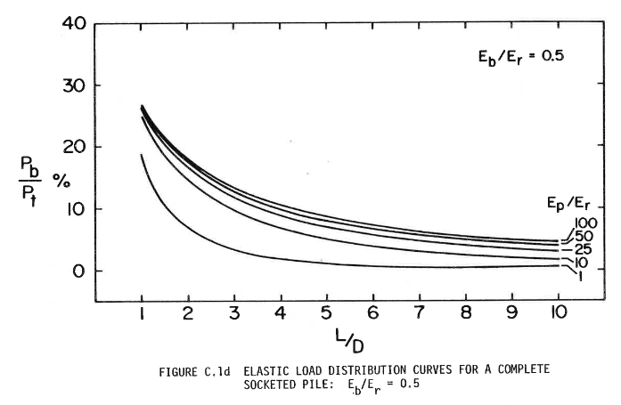
1 |  | 10 |  | 25 |  | 50 |  | 100
x | y | x | y | x | y | x | y | x | y
1 | 18.742511277 | 0.0088579354208 | 24.910177963 | -0.0088570344 | 26.287425341 | 0.0088579354208 | 26.586826548 | 0.026572454731 | 26.886227755
1.0318869457 | 17.964069358 | 0.088573948083 | 23.532930585 | 0.088573948083 | 25.029936618 | 0.079716913683 | 25.688622928 | 0.1062889179 | 25.928140238
1.0797165533 | 16.526944175 | 0.22143487021 | 22.035924551 | 0.18600583159 | 23.832331791 | 0.11514640281 | 25.329337825 | 0.25686480985 | 24.191616894
1.1674052484 | 15.089818991 | 0.38972573197 | 20.299401207 | 0.33658127302 | 22.455090504 | 0.22143487021 | 24.311375549 | 0.39858276637 | 22.934128171
1.2391496598 | 13.772452464 | 0.5314436885 | 18.922153828 | 0.5314436885 | 20.718561069 | 0.27457977967 | 23.712573136 | 0.56687362814 | 21.736523344
1.3985827664 | 11.616766212 | 0.69087706535 | 17.724549002 | 0.74402152431 | 19.041912484 | 0.36315372775 | 22.874250366 | 0.70859158466 | 20.598802413
1.605845886 | 9.5209577647 | 0.87688244643 | 16.227542968 | 0.98317091382 | 17.425147795 | 0.47829968006 | 21.916165896 | 0.84145250679 | 19.760476598
1.8370238094 | 7.9041869844 | 1.1691762949 | 14.431135728 | 1.3374667062 | 15.568859704 | 0.59344563236 | 21.137720931 | 0.99202839873 | 18.982034679
2.1000886785 | 6.5868265479 | 1.4437556241 | 13.113772245 | 1.6740479792 | 14.011975866 | 0.69973455026 | 20.179639506 | 1.1957482991 | 17.784429852
2.315323129 | 5.5089773306 | 1.7626219273 | 11.616766212 | 1.9309123385 | 13.053888349 | 0.81488050257 | 19.34131369 | 1.3640391609 | 16.946104037
2.5146149177 | 4.7904193076 | 2.1346322389 | 10.119760178 | 2.267493161 | 11.796405718 | 0.96545639451 | 18.502993966 | 1.5411870571 | 16.167662117
2.697962828 | 4.2514946989 | 2.5243579709 | 8.8023936503 | 2.5420729407 | 10.958079902 | 1.1337468058 | 17.664668151 | 1.7803364466 | 15.149696796
2.9450842243 | 3.5329305845 | 2.8255093043 | 8.1437103863 | 2.896368733 | 9.9401176267 | 1.2931797321 | 16.766464531 | 1.9574843427 | 14.431135728
3.2958369776 | 2.9341281711 | 3.2595215598 | 7.0059833643 | 3.3215235036 | 9.0419140065 | 1.4437556241 | 15.928141761 | 2.2143491526 | 13.532932107
3.4871570298 | 2.5748430682 | 3.622674837 | 6.347303146 | 3.8086797676 | 8.0239486854 | 1.7006204339 | 14.790417785 | 2.515500486 | 12.694609338
3.742249757 | 2.1556862519 | 3.9858276637 | 5.9281402383 | 4.2072625339 | 7.4251462719 | 2.0194862866 | 13.652690763 | 2.8166518193 | 11.916167418
3.9335694038 | 1.91616285 | 4.402126301 | 5.5089773306 | 4.5615583263 | 6.7664599624 | 2.3472100747 | 12.574847637 | 3.1709476117 | 11.077841603
4.292294299 | 1.6167616432 | 4.9867139979 | 4.4910181009 | 4.9778560625 | 6.2874253412 | 2.6395039232 | 11.497004511 | 3.4720998461 | 10.47903919
4.6350753159 | 1.2574826317 | 5.5624446604 | 3.9520934922 | 5.4827277467 | 5.8083785374 | 2.9583702264 | 10.838321247 | 3.7998227332 | 9.8802367762
4.9698850018 | 1.3173604365 | 6.1204603531 | 3.5928144807 | 6.0053144008 | 5.389221721 | 3.3038085338 | 9.9999984772 | 4.056687543 | 9.4011960637
5.3206381606 | 1.0778370346 | 6.5810450634 | 3.2335293778 | 6.3596101932 | 5.0898205143 | 3.8352526728 | 8.982033156 | 4.446413275 | 8.982033156
5.7112487851 | 0.77843582788 | 7.1567757259 | 2.8143664701 | 6.6430461062 | 4.8502971124 | 4.2604074434 | 8.3233498921 | 4.8449960414 | 8.3233498921
5.9822845797 | 0.77843582788 | 7.7502213583 | 2.6946108605 | 7.1124887519 | 4.4311342047 | 4.6767051796 | 7.7245474787 | 5.2258629369 | 7.9640647892
6.3091229346 | 0.71855802307 | 8.2993791156 | 2.3353257576 | 7.5907875309 | 4.1916168941 | 5.1107169846 | 7.1257450652 | 5.553586725 | 7.5449079729
6.6519039515 | 0.65868021826 | 8.8396807395 | 2.2155640567 | 8.0248002369 | 3.9520934922 | 5.5624446604 | 6.8263438585 | 6.1027453833 | 7.1257450652
7.0026571103 | 0.65868021826 | 9.5217003199 | 2.0958084471 | 8.4676699773 | 3.8922156874 | 6.1116024177 | 6.2874253412 | 6.6341890718 | 6.4670587556
7.3055798506 | 0.47903462116 | 9.9911420646 | 2.0359245509 | 8.8662527437 | 3.7125700903 | 6.6076170676 | 5.8083785374 | 7.2187776698 | 5.8682563422
7.5606729832 | 0.59880241345 |  |  | 9.4331263719 | 3.4730466884 | 7.2187776698 | 5.3293378249 | 7.7767933625 | 5.6287390316
7.9751992225 | 0.59880241345 |  |  | 9.9468550905 | 3.1137676769 | 7.7767933625 | 5.1496983191 | 8.3170949864 | 5.5089773306
8.3100080975 | 0.65868021826 |  |  |  |  | 8.4056689345 | 4.6706515153 | 8.8396807395 | 5.2694539287
8.6448185943 | 0.77843582788 |  |  |  |  | 8.8839677135 | 4.4311342047 | 9.5128432855 | 4.970052722
8.9716561384 | 0.65868021826 |  |  |  |  | 9.4774133459 | 4.2514946989 | 9.9734270948 | 4.970052722
9.3224092972 | 0.71855802307 |  |  |  |  | 9.9645700604 | 4.1916168941
9.6891051179 | 0.77843582788
9.9920278581 | 0.83831972403

C.1e
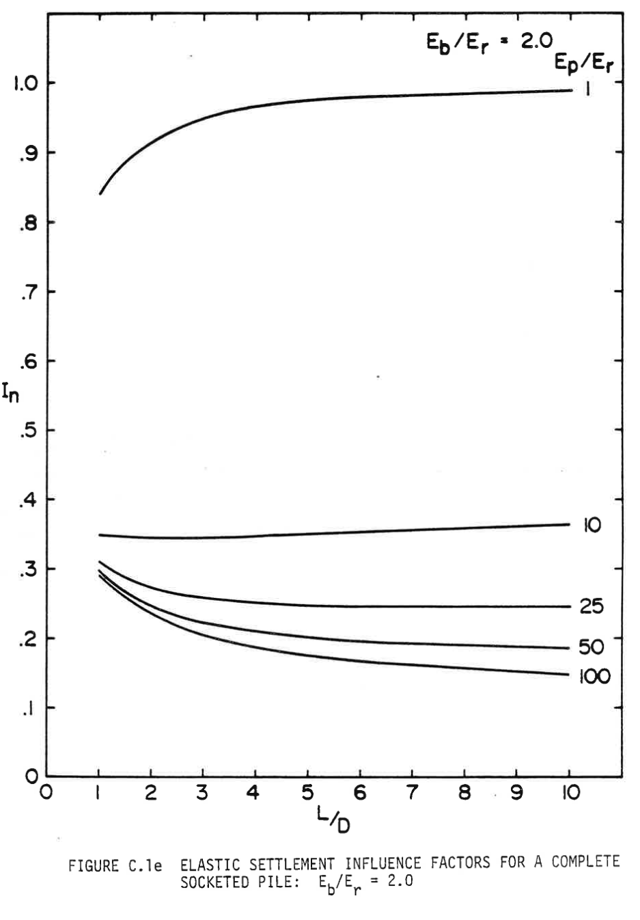
1 |  | 10 |  | 25 |  | 50 |  | 100
x | y | x | y | x | y | x | y | x | y
1.0081463594 | 0.83898304288 | 1.028513035 | 0.34668720294 | 1.0183298914 | 0.30893680687 | 1.0081463594 | 0.29429894977 | 1.0081463594 | 0.2881355982
1.1303460241 | 0.85516179665 | 1.2830955078 | 0.34437599019 | 1.2627288323 | 0.29583975827 | 1.2016291942 | 0.28120184239 | 1.1812625187 | 0.27580895385
1.3543786779 | 0.87134052103 | 1.5784113317 | 0.34206471866 | 1.5478615127 | 0.28505392242 | 1.384928497 | 0.27041600654 | 1.4460285235 | 0.26117092042
1.5274948371 | 0.8890600833 | 1.8940934427 | 0.34206471866 | 1.8533604801 | 0.27426808657 | 1.78207731 | 0.25500768641 | 1.6598776453 | 0.24884439362
1.7617106345 | 0.89907547082 | 2.2505089047 | 0.34206471866 | 2.2301422292 | 0.26656392651 | 2.1690425911 | 0.23574728625 | 1.9551934692 | 0.23728815353
1.9551934692 | 0.91294298244 | 2.7087573558 | 0.34437599019 | 2.6069243667 | 0.26271184647 | 2.6069243667 | 0.22881358921 | 2.2708763571 | 0.2234206419
2.2199590856 | 0.92295839935 | 3.1262724559 | 0.34360552716 | 3.0651728178 | 0.25731884038 | 3.0040731797 | 0.22187983339 | 2.6069243667 | 0.21263480605
2.494908234 | 0.93374419111 | 3.5743377635 | 0.34514639444 | 3.4725047744 | 0.25192606941 | 3.4317714234 | 0.21340526908 | 2.9327903981 | 0.20493064598
2.9022401906 | 0.94453004165 | 4.0427693582 | 0.34668720294 | 3.9816697201 | 0.25115560638 | 3.8594704439 | 0.20955318905 | 3.2892058601 | 0.19645608167
3.2382893655 | 0.95146378277 | 4.5112017298 | 0.34745760719 | 4.4908346658 | 0.24576260029 | 4.3890016767 | 0.20416024173 | 3.6354374016 | 0.1879813998
3.6863538962 | 0.96224960392 | 4.9796333245 | 0.34822807022 | 5.2036655898 | 0.24345144631 | 4.7963336333 | 0.19953763989 | 4.0529532787 | 0.18412931976
4.1038697732 | 0.9668721029 | 5.4378817756 | 0.34899847447 | 5.7128305355 | 0.24191052025 | 5.3971484246 | 0.19568555986 | 4.3584522461 | 0.18027723973
4.5417511604 | 0.97072418293 | 5.9674130084 | 0.34899847447 | 6.2118123377 | 0.24191052025 | 5.7739301736 | 0.19337440589 | 4.8167006972 | 0.17411400572
4.949083117 | 0.97226499144 | 6.4867610976 | 0.35053928298 | 6.6802439324 | 0.24114023356 | 6.2932790398 | 0.19260400163 | 5.3869652811 | 0.16949152144
5.3971484246 | 0.9768875198 | 6.8329934161 | 0.35285055451 | 7.2708755802 | 0.24191052025 | 6.771893778 | 0.1887519216 | 5.9063133703 | 0.1640986329
5.9470467213 | 0.9768875198 | 7.4236250639 | 0.35285055451 | 7.8309570205 | 0.24191052025 | 7.3625254258 | 0.1872111131 | 6.3441955344 | 0.16255776562
6.3543786779 | 0.9799691515 | 7.9022398021 | 0.35439136301 | 8.3401219662 | 0.24114023356 | 7.8615064511 | 0.1872111131 | 6.9144601182 | 0.15870568559
6.8228102726 | 0.98151000409 | 8.3604882533 | 0.35747303879 | 8.7678202098 | 0.24036982931 | 8.2790223281 | 0.18644070885 | 7.3014250108 | 0.15870568559
7.464358415 | 0.98073959984 | 8.8187367044 | 0.35901384729 | 9.2158862944 | 0.24268104206 | 8.8391029915 | 0.18644070885 | 7.8309570205 | 0.15331273828
8.0549892858 | 0.98459167987 | 9.2769851555 | 0.35901384729 | 9.9898160795 | 0.24191052025 | 9.226068661 | 0.18258862882 | 8.3095717587 | 0.15331273828
8.5437879445 | 0.98382123153 | 9.5621178359 | 0.35978431032 |  |  | 9.7759677347 | 0.18335903307 | 8.7474539228 | 0.1510015843
9.0427689697 | 0.98459167987 | 9.9694497925 | 0.36286592732 |  |  | 9.9694497925 | 0.18181816579 | 9.226068661 | 0.14869031277
9.5213852618 | 0.98536208412 |  |  |  |  |  |  | 9.5723017564 | 0.14637904124
10.010182367 | 0.98767331157 |  |  |  |  |  |  | 9.9694497925 | 0.14637904124

C.1f
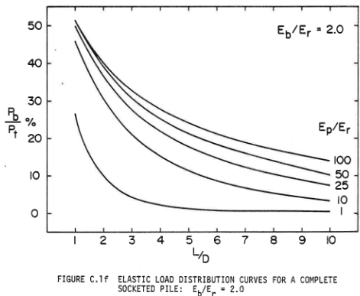
1 |  | 10 |  | 25 |  | 50 |  | 100
x | y | x | y | x | y | x | y | x | y
0.97269988433 | 26.506846301 | 0.98180007717 | 45.753423412 | 0.98180007717 | 49.726028104 | 1.0248164273 | 51.373282708 | 1.0082722476 | 51.49812475
1.0273005785 | 24.589039543 | 1.0819008099 | 43.63013686 | 1.1456016969 | 46.986302172 | 1.1571692339 | 49.500623496 | 1.0909928306 | 50.37453208
1.1183015812 | 22.534245094 | 1.2002023911 | 41.780820462 | 1.3094033166 | 44.863013878 | 1.2977942882 | 47.503121051 | 1.2564339967 | 48.439450657
1.2093025839 | 19.863013007 | 1.3185035094 | 39.657535652 | 1.482305592 | 42.397261584 | 1.4797796339 | 45.318351971 | 1.4549632066 | 45.942571708
1.3640040108 | 17.465752816 | 1.4368050907 | 37.602741203 | 1.6825075202 | 39.931504065 | 1.6204043726 | 43.383269357 | 1.653492732 | 43.820223649
1.5187059005 | 14.931508419 | 1.6188070961 | 35.068489839 | 1.8554093328 | 37.739725409 | 1.7610294268 | 41.510610145 | 1.8520222575 | 41.635454569
1.7189078287 | 12.671232435 | 1.7826087158 | 33.01369539 | 2.0647119167 | 35.547946754 | 1.9512867047 | 39.575529912 | 2.0422795353 | 40.012484204
1.8827099113 | 10.958903728 | 1.9555105283 | 30.89041058 | 2.3286151948 | 32.945205028 | 2.1746323419 | 37.453181853 | 2.2490809929 | 38.139824993
2.1102124181 | 8.9041092788 | 2.1284128037 | 28.904106492 | 2.6289183186 | 30.205479097 | 2.3814337995 | 35.518096857 | 2.4889708098 | 36.267165781
2.3741156962 | 7.2602709327 | 2.3468151176 | 26.369862095 | 2.947421828 | 27.739725061 | 2.6295955485 | 33.395753561 | 2.7040441994 | 34.706616438
2.6653186271 | 5.5479422252 | 2.5561177016 | 24.452051852 | 3.2932254531 | 25.616436767 | 2.8943017928 | 31.398252307 | 2.9522059485 | 33.083643692
2.9838221365 | 4.3835642781 | 2.7654198226 | 22.602738939 | 3.6390290783 | 23.698630008 | 3.1507354739 | 29.650435137 | 3.1259190466 | 32.084888303
3.3387259545 | 3.4931477762 | 2.9929223294 | 20.958904076 | 4.0485340532 | 21.575341714 | 3.4154410871 | 28.214730218 | 3.4154410871 | 30.461922701
3.6936302353 | 2.8082162933 | 3.2477249518 | 19.178081524 | 4.4034374083 | 19.999997213 | 3.7380514871 | 26.591759854 | 3.6801473315 | 29.151059824
3.9757329734 | 2.1917821391 | 3.5116282299 | 17.671234351 | 4.8038421905 | 18.219178144 | 4.0275735277 | 25.218473574 | 4.0275735277 | 27.715350142
4.5490395681 | 1.6438383462 | 3.8119313537 | 16.09588985 | 5.3862489781 | 16.438355592 | 4.2922791409 | 23.9700341 | 4.4080880833 | 26.279649985
4.9676447359 | 1.0958875858 | 4.1759349016 | 14.178076124 | 5.9959549556 | 14.657533039 | 4.6314340361 | 22.409484757 | 4.6976101239 | 25.218473574
5.5136507521 | 0.89040953439 | 4.6036407251 | 12.465747416 | 6.4782610104 | 13.42465428 | 4.9374999408 | 21.598001956 | 5.0863972427 | 23.9700341
5.9686548399 | 0.68493148299 | 4.9403436945 | 11.506847521 | 6.9878662553 | 12.260276332 | 5.3097425644 | 20.224715676 | 5.4007350795 | 22.908862452
6.5055611261 | 0.47945343159 | 5.5227504821 | 9.6575311231 | 7.5156718858 | 11.369859831 | 5.6654413238 | 19.413232876 | 5.7481619068 | 21.910111824
6.9605661396 | 0.4109561028 | 6.0141553412 | 8.6301338987 | 7.8523757809 | 10.616437986 | 6.0294113842 | 18.352056465 | 6.087316171 | 21.098624261
7.5429720014 | 0.47945343159 | 6.5692620131 | 7.2602709327 | 8.3983827228 | 9.7945188132 | 6.4761026587 | 17.228463795 | 6.4761026587 | 20.099873634
7.979777555 | 0.47945343159 | 6.9696658696 | 6.7808244686 | 8.944388739 | 8.9041092788 | 6.8566172143 | 16.541823037 | 6.7987130587 | 19.413232876
8.4984834555 | 0.4109561028 | 7.6157735442 | 5.8219176054 | 9.4994944852 | 8.013692777 | 7.2536762652 | 15.605493431 | 7.2371324011 | 18.726592117
9.0080887003 | 0.47945343159 | 7.9706768993 | 5.3424641738 | 9.936299113 | 7.5342463129 | 7.7582716954 | 14.419474978 | 7.625920151 | 17.727836728
9.5358952565 | 0.54794379289 | 8.4802830698 | 4.8630107422 |  |  | 8.213234902 | 13.607987414 | 8.130514319 | 16.791507122
9.9635992286 | 0.47945343159 | 8.953488469 | 4.5205450007 |  |  | 8.7012870991 | 12.546815766 | 8.5441172341 | 16.042445342
 |  | 9.5176939451 | 3.4931477762 |  |  | 9.0818010237 | 11.797749224 | 8.941176285 | 15.667914452
 |  | 9.936299113 | 3.4931477762 |  |  | 9.4705875114 | 11.173529487 | 9.272058617 | 15.230957779
 |  |  |  |  |  | 9.9834561358 | 10.174778859 | 9.6277573764 | 14.794005867
 |  |  |  |  |  |  |  | 9.9503671453 | 14.044944088

C.1g
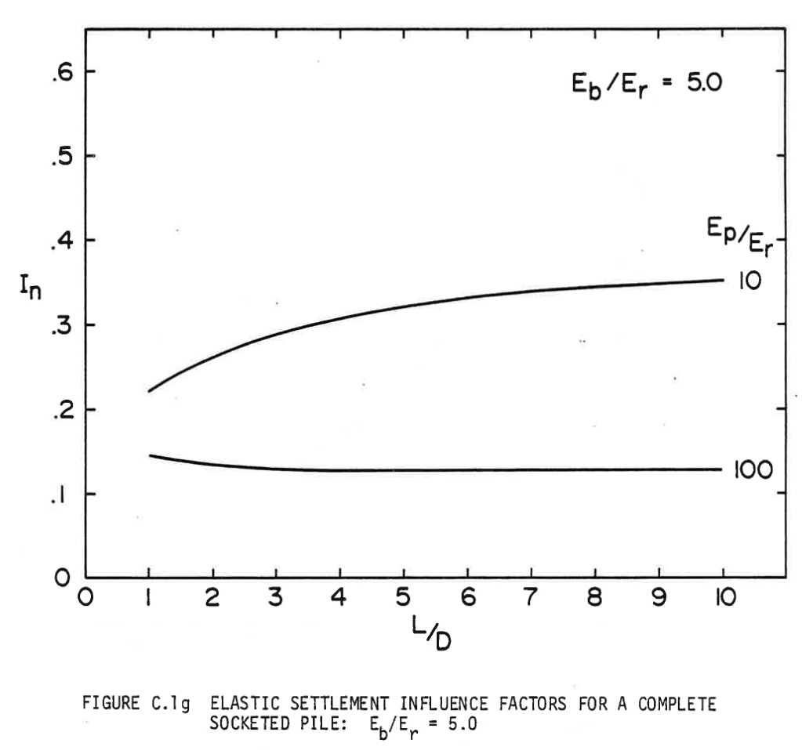
10 |  | 100
x | y | x | y
0.98845831408 | 0.22024817592 | 1.0196584244 | 0.1453951134
1.1704571064 | 0.22886999986 | 1.3524558988 | 0.14108422137
1.4148555906 | 0.23905944264 | 1.7268535203 | 0.13638144455
1.690454185 | 0.25042453977 | 2.0700515604 | 0.13363809163
1.9764522873 | 0.25904636371 | 2.444449182 | 0.13246243729
2.3664496995 | 0.2704115007 | 2.8552466677 | 0.12893531482
2.6680475925 | 0.27903328477 | 3.2608433417 | 0.12736769597
2.9332461502 | 0.28726318406 | 3.6612413196 | 0.12736769597
3.3544431438 | 0.29549312322 | 3.9316396312 | 0.12775958075
3.6768405814 | 0.29980405512 | 4.3788364523 | 0.12697581119
3.994038794 | 0.30607445078 | 4.7168342096 | 0.12658392641
4.3164362316 | 0.31116915224 | 5.0184315736 | 0.12736769597
4.7064336438 | 0.31704766313 | 5.398029478 | 0.12697581119
5.1120313757 | 0.32135859503 | 5.8660263726 | 0.12580007712
5.5904277782 | 0.32723710591 | 6.3912226762 | 0.12736769597
6.0012252639 | 0.33193988273 | 6.8904191522 | 0.12736769597
6.3704226026 | 0.33507512043 | 7.4728159225 | 0.12658392641
6.7188209256 | 0.33625077476 | 7.9668126447 | 0.12658392641
7.1036185839 | 0.33977789724 | 8.4816094404 | 0.12619200176
7.4624153568 | 0.34095363131 | 8.9184067536 | 0.12697581119
7.8264129415 | 0.34291313494 | 9.4592023189 | 0.12815150539
8.2164103537 | 0.34526452335 | 9.9687993607 | 0.12815150539
8.5596089228 | 0.34487261863
9.00160599 | 0.34761593169
9.3812028364 | 0.35035924474
9.7348009133 | 0.35153493894
9.9687993607 | 0.35192682372

C.2a
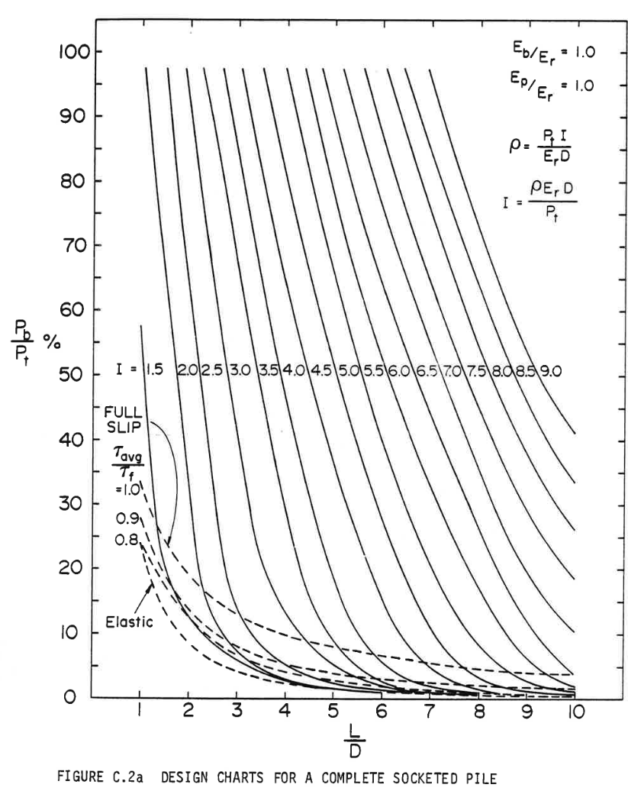

Coding Burning Heap
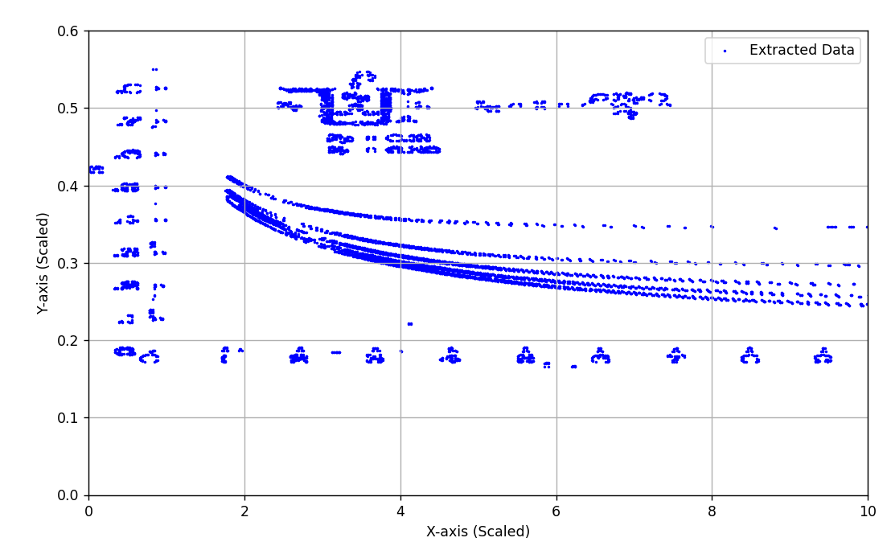
Curve 1 |  | Curve 2 |  | Curve 3 |  | Curve 4 |  | Curve 5 |  | import cv2
X_Value | Y_Value | X_Value | Y_Value | X_Value | Y_Value | X_Value | Y_Value | X_Value | Y_Value | import numpy as np
1.63 | 0.492 | 1.473 | 0.506 | 1.05 | 0.563 | 1.05 | 0.591 | 1.066 | 0.639 | import matplotlib.pyplot as plt
1.661 | 0.489 | 1.489 | 0.505 | 1.066 | 0.562 | 1.066 | 0.592 | 1.066 | 0.635 | import pandas as pd
1.661 | 0.488 | 1.489 | 0.503 | 1.066 | 0.572 | 1.066 | 0.588 | 1.066 | 0.638
1.693 | 0.485 | 1.505 | 0.501 | 1.066 | 0.559 | 1.066 | 0.593 | 1.082 | 0.634 | # Step 1: Load the image
1.693 | 0.486 | 1.505 | 0.502 | 1.066 | 0.565 | 1.066 | 0.589 | 1.082 | 0.639 | image_path = r"c:\Users\a.bodimeade.RFA\OneDrive - Redfox Advisory\Documents\Alec's Work Documents\Tristan's Work\Diagrams to Coordinates\Pictured Graphs\Figure C.1a.png"
1.708 | 0.482 | 1.552 | 0.495 | 1.066 | 0.574 | 1.082 | 0.584 | 1.082 | 0.632 | image = cv2.imread(image_path, cv2.IMREAD_GRAYSCALE)
1.708 | 0.484 | 1.552 | 0.497 | 1.082 | 0.558 | 1.082 | 0.593 | 1.097 | 0.631
1.74 | 0.478 | 1.583 | 0.492 | 1.082 | 0.557 | 1.082 | 0.587 | 1.097 | 0.64 | if image is None:
1.74 | 0.48 | 1.583 | 0.493 | 1.082 | 0.574 | 1.097 | 0.583 | 1.097 | 0.632 | print("Error: Image not found. Check the file path.")
1.771 | 0.477 | 1.614 | 0.489 | 1.097 | 0.574 | 1.097 | 0.593 | 1.113 | 0.63 | exit()
1.771 | 0.476 | 1.614 | 0.488 | 1.097 | 0.553 | 1.097 | 0.581 | 1.113 | 0.628
1.818 | 0.471 | 1.63 | 0.488 | 1.097 | 0.555 | 1.113 | 0.591 | 1.129 | 0.628 | # Step 2: Preprocess the image
1.818 | 0.472 | 1.63 | 0.486 | 1.113 | 0.572 | 1.113 | 0.592 | 1.129 | 0.638 | _, thresholded = cv2.threshold(image, 128, 255, cv2.THRESH_BINARY_INV)
1.834 | 0.471 | 1.646 | 0.485 | 1.113 | 0.574 | 1.113 | 0.579 | 1.129 | 0.627 | edges = cv2.Canny(thresholded, 50, 150)
1.834 | 0.469 | 1.646 | 0.484 | 1.113 | 0.55 | 1.113 | 0.58 | 1.129 | 0.636
1.85 | 0.468 | 1.677 | 0.481 | 1.113 | 0.551 | 1.129 | 0.579 | 1.144 | 0.634 | # Step 3: Detect contours
1.85 | 0.467 | 1.677 | 0.482 | 1.129 | 0.548 | 1.129 | 0.588 | 1.144 | 0.626 | contours, _ = cv2.findContours(edges, cv2.RETR_EXTERNAL, cv2.CHAIN_APPROX_SIMPLE)
1.975 | 0.458 | 1.693 | 0.48 | 1.129 | 0.57 | 1.129 | 0.589 | 1.144 | 0.635 | print(f"Contours found: {len(contours)}")
1.975 | 0.456 | 1.693 | 0.478 | 1.129 | 0.549 | 1.129 | 0.578 | 1.144 | 0.625
2.006 | 0.454 | 1.724 | 0.476 | 1.129 | 0.571 | 1.144 | 0.587 | 1.16 | 0.622 | # Step 4: Map contours to coordinates
2.022 | 0.454 | 1.724 | 0.475 | 1.129 | 0.55 | 1.144 | 0.575 | 1.16 | 0.631 | coordinates = []
2.022 | 0.452 | 1.755 | 0.473 | 1.144 | 0.544 | 1.144 | 0.576 | 1.16 | 0.623 | for contour in contours:
2.038 | 0.45 | 1.755 | 0.472 | 1.144 | 0.567 | 1.144 | 0.585 | 1.16 | 0.632 | for point in contour:
2.038 | 0.451 | 1.771 | 0.471 | 1.144 | 0.546 | 1.16 | 0.574 | 1.176 | 0.619 | x_pixel, y_pixel = point[0]
2.069 | 0.447 | 1.771 | 0.469 | 1.144 | 0.568 | 1.16 | 0.583 | 1.176 | 0.628 | x_graph = x_pixel / image.shape[1] * 10 # Adjust X-axis mapping
2.085 | 0.447 | 1.787 | 0.468 | 1.16 | 0.566 | 1.16 | 0.584 | 1.176 | 0.621 | y_graph = (1 - y_pixel / image.shape[0]) # Adjust Y-axis mapping
2.1 | 0.446 | 1.787 | 0.469 | 1.16 | 0.567 | 1.16 | 0.572 | 1.176 | 0.63 | coordinates.append((x_graph, y_graph))
2.116 | 0.446 | 1.803 | 0.467 | 1.16 | 0.541 | 1.176 | 0.581 | 1.191 | 0.627
2.116 | 0.445 | 1.803 | 0.465 | 1.16 | 0.542 | 1.176 | 0.57 | 1.191 | 0.619 | # Limit the number of points for processing
2.147 | 0.442 | 1.85 | 0.462 | 1.176 | 0.565 | 1.176 | 0.571 | 1.191 | 0.626 | max_points = 1000
2.163 | 0.442 | 1.85 | 0.463 | 1.176 | 0.538 | 1.176 | 0.58 | 1.191 | 0.618 | coordinates = coordinates[:max_points]
2.32 | 0.428 | 1.865 | 0.459 | 1.176 | 0.54 | 1.191 | 0.568 | 1.207 | 0.615
2.335 | 0.428 | 1.865 | 0.46 | 1.176 | 0.563 | 1.191 | 0.578 | 1.207 | 0.625 | if not coordinates:
2.351 | 0.426 | 1.928 | 0.454 | 1.191 | 0.537 | 1.191 | 0.579 | 1.207 | 0.617 | print("No coordinates were extracted. Check preprocessing or image quality.")
2.367 | 0.426 | 1.928 | 0.455 | 1.191 | 0.561 | 1.191 | 0.567 | 1.207 | 0.626 | exit()
2.429 | 0.42 | 1.944 | 0.452 | 1.191 | 0.536 | 1.207 | 0.567 | 1.223 | 0.614
2.445 | 0.42 | 1.944 | 0.451 | 1.191 | 0.562 | 1.207 | 0.576 | 1.223 | 0.623 | # Extract X and Y data
2.461 | 0.419 | 2.006 | 0.446 | 1.207 | 0.559 | 1.207 | 0.565 | 1.223 | 0.613 | x_data, y_data = zip(*coordinates)
2.476 | 0.419 | 2.006 | 0.447 | 1.207 | 0.533 | 1.207 | 0.566 | 1.223 | 0.622
2.476 | 0.417 | 2.022 | 0.445 | 1.207 | 0.535 | 1.207 | 0.575 | 1.238 | 0.61 | # Step 5: Plot extracted points (subsampling for speed)
2.492 | 0.417 | 2.022 | 0.443 | 1.207 | 0.558 | 1.223 | 0.575 | 1.238 | 0.619 | plt.scatter(x_data, y_data, label="Extracted Points", color="blue", s=2) # Smaller points
2.508 | 0.416 | 2.398 | 0.412 | 1.223 | 0.555 | 1.223 | 0.562 | 1.238 | 0.611 | plt.xlabel("X-axis (Scaled)")
2.524 | 0.416 | 2.414 | 0.412 | 1.223 | 0.529 | 1.223 | 0.563 | 1.238 | 0.621 | plt.ylabel("Y-axis (Scaled)")
2.571 | 0.411 | 2.429 | 0.411 | 1.223 | 0.557 | 1.223 | 0.572 | 1.254 | 0.618
2.586 | 0.411 | 2.445 | 0.411 | 1.223 | 0.532 | 1.223 | 0.574 | 1.254 | 0.619 | # Remove the axis lines but keep the ticks and labels
2.602 | 0.409 | 2.445 | 0.409 | 1.238 | 0.528 | 1.238 | 0.571 | 1.27 | 0.608 | plt.gca().spines['top'].set_visible(False)
2.618 | 0.409 | 2.461 | 0.408 | 1.238 | 0.554 | 1.238 | 0.561 | 1.27 | 0.617 | plt.gca().spines['right'].set_visible(False)
2.633 | 0.407 | 2.461 | 0.407 | 1.238 | 0.555 | 1.238 | 0.57 | 1.27 | 0.609 | plt.gca().spines['left'].set_visible(False)
2.649 | 0.407 | 2.476 | 0.407 | 1.238 | 0.553 | 1.238 | 0.562 | 1.27 | 0.615 | plt.gca().spines['bottom'].set_visible(False)
2.665 | 0.405 | 2.492 | 0.405 | 1.238 | 0.527 | 1.254 | 0.558 | 1.285 | 0.605
2.68 | 0.405 | 2.508 | 0.405 | 1.254 | 0.524 | 1.254 | 0.567 | 1.285 | 0.614 | plt.grid() # Optional, adds gridlines
2.696 | 0.403 | 2.539 | 0.402 | 1.254 | 0.525 | 1.254 | 0.559 | 1.285 | 0.606 | plt.legend()
2.712 | 0.403 | 2.555 | 0.402 | 1.254 | 0.55 | 1.254 | 0.568 | 1.285 | 0.615 | plt.show()
2.727 | 0.402 | 2.571 | 0.4 | 1.254 | 0.551 | 1.27 | 0.557 | 1.301 | 0.611
2.743 | 0.402 | 2.586 | 0.4 | 1.27 | 0.549 | 1.27 | 0.566 | 1.301 | 0.604 | # Step 6: Export coordinates to Excel
2.743 | 0.4 | 2.633 | 0.395 | 1.27 | 0.523 | 1.27 | 0.555 | 1.301 | 0.613 | data_to_export = {"X Values": x_data, "Y Values": y_data}
2.759 | 0.4 | 2.649 | 0.395 | 1.27 | 0.524 | 1.27 | 0.565 | 1.301 | 0.605 | df = pd.DataFrame(data_to_export)
2.774 | 0.399 | 2.665 | 0.394 | 1.27 | 0.55 | 1.285 | 0.554 | 1.317 | 0.601
2.79 | 0.399 | 2.68 | 0.392 | 1.285 | 0.52 | 1.285 | 0.563 | 1.317 | 0.61 | # Save to Excel file (local directory to avoid cloud sync delays)
2.806 | 0.398 | 2.68 | 0.394 | 1.285 | 0.522 | 1.285 | 0.555 | 1.317 | 0.602 | output_path = r"C:\Temp\coordinates_output.xlsx"
2.821 | 0.398 | 2.696 | 0.392 | 1.285 | 0.546 | 1.285 | 0.565 | 1.317 | 0.611 | df.to_excel(output_path, index=False, engine="openpyxl")
2.837 | 0.396 | 2.712 | 0.391 | 1.285 | 0.548 | 1.301 | 0.551 | 1.332 | 0.6
2.853 | 0.396 | 2.727 | 0.391 | 1.301 | 0.518 | 1.301 | 0.561 | 1.332 | 0.609 | print(f"Coordinates have been saved to: {output_path}")
2.884 | 0.392 | 2.743 | 0.389 | 1.301 | 0.544 | 1.301 | 0.553 | 1.332 | 0.601
2.9 | 0.392 | 2.759 | 0.389 | 1.301 | 0.545 | 1.301 | 0.562 | 1.332 | 0.608
2.915 | 0.391 | 2.774 | 0.387 | 1.301 | 0.519 | 1.317 | 0.549 | 1.348 | 0.605
2.931 | 0.391 | 2.79 | 0.387 | 1.317 | 0.541 | 1.317 | 0.558 | 1.348 | 0.597
2.947 | 0.39 | 2.821 | 0.383 | 1.317 | 0.515 | 1.317 | 0.55 | 1.348 | 0.606
2.962 | 0.39 | 2.837 | 0.383 | 1.317 | 0.542 | 1.317 | 0.559 | 1.348 | 0.598
2.962 | 0.389 | 2.853 | 0.382 | 1.317 | 0.516 | 1.332 | 0.548 | 1.364 | 0.596
2.978 | 0.389 | 2.868 | 0.382 | 1.332 | 0.514 | 1.332 | 0.557 | 1.364 | 0.597
2.994 | 0.387 | 2.868 | 0.381 | 1.332 | 0.511 | 1.332 | 0.558 | 1.379 | 0.595
3.009 | 0.387 | 2.884 | 0.381 | 1.348 | 0.54 | 1.332 | 0.546 | 1.379 | 0.604
3.009 | 0.386 | 2.9 | 0.379 | 1.348 | 0.538 | 1.348 | 0.545 | 1.379 | 0.593
3.025 | 0.386 | 2.915 | 0.379 | 1.348 | 0.508 | 1.348 | 0.554 | 1.379 | 0.602
3.041 | 0.386 | 2.915 | 0.378 | 1.348 | 0.51 | 1.348 | 0.546 | 1.395 | 0.6
3.056 | 0.385 | 2.931 | 0.378 | 1.364 | 0.508 | 1.348 | 0.555 | 1.395 | 0.601
3.072 | 0.385 | 2.947 | 0.377 | 1.364 | 0.536 | 1.364 | 0.551 | 1.411 | 0.598
3.088 | 0.382 | 2.962 | 0.377 | 1.364 | 0.506 | 1.364 | 0.544 | 1.411 | 0.591
3.103 | 0.382 | 2.978 | 0.375 | 1.364 | 0.507 | 1.364 | 0.553 | 1.411 | 0.6
3.119 | 0.382 | 2.994 | 0.375 | 1.364 | 0.537 | 1.364 | 0.542 | 1.411 | 0.592
3.135 | 0.381 | 2.994 | 0.374 | 1.379 | 0.505 | 1.379 | 0.54 | 1.426 | 0.596
3.15 | 0.381 | 3.009 | 0.374 | 1.379 | 0.533 | 1.379 | 0.541 | 1.426 | 0.588
3.15 | 0.379 | 3.025 | 0.373 | 1.379 | 0.503 | 1.379 | 0.55 | 1.426 | 0.597
3.166 | 0.379 | 3.041 | 0.373 | 1.379 | 0.535 | 1.379 | 0.551 | 1.426 | 0.589
3.182 | 0.378 | 3.041 | 0.372 | 1.395 | 0.531 | 1.395 | 0.54 | 1.458 | 0.595
3.197 | 0.378 | 3.056 | 0.372 | 1.395 | 0.532 | 1.395 | 0.549 | 1.458 | 0.593
3.213 | 0.377 | 3.072 | 0.37 | 1.395 | 0.502 | 1.395 | 0.538 | 1.473 | 0.592
3.229 | 0.375 | 3.088 | 0.37 | 1.395 | 0.503 | 1.395 | 0.548 | 1.473 | 0.584
3.229 | 0.377 | 3.088 | 0.369 | 1.411 | 0.499 | 1.411 | 0.546 | 1.473 | 0.585
3.245 | 0.375 | 3.103 | 0.369 | 1.411 | 0.529 | 1.411 | 0.536 | 1.473 | 0.591
3.26 | 0.374 | 3.119 | 0.368 | 1.411 | 0.501 | 1.411 | 0.545 | 1.489 | 0.581
3.276 | 0.374 | 3.135 | 0.366 | 1.411 | 0.528 | 1.411 | 0.537 | 1.489 | 0.583
3.292 | 0.373 | 3.135 | 0.368 | 1.426 | 0.497 | 1.426 | 0.542 | 1.536 | 0.585
3.307 | 0.373 | 3.15 | 0.366 | 1.426 | 0.525 | 1.426 | 0.535 | 1.536 | 0.587
3.323 | 0.372 | 3.166 | 0.365 | 1.426 | 0.527 | 1.426 | 0.544 | 1.552 | 0.583
3.339 | 0.372 | 3.182 | 0.365 | 1.426 | 0.498 | 1.426 | 0.536 | 1.552 | 0.584
3.354 | 0.37 | 3.197 | 0.364 | 1.442 | 0.525 | 1.442 | 0.542 | 1.583 | 0.574
3.37 | 0.37 | 3.213 | 0.364 | 1.442 | 0.495 | 1.442 | 0.532 | 1.583 | 0.575
3.386 | 0.369 | 3.229 | 0.362 | 1.442 | 0.497 | 1.442 | 0.541 | 1.599 | 0.571
3.401 | 0.369 | 3.245 | 0.362 | 1.442 | 0.524 | 1.442 | 0.533 | 1.599 | 0.572
3.417 | 0.368 | 3.245 | 0.361 | 1.458 | 0.522 | 1.458 | 0.538 | 1.693 | 0.572
3.433 | 0.368 | 3.26 | 0.361 | 1.458 | 0.523 | 1.458 | 0.531 | 1.693 | 0.571
3.448 | 0.366 | 3.276 | 0.36 | 1.458 | 0.493 | 1.458 | 0.54 | 1.708 | 0.568
3.464 | 0.366 | 3.292 | 0.359 | 1.458 | 0.494 | 1.458 | 0.532 | 1.708 | 0.57
3.48 | 0.365 | 3.292 | 0.36 | 1.473 | 0.52 | 1.473 | 0.528 | 1.724 | 0.568
3.495 | 0.365 | 3.307 | 0.359 | 1.473 | 0.49 | 1.473 | 0.529 | 1.755 | 0.565
3.511 | 0.364 | 3.323 | 0.357 | 1.473 | 0.522 | 1.489 | 0.536 | 1.755 | 0.566
3.527 | 0.364 | 3.339 | 0.357 | 1.473 | 0.492 | 1.489 | 0.537 | 1.771 | 0.563
3.542 | 0.362 | 3.354 | 0.356 | 1.489 | 0.519 | 1.505 | 0.533 | 1.771 | 0.557
3.574 | 0.362 | 3.37 | 0.356 | 1.489 | 0.518 | 1.505 | 0.525 | 1.787 | 0.557
3.589 | 0.361 | 3.386 | 0.355 | 1.489 | 0.488 | 1.505 | 0.535 | 1.787 | 0.563
3.605 | 0.361 | 3.401 | 0.355 | 1.489 | 0.489 | 1.505 | 0.527 | 1.803 | 0.562
3.621 | 0.36 | 3.417 | 0.353 | 1.505 | 0.515 | 1.52 | 0.523 | 1.803 | 0.555
3.636 | 0.36 | 3.433 | 0.353 | 1.505 | 0.516 | 1.52 | 0.532 | 1.818 | 0.562
3.652 | 0.359 | 3.448 | 0.352 | 1.505 | 0.486 | 1.52 | 0.524 | 1.818 | 0.555
3.668 | 0.359 | 3.464 | 0.352 | 1.505 | 0.488 | 1.52 | 0.533 | 1.834 | 0.553
3.683 | 0.357 | 3.48 | 0.351 | 1.52 | 0.514 | 1.536 | 0.529 | 1.85 | 0.553
3.699 | 0.357 | 3.495 | 0.351 | 1.52 | 0.484 | 1.536 | 0.531 | 1.85 | 0.558
3.715 | 0.356 | 3.511 | 0.349 | 1.52 | 0.515 | 1.552 | 0.52 | 1.865 | 0.551
3.746 | 0.356 | 3.527 | 0.349 | 1.52 | 0.485 | 1.552 | 0.522 | 1.865 | 0.558
3.762 | 0.355 | 3.542 | 0.348 | 1.536 | 0.481 | 1.567 | 0.528 | 1.881 | 0.551
3.777 | 0.355 | 3.558 | 0.348 | 1.536 | 0.511 | 1.567 | 0.518 | 1.881 | 0.557
3.793 | 0.353 | 3.574 | 0.347 | 1.536 | 0.512 | 1.567 | 0.527 | 1.897 | 0.557
3.824 | 0.353 | 3.589 | 0.347 | 1.536 | 0.482 | 1.567 | 0.519 | 1.897 | 0.549
3.84 | 0.352 | 3.605 | 0.346 | 1.552 | 0.48 | 1.583 | 0.525 | 1.912 | 0.549
3.871 | 0.352 | 3.621 | 0.346 | 1.552 | 0.481 | 1.583 | 0.524 | 1.928 | 0.548
3.887 | 0.351 | 3.636 | 0.344 | 1.552 | 0.511 | 1.599 | 0.523 | 1.928 | 0.553
3.903 | 0.351 | 3.652 | 0.344 | 1.552 | 0.51 | 1.599 | 0.524 | 1.944 | 0.548
3.918 | 0.349 | 3.668 | 0.343 | 1.567 | 0.507 | 1.614 | 0.514 | 1.944 | 0.553
3.934 | 0.349 | 3.683 | 0.343 | 1.567 | 0.477 | 1.614 | 0.515 | 1.959 | 0.551
3.95 | 0.348 | 3.699 | 0.342 | 1.567 | 0.478 | 1.614 | 0.52 | 1.959 | 0.545
3.981 | 0.348 | 3.73 | 0.342 | 1.567 | 0.508 | 1.614 | 0.522 | 1.975 | 0.551
3.997 | 0.347 | 3.746 | 0.34 | 1.583 | 0.506 | 1.661 | 0.508 | 1.975 | 0.545
4.013 | 0.347 | 3.762 | 0.34 | 1.583 | 0.507 | 1.661 | 0.51 | 1.991 | 0.544
4.028 | 0.346 | 3.762 | 0.339 | 1.599 | 0.476 | 1.677 | 0.516 | 1.991 | 0.549
4.06 | 0.346 | 3.777 | 0.339 | 1.599 | 0.503 | 1.677 | 0.515 | 2.006 | 0.542
4.075 | 0.344 | 3.793 | 0.338 | 1.599 | 0.475 | 1.693 | 0.507 | 2.006 | 0.544
4.091 | 0.344 | 3.824 | 0.338 | 1.599 | 0.505 | 1.693 | 0.512 | 2.006 | 0.549
4.107 | 0.343 | 3.84 | 0.336 | 1.614 | 0.502 | 1.693 | 0.514 | 2.022 | 0.542
4.154 | 0.343 | 3.856 | 0.336 | 1.614 | 0.472 | 1.693 | 0.506 | 2.022 | 0.548
4.169 | 0.342 | 3.871 | 0.335 | 1.614 | 0.503 | 1.708 | 0.511 | 2.038 | 0.541
4.185 | 0.342 | 3.887 | 0.335 | 1.614 | 0.473 | 1.708 | 0.503 | 2.038 | 0.546
4.201 | 0.34 | 3.903 | 0.334 | 1.63 | 0.499 | 1.708 | 0.512 | 2.038 | 0.548
4.232 | 0.34 | 3.918 | 0.334 | 1.63 | 0.501 | 1.708 | 0.505 | 2.053 | 0.546
4.248 | 0.339 | 3.934 | 0.332 | 1.63 | 0.471 | 1.724 | 0.508 | 2.053 | 0.541
4.279 | 0.339 | 3.95 | 0.332 | 1.63 | 0.472 | 1.724 | 0.51 | 2.069 | 0.545
4.295 | 0.338 | 3.966 | 0.331 | 1.646 | 0.468 | 1.787 | 0.497 | 2.069 | 0.538
4.326 | 0.338 | 3.997 | 0.331 | 1.646 | 0.498 | 1.787 | 0.498 | 2.085 | 0.538
4.342 | 0.336 | 4.013 | 0.33 | 1.646 | 0.499 | 1.803 | 0.494 | 2.085 | 0.545
4.373 | 0.336 | 4.028 | 0.329 | 1.646 | 0.469 | 1.803 | 0.495 | 2.1 | 0.542
4.389 | 0.335 | 4.028 | 0.33 | 1.661 | 0.495 | 1.85 | 0.498 | 2.1 | 0.537
4.42 | 0.335 | 4.044 | 0.329 | 1.661 | 0.497 | 1.85 | 0.499 | 2.116 | 0.542
4.436 | 0.334 | 4.06 | 0.329 | 1.661 | 0.467 | 1.865 | 0.489 | 2.116 | 0.536
4.467 | 0.334 | 4.075 | 0.327 | 1.661 | 0.468 | 1.881 | 0.495 | 2.116 | 0.537
4.483 | 0.332 | 4.107 | 0.327 | 1.677 | 0.464 | 1.881 | 0.489 | 2.132 | 0.536
4.498 | 0.332 | 4.122 | 0.326 | 1.677 | 0.465 | 1.897 | 0.495 | 2.132 | 0.541
4.514 | 0.331 | 4.138 | 0.326 | 1.693 | 0.462 | 1.912 | 0.493 | 2.147 | 0.541
4.561 | 0.331 | 4.154 | 0.325 | 1.693 | 0.493 | 1.912 | 0.494 | 2.147 | 0.535
4.577 | 0.33 | 4.169 | 0.325 | 1.693 | 0.463 | 1.928 | 0.492 | 2.147 | 0.54
4.608 | 0.33 | 4.185 | 0.323 | 1.693 | 0.494 | 1.928 | 0.49 | 2.163 | 0.533
4.624 | 0.329 | 4.216 | 0.323 | 1.708 | 0.49 | 1.944 | 0.489 | 2.163 | 0.535
4.671 | 0.329 | 4.232 | 0.322 | 1.708 | 0.492 | 1.959 | 0.482 | 2.163 | 0.54
4.687 | 0.327 | 4.263 | 0.322 | 1.74 | 0.489 | 1.959 | 0.489 | 2.179 | 0.533
4.718 | 0.327 | 4.279 | 0.321 | 1.74 | 0.459 | 1.975 | 0.482 | 2.179 | 0.538
4.734 | 0.326 | 4.295 | 0.321 | 1.74 | 0.458 | 1.975 | 0.488 | 2.194 | 0.532
4.765 | 0.326 | 4.31 | 0.319 | 1.74 | 0.488 | 1.991 | 0.488 | 2.194 | 0.538
4.781 | 0.325 | 4.326 | 0.319 | 1.755 | 0.455 | 2.085 | 0.472 | 2.21 | 0.531
4.828 | 0.325 | 4.342 | 0.318 | 1.755 | 0.486 | 2.1 | 0.472 | 2.21 | 0.532
4.843 | 0.323 | 4.373 | 0.318 | 1.755 | 0.456 | 2.116 | 0.476 | 2.21 | 0.537
4.89 | 0.323 | 4.389 | 0.317 | 1.755 | 0.485 | 2.132 | 0.469 | 2.226 | 0.531
4.906 | 0.322 | 4.404 | 0.317 | 1.771 | 0.485 | 2.132 | 0.476 | 2.226 | 0.536
4.953 | 0.322 | 4.42 | 0.316 | 1.771 | 0.484 | 2.132 | 0.468 | 2.226 | 0.537
4.969 | 0.321 | 4.451 | 0.316 | 1.787 | 0.454 | 2.147 | 0.475 | 2.241 | 0.529
5 | 0.321 | 4.467 | 0.314 | 1.787 | 0.481 | 2.147 | 0.468 | 2.241 | 0.536
5.016 | 0.319 | 4.514 | 0.314 | 1.787 | 0.452 | 2.163 | 0.475 | 2.257 | 0.529
5.078 | 0.319 | 4.53 | 0.313 | 1.787 | 0.482 | 2.163 | 0.467 | 2.257 | 0.535
5.094 | 0.318 | 4.545 | 0.313 | 1.803 | 0.45 | 2.179 | 0.467 | 2.273 | 0.535
5.141 | 0.318 | 4.561 | 0.312 | 1.803 | 0.451 | 2.21 | 0.463 | 2.273 | 0.528
5.157 | 0.317 | 4.608 | 0.312 | 1.818 | 0.478 | 2.21 | 0.469 | 2.288 | 0.528
5.204 | 0.317 | 4.624 | 0.31 | 1.818 | 0.48 | 2.226 | 0.463 | 2.288 | 0.533
5.219 | 0.316 | 4.639 | 0.309 | 1.834 | 0.447 | 2.226 | 0.469 | 2.304 | 0.527
5.266 | 0.316 | 4.639 | 0.31 | 1.834 | 0.477 | 2.241 | 0.462 | 2.304 | 0.533
5.282 | 0.314 | 4.655 | 0.309 | 1.834 | 0.449 | 2.241 | 0.468 | 2.32 | 0.527
5.345 | 0.314 | 4.687 | 0.309 | 1.834 | 0.476 | 2.257 | 0.46 | 2.32 | 0.532
5.361 | 0.313 | 4.702 | 0.308 | 1.85 | 0.446 | 2.257 | 0.462 | 2.335 | 0.525
5.408 | 0.313 | 4.749 | 0.308 | 1.85 | 0.445 | 2.257 | 0.468 | 2.335 | 0.531
5.423 | 0.312 | 4.765 | 0.306 | 1.865 | 0.445 | 2.273 | 0.46 | 2.335 | 0.532
5.486 | 0.312 | 4.781 | 0.306 | 1.865 | 0.443 | 2.288 | 0.464 | 2.351 | 0.525
5.502 | 0.31 | 4.796 | 0.305 | 1.881 | 0.441 | 2.304 | 0.464 | 2.351 | 0.531
5.58 | 0.31 | 4.828 | 0.305 | 1.881 | 0.442 | 2.32 | 0.463 | 2.367 | 0.524
5.596 | 0.309 | 4.843 | 0.304 | 1.912 | 0.471 | 2.32 | 0.456 | 2.367 | 0.529
5.643 | 0.309 | 4.875 | 0.304 | 1.912 | 0.469 | 2.335 | 0.463 | 2.382 | 0.524
5.658 | 0.308 | 4.89 | 0.302 | 1.928 | 0.467 | 2.335 | 0.456 | 2.382 | 0.529
5.737 | 0.308 | 4.937 | 0.302 | 1.928 | 0.468 | 2.351 | 0.454 | 2.382 | 0.523
5.752 | 0.306 | 4.953 | 0.301 | 1.975 | 0.433 | 2.367 | 0.454 | 2.398 | 0.523
5.815 | 0.306 | 4.984 | 0.301 | 1.975 | 0.434 | 2.367 | 0.459 | 2.398 | 0.528
5.831 | 0.305 | 5 | 0.3 | 1.991 | 0.432 | 2.382 | 0.452 | 2.414 | 0.528
5.909 | 0.305 | 5.047 | 0.3 | 1.991 | 0.43 | 2.382 | 0.459 | 2.414 | 0.523
5.925 | 0.304 | 5.063 | 0.299 | 2.069 | 0.424 | 2.398 | 0.452 | 2.429 | 0.522
5.987 | 0.304 | 5.094 | 0.299 | 2.069 | 0.425 | 2.398 | 0.458 | 2.429 | 0.527
6.003 | 0.302 | 5.11 | 0.297 | 2.085 | 0.454 | 2.398 | 0.451 | 2.445 | 0.527
6.066 | 0.302 | 5.141 | 0.297 | 2.085 | 0.455 | 2.414 | 0.451 | 2.445 | 0.52
6.082 | 0.301 | 5.157 | 0.296 | 2.116 | 0.419 | 2.414 | 0.458 | 2.445 | 0.522
6.144 | 0.301 | 5.204 | 0.296 | 2.116 | 0.42 | 2.429 | 0.455 | 2.461 | 0.525
6.16 | 0.3 | 5.219 | 0.295 | 2.116 | 0.451 | 2.429 | 0.45 | 2.461 | 0.52
6.27 | 0.3 | 5.266 | 0.295 | 2.132 | 0.451 | 2.445 | 0.45 | 2.476 | 0.519
6.285 | 0.299 | 5.282 | 0.293 | 2.304 | 0.435 | 2.445 | 0.455 | 2.492 | 0.525
6.364 | 0.299 | 5.329 | 0.293 | 2.32 | 0.435 | 2.445 | 0.449 | 2.492 | 0.519
6.379 | 0.297 | 5.345 | 0.292 | 2.351 | 0.399 | 2.461 | 0.449 | 2.508 | 0.518
6.442 | 0.297 | 5.361 | 0.292 | 2.367 | 0.432 | 2.461 | 0.454 | 2.508 | 0.524
6.458 | 0.296 | 5.376 | 0.291 | 2.367 | 0.399 | 2.476 | 0.454 | 2.524 | 0.524
6.552 | 0.296 | 5.439 | 0.291 | 2.382 | 0.432 | 2.476 | 0.452 | 2.524 | 0.523
6.567 | 0.295 | 5.455 | 0.289 | 2.429 | 0.426 | 2.492 | 0.452 | 2.539 | 0.518
6.661 | 0.295 | 5.502 | 0.289 | 2.445 | 0.426 | 2.508 | 0.445 | 2.539 | 0.523
6.677 | 0.293 | 5.517 | 0.288 | 2.445 | 0.392 | 2.508 | 0.451 | 2.555 | 0.516
6.771 | 0.293 | 5.58 | 0.288 | 2.461 | 0.392 | 2.524 | 0.443 | 2.555 | 0.522
6.787 | 0.292 | 5.596 | 0.287 | 2.461 | 0.425 | 2.524 | 0.445 | 2.571 | 0.516
6.912 | 0.292 | 5.643 | 0.287 | 2.476 | 0.425 | 2.524 | 0.451 | 2.586 | 0.522
6.928 | 0.291 | 5.658 | 0.286 | 2.508 | 0.421 | 2.539 | 0.449 | 2.586 | 0.515
7.022 | 0.291 | 5.705 | 0.286 | 2.524 | 0.386 | 2.539 | 0.443 | 2.602 | 0.52
7.038 | 0.289 | 5.721 | 0.284 | 2.524 | 0.421 | 2.555 | 0.442 | 2.618 | 0.515
7.132 | 0.289 | 5.752 | 0.284 | 2.539 | 0.386 | 2.555 | 0.449 | 2.618 | 0.52
7.147 | 0.288 | 5.768 | 0.283 | 2.539 | 0.42 | 2.571 | 0.442 | 2.633 | 0.514
7.241 | 0.288 | 5.815 | 0.283 | 2.555 | 0.385 | 2.571 | 0.447 | 2.633 | 0.519
7.257 | 0.287 | 5.831 | 0.282 | 2.555 | 0.42 | 2.586 | 0.441 | 2.649 | 0.519
7.414 | 0.287 | 5.878 | 0.282 | 2.571 | 0.385 | 2.586 | 0.447 | 2.649 | 0.512
7.429 | 0.286 | 5.893 | 0.28 | 2.586 | 0.416 | 2.602 | 0.446 | 2.649 | 0.514
7.602 | 0.286 | 5.956 | 0.28 | 2.602 | 0.381 | 2.602 | 0.439 | 2.665 | 0.512
7.618 | 0.284 | 5.972 | 0.279 | 2.602 | 0.416 | 2.602 | 0.441 | 2.665 | 0.518
7.712 | 0.284 | 6.019 | 0.279 | 2.618 | 0.381 | 2.618 | 0.439 | 2.68 | 0.512
7.727 | 0.283 | 6.034 | 0.278 | 2.618 | 0.415 | 2.618 | 0.446 | 2.696 | 0.518
7.868 | 0.283 | 6.097 | 0.278 | 2.633 | 0.413 | 2.633 | 0.443 | 2.696 | 0.511
7.884 | 0.282 | 6.113 | 0.276 | 2.633 | 0.379 | 2.633 | 0.438 | 2.712 | 0.516
7.994 | 0.282 | 6.191 | 0.276 | 2.633 | 0.415 | 2.649 | 0.438 | 2.727 | 0.516
8.009 | 0.28 | 6.207 | 0.275 | 2.649 | 0.379 | 2.649 | 0.443 | 2.727 | 0.515
8.135 | 0.28 | 6.254 | 0.275 | 2.649 | 0.413 | 2.649 | 0.437 | 2.727 | 0.511
8.15 | 0.279 | 6.27 | 0.274 | 2.665 | 0.412 | 2.665 | 0.442 | 2.743 | 0.51
8.386 | 0.279 | 6.332 | 0.274 | 2.68 | 0.412 | 2.665 | 0.437 | 2.743 | 0.515
8.401 | 0.278 | 6.348 | 0.272 | 2.696 | 0.374 | 2.68 | 0.442 | 2.759 | 0.515
8.589 | 0.278 | 6.395 | 0.272 | 2.712 | 0.408 | 2.68 | 0.435 | 2.759 | 0.51
8.605 | 0.276 | 6.411 | 0.271 | 2.712 | 0.374 | 2.68 | 0.441 | 2.774 | 0.508
8.887 | 0.276 | 6.473 | 0.271 | 2.727 | 0.373 | 2.696 | 0.435 | 2.774 | 0.514
8.903 | 0.275 | 6.489 | 0.27 | 2.727 | 0.408 | 2.696 | 0.441 | 2.79 | 0.508
9.185 | 0.275 | 6.583 | 0.27 | 2.743 | 0.373 | 2.696 | 0.434 | 2.806 | 0.514
9.201 | 0.274 | 6.599 | 0.269 | 2.743 | 0.407 | 2.712 | 0.434 | 2.806 | 0.507
9.624 | 0.274 | 6.677 | 0.269 | 2.759 | 0.37 | 2.712 | 0.439 | 2.821 | 0.512
9.639 | 0.272 | 6.693 | 0.267 | 2.759 | 0.405 | 2.727 | 0.433 | 2.837 | 0.507
9.984 | 0.272 | 6.755 | 0.267 | 2.759 | 0.407 | 2.727 | 0.439 | 2.853 | 0.512
 |  | 6.771 | 0.266 | 2.774 | 0.37 | 2.743 | 0.433 | 2.853 | 0.506
 |  | 6.865 | 0.266 | 2.774 | 0.405 | 2.743 | 0.438 | 2.868 | 0.511
 |  | 6.881 | 0.265 | 2.79 | 0.369 | 2.759 | 0.438 | 2.884 | 0.506
 |  | 6.959 | 0.265 | 2.79 | 0.404 | 2.759 | 0.432 | 2.884 | 0.511
 |  | 6.975 | 0.263 | 2.806 | 0.369 | 2.759 | 0.437 | 2.9 | 0.505
 |  | 7.085 | 0.263 | 2.806 | 0.403 | 2.774 | 0.43 | 2.9 | 0.51
 |  | 7.1 | 0.262 | 2.806 | 0.404 | 2.774 | 0.432 | 2.931 | 0.51
 |  | 7.163 | 0.262 | 2.806 | 0.368 | 2.774 | 0.437 | 2.947 | 0.508
 |  | 7.179 | 0.261 | 2.821 | 0.368 | 2.79 | 0.43 | 2.947 | 0.505
 |  | 7.288 | 0.261 | 2.821 | 0.403 | 2.79 | 0.435 | 2.962 | 0.503
 |  | 7.304 | 0.259 | 2.837 | 0.366 | 2.806 | 0.429 | 2.978 | 0.503
 |  | 7.382 | 0.259 | 2.837 | 0.402 | 2.806 | 0.434 | 2.978 | 0.508
 |  | 7.398 | 0.258 | 2.853 | 0.4 | 2.806 | 0.435 | 2.994 | 0.502
 |  | 7.492 | 0.258 | 2.853 | 0.402 | 2.821 | 0.434 | 2.994 | 0.507
 |  | 7.508 | 0.257 | 2.853 | 0.366 | 2.821 | 0.429 | 3.025 | 0.502
 |  | 7.618 | 0.257 | 2.868 | 0.4 | 2.837 | 0.428 | 3.041 | 0.507
 |  | 7.633 | 0.256 | 2.884 | 0.362 | 2.837 | 0.433 | 3.041 | 0.501
 |  | 7.727 | 0.256 | 2.884 | 0.399 | 2.853 | 0.426 | 3.056 | 0.506
 |  | 7.743 | 0.254 | 2.9 | 0.399 | 2.853 | 0.428 | 3.088 | 0.506
 |  | 7.853 | 0.254 | 2.9 | 0.362 | 2.853 | 0.433 | 3.088 | 0.501
 |  | 7.868 | 0.253 | 2.915 | 0.396 | 2.868 | 0.426 | 3.103 | 0.499
 |  | 7.962 | 0.253 | 2.915 | 0.361 | 2.868 | 0.432 | 3.103 | 0.505
 |  | 7.978 | 0.252 | 2.931 | 0.361 | 2.884 | 0.425 | 3.135 | 0.499
 |  | 8.103 | 0.252 | 2.931 | 0.396 | 2.884 | 0.43 | 3.15 | 0.505
 |  | 8.119 | 0.25 | 2.947 | 0.36 | 2.884 | 0.432 | 3.15 | 0.498
 |  | 8.213 | 0.25 | 2.947 | 0.395 | 2.9 | 0.425 | 3.166 | 0.503
 |  | 8.229 | 0.249 | 2.962 | 0.36 | 2.9 | 0.43 | 3.197 | 0.498
 |  | 8.37 | 0.249 | 2.962 | 0.395 | 2.915 | 0.424 | 3.197 | 0.503
 |  | 8.386 | 0.248 | 2.962 | 0.359 | 2.915 | 0.43 | 3.213 | 0.497
 |  | 8.511 | 0.248 | 2.978 | 0.359 | 2.931 | 0.429 | 3.213 | 0.502
 |  | 8.527 | 0.246 | 2.978 | 0.394 | 2.931 | 0.424 | 3.245 | 0.497
 |  | 8.683 | 0.246 | 2.994 | 0.357 | 2.947 | 0.428 | 3.26 | 0.502
 |  | 8.699 | 0.245 | 2.994 | 0.392 | 2.947 | 0.429 | 3.26 | 0.495
 |  | 8.887 | 0.245 | 2.994 | 0.394 | 2.947 | 0.422 | 3.276 | 0.501
 |  | 8.903 | 0.244 | 3.009 | 0.357 | 2.962 | 0.428 | 3.292 | 0.495
 |  | 9.044 | 0.244 | 3.009 | 0.392 | 2.962 | 0.422 | 3.307 | 0.494
 |  | 9.06 | 0.243 | 3.025 | 0.355 | 2.978 | 0.421 | 3.323 | 0.501
 |  | 9.232 | 0.243 | 3.025 | 0.391 | 2.978 | 0.426 | 3.339 | 0.499
 |  | 9.248 | 0.241 | 3.041 | 0.391 | 2.994 | 0.421 | 3.354 | 0.494
 |  | 9.42 | 0.241 | 3.041 | 0.355 | 2.994 | 0.426 | 3.37 | 0.493
 |  | 9.436 | 0.24 | 3.056 | 0.39 | 3.009 | 0.42 | 3.37 | 0.499
 |  | 9.687 | 0.24 | 3.056 | 0.353 | 3.009 | 0.425 | 3.386 | 0.498
 |  | 9.702 | 0.239 | 3.072 | 0.39 | 3.025 | 0.42 | 3.433 | 0.493
 |  | 9.984 | 0.239 | 3.072 | 0.353 | 3.025 | 0.425 | 3.448 | 0.498
 |  |  |  | 3.088 | 0.389 | 3.041 | 0.419 | 3.448 | 0.492
 |  |  |  | 3.088 | 0.352 | 3.041 | 0.424 | 3.464 | 0.497
 |  |  |  | 3.103 | 0.352 | 3.056 | 0.419 | 3.511 | 0.492
 |  |  |  | 3.103 | 0.389 | 3.056 | 0.424 | 3.527 | 0.497
 |  |  |  | 3.119 | 0.387 | 3.056 | 0.417 | 3.527 | 0.49
 |  |  |  | 3.119 | 0.349 | 3.072 | 0.417 | 3.542 | 0.495
 |  |  |  | 3.135 | 0.387 | 3.072 | 0.422 | 3.574 | 0.49
 |  |  |  | 3.135 | 0.349 | 3.088 | 0.421 | 3.589 | 0.489
 |  |  |  | 3.15 | 0.348 | 3.088 | 0.417 | 3.605 | 0.495
 |  |  |  | 3.15 | 0.385 | 3.088 | 0.422 | 3.621 | 0.494
 |  |  |  | 3.166 | 0.348 | 3.103 | 0.421 | 3.652 | 0.489
 |  |  |  | 3.166 | 0.385 | 3.103 | 0.416 | 3.668 | 0.488
 |  |  |  | 3.182 | 0.347 | 3.119 | 0.421 | 3.699 | 0.494
 |  |  |  | 3.182 | 0.383 | 3.119 | 0.415 | 3.715 | 0.493
 |  |  |  | 3.197 | 0.346 | 3.119 | 0.416 | 3.746 | 0.488
 |  |  |  | 3.197 | 0.347 | 3.135 | 0.415 | 3.762 | 0.486
 |  |  |  | 3.213 | 0.383 | 3.135 | 0.42 | 3.793 | 0.493
 |  |  |  | 3.213 | 0.346 | 3.15 | 0.42 | 3.809 | 0.492
 |  |  |  | 3.229 | 0.344 | 3.15 | 0.413 | 3.887 | 0.486
 |  |  |  | 3.229 | 0.382 | 3.166 | 0.419 | 3.903 | 0.485
 |  |  |  | 3.245 | 0.382 | 3.166 | 0.413 | 3.918 | 0.492
 |  |  |  | 3.245 | 0.344 | 3.182 | 0.412 | 3.934 | 0.49
 |  |  |  | 3.245 | 0.381 | 3.182 | 0.419 | 3.981 | 0.485
 |  |  |  | 3.26 | 0.343 | 3.197 | 0.412 | 3.997 | 0.484
 |  |  |  | 3.26 | 0.381 | 3.197 | 0.417 | 4.044 | 0.49
 |  |  |  | 3.276 | 0.343 | 3.213 | 0.417 | 4.06 | 0.489
 |  |  |  | 3.276 | 0.379 | 3.213 | 0.411 | 4.091 | 0.484
 |  |  |  | 3.292 | 0.342 | 3.229 | 0.416 | 4.107 | 0.482
 |  |  |  | 3.292 | 0.379 | 3.245 | 0.411 | 4.154 | 0.489
 |  |  |  | 3.307 | 0.342 | 3.245 | 0.416 | 4.169 | 0.488
 |  |  |  | 3.307 | 0.378 | 3.26 | 0.409 | 4.216 | 0.482
 |  |  |  | 3.323 | 0.34 | 3.26 | 0.415 | 4.232 | 0.481
 |  |  |  | 3.323 | 0.378 | 3.276 | 0.408 | 4.279 | 0.488
 |  |  |  | 3.339 | 0.377 | 3.276 | 0.409 | 4.295 | 0.486
 |  |  |  | 3.339 | 0.339 | 3.276 | 0.415 | 4.373 | 0.481
 |  |  |  | 3.339 | 0.34 | 3.292 | 0.413 | 4.373 | 0.486
 |  |  |  | 3.354 | 0.377 | 3.292 | 0.408 | 4.389 | 0.48
 |  |  |  | 3.354 | 0.339 | 3.307 | 0.413 | 4.389 | 0.485
 |  |  |  | 3.37 | 0.375 | 3.307 | 0.408 | 4.53 | 0.48
 |  |  |  | 3.37 | 0.338 | 3.323 | 0.407 | 4.545 | 0.478
 |  |  |  | 3.386 | 0.375 | 3.323 | 0.412 | 4.545 | 0.485
 |  |  |  | 3.386 | 0.336 | 3.339 | 0.407 | 4.561 | 0.484
 |  |  |  | 3.386 | 0.338 | 3.339 | 0.412 | 4.671 | 0.478
 |  |  |  | 3.401 | 0.374 | 3.354 | 0.405 | 4.687 | 0.477
 |  |  |  | 3.401 | 0.336 | 3.354 | 0.411 | 4.687 | 0.484
 |  |  |  | 3.417 | 0.374 | 3.386 | 0.411 | 4.702 | 0.482
 |  |  |  | 3.417 | 0.335 | 3.386 | 0.405 | 4.843 | 0.477
 |  |  |  | 3.433 | 0.373 | 3.401 | 0.404 | 4.859 | 0.476
 |  |  |  | 3.433 | 0.335 | 3.401 | 0.409 | 4.89 | 0.482
 |  |  |  | 3.448 | 0.372 | 3.417 | 0.404 | 4.906 | 0.481
 |  |  |  | 3.448 | 0.373 | 3.433 | 0.409 | 5.047 | 0.476
 |  |  |  | 3.448 | 0.334 | 3.433 | 0.403 | 5.063 | 0.481
 |  |  |  | 3.464 | 0.334 | 3.448 | 0.403 | 5.063 | 0.475
 |  |  |  | 3.464 | 0.372 | 3.448 | 0.408 | 5.078 | 0.48
 |  |  |  | 3.48 | 0.372 | 3.464 | 0.402 | 5.266 | 0.475
 |  |  |  | 3.48 | 0.332 | 3.464 | 0.407 | 5.266 | 0.48
 |  |  |  | 3.495 | 0.37 | 3.464 | 0.408 | 5.282 | 0.473
 |  |  |  | 3.495 | 0.331 | 3.48 | 0.407 | 5.282 | 0.478
 |  |  |  | 3.495 | 0.332 | 3.495 | 0.402 | 5.502 | 0.473
 |  |  |  | 3.511 | 0.37 | 3.495 | 0.407 | 5.502 | 0.478
 |  |  |  | 3.511 | 0.331 | 3.511 | 0.405 | 5.517 | 0.477
 |  |  |  | 3.527 | 0.33 | 3.511 | 0.4 | 5.517 | 0.472
 |  |  |  | 3.527 | 0.369 | 3.527 | 0.405 | 5.705 | 0.472
 |  |  |  | 3.542 | 0.33 | 3.527 | 0.4 | 5.721 | 0.471
 |  |  |  | 3.542 | 0.369 | 3.542 | 0.399 | 5.752 | 0.471
 |  |  |  | 3.558 | 0.368 | 3.542 | 0.404 | 5.768 | 0.472
 |  |  |  | 3.558 | 0.329 | 3.574 | 0.399 | 5.784 | 0.471
 |  |  |  | 3.574 | 0.368 | 3.574 | 0.404 | 5.799 | 0.477
 |  |  |  | 3.574 | 0.329 | 3.589 | 0.403 | 5.815 | 0.476
 |  |  |  | 3.589 | 0.327 | 3.589 | 0.398 | 6.129 | 0.476
 |  |  |  | 3.589 | 0.366 | 3.605 | 0.403 | 6.144 | 0.475
 |  |  |  | 3.605 | 0.327 | 3.605 | 0.398 | 6.16 | 0.471
 |  |  |  | 3.605 | 0.366 | 3.621 | 0.396 | 6.176 | 0.469
 |  |  |  | 3.621 | 0.365 | 3.621 | 0.402 | 6.505 | 0.469
 |  |  |  | 3.621 | 0.326 | 3.652 | 0.396 | 6.505 | 0.475
 |  |  |  | 3.636 | 0.365 | 3.652 | 0.402 | 6.52 | 0.473
 |  |  |  | 3.636 | 0.326 | 3.668 | 0.395 | 6.52 | 0.468
 |  |  |  | 3.652 | 0.325 | 3.668 | 0.4 | 7.022 | 0.473
 |  |  |  | 3.652 | 0.364 | 3.699 | 0.395 | 7.038 | 0.472
 |  |  |  | 3.668 | 0.325 | 3.699 | 0.4 | 7.085 | 0.468
 |  |  |  | 3.683 | 0.323 | 3.715 | 0.394 | 7.1 | 0.467
 |  |  |  | 3.699 | 0.364 | 3.715 | 0.399 | 7.649 | 0.472
 |  |  |  | 3.699 | 0.323 | 3.746 | 0.394 | 7.665 | 0.471
 |  |  |  | 3.715 | 0.362 | 3.746 | 0.399 | 8.245 | 0.467
 |  |  |  | 3.715 | 0.322 | 3.762 | 0.398 | 8.26 | 0.465
 |  |  |  | 3.73 | 0.362 | 3.762 | 0.392 | 8.307 | 0.465
 |  |  |  | 3.746 | 0.322 | 3.777 | 0.392 | 8.323 | 0.467
 |  |  |  | 3.746 | 0.361 | 3.777 | 0.398 | 8.339 | 0.465
 |  |  |  | 3.762 | 0.36 | 3.793 | 0.396 | 9.984 | 0.471
 |  |  |  | 3.762 | 0.321 | 3.793 | 0.391 | 9.984 | 0.465
 |  |  |  | 3.762 | 0.361 | 3.84 | 0.391
 |  |  |  | 3.777 | 0.36 | 3.84 | 0.396
 |  |  |  | 3.777 | 0.321 | 3.856 | 0.39
 |  |  |  | 3.793 | 0.319 | 3.856 | 0.395
 |  |  |  | 3.793 | 0.36 | 3.887 | 0.39
 |  |  |  | 3.809 | 0.319 | 3.887 | 0.395
 |  |  |  | 3.809 | 0.359 | 3.903 | 0.394
 |  |  |  | 3.824 | 0.318 | 3.903 | 0.389
 |  |  |  | 3.84 | 0.318 | 3.934 | 0.389
 |  |  |  | 3.84 | 0.359 | 3.934 | 0.394
 |  |  |  | 3.856 | 0.357 | 3.95 | 0.387
 |  |  |  | 3.856 | 0.317 | 3.95 | 0.392
 |  |  |  | 3.871 | 0.317 | 3.981 | 0.387
 |  |  |  | 3.887 | 0.357 | 3.981 | 0.392
 |  |  |  | 3.887 | 0.316 | 3.997 | 0.391
 |  |  |  | 3.903 | 0.356 | 3.997 | 0.386
 |  |  |  | 3.903 | 0.316 | 4.044 | 0.386
 |  |  |  | 3.918 | 0.356 | 4.044 | 0.391
 |  |  |  | 3.918 | 0.314 | 4.06 | 0.385
 |  |  |  | 3.934 | 0.314 | 4.06 | 0.39
 |  |  |  | 3.934 | 0.355 | 4.091 | 0.385
 |  |  |  | 3.95 | 0.313 | 4.091 | 0.39
 |  |  |  | 3.95 | 0.355 | 4.107 | 0.383
 |  |  |  | 3.966 | 0.313 | 4.107 | 0.389
 |  |  |  | 3.966 | 0.353 | 4.138 | 0.383
 |  |  |  | 3.981 | 0.312 | 4.138 | 0.389
 |  |  |  | 3.981 | 0.353 | 4.154 | 0.382
 |  |  |  | 3.997 | 0.352 | 4.154 | 0.387
 |  |  |  | 3.997 | 0.312 | 4.185 | 0.382
 |  |  |  | 4.013 | 0.31 | 4.201 | 0.381
 |  |  |  | 4.028 | 0.31 | 4.201 | 0.387
 |  |  |  | 4.044 | 0.352 | 4.216 | 0.386
 |  |  |  | 4.044 | 0.309 | 4.248 | 0.381
 |  |  |  | 4.06 | 0.309 | 4.248 | 0.386
 |  |  |  | 4.06 | 0.351 | 4.263 | 0.379
 |  |  |  | 4.075 | 0.351 | 4.263 | 0.385
 |  |  |  | 4.075 | 0.308 | 4.31 | 0.385
 |  |  |  | 4.091 | 0.308 | 4.326 | 0.383
 |  |  |  | 4.091 | 0.349 | 4.326 | 0.379
 |  |  |  | 4.107 | 0.306 | 4.342 | 0.378
 |  |  |  | 4.122 | 0.349 | 4.373 | 0.378
 |  |  |  | 4.122 | 0.306 | 4.373 | 0.383
 |  |  |  | 4.138 | 0.348 | 4.389 | 0.377
 |  |  |  | 4.138 | 0.305 | 4.389 | 0.382
 |  |  |  | 4.154 | 0.348 | 4.42 | 0.377
 |  |  |  | 4.154 | 0.305 | 4.436 | 0.375
 |  |  |  | 4.169 | 0.347 | 4.436 | 0.382
 |  |  |  | 4.169 | 0.304 | 4.451 | 0.381
 |  |  |  | 4.201 | 0.347 | 4.498 | 0.375
 |  |  |  | 4.201 | 0.304 | 4.498 | 0.381
 |  |  |  | 4.216 | 0.346 | 4.514 | 0.374
 |  |  |  | 4.216 | 0.302 | 4.514 | 0.379
 |  |  |  | 4.232 | 0.302 | 4.561 | 0.374
 |  |  |  | 4.248 | 0.301 | 4.561 | 0.379
 |  |  |  | 4.248 | 0.346 | 4.577 | 0.373
 |  |  |  | 4.263 | 0.344 | 4.577 | 0.378
 |  |  |  | 4.263 | 0.301 | 4.624 | 0.373
 |  |  |  | 4.279 | 0.3 | 4.639 | 0.372
 |  |  |  | 4.279 | 0.344 | 4.655 | 0.378
 |  |  |  | 4.295 | 0.343 | 4.671 | 0.377
 |  |  |  | 4.326 | 0.343 | 4.687 | 0.372
 |  |  |  | 4.326 | 0.3 | 4.702 | 0.377
 |  |  |  | 4.342 | 0.342 | 4.702 | 0.37
 |  |  |  | 4.342 | 0.299 | 4.718 | 0.375
 |  |  |  | 4.357 | 0.297 | 4.749 | 0.37
 |  |  |  | 4.357 | 0.299 | 4.765 | 0.375
 |  |  |  | 4.373 | 0.297 | 4.765 | 0.369
 |  |  |  | 4.373 | 0.342 | 4.781 | 0.374
 |  |  |  | 4.389 | 0.297 | 4.828 | 0.369
 |  |  |  | 4.389 | 0.34 | 4.828 | 0.374
 |  |  |  | 4.404 | 0.296 | 4.843 | 0.368
 |  |  |  | 4.404 | 0.34 | 4.843 | 0.373
 |  |  |  | 4.42 | 0.296 | 4.906 | 0.373
 |  |  |  | 4.42 | 0.339 | 4.922 | 0.372
 |  |  |  | 4.436 | 0.295 | 4.922 | 0.368
 |  |  |  | 4.467 | 0.295 | 4.937 | 0.366
 |  |  |  | 4.467 | 0.339 | 5 | 0.366
 |  |  |  | 4.483 | 0.293 | 5 | 0.372
 |  |  |  | 4.483 | 0.338 | 5.016 | 0.37
 |  |  |  | 4.514 | 0.338 | 5.016 | 0.365
 |  |  |  | 4.514 | 0.293 | 5.063 | 0.365
 |  |  |  | 4.53 | 0.292 | 5.078 | 0.364
 |  |  |  | 4.53 | 0.336 | 5.094 | 0.37
 |  |  |  | 4.561 | 0.292 | 5.11 | 0.369
 |  |  |  | 4.561 | 0.336 | 5.157 | 0.364
 |  |  |  | 4.577 | 0.291 | 5.172 | 0.362
 |  |  |  | 4.577 | 0.335 | 5.188 | 0.369
 |  |  |  | 4.592 | 0.291 | 5.204 | 0.368
 |  |  |  | 4.608 | 0.335 | 5.266 | 0.362
 |  |  |  | 4.608 | 0.289 | 5.282 | 0.368
 |  |  |  | 4.624 | 0.334 | 5.282 | 0.361
 |  |  |  | 4.639 | 0.289 | 5.298 | 0.366
 |  |  |  | 4.655 | 0.288 | 5.376 | 0.366
 |  |  |  | 4.671 | 0.334 | 5.392 | 0.365
 |  |  |  | 4.671 | 0.288 | 5.408 | 0.361
 |  |  |  | 4.687 | 0.332 | 5.423 | 0.36
 |  |  |  | 4.687 | 0.287 | 5.486 | 0.365
 |  |  |  | 4.718 | 0.332 | 5.502 | 0.364
 |  |  |  | 4.734 | 0.331 | 5.517 | 0.36
 |  |  |  | 4.734 | 0.287 | 5.533 | 0.359
 |  |  |  | 4.749 | 0.286 | 5.627 | 0.359
 |  |  |  | 4.765 | 0.286 | 5.643 | 0.357
 |  |  |  | 4.781 | 0.284 | 5.643 | 0.364
 |  |  |  | 4.781 | 0.331 | 5.658 | 0.362
 |  |  |  | 4.796 | 0.33 | 5.752 | 0.357
 |  |  |  | 4.812 | 0.284 | 5.768 | 0.356
 |  |  |  | 4.828 | 0.283 | 5.784 | 0.362
 |  |  |  | 4.843 | 0.33 | 5.799 | 0.361
 |  |  |  | 4.859 | 0.329 | 5.893 | 0.356
 |  |  |  | 4.859 | 0.283 | 5.909 | 0.355
 |  |  |  | 4.875 | 0.282 | 5.925 | 0.361
 |  |  |  | 4.89 | 0.329 | 5.94 | 0.36
 |  |  |  | 4.906 | 0.327 | 6.082 | 0.36
 |  |  |  | 4.906 | 0.282 | 6.097 | 0.359
 |  |  |  | 4.922 | 0.28 | 6.129 | 0.355
 |  |  |  | 4.937 | 0.327 | 6.144 | 0.353
 |  |  |  | 4.953 | 0.326 | 6.27 | 0.359
 |  |  |  | 4.953 | 0.28 | 6.285 | 0.357
 |  |  |  | 4.969 | 0.279 | 6.301 | 0.353
 |  |  |  | 4.984 | 0.279 | 6.317 | 0.352
 |  |  |  | 5 | 0.278 | 6.489 | 0.357
 |  |  |  | 5.016 | 0.326 | 6.505 | 0.356
 |  |  |  | 5.031 | 0.278 | 6.505 | 0.352
 |  |  |  | 5.031 | 0.325 | 6.52 | 0.351
 |  |  |  | 5.047 | 0.276 | 6.724 | 0.351
 |  |  |  | 5.063 | 0.325 | 6.74 | 0.349
 |  |  |  | 5.078 | 0.323 | 6.771 | 0.356
 |  |  |  | 5.078 | 0.276 | 6.787 | 0.355
 |  |  |  | 5.094 | 0.275 | 7.022 | 0.349
 |  |  |  | 5.141 | 0.323 | 7.038 | 0.355
 |  |  |  | 5.141 | 0.275 | 7.038 | 0.348
 |  |  |  | 5.157 | 0.322 | 7.053 | 0.353
 |  |  |  | 5.157 | 0.274 | 7.273 | 0.353
 |  |  |  | 5.188 | 0.274 | 7.288 | 0.348
 |  |  |  | 5.204 | 0.272 | 7.288 | 0.352
 |  |  |  | 5.204 | 0.322 | 7.304 | 0.347
 |  |  |  | 5.219 | 0.321 | 7.524 | 0.352
 |  |  |  | 5.235 | 0.272 | 7.539 | 0.351
 |  |  |  | 5.251 | 0.271 | 7.555 | 0.347
 |  |  |  | 5.282 | 0.321 | 7.571 | 0.346
 |  |  |  | 5.282 | 0.271 | 7.9 | 0.351
 |  |  |  | 5.298 | 0.319 | 7.915 | 0.349
 |  |  |  | 5.298 | 0.27 | 7.947 | 0.346
 |  |  |  | 5.329 | 0.27 | 7.962 | 0.344
 |  |  |  | 5.345 | 0.269 | 8.245 | 0.344
 |  |  |  | 5.345 | 0.319 | 8.26 | 0.343
 |  |  |  | 5.361 | 0.318 | 8.26 | 0.349
 |  |  |  | 5.392 | 0.269 | 8.276 | 0.348
 |  |  |  | 5.408 | 0.267 | 8.48 | 0.348
 |  |  |  | 5.408 | 0.318 | 8.495 | 0.347
 |  |  |  | 5.423 | 0.317 | 8.652 | 0.343
 |  |  |  | 5.439 | 0.267 | 8.668 | 0.342
 |  |  |  | 5.455 | 0.266 | 8.966 | 0.347
 |  |  |  | 5.47 | 0.317 | 8.981 | 0.346
 |  |  |  | 5.486 | 0.316 | 9.107 | 0.342
 |  |  |  | 5.502 | 0.266 | 9.122 | 0.34
 |  |  |  | 5.517 | 0.265 | 9.42 | 0.34
 |  |  |  | 5.549 | 0.265 | 9.436 | 0.339
 |  |  |  | 5.549 | 0.316 | 9.467 | 0.346
 |  |  |  | 5.564 | 0.263 | 9.483 | 0.344
 |  |  |  | 5.564 | 0.314 | 9.843 | 0.344
 |  |  |  | 5.611 | 0.263 | 9.859 | 0.343
 |  |  |  | 5.627 | 0.262 | 9.859 | 0.339
 |  |  |  | 5.643 | 0.314 | 9.875 | 0.338
 |  |  |  | 5.658 | 0.313 | 9.984 | 0.338
 |  |  |  | 5.674 | 0.262 | 9.984 | 0.343
 |  |  |  | 5.69 | 0.261
 |  |  |  | 5.721 | 0.313
 |  |  |  | 5.737 | 0.312
 |  |  |  | 5.752 | 0.261
 |  |  |  | 5.768 | 0.259
 |  |  |  | 5.799 | 0.312
 |  |  |  | 5.799 | 0.259
 |  |  |  | 5.815 | 0.258
 |  |  |  | 5.815 | 0.31
 |  |  |  | 5.846 | 0.258
 |  |  |  | 5.862 | 0.257
 |  |  |  | 5.893 | 0.31
 |  |  |  | 5.909 | 0.257
 |  |  |  | 5.909 | 0.309
 |  |  |  | 5.925 | 0.256
 |  |  |  | 5.972 | 0.309
 |  |  |  | 5.987 | 0.308
 |  |  |  | 5.987 | 0.256
 |  |  |  | 6.003 | 0.254
 |  |  |  | 6.034 | 0.254
 |  |  |  | 6.05 | 0.253
 |  |  |  | 6.082 | 0.308
 |  |  |  | 6.097 | 0.306
 |  |  |  | 6.129 | 0.253
 |  |  |  | 6.144 | 0.252
 |  |  |  | 6.16 | 0.306
 |  |  |  | 6.16 | 0.252
 |  |  |  | 6.176 | 0.305
 |  |  |  | 6.176 | 0.25
 |  |  |  | 6.223 | 0.25
 |  |  |  | 6.238 | 0.249
 |  |  |  | 6.238 | 0.305
 |  |  |  | 6.254 | 0.304
 |  |  |  | 6.301 | 0.249
 |  |  |  | 6.317 | 0.248
 |  |  |  | 6.348 | 0.304
 |  |  |  | 6.364 | 0.302
 |  |  |  | 6.379 | 0.248
 |  |  |  | 6.395 | 0.246
 |  |  |  | 6.426 | 0.302
 |  |  |  | 6.442 | 0.301
 |  |  |  | 6.458 | 0.246
 |  |  |  | 6.473 | 0.245
 |  |  |  | 6.505 | 0.245
 |  |  |  | 6.52 | 0.244
 |  |  |  | 6.552 | 0.301
 |  |  |  | 6.567 | 0.3
 |  |  |  | 6.583 | 0.244
 |  |  |  | 6.599 | 0.243
 |  |  |  | 6.661 | 0.243
 |  |  |  | 6.661 | 0.3
 |  |  |  | 6.677 | 0.299
 |  |  |  | 6.677 | 0.241
 |  |  |  | 6.755 | 0.241
 |  |  |  | 6.771 | 0.299
 |  |  |  | 6.771 | 0.24
 |  |  |  | 6.787 | 0.297
 |  |  |  | 6.818 | 0.24
 |  |  |  | 6.834 | 0.239
 |  |  |  | 6.881 | 0.297
 |  |  |  | 6.897 | 0.239
 |  |  |  | 6.897 | 0.296
 |  |  |  | 6.912 | 0.237
 |  |  |  | 6.975 | 0.237
 |  |  |  | 6.991 | 0.236
 |  |  |  | 6.991 | 0.296
 |  |  |  | 7.006 | 0.295
 |  |  |  | 7.069 | 0.236
 |  |  |  | 7.085 | 0.235
 |  |  |  | 7.147 | 0.235
 |  |  |  | 7.147 | 0.295
 |  |  |  | 7.163 | 0.293
 |  |  |  | 7.163 | 0.233
 |  |  |  | 7.21 | 0.233
 |  |  |  | 7.226 | 0.232
 |  |  |  | 7.257 | 0.293
 |  |  |  | 7.273 | 0.292
 |  |  |  | 7.288 | 0.232
 |  |  |  | 7.304 | 0.231
 |  |  |  | 7.398 | 0.292
 |  |  |  | 7.398 | 0.231
 |  |  |  | 7.414 | 0.229
 |  |  |  | 7.414 | 0.291
 |  |  |  | 7.461 | 0.229
 |  |  |  | 7.476 | 0.228
 |  |  |  | 7.539 | 0.291
 |  |  |  | 7.555 | 0.289
 |  |  |  | 7.571 | 0.228
 |  |  |  | 7.586 | 0.227
 |  |  |  | 7.649 | 0.227
 |  |  |  | 7.665 | 0.226
 |  |  |  | 7.712 | 0.289
 |  |  |  | 7.727 | 0.226
 |  |  |  | 7.727 | 0.288
 |  |  |  | 7.743 | 0.224
 |  |  |  | 7.821 | 0.224
 |  |  |  | 7.837 | 0.223
 |  |  |  | 7.853 | 0.288
 |  |  |  | 7.868 | 0.287
 |  |  |  | 7.947 | 0.223
 |  |  |  | 7.962 | 0.222
 |  |  |  | 8.025 | 0.222
 |  |  |  | 8.025 | 0.287
 |  |  |  | 8.041 | 0.286
 |  |  |  | 8.041 | 0.22
 |  |  |  | 8.103 | 0.22
 |  |  |  | 8.119 | 0.219
 |  |  |  | 8.166 | 0.286
 |  |  |  | 8.182 | 0.284
 |  |  |  | 8.229 | 0.219
 |  |  |  | 8.245 | 0.218
 |  |  |  | 8.339 | 0.284
 |  |  |  | 8.339 | 0.218
 |  |  |  | 8.354 | 0.216
 |  |  |  | 8.354 | 0.283
 |  |  |  | 8.464 | 0.216
 |  |  |  | 8.48 | 0.215
 |  |  |  | 8.589 | 0.215
 |  |  |  | 8.605 | 0.214
 |  |  |  | 8.652 | 0.283
 |  |  |  | 8.668 | 0.282
 |  |  |  | 8.715 | 0.214
 |  |  |  | 8.73 | 0.213
 |  |  |  | 8.824 | 0.213
 |  |  |  | 8.84 | 0.211
 |  |  |  | 8.887 | 0.282
 |  |  |  | 8.903 | 0.28
 |  |  |  | 8.95 | 0.211
 |  |  |  | 8.966 | 0.21
 |  |  |  | 9.075 | 0.21
 |  |  |  | 9.091 | 0.209
 |  |  |  | 9.122 | 0.28
 |  |  |  | 9.138 | 0.279
 |  |  |  | 9.201 | 0.209
 |  |  |  | 9.216 | 0.207
 |  |  |  | 9.357 | 0.207
 |  |  |  | 9.373 | 0.206
 |  |  |  | 9.483 | 0.279
 |  |  |  | 9.498 | 0.278
 |  |  |  | 9.514 | 0.206
 |  |  |  | 9.53 | 0.205
 |  |  |  | 9.702 | 0.205
 |  |  |  | 9.718 | 0.203
 |  |  |  | 9.859 | 0.203
 |  |  |  | 9.875 | 0.202
 |  |  |  | 9.984 | 0.202
 |  |  |  | 9.984 | 0.278

