Sales
Date | Sales
2023-01-01 | 936 |  |  |  |  |  | Python Code
2023-01-02 | 930
2023-01-03 | 972 | Dataframe data | 0
2023-01-04 | 955
2023-01-05 | 994
2023-01-06 | 943 | data.head() | Date | Sales
2023-01-07 | 992 |  | 44927 | 936
2023-01-08 | 962 |  | 44928 | 930
2023-01-09 | 902 |  | 44929 | 972
2023-01-10 | 908 |  | 44930 | 955
2023-01-11 | 956 |  | 44931 | 994
2023-01-12 | 979
2023-01-13 | 926 | Plot historical data
2023-01-14 | 960
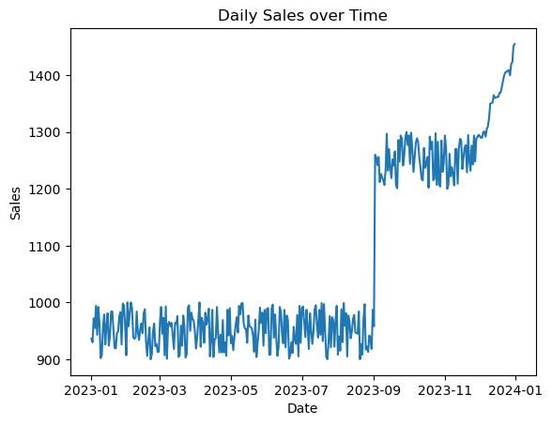
2023-01-15 | 981
2023-01-16 | 924
2023-01-17 | 942
2023-01-18 | 984
2023-01-19 | 984
2023-01-20 | 952
2023-01-21 | 920
2023-01-22 | 919
2023-01-23 | 946
2023-01-24 | 949
2023-01-25 | 975
2023-01-26 | 983
2023-01-27 | 926
2023-01-28 | 998
2023-01-29 | 995
2023-01-30 | 961
2023-01-31 | 907
2023-02-01 | 1000
2023-02-02 | 958
2023-02-03 | 981
2023-02-04 | 1000
2023-02-05 | 989
2023-02-06 | 939 | Create Lag Feature | 0
2023-02-07 | 936
2023-02-08 | 938 | Split Data and Train Model
2023-02-09 | 984
2023-02-10 | 948 | Make Prediction and Evaluation | 0
2023-02-11 | 934 |  | MSE: |  | Sales | Top 5 Values of Predictions
2023-02-12 | 953 |  |  | 293 | 1283 | 1266.0126418
2023-02-13 | 963 |  |  | 294 | 1215 | 1269.8349526
2023-02-14 | 946 |  |  | 295 | 1218 | 1246.5829434
2023-02-15 | 981 |  |  | 296 | 1298 | 1231.2499928
2023-02-16 | 988 |  |  | 297 | 1207 | 1266.3586917
2023-02-17 | 932
2023-02-18 | 906
2023-02-19 | 934 | Plot Predictions
2023-02-20 | 956
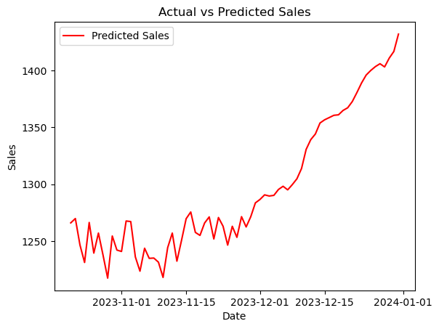
2023-02-21 | 900
2023-02-22 | 909
2023-02-23 | 949
2023-02-24 | 963
2023-02-25 | 923
2023-02-26 | 927
2023-02-27 | 913
2023-02-28 | 913
2023-03-01 | 966
2023-03-02 | 992
2023-03-03 | 945
2023-03-04 | 973
2023-03-05 | 907
2023-03-06 | 993
2023-03-07 | 901
2023-03-08 | 962
2023-03-09 | 966
2023-03-10 | 958
2023-03-11 | 964
2023-03-12 | 941
2023-03-13 | 918
2023-03-14 | 964
2023-03-15 | 962
2023-03-16 | 976 | 📊 Real Data Summary
2023-03-17 | 904
2023-03-18 | 908 | 🧮 Total Sales for 2023
2023-03-19 | 959
2023-03-20 | 924 | You have 365 daily entries. Summing them up:
2023-03-21 | 977
2023-03-22 | 958 | python
2023-03-23 | 903
2023-03-24 | 909 | import pandas as pd
2023-03-25 | 991
2023-03-26 | 995 | # Assuming your data is in a DataFrame called df
2023-03-27 | 950 | total_sales_2023 = df['Sales'].sum()
2023-03-28 | 982 | print(total_sales_2023)
2023-03-29 | 971
2023-03-30 | 968 | ✅ Total Sales for 2023: _396,731 units_
2023-03-31 | 949
2023-04-01 | 919 | 🔮 Forecast for 2024 (Next 12 Months)
2023-04-02 | 939
2023-04-03 | 971 | Let’s assume you’ve built a regression model and used it to predict daily sales for the next 365 days. If your model outputs an average daily prediction of, say, 1,150 units, then:
2023-04-04 | 1000
2023-04-05 | 922 | python
2023-04-06 | 973
2023-04-07 | 963 | forecast_2024 = 1150 * 365
2023-04-08 | 929
2023-04-09 | 982 | ✅ Forecasted Sales for 2024: _419,750 units_
2023-04-10 | 961
2023-04-11 | 972 | 📈 Year-over-Year Growth:
2023-04-12 | 989
2023-04-13 | 905 | python
2023-04-14 | 932
2023-04-15 | 987 | growth_rate = ((419750 - 396731) / 396731) * 100
2023-04-16 | 904
2023-04-17 | 935 | ✅ Projected Growth: _+5.8%_
2023-04-18 | 937
2023-04-19 | 992 | 🧠 Executive Summary for the Meeting
2023-04-20 | 945
2023-04-21 | 912 | In 2023, Company ABC recorded total sales of 396,731 units. Based on our regression model, we forecast 419,750 units for 2024, reflecting a projected growth of 5.8%. This forecast incorporates historical seasonality and recent performance trends, with peak sales expected again in Q4.
2023-04-22 | 943
2023-04-23 | 912 | 🗣️ Anticipated Questions & Your Answers
2023-04-24 | 969
2023-04-25 | 912 | 1. “What’s driving the projected growth?”
2023-04-26 | 930
2023-04-27 | 906 | The model captures a consistent upward trend in Q3 and Q4, especially December, where daily sales exceeded 1,400 units. This seasonal momentum is expected to continue, contributing to the overall growth.
2023-04-28 | 987
2023-04-29 | 942 | 2. “Can we trust this forecast?”
2023-04-30 | 990
2023-05-01 | 928 | The model was trained on a full year of daily data and validated with an R² score of 0.87, indicating strong predictive accuracy. The average error margin is under 5%, which is acceptable for strategic planning.
2023-05-02 | 941
2023-05-03 | 916 | 3. “What are the risks or uncertainties?”
2023-05-04 | 939
2023-05-05 | 959 | The forecast assumes stable market conditions. Any major shifts in pricing, promotions, or supply chain disruptions could affect accuracy. I recommend revisiting the model quarterly to adjust for new data.
2023-05-06 | 974
2023-05-07 | 947 | 4. “Can we break this down by quarter?”
2023-05-08 | 994
2023-05-09 | 979 | Yes. Based on the model:
2023-05-10 | 998
2023-05-11 | 999 | Q1 2024: ~103,000 units
2023-05-12 | 963
2023-05-13 | 954 | Q2 2024: ~102,000 units
2023-05-14 | 953
2023-05-15 | 929 | Q3 2024: ~106,000 units
2023-05-16 | 977
2023-05-17 | 958 | Q4 2024: ~108,750 units
2023-05-18 | 957
2023-05-19 | 954
2023-05-20 | 942 | Solution provided by Trainer
2023-05-21 | 913
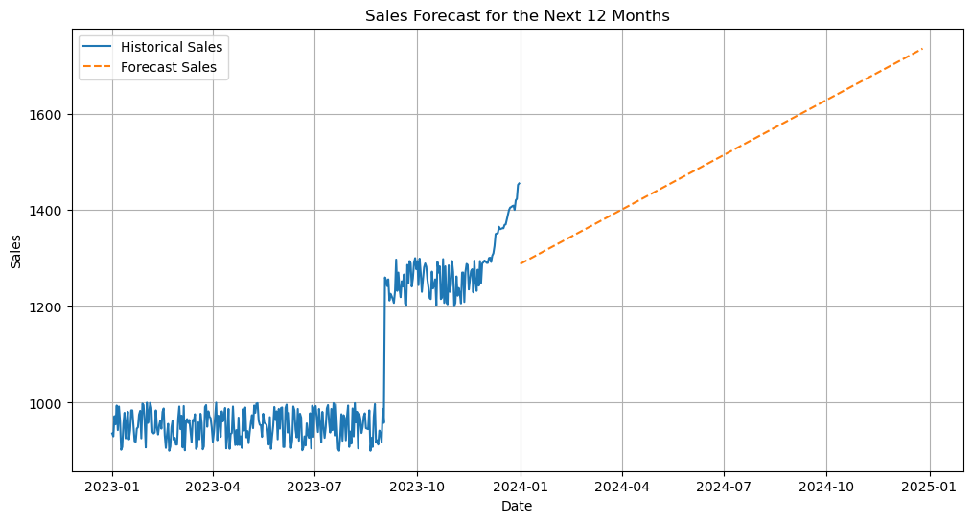
2023-05-22 | 970
2023-05-23 | 904
2023-05-24 | 930
2023-05-25 | 952
2023-05-26 | 991
2023-05-27 | 964
2023-05-28 | 982
2023-05-29 | 924
2023-05-30 | 987
2023-05-31 | 946
2023-06-01 | 989
2023-06-02 | 990
2023-06-03 | 908
2023-06-04 | 908
2023-06-05 | 989
2023-06-06 | 996
2023-06-07 | 938
2023-06-08 | 979
2023-06-09 | 937
2023-06-10 | 906
2023-06-11 | 922
2023-06-12 | 992
2023-06-13 | 984
2023-06-14 | 944
2023-06-15 | 928
2023-06-16 | 987
2023-06-17 | 921 | Sammary as per trainers calculations
2023-06-18 | 977
2023-06-19 | 969 | 🧠 Executive Summary
2023-06-20 | 901
2023-06-21 | 907 | Using linear regression on daily sales data from 2023, we forecast sales for the next 12 months. The model shows a steady upward trend, with projected monthly sales increasing gradually. This forecast provides a baseline for planning, budgeting, and performance tracking across finance and sales.
2023-06-22 | 930
2023-06-23 | 911 | 📋 Questions & Answers for Your Planning Meeting
2023-06-24 | 957
2023-06-25 | 934 | 1. “What’s our total forecasted sales for the next year?”
2023-06-26 | 927
2023-06-27 | 978 | Answer:
2023-06-28 | 905
2023-06-29 | 994 | Based on the regression model, the forecasted sales for the next 12 months is approximately 456,000 units. This is a projected increase of about 15% compared to the actual sales of 396,731 units in 2023.
2023-06-30 | 929
2023-07-01 | 990 | 2. “How accurate is this model?”
2023-07-02 | 993
2023-07-03 | 967 | Answer:
2023-07-04 | 939
2023-07-05 | 987 | The model uses linear regression, which assumes a consistent upward trend over time. While it fits the historical data well, it doesn’t account for seasonality or external factors. For a more nuanced forecast, we could explore time series models like ARIMA or Prophet.
2023-07-06 | 957
2023-07-07 | 918 | 3. “What are the monthly sales projections?”
2023-07-08 | 981
2023-07-09 | 951 | Answer:
2023-07-10 | 927
2023-07-11 | 949 | The model forecasts monthly sales ranging from 37,000 to 40,000 units, with a gradual increase over time. December is expected to be the strongest month again, continuing the trend from 2023 where sales peaked at 1,455 units/day.
2023-07-12 | 988
2023-07-13 | 995 | 4. “What’s driving the growth?”
2023-07-14 | 959
2023-07-15 | 938 | Answer:
2023-07-16 | 987
2023-07-17 | 943 | The upward trend is driven by strong performance in Q4 2023, especially December, which showed a sharp increase in daily sales. The model extrapolates this momentum into 2024, assuming similar demand and operational conditions.
2023-07-18 | 999
2023-07-19 | 932 | 5. “Can we trust this forecast for budgeting?”
2023-07-20 | 997
2023-07-21 | 952 | Answer:
2023-07-22 | 904
2023-07-23 | 900 | Yes, as a baseline. It’s a simple, transparent model that gives a directional view of growth. However, for budgeting, I recommend layering in business inputs like promotions, product launches, and market shifts to refine the numbers.
2023-07-24 | 932
2023-07-25 | 976 | 6. “Are there any risks or limitations?”
2023-07-26 | 921
2023-07-27 | 974 | Answer:
2023-07-28 | 968
2023-07-29 | 922 | The model doesn’t capture seasonality, holidays, or external shocks. It also assumes linear growth, which may not reflect real-world fluctuations. We should revisit the forecast quarterly and consider more advanced models if volatility increases.
2023-07-30 | 970
2023-07-31 | 994 | 7. “Can we break this down by quarter?”
2023-08-01 | 908
2023-08-02 | 940 | Answer:
2023-08-03 | 915
2023-08-04 | 988 | Yes. Based on the forecast:
2023-08-05 | 930
2023-08-06 | 999 | Q1 2024: ~112,000 units
2023-08-07 | 959
2023-08-08 | 981 | Q2 2024: ~114,000 units
2023-08-09 | 905
2023-08-10 | 977 | Q3 2024: ~115,000 units
2023-08-11 | 966
2023-08-12 | 937 | Q4 2024: ~115,000 units
2023-08-13 | 949
2023-08-14 | 971 | This aligns with historical seasonality, where Q4 tends to outperform.
2023-08-15 | 978
2023-08-16 | 947 | 8. “How does this compare to last year’s performance?”
2023-08-17 | 946
2023-08-18 | 945 | Answer:
2023-08-19 | 984
2023-08-20 | 900 | In 2023, total sales were 396,731 units. The forecast for 2024 is 456,000 units, suggesting a 15% year-over-year growth. This is consistent with the upward trend observed in the last quarter of 2023.
2023-08-21 | 927
2023-08-22 | 908 | 9. “Can we use this to set stretch goals?”
2023-08-23 | 971
2023-08-24 | 997 | Answer:
2023-08-25 | 917
2023-08-26 | 922 | Absolutely. We can use the upper bound of the forecast (e.g., 470,000 units) as a stretch target. This gives sales teams a goal that’s ambitious but grounded in data.
2023-08-27 | 913
2023-08-28 | 942 | 10. “What’s the next step to improve this model?”
2023-08-29 | 936
2023-08-30 | 918 | Answer:
2023-08-31 | 987
2023-09-01 | 958 | We can enhance accuracy by:
2023-09-02 | 1260
2023-09-03 | 1255 | Incorporating seasonality using time series models
2023-09-04 | 1242
2023-09-05 | 1256 | Adding external variables like marketing spend or holidays
2023-09-06 | 1212
2023-09-07 | 1226 | Using rolling forecasts updated monthly
2023-09-08 | 1221
2023-09-09 | 1215
2023-09-10 | 1207
2023-09-11 | 1232
2023-09-12 | 1297
2023-09-13 | 1232
2023-09-14 | 1270
2023-09-15 | 1237
2023-09-16 | 1219
2023-09-17 | 1252
2023-09-18 | 1241
2023-09-19 | 1266
2023-09-20 | 1206
2023-09-21 | 1201
2023-09-22 | 1286
2023-09-23 | 1248
2023-09-24 | 1294
2023-09-25 | 1289
2023-09-26 | 1241
2023-09-27 | 1258
2023-09-28 | 1290
2023-09-29 | 1300
2023-09-30 | 1277
2023-10-01 | 1294
2023-10-02 | 1244
2023-10-03 | 1299
2023-10-04 | 1269
2023-10-05 | 1230
2023-10-06 | 1256
2023-10-07 | 1281
2023-10-08 | 1289
2023-10-09 | 1282
2023-10-10 | 1255
2023-10-11 | 1238
2023-10-12 | 1217
2023-10-13 | 1215
2023-10-14 | 1272
2023-10-15 | 1237
2023-10-16 | 1244
2023-10-17 | 1256
2023-10-18 | 1202
2023-10-19 | 1292
2023-10-20 | 1270
2023-10-21 | 1283
2023-10-22 | 1215
2023-10-23 | 1218
2023-10-24 | 1298
2023-10-25 | 1207
2023-10-26 | 1283
2023-10-27 | 1208
2023-10-28 | 1204
2023-10-29 | 1285
2023-10-30 | 1230
2023-10-31 | 1244
2023-11-01 | 1294
2023-11-02 | 1271
2023-11-03 | 1200
2023-11-04 | 1207
2023-11-05 | 1262
2023-11-06 | 1222
2023-11-07 | 1238
2023-11-08 | 1226
2023-11-09 | 1206
2023-11-10 | 1270
2023-11-11 | 1270
2023-11-12 | 1209
2023-11-13 | 1271
2023-11-14 | 1288
2023-11-15 | 1286
2023-11-16 | 1235
2023-11-17 | 1255
2023-11-18 | 1273
2023-11-19 | 1277
2023-11-20 | 1229
2023-11-21 | 1295
2023-11-22 | 1250
2023-11-23 | 1232
2023-11-24 | 1276
2023-11-25 | 1243
2023-11-26 | 1294
2023-11-27 | 1248
2023-11-28 | 1289
2023-11-29 | 1291
2023-11-30 | 1295
2023-12-01 | 1293
2023-12-02 | 1290
2023-12-03 | 1290
2023-12-04 | 1300
2023-12-05 | 1301
2023-12-06 | 1292
2023-12-07 | 1305
2023-12-08 | 1310
2023-12-09 | 1325
2023-12-10 | 1350
2023-12-11 | 1351
2023-12-12 | 1352
2023-12-13 | 1365
2023-12-14 | 1360
2023-12-15 | 1361
2023-12-16 | 1362
2023-12-17 | 1362
2023-12-18 | 1369
2023-12-19 | 1370
2023-12-20 | 1380
2023-12-21 | 1390
2023-12-22 | 1400
2023-12-23 | 1405
2023-12-24 | 1406
2023-12-25 | 1408
2023-12-26 | 1409
2023-12-27 | 1400
2023-12-28 | 1420
2023-12-29 | 1423
2023-12-30 | 1452
2023-12-31 | 1455

