Figures
Figures and Alt Text (excludes artifacts and decorative images)
Count of figures | 6

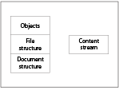
Page Number | Figure/Image | Alt-Text | bBox (x,y,w,h) | Object Id
19 |  | <missing> | (239,391,151,113) | 3810

22 |  | <missing> | (37,510,187,33) | 4618

26 |  | <missing> | (184,126,98,43) | 5519

29 |  | <missing> | (142,297,46,33) | 6299

29 |  | <missing> | (90,165,38,13) | 6302

33 |  | <missing> | (91,582,245,47) | 7129

