density per bundesland
bundesland | population_density
Berlin | 4118
Hamburg | 2446 | VIOLETT: 202x-02-15-2020x-05-25
Bremen | 1624 | ROT: 202x-09-11-202x-12-20
North Rhine-Westphalia | 526 | GRÜN: 2022-02-15-NOW
Saarland | 384
Baden-W√ºrttemberg | 311
Hessen | 298
Saxony | 221
Rhineland-Palatinate | 206
Bavaria | 186
Schleswig-Holstein | 184
Lower Saxony | 168
Thuringia | 132
Saxony-Anhalt | 107
Brandenburg | 85
Mecklenburg-Vorpommern | 69

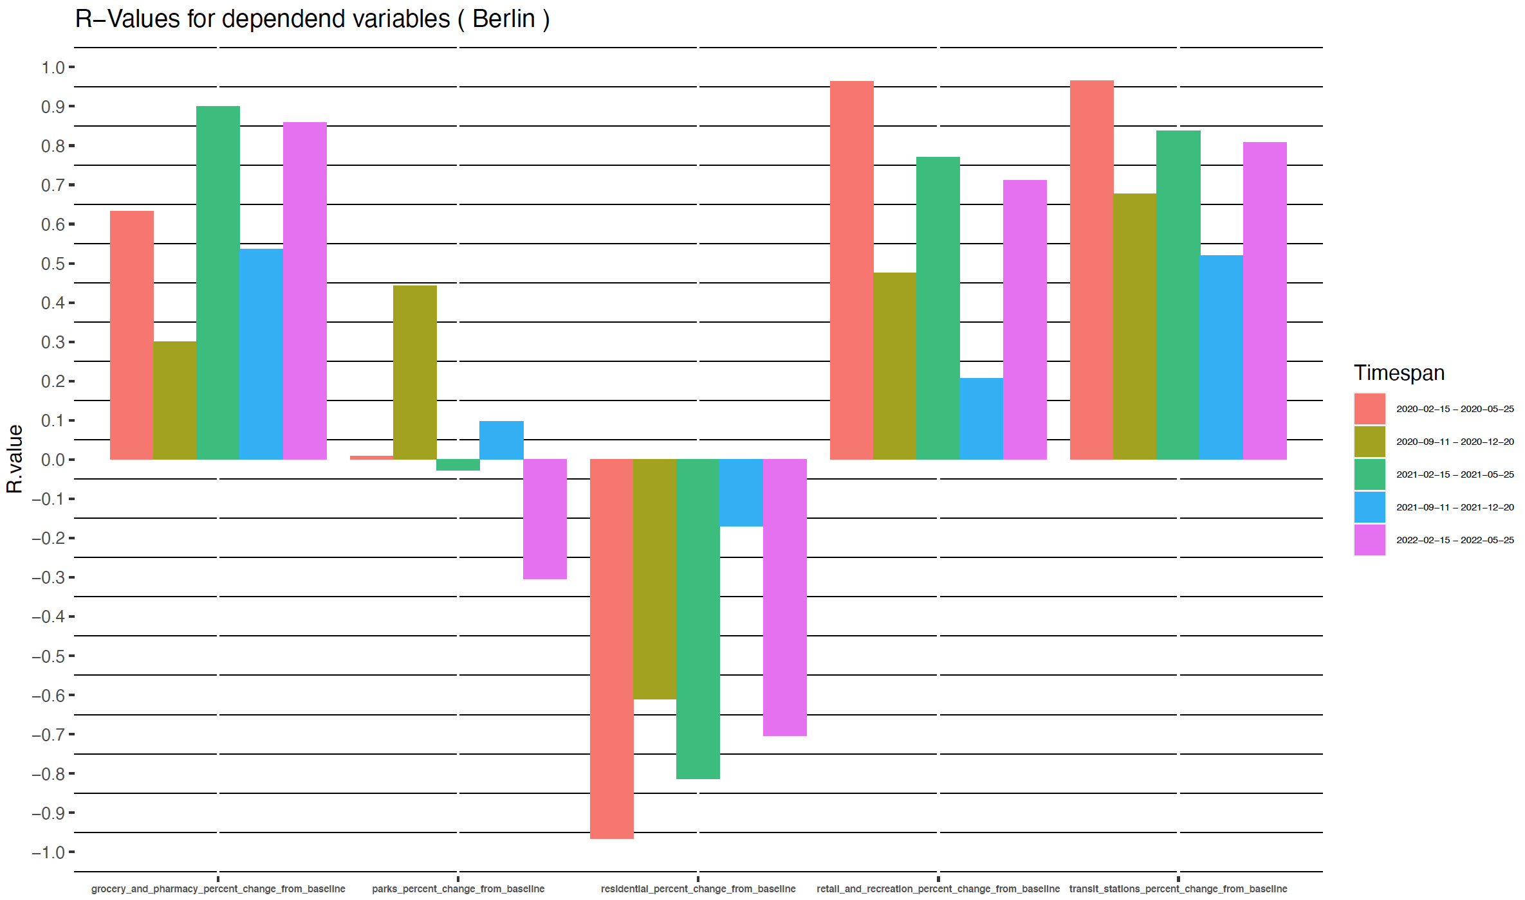
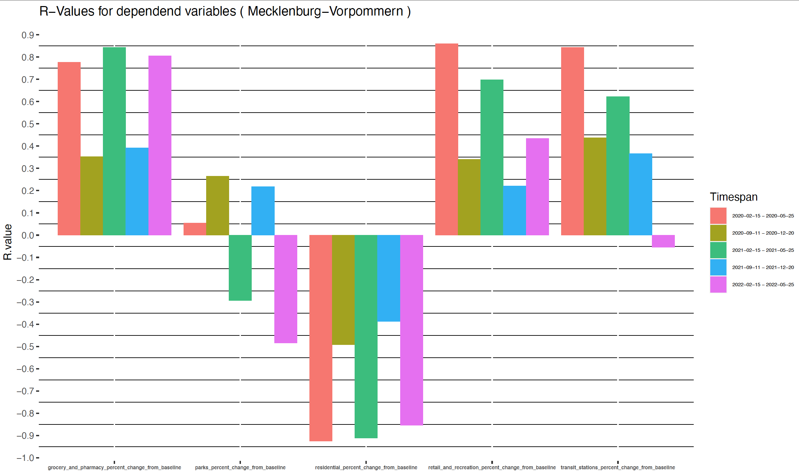

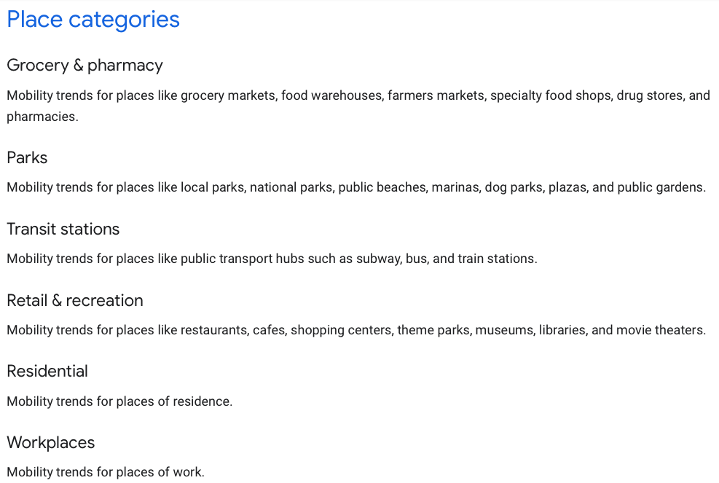

 | m
 | 2. Bei Bundesländern Berlin, Bayern, Hamburg, Saarland, Schleswig-Holstein, Brandenburg, Hessen, Mecklenburg-Vorpommern,Niedersachsen und Bremen hat der Zusammenhang mit der variable grocery_pharmacy_percent_change_from_baseline einen Peak im zeitraum 2021-02-15 zu 2021-05-25
 | 3. Bei retail_and_recreation_percent_change_from_baseline und transit_stations_percent_change_from_baseline war der Zusammenhang bei JEDEM Bundesland im Zeitraum 2020-02-15 - 2020-05-25 am stärksten.
 | 4. Für alle Bundesländer außer Sachsen-Anhalt gilt, dass der Zusammenhang zu grocery_and_pharmacy_percent_change_from_baseline in 2021 stärker war als 2020 (09-11 - 12-20)
 | 5. Für den Großteil der Bundesländer gilt, dass bei retail_and_recration_change der Zusammenhang im Zeitraum (02-15 - 05-25) immer schwächer wurde von Jahr zu Jahr (2020, 2021, 2022)
 | 6. Was interessant ist, dass in manchen Bunesländern negative schwache Zusammenhänge kreiiert werden

 | Bei allen Variablen ausser parks_percent_change lässt sich beobachten, dass 2
 | Auffallend ist, dass bei Vergleich der Jahre der Zeiträume 202x-09-11-202x-12-20 bei allen Variablen starke Schwankungen zwischen diesen vorliegen.

