TC01
#Step | Step Description | Expected Result | Actual result
Step 1 | Open the webpage on Chrome browser: https://test.salesforce.com/ | The webpage should be opened on Chrome browser successfully. | The webpage is opened on Chrome browser successfully.
Step 2 | Login to the Salesforce with credentials: Username:team.seavus@partner-prod.com.vlocitysbx Password: seavusQA123! and click on 'Login' button. | The user should be logged in successfully. | The user is logged in successfully.
Step 3 | Click on 'App Launcher' icon and type 'packages' in the search box and click on 'Packages' from Items | App Launcher' icon is opened and 'Packages' text displays successfully. |  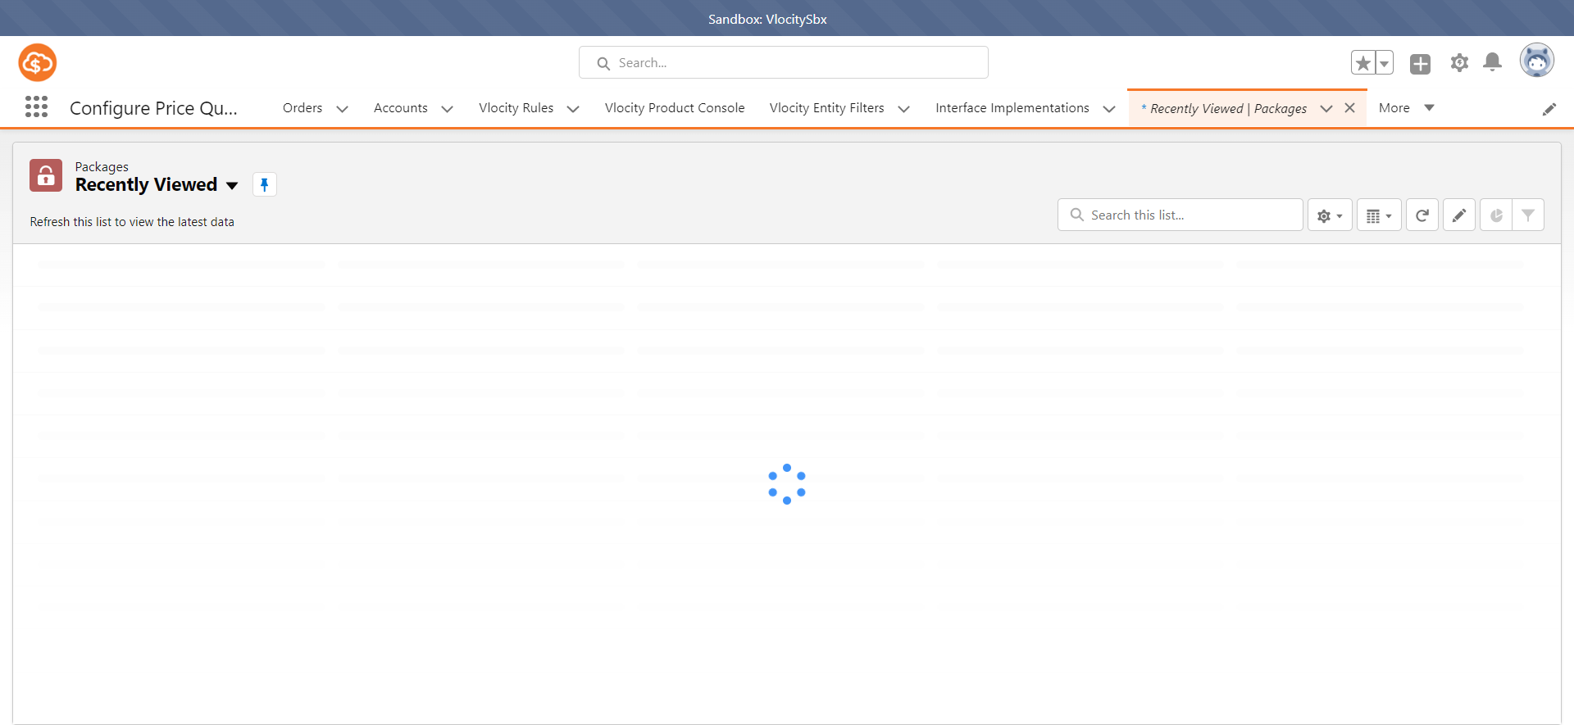 App Launcher' icon is opened and 'Packages' text displays successfully.
Step 4 | Click on the 'New' button to create a new package. | A 'New Package' subtab should be opened successfully. |  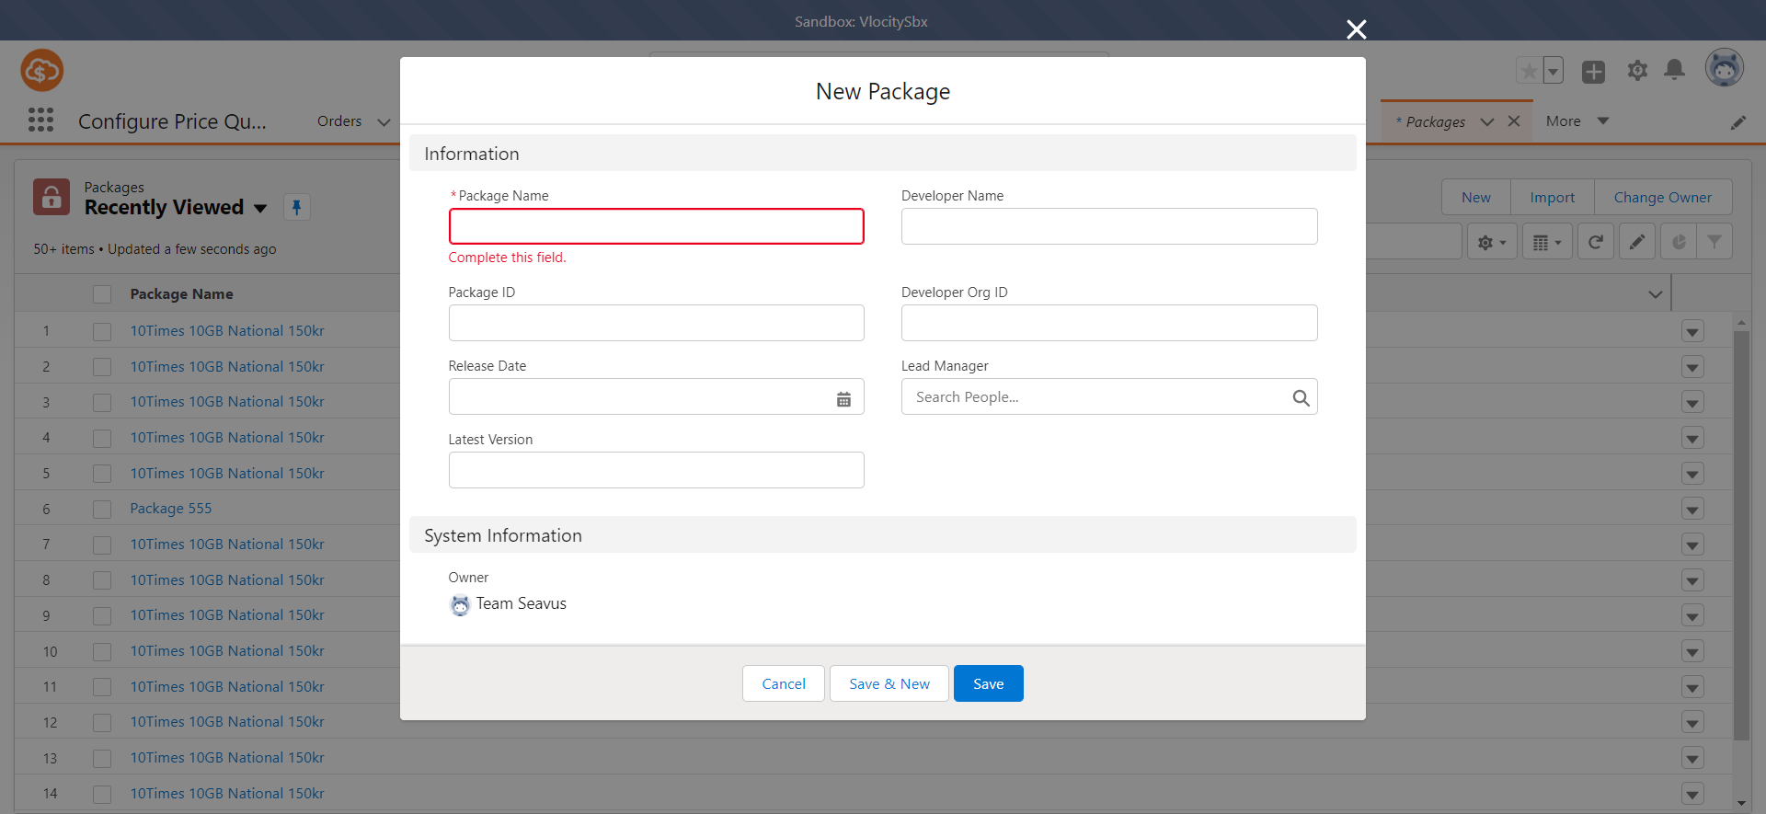 A 'New Package' subtab is opened successfully.
Step 5 | Fill in the following fields: Package Name: QA Developer Name: Aleks P and click on 'Save' button. | A green message 'Package "Package Name" was created' should appear successfully. |  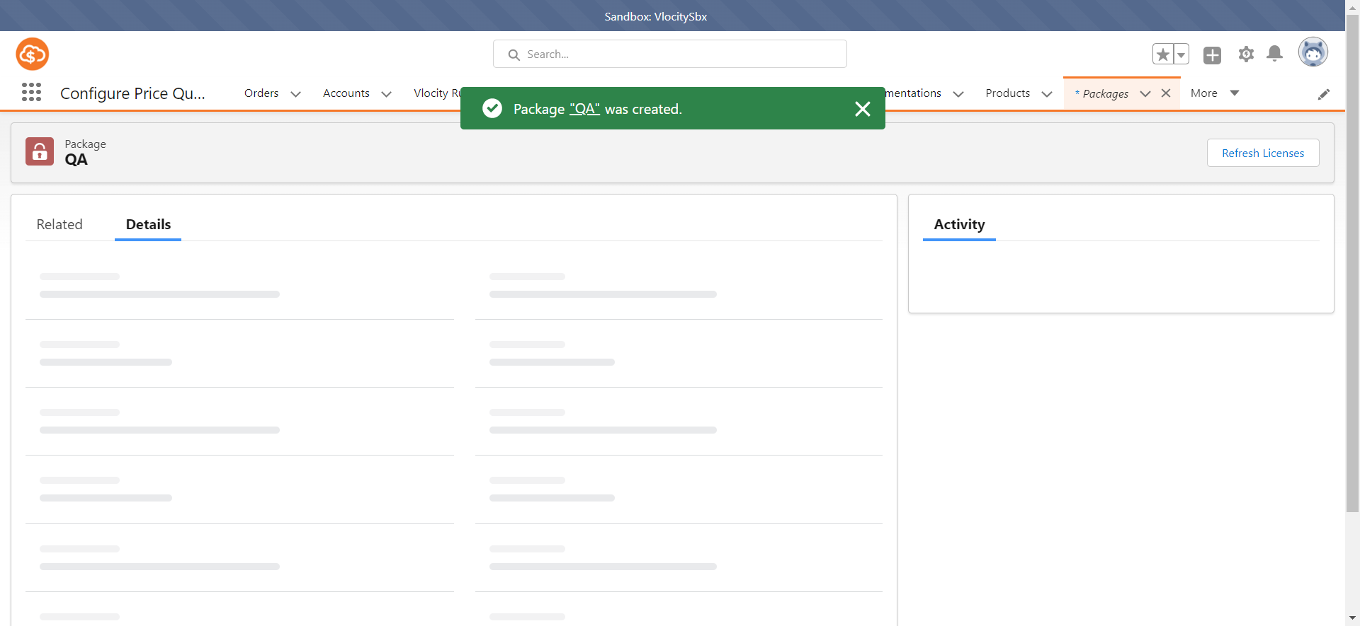 A green message 'Package "Package Name" was created' appears successfully.
Step 6 | Close the 'Chrome' browser. | The 'Chrome' browser is closed. | The 'Chrome' browser is closed.

TC02
#Step | Step Description | Expected Result | Actual result
Step 1 | Open the webpage on Chrome browser: https://test.salesforce.com/ | The webpage should be opened on Chrome browser successfully. | The webpage is opened on Chrome browser successfully.
Step 2 | Login to the Salesforce with credentials: Username:team.seavus@partner-prod.com.vlocitysbx Password: seavusQA123! and click on 'Login' button. | The user should be logged in successfully. | The user is logged in successfully.
Step 3 | Click on 'App Launcher' icon and type 'systems' in the search box and click on 'Systems' from Items | App Launcher' icon is opened and 'Systems' text displays successfully. |    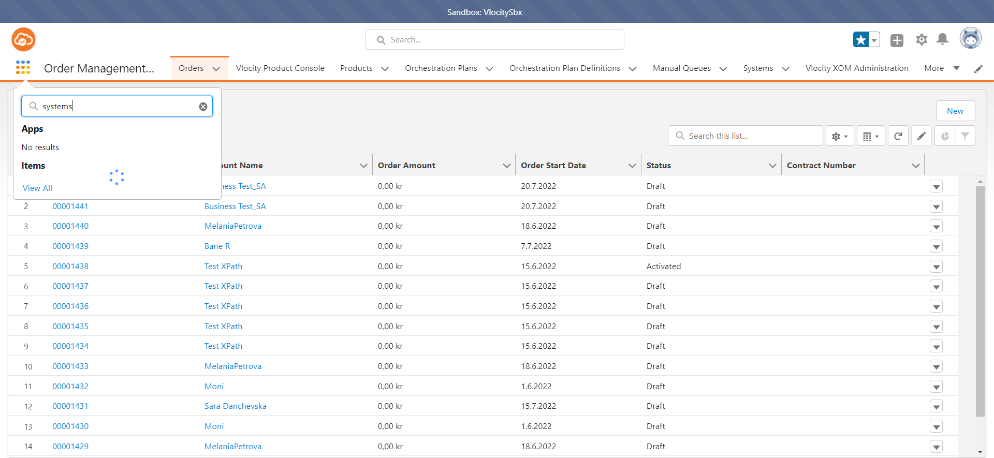 App Launcher' icon is opened and 'Systems' text displays successfully.
Step 4 | Click on the 'New' button to create a new system. | A 'New System' subtab should be opened successfully. |    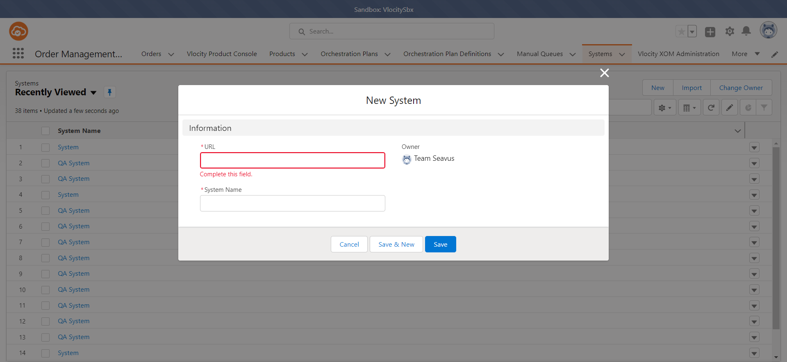 A 'New System' subtab is opened successfully.
Step 5 | Fill in the following fields: URL: www.qa.com System Name: QA System | All the fields are populated with the right information. |    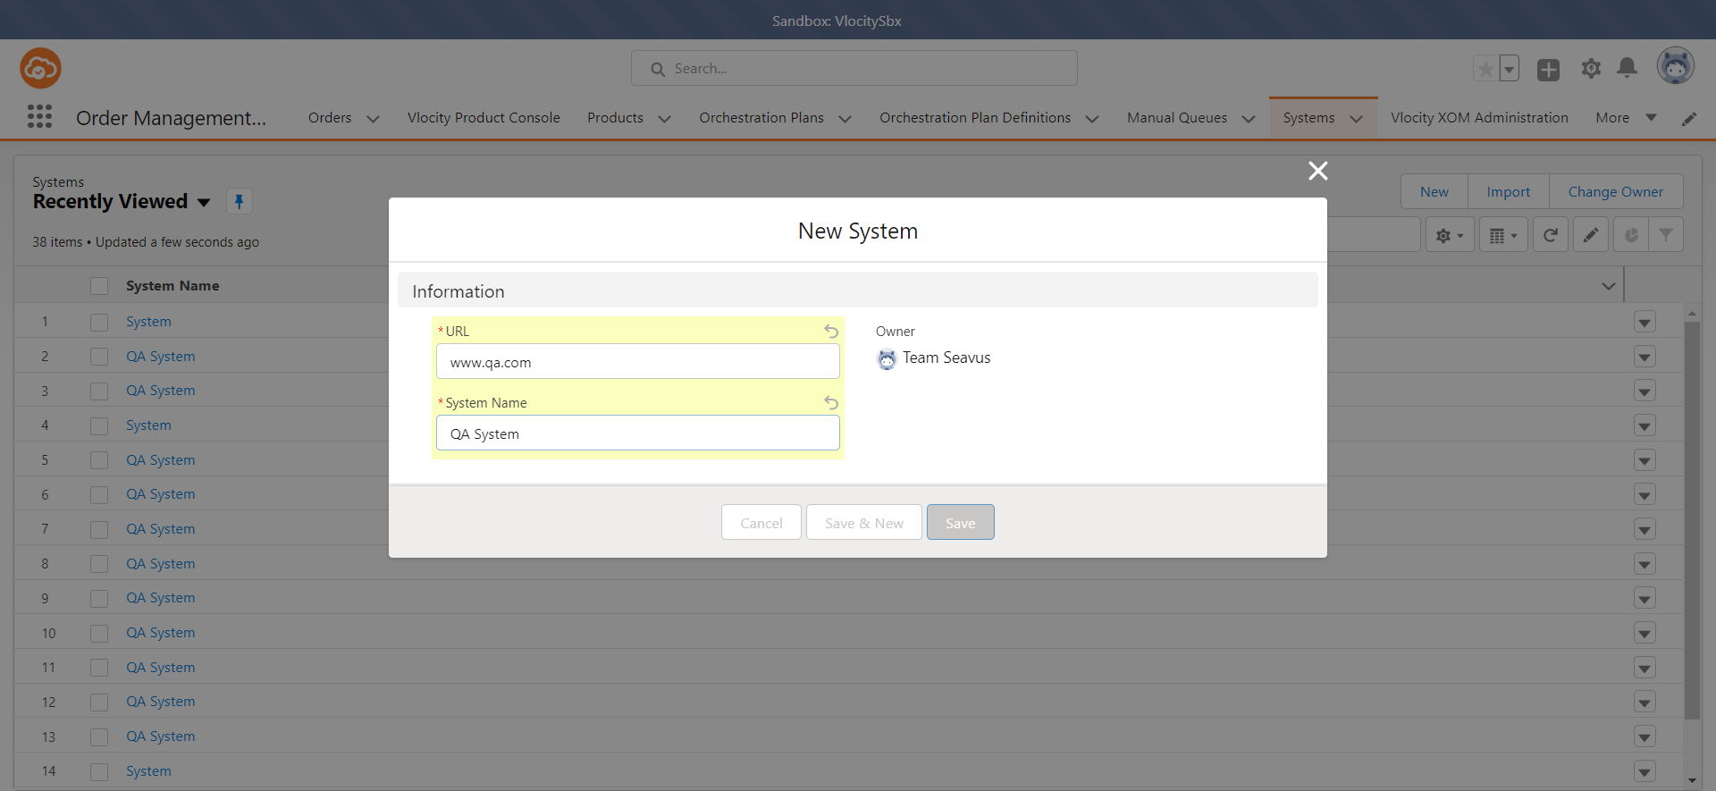 All the fields are populated with the right information.
Step 6 | Click on 'Save' button. | A green message 'System "System Name" was created' should appear successfully. | A green message 'System "System Name" was created' appears successfully.
Step 7 | Close the 'Chrome' browser. | The 'Chrome' browser is closed. | The 'Chrome' browser is closed.

TC03
#Step | Step Description | Expected Result | Actual result
Step 1 | Open the webpage on Chrome browser: https://test.salesforce.com/ | The webpage should be opened on Chrome browser successfully. | The webpage is opened on Chrome browser successfully.
Step 2 | Login to the Salesforce with credentials: Username:team.seavus@partner-prod.com.vlocitysbx Password: seavusQA123! and click on 'Login' button. | The user should be logged in successfully. | The user is logged in successfully.
Step 3 | Click on 'App Launcher' icon and type 'contact requests' in the search box and click on 'Contact Requests' from Items | App Launcher' icon is opened and 'Contact Requests' text displays successfully. |  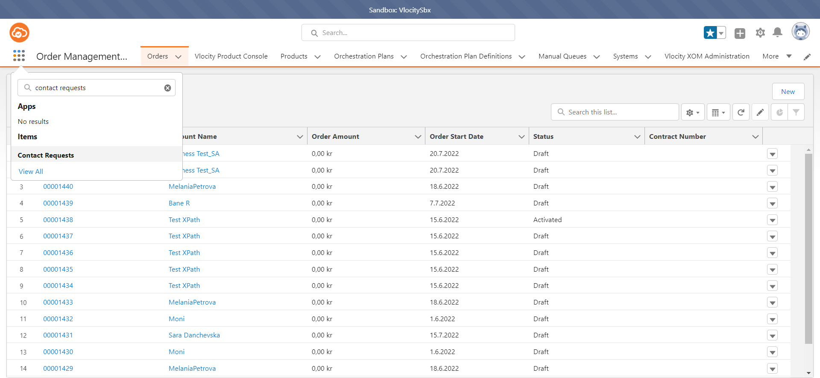 App Launcher' icon is opened and 'Contact Requests' text displays successfully.
Step 4 | Click on the 'New' button to create a new system. | A 'New Contact Request' subtab should be opened successfully. |  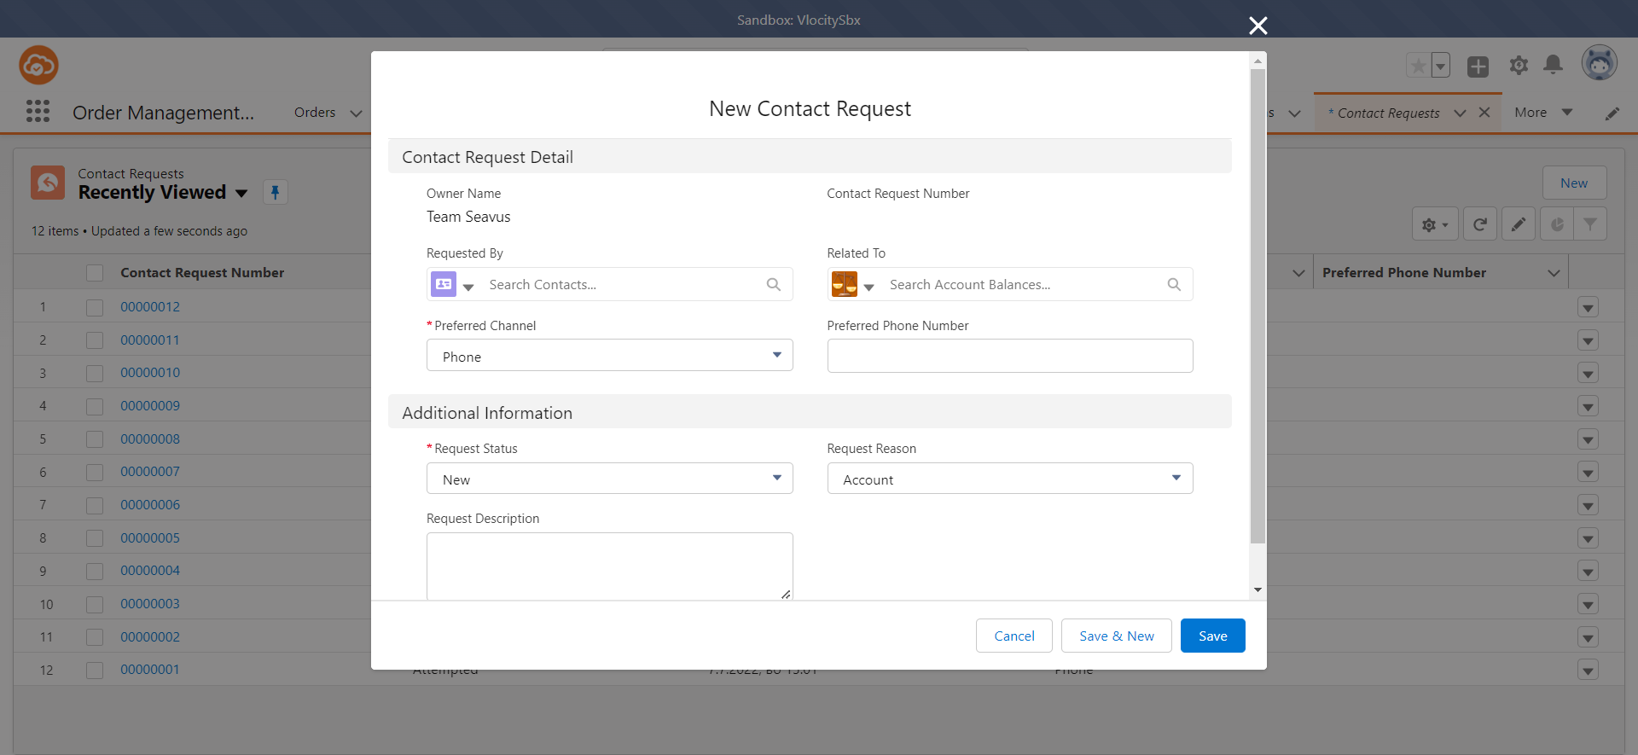 A 'New Contact Request' subtab is opened successfully.
 | Fill in the following fields: Requested By: Trajkovska Preferred Channel: Phone Requested Status: Attempted | The fields should be filled successfully. |  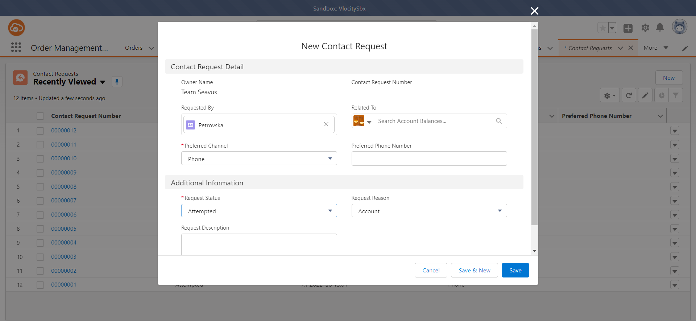 The fields are filled successfully.
Step 5 | Click on 'Save' button. | A green message 'Contact Request "Contact Request Number" was created' should appear successfully. |  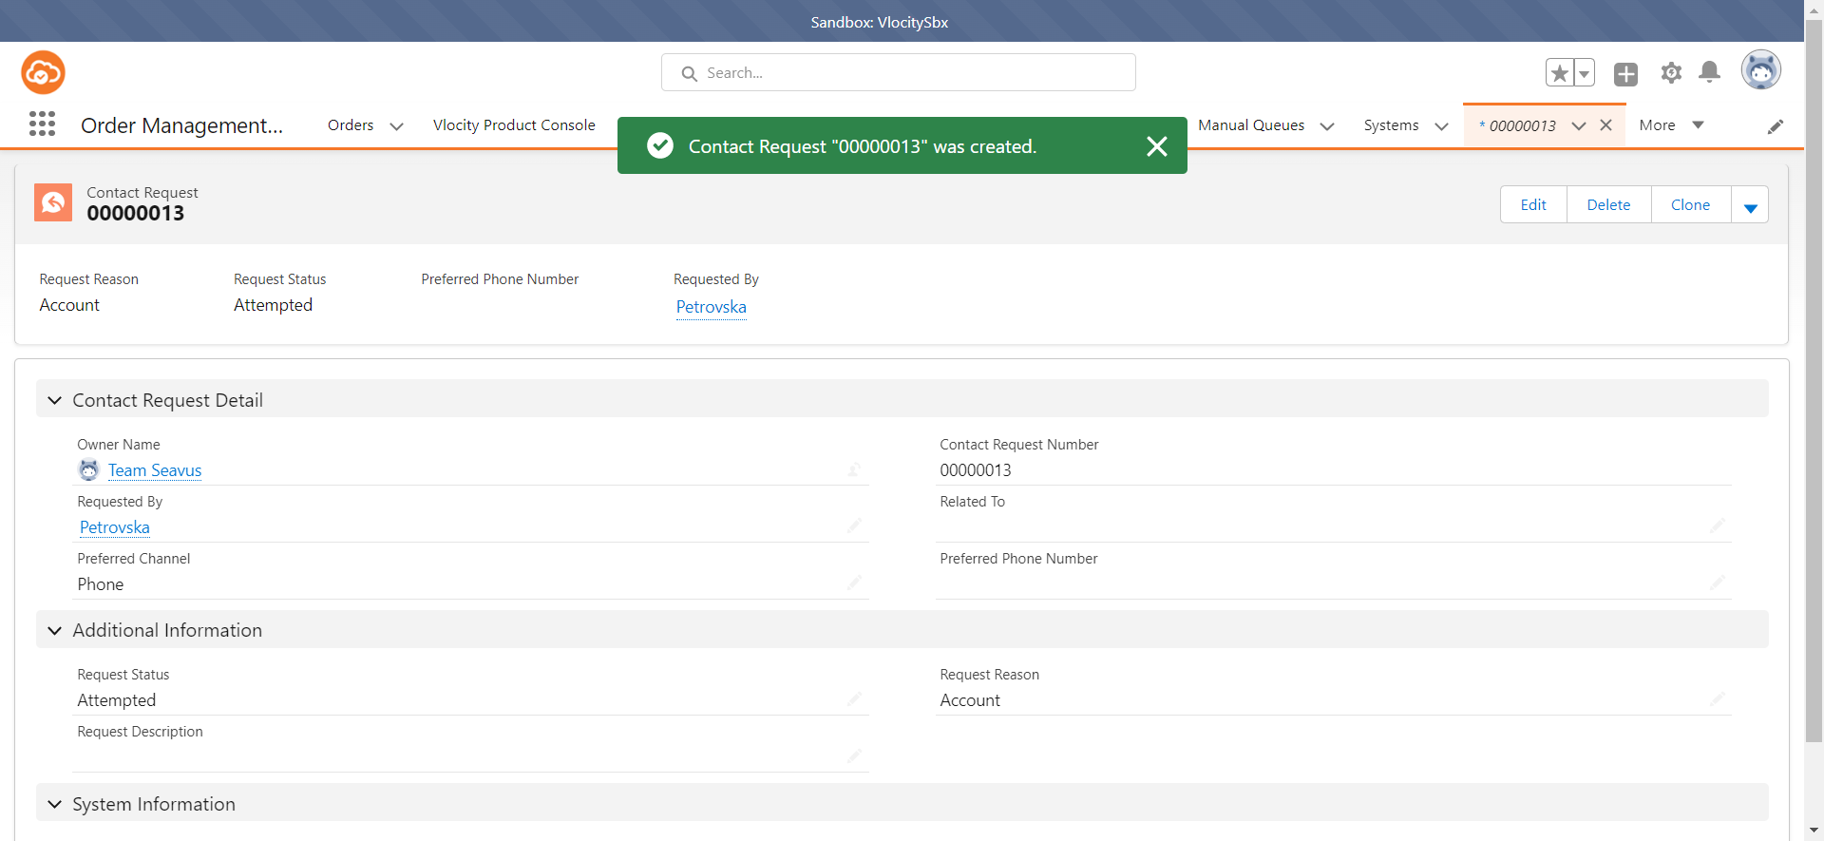 A green message 'Contact Request "Contact Request Number" was created' appears successfully.
Step 6 | Close the 'Chrome' browser. | The 'Chrome' browser is closed. | The 'Chrome' browser is closed.

