Лист1
Assessment criteria | PASS / FAIL | Screenshot of results | Recommendations
Website passes the W3C validatorLinks to an external site. | FAIL | 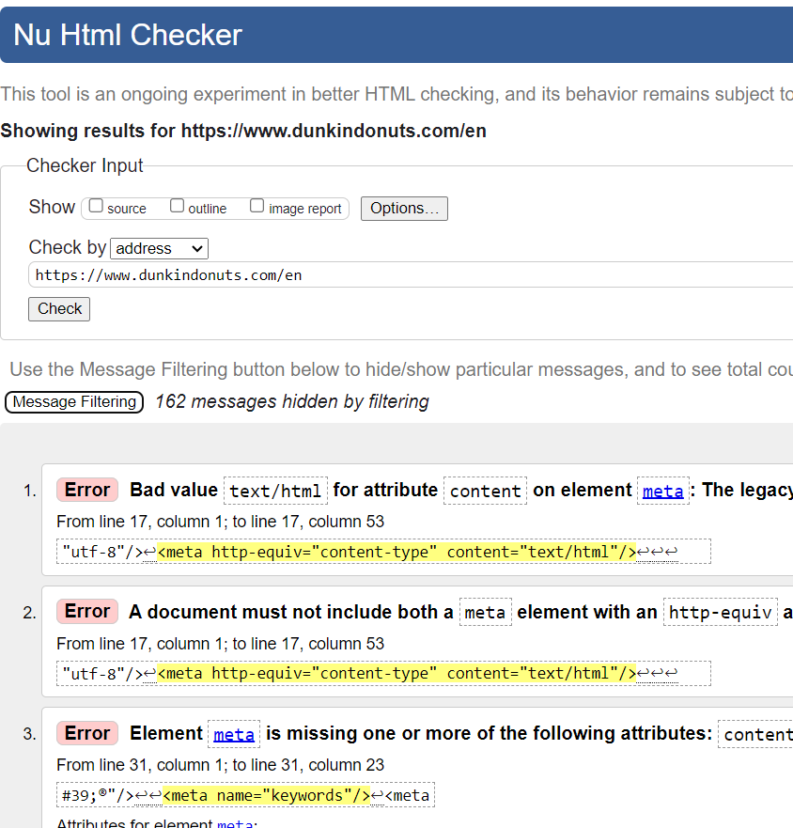 | 1) Adjusting the use of the element img and adding the necessary attributes (src, alt). 2)Fixes for bugs related to the div element (such as the role attribute).
Website passes CSS validatorLinks to an external site. | FAIL |  | 1) Corrections to the values ​​of aline-self and aline-items, since they cannot have a value left. 2)Corrections to the border-radius value, since according to default it has a value of 0, and the none value is incorrect.
Website status using SiteImproveLinks to an external site.* | FAIL | 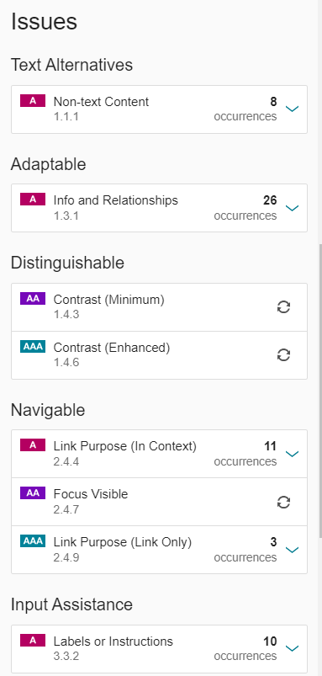 | 1) Adding a title attribute to an iframe element is a good practice as it helps the screen reader figure out what iframe content it is. 2)There is a need to make each ID unique, since there are non-unique IDs on the site. This affects the manipulation of ID elements in Java script and css.

