Página2
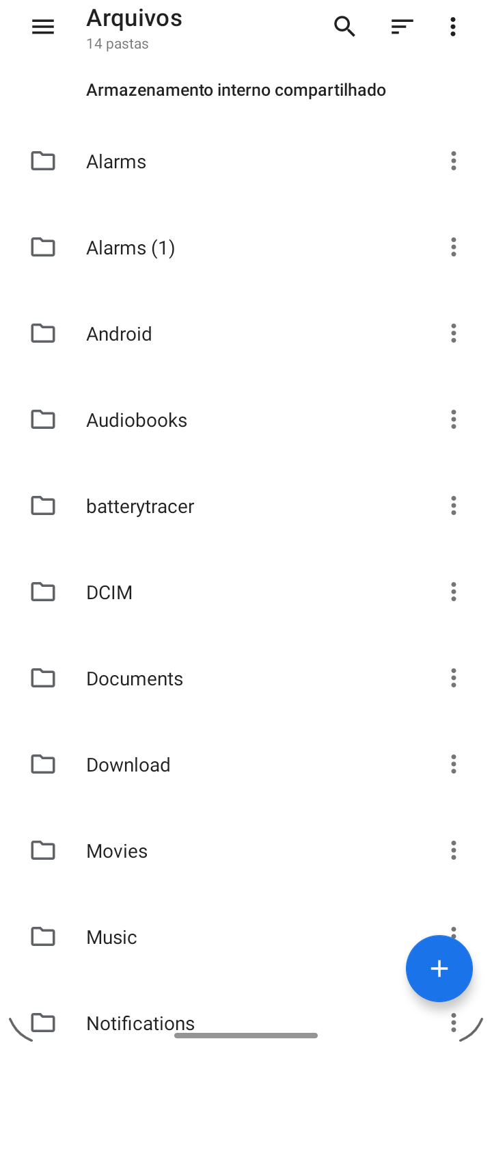
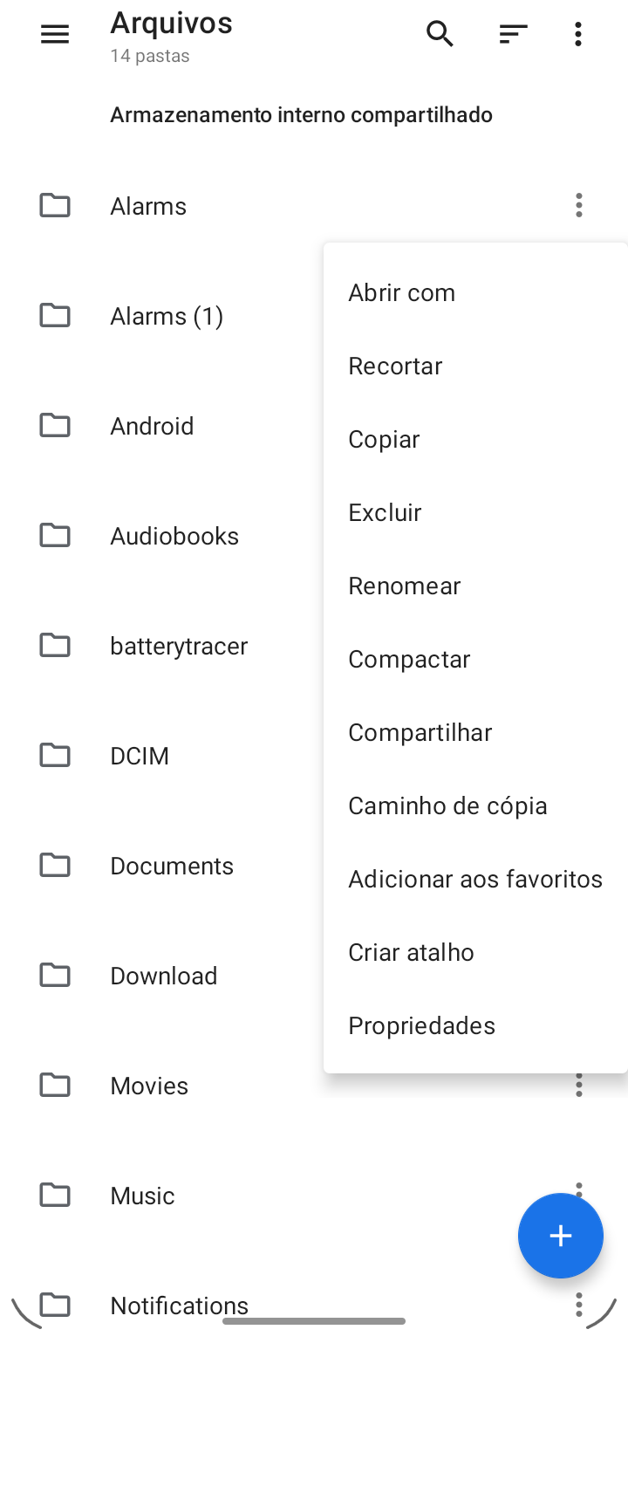
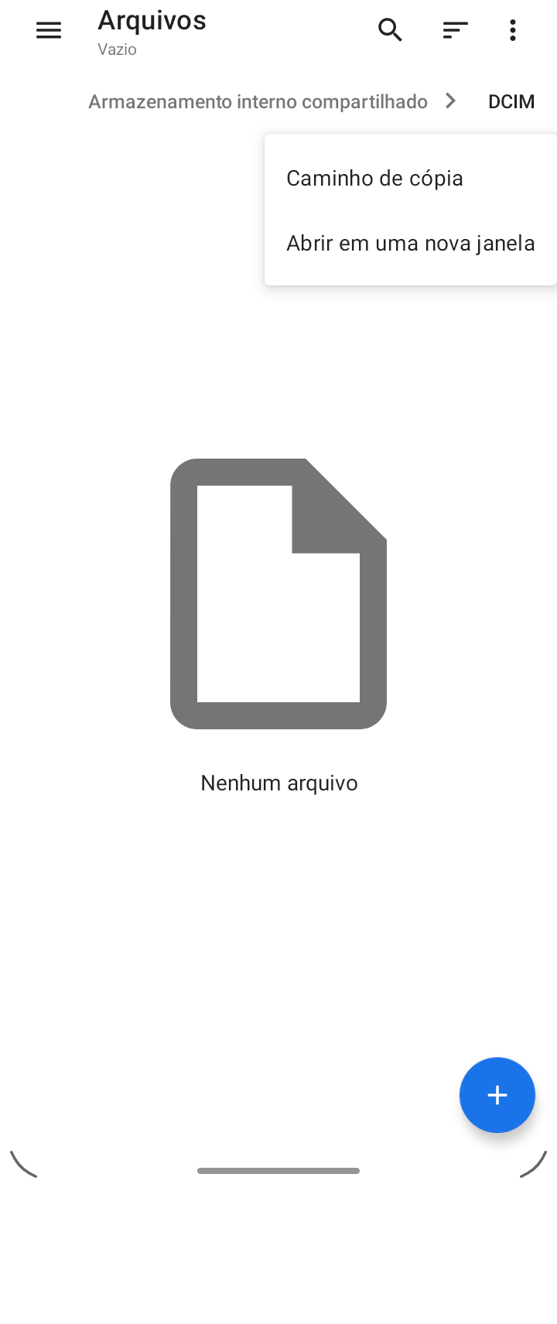
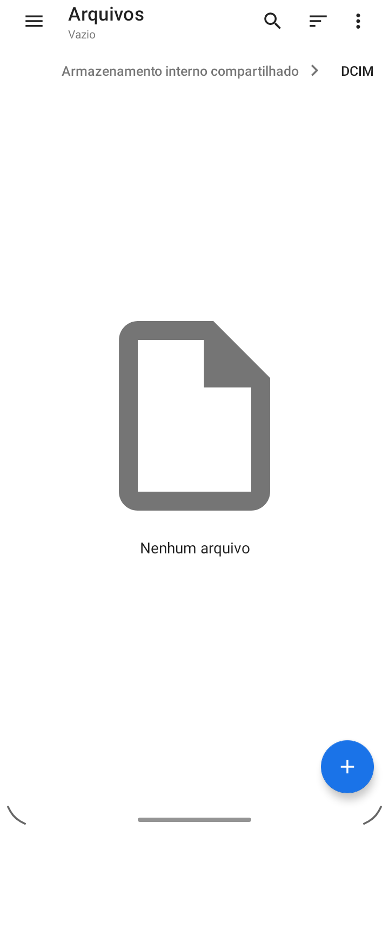
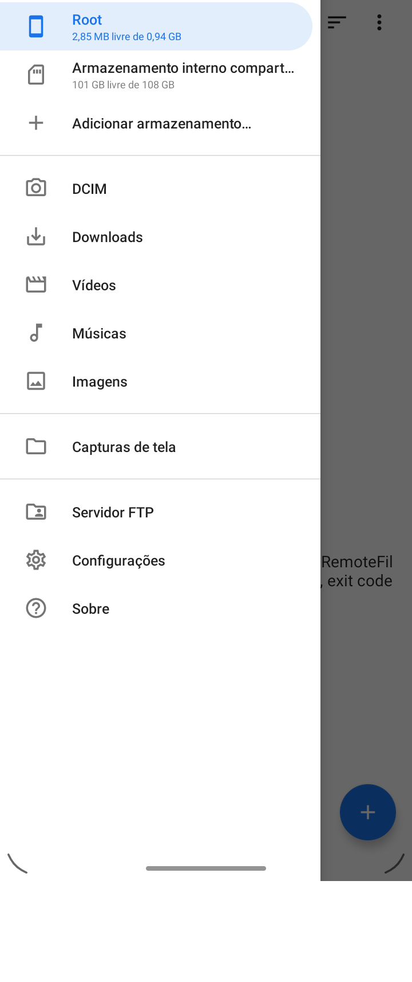
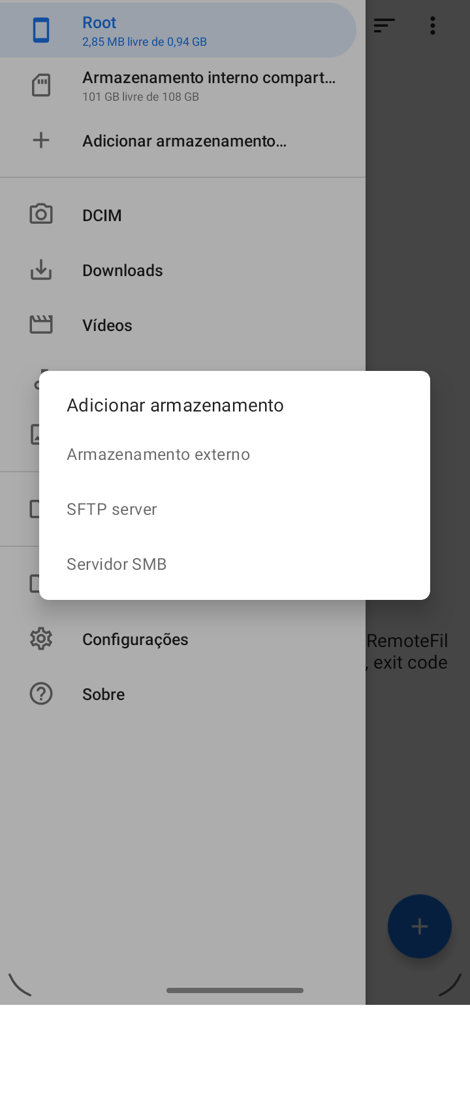
 | activity
2021-11-03 15-06-19_before.png | FileListActivity
2021-11-03 15-14-56_before.png | FileListActivity
2021-11-03 15-13-18_before.png | AddStorageDialogActivity

material files
 |  | …leListActivity.

 |  | First of all, thank you for your interest in help improving this project! However, I normally won't accept PRs for this project because I'm currently the only copyright owner for it (except for translations and maybe my company), which I think would be a nice thing to keep along. On the other hand, forcing people to give up their copyright to me is both awkward and legally-complex. So if you have any suggestions for an improvement, please feel free to comment on existing issues or open a new one!

