Sheet1
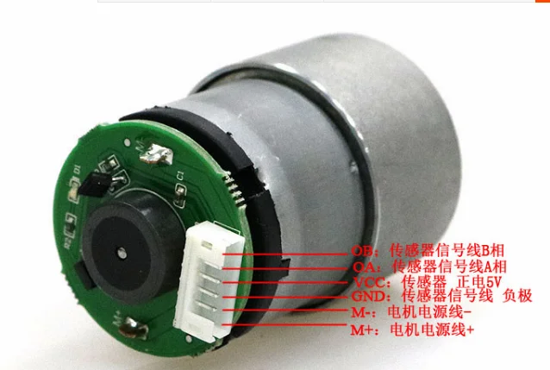
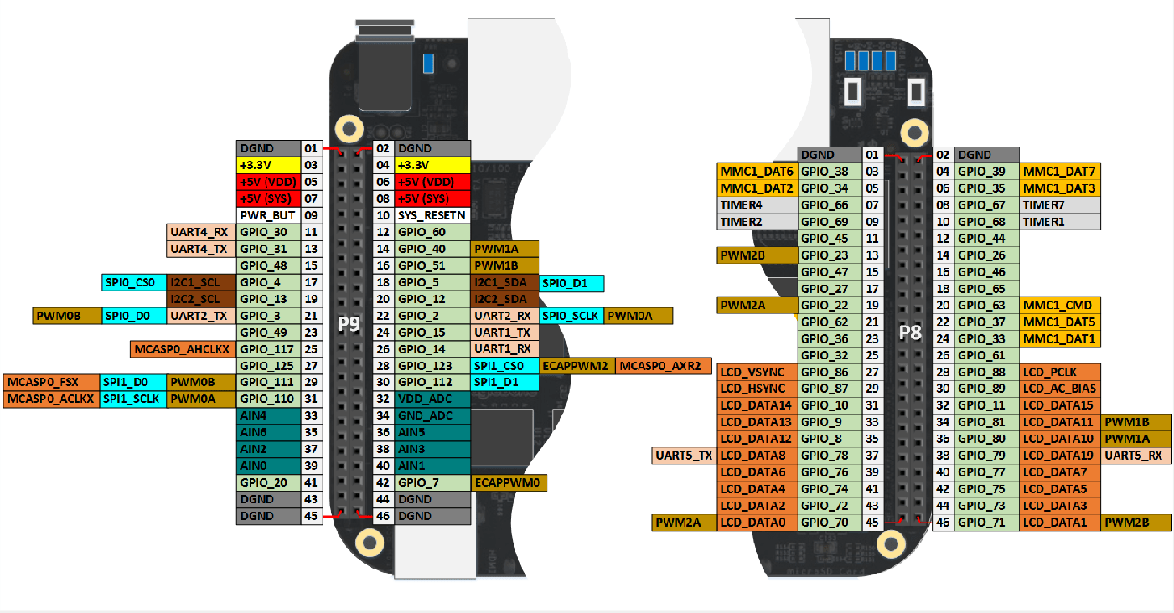
Connected to | Description | Physical Pin (BBB) | GPIO | gpiochip | line
IN1 | h-bridge pin | P8_28 | GPIO_88 | gpiochip2 | 24
IN2 | h-bridge pin | P8_26 | GPIO_61 | gpiochip1 | 29
IN3 | h-bridge pin | P8_24 | GPIO_33 | gpiochip1 | 1
IN4 | h-bridge pin | P8_22 | GPIO_37 | gpiochip1 | 5
M1_OA | motor1 encoder A pin | P8_10 | GPIO_68 | gpiochip2 | 4
M1_OB | motor1 encoder B pin | P8_08 | GPIO_67 | gpiochip2 | 3
M2_OA | motor2 encoder A pin | P8_14 | GPIO_26 | gpiochip0 | 26
M2_OB | motor2 encoder B pin | P8_12 | GPIO_44 | gpiochip1 | 12
M1_PWM | pwm signal for motor1 | P9_14 | PWM1A | - | -
M2_PWM | pwm signal for motor2 | P9_16 | PWM1B | - | -

