Model Diagram
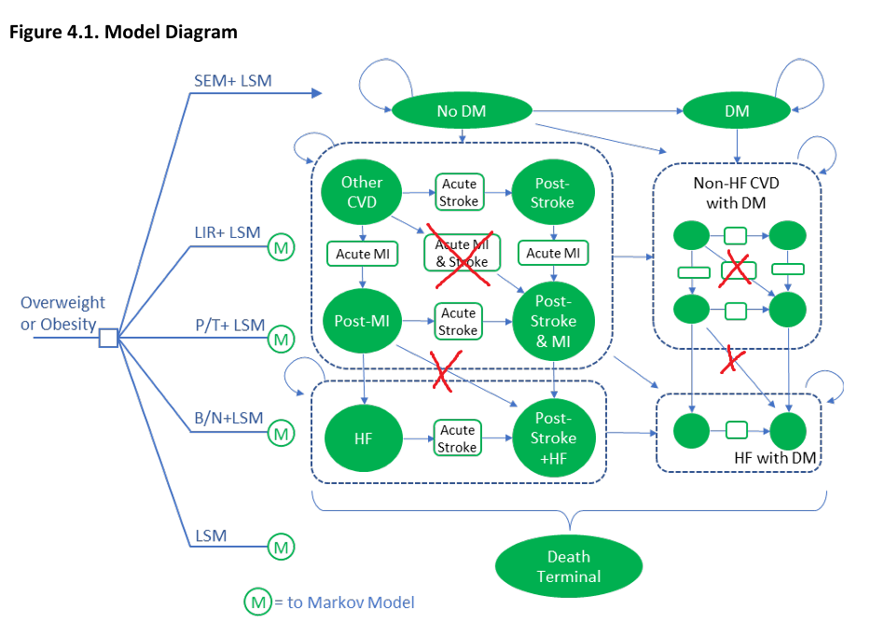

I tried to keep the model as similar to the one used in the report as possible. The main difference is that for the sake of the project I assume that only one type of CVD event occurs in a given cycle (i.e: either MI, Stroke or HF, but not more than one). As a result, some pathways are crossed out in the diagram above. Additionally, some states are split into sub-states for ease of computation (to apply disutilities only right after CVD events and distinguish between acute CVD costs and post-CVD costs), however they still logically represent a single state as portrayed in the diagram

Undiscounted_Base_Case
Extra Figure. Cost-Effectiveness Plane
Table E6 Undiscounted Base-case Results
Treatment | Undiscounted QALYs | Undiscounted Cost (USD)
Semaglutide | 28.94 | $634,184
Phentermine/Topiramate | 27.66 | $308,045
Liraglutide | 27.65 | $606,663
Bupropion/Naltrexone | 27.44 | $347,175
Lifestyle Modification | 27.37 | $305,370

Table E7. Undiscounted Incremental Results for the Base Case vs. Lifestyle Modification
Treatment | Undiscounted QALYs | Undiscounted Cost (USD)
Semaglutide | 1.58 | $328,814.18
Phentermine/Topiramate | 0.30 | $2,674.88
Liraglutide | 0.29 | $301,292.89
Bupropion/Naltrexone | 0.07 | $41,804.73
Lifestyle Modification

Table E8 Undiscounted Incremental Cost-Effectiveness Ratios for the Base Case
Treatment | Comparator | Cost per QALY gained
Semaglutide | Lifestyle Modification | $208,553.15
Phentermine/Topiramate | Lifestyle Modification | $8,963.24
Liraglutide | Lifestyle Modification | $1,050,731.62
Bupropion/Naltrexone | Lifestyle Modification | $592,170.11
Semaglutide | Phentermine/Topiramate | $255,151.91
 | Liraglutide | $21,336.01
 | Bupropion/Naltrexone | $190,571.16

Table Extra 2. Undiscounted "Full" Incremental Analysis
Treatment | Undiscounted QALYs | Undiscounted Cost (USD) | Incremental QALYs | Incremental Cost | Notes | Incremental QALYs | Incremental Cost | Notes | Incremental QALYs | Incremental Cost | ICER
Lifestyle Modification | 27.37 | $305,370.30 |  |  | P/T dominates LIR |  |  | P/T dominates B/N
Bupropion/Naltrexone | 27.44 | $347,175.03 | 0.07 | $41,804.73 |  | 0.07 | $41,804.73
Liraglutide | 27.65 | $606,663.19 | 0.22 | $259,488.16
Phentermine/Topiramate | 27.66 | $308,045.18 | 0.01 | -$298,618.00 |  | 0.23 | -$39,129.84 |  | 0.30 | $2,674.88 | $8,963.24
Semaglutide | 28.94 | $634,184.48 | 1.28 | $326,139.30 |  | 1.28 | $326,139.30 |  | 1.28 | $326,139.30 | $255,151.91

LSM preferred at WTP < $9k/QALY, P/T preferred at WTP between $9k and $255k/QALY, SEM preferred at WTP > 255k/QALY

Discounted_Base_Case
Figure E1. Cost-Effectiveness Plane
Table 4.4 Discounted Base-case Results
Treatment | Discounted QALYs | Discounted Cost (USD)
Semaglutide | 17.94 | $361,490
Phentermine/Topiramate | 17.29 | $159,812
Liraglutide | 17.25 | $342,552
Bupropion/Naltrexone | 17.19 | $182,661
Lifestyle Modification | 17.19 | $156,402

Table 4.5. Discounted Incremental Results for the Base Case vs. Lifestyle Modification
Treatment | Discounted QALYs | Discounted Cost (USD)
Semaglutide | 0.75 | $205,088.36
Phentermine/Topiramate | 0.10 | $3,410.13
Liraglutide | 0.07 | $186,149.65
Bupropion/Naltrexone | 0.00 | $26,259.04
Lifestyle Modification

Table 4.6 Incremental Cost-Effectiveness Ratios for the Base Case
Treatment | Comparator | Cost per QALY gained
Semaglutide | Lifestyle Modification | $272,046.21
Phentermine/Topiramate | Lifestyle Modification | $34,052.37
Liraglutide | Lifestyle Modification | $2,788,598.99
Bupropion/Naltrexone | Lifestyle Modification | $19,215,959.69
Semaglutide | Phentermine/Topiramate | $308,504.03
 | Liraglutide | $27,562.46
 | Bupropion/Naltrexone | $237,644.81

Table Extra 1. "Full" Incremental Analysis
Treatment | Discounted QALYs | Discounted Cost (USD) | Incremental QALYs | Incremental Cost | Notes | Incremental QALYs | Incremental Cost | Notes | Incremental QALYs | Incremental Cost | ICER
Lifestyle Modification | 17.19 | $156,402.03 |  |  | P/T dominates LIR |  |  | P/T dominates B/N
Bupropion/Naltrexone | 17.19 | $182,661.07 | 0.00 | $26,259.04 |  | 0.00 | $26,259.04
Liraglutide | 17.25 | $342,551.68 | 0.07 | $159,890.61
Phentermine/Topiramate | 17.29 | $159,812.15 | 0.03 | -$182,739.52 |  | 0.10 | -$22,848.92 |  | 0.10 | $3,410.13 | $34,052.37
Semaglutide | 17.94 | $361,490.38 | 0.65 | $201,678.23 |  | 0.65 | $201,678.23 |  | 0.65 | $201,678.23 | $308,504.03

LSM preferred at WTP < $34k/QALY, P/T preferred at WTP between $34k and $309k/QALY, SEM preferred at WTP > 309k/QALY

SEM vs LSM OWS
Tornado Diagram
Input Variable | Lower Input | Higher Input | Lower Input ICER | Higher Input ICER
Treatment Discontinuation, Semaglutide | 0.0319 | 0.0536 | $272,046 | $272,046
Cost of Acute MI | $16,462 | $41,171 | $271,029 | $270,529
Cost of HF | $10,098 | $24,115 | $271,182 | $270,299
% Female | 0.741 | 0.818 | $271,209 | $272,305
Acute MI Case Fatality | 0.0527 | 0.0985 | $273,462 | $271,112
Cost of Other CVD treatment | $10,056 | $18,498 | $273,298 | $270,796
Acute Stroke Case Fatality | 0.0561 | 0.103 | $273,358 | $270,835
Relative risk of mortality if post MI | 1.18 | 2.12 | $273,640 | $270,261
Relative risk of Mortality if diabetes | 1.14 | 1.16 | $274,203 | $269,938
Relative risk of mortality if post Stroke | 1.98 | 4.92 | $277,562 | $269,903
Relative risk of mortality if other CVD | 1.3 | 2.8 | $278,958 | $264,568
HbA1c Reduction, Semaglutide vs LSM | -0.33 | -0.27 | $263,984 | $280,735
%Weight Reduction, Semaglutide vs LSM | -0.15 | -0.125 | $252,693 | $292,518
Baseline BMI | 35 | 40 | $310,506 | $253,794
Cost of Diabetes | $7,501 | $17,418 | $295,697 | $235,925
Baseline HbA1c | 5.1 | 5.85 | $391,466 | $261,093
Disutility per BMI change | -0.00555 | -0.00111 | $214,209 | $369,029
Disutility per Age | -0.0009 | -0.0005 | $399,475 | $206,253

LIR vs LSM OWS
Tornado Diagram
 | Lower Input ICER | Higher Input ICER
Cost of Other CVD treatment | $2,797,488 | $2,779,718
% Female | $2,742,746 | $2,802,986
Baseline SBP | $2,820,458 | $2,757,908
Acute MI Case Fatality | $2,882,631 | $2,729,342
Acute Stroke Case Fatality | $2,875,265 | $2,712,407
Relative risk of mortality if post MI | $2,895,571 | $2,676,245
Relative risk of Mortality if diabetes | $2,941,617 | $2,651,487
Cost of Diabetes | $2,949,498 | $2,542,863
Relative risk of mortality if post Stroke | $3,190,983 | $2,637,044
Relative risk of mortality if other CVD | $3,313,718 | $2,359,998
HbA1c Reduction, LIR vs LSM | $2,134,961 | $4,002,114
Baseline BMI | $5,154,387 | $2,301,386
%Weight Reduction, LIR vs LSM | $1,658,768 | $8,397,567
Baseline HbA1c |  | $2,699,985
Disutility per BMI change | $1,261,767
Treatment Discontinuation, Liraglutide | $836,369
Disutility per Age |  | $620,775
Input Variable | Lower Input | Higher Input | Lower Input ICER | Higher Input ICER
Cost of Other CVD treatment | $10,056 | $18,498 | $2,797,488 | $2,779,718
% Female | 0.741 | 0.818 | $2,742,746 | $2,802,986
Baseline SBP | 124 | 126 | $2,820,458 | $2,757,908
Acute MI Case Fatality | 0.0527 | 0.0985 | $2,882,631 | $2,729,342
Acute Stroke Case Fatality | 0.0561 | 0.103 | $2,875,265 | $2,712,407
Relative risk of mortality if post MI | 1.18 | 2.12 | $2,895,571 | $2,676,245
Relative risk of Mortality if diabetes | 1.14 | 1.16 | $2,941,617 | $2,651,487
Cost of Diabetes | $7,501 | $17,418 | $2,949,498 | $2,542,863
Relative risk of mortality if post Stroke | 1.98 | 4.92 | $3,190,983 | $2,637,044
Relative risk of mortality if other CVD | 1.3 | 2.8 | $3,313,718 | $2,359,998
HbA1c Reduction, LIR vs LSM | -0.23 | -0.17 | $2,134,961 | $4,002,114
Baseline BMI | 35 | 40 | $5,154,387 | $2,301,386
%Weight Reduction, LIR vs LSM | -0.061 | -0.039 | $1,658,768 | $8,397,567
Baseline HbA1c | 5.1 | 5.85 |  | $2,699,985 | Dominated (negative ICER) when not shown
Disutility per BMI change | -0.00555 | -0.00111 | $1,261,767 |  | Dominated (negative ICER) when not shown
Treatment Discontinuation, Liraglutide | 0.0489 | 0.0675 | $836,369 |  | Dominated (negative ICER) when not shown
Disutility per Age | -0.0009 | -0.0005 |  | $620,775 | Dominated (negative ICER) when not shown

PT vs LSM OWS
Tornado Diagram
Relative risk of mortality if post MI | $34,251 | $33,835
Cost of Post MI | $34,282 | $33,776
Relative risk of mortality if other CVD | $34,383 | $33,780
% Female | $33,258 | $34,309
Relative risk of mortality if post Stroke | $34,637 | $33,432
Cost of Post Stroke | $34,746 | $33,218
Cost of Acute MI | $34,904 | $32,705
Cost of Acute Stroke | $34,993 | $32,592
Cost of HF | $35,604 | $31,655
Cost of Other CVD treatment | $39,825 | $28,285
HbA1c Reduction, P/T vs LSM | $3,100 | $81,978
Baseline BMI | $102,739 | $14,401
Baseline HbA1c | $247,554 | $26,951
Treatment Discontinuation, P/T | $15,212
Disutility per BMI change | $13,777
Disutility per Age |  | $10,265
Cost of Diabetes | $104,307
%Weight Reduction, P/T vs LSM |  | $392,394
Input Variable | Lower Input | Higher Input | Lower Input ICER | Higher Input ICER
Relative risk of mortality if post MI | 1.18 | 2.12 | $34,251 | $33,835
Cost of Post MI | $2,598 | $3,741 | $34,282 | $33,776
Relative risk of mortality if other CVD | 1.3 | 2.8 | $34,383 | $33,780
% Female | 0.741 | 0.818 | $33,258 | $34,309
Relative risk of mortality if post Stroke | 1.98 | 4.92 | $34,637 | $33,432
Cost of Post Stroke | $5,418 | $7,801 | $34,746 | $33,218
Cost of Acute MI | $16,462 | $41,171 | $34,904 | $32,705
Cost of Acute Stroke | $11,153 | $26,886 | $34,993 | $32,592
Cost of HF | $10,098 | $24,115 | $35,604 | $31,655
Cost of Other CVD treatment | $10,056 | $18,498 | $39,825 | $28,285
HbA1c Reduction, P/T vs LSM | -0.0302 | 0.0302 | $3,100 | $81,978
Baseline BMI | 35 | 40 | $102,739 | $14,401
Baseline HbA1c | 5.1 | 5.85 | $247,554 | $26,951
Treatment Discontinuation, P/T | 0.04 | 0.0806 | $15,212 |  | Less effective, less costly when not shown
Disutility per BMI change | -0.00555 | -0.00111 | $13,777 |  | Dominated (negative ICER) when not shown
Disutility per Age | -0.0009 | -0.0005 |  | $10,265 | Dominated (negative ICER) when not shown
Cost of Diabetes | $7,501 | $17,418 | $104,307 |  | Dominant (negative ICER) when not shown
%Weight Reduction, P/T vs LSM | -0.111 | -0.0715 |  | $392,394 | Dominant (negative ICER) when not shown

BN vs LSM OWS
Tornado Diagram
 | Lower Input ICER | Higher Input ICER
Baseline HbA1c
Cots of Acute MI | $19,253,082 | $19,157,255
Cost of HF | $19,278,027 | $19,120,047
Cost of Other CVD treatment | $19,452,681 | $18,979,462
Cost of Diabetes | $22,021,334 | $14,931,401
% Female | $10,661,824 | $25,527,630
Acute MI Case Fatality | $86,571,303 | $12,669,375
Relative risk of Mortality if diabetes | $91,867,576 | $10,759,078
Relative risk of mortality if post MI | $102,350,686 | $9,964,978
Relative risk of mortality if post Stroke |  | $7,197,966
Relative risk of mortality if other CVD |  | $3,796,098
Baseline BMI |  | $2,329,185
HbA1c Reduction, B/N vs LSM | $1,018,278
%Weight Reduction, B/N vs LSM | $376,195
Disutility per BMI change | $336,679
Disutility per Age |  | $112,580
Treatment Discontinuation, B/N | $101,740
Input Variable | Lower Input | Higher Input | Lower Input ICER | Higher Input ICER
Baseline HbA1c | 5.1 | 5.85 |  |  | Dominated (negative ICER) when not shown
Cots of Acute MI | $16,462 | $41,171 | $19,253,082 | $19,157,255
Cost of HF | $10,098 | $24,115 | $19,278,027 | $19,120,047
Cost of Other CVD treatment | $10,056 | $18,498 | $19,452,681 | $18,979,462
Cost of Diabetes | $7,501 | $17,418 | $22,021,334 | $14,931,401
% Female | 0.741 | 0.818 | $10,661,824 | $25,527,630
Acute MI Case Fatality | 0.0527 | 0.0985 | $86,571,303 | $12,669,375
Relative risk of Mortality if diabetes | 1.14 | 1.16 | $91,867,576 | $10,759,078
Relative risk of mortality if post MI | 1.18 | 2.12 | $102,350,686 | $9,964,978
Relative risk of mortality if post Stroke | 1.98 | 4.92 |  | $7,197,966 | Dominated (negative ICER) when not shown
Relative risk of mortality if other CVD | 1.3 | 2.8 |  | $3,796,098 | Dominated (negative ICER) when not shown
Baseline BMI | 35 | 40 |  | $2,329,185 | Dominated (negative ICER) when not shown
HbA1c Reduction, B/N vs LSM | -0.0302 | 0.0302 | $1,018,278 |  | Dominated (negative ICER) when not shown
%Weight Reduction, B/N vs LSM | -0.0604 | -0.0311 | $376,195 |  | Dominated (negative ICER) when not shown
Disutility per BMI change | -0.00555 | -0.00111 | $336,679 |  | Dominated (negative ICER) when not shown
Disutility per Age | -0.0009 | -0.0005 |  | $112,580 | Dominated (negative ICER) when not shown
Treatment Discontinuation, B/N | 0.0365 | 0.0728 | $101,740 |  | Dominated (negative ICER) when not shown

