Sayfa1
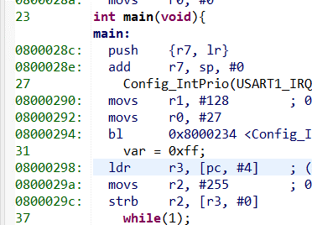
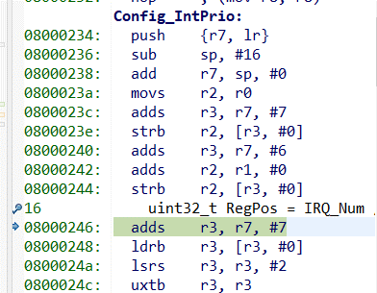
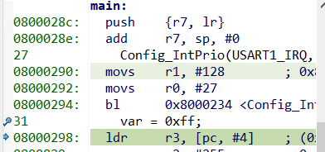
STM32L053 MCU / Analyzing stack contents during system exception exit
Stack Pointer(MSP) 0x20001ff8 | Register | Value
0x20001ff8 - 4 | xPSR | 0x10000000
0x20001ff8 - 8 | PC | 0x080002BC
0x20001ff8 - 16 | LR | 0x08000299
0x20001ff8 - 24 | R12 | 0xffffffffffff

Before the interrupt entry | Stack Frame
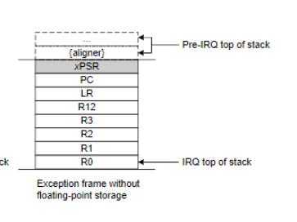
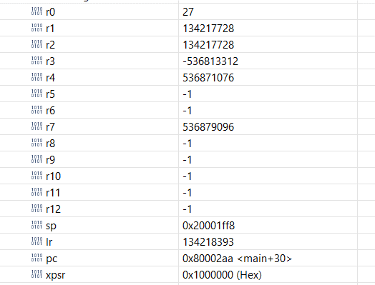

ISR entry LR value : 0xfffffff9

Analyze PC and LR register in Normal function calling
Regs | Values | Disasembly of that value
LR @Line 26 | 0x800042b | Sayfa1!A40 |  | Part of my code that indicates line numbers
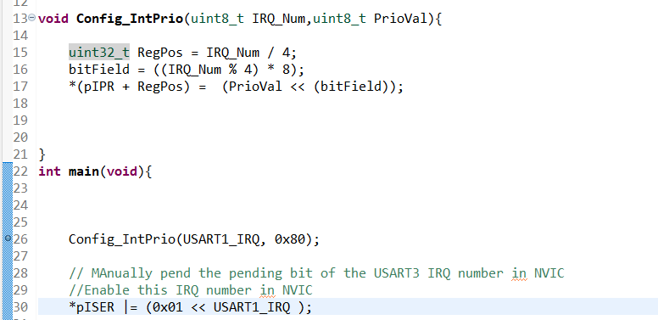
PC @Line 26 | 0x8000290 | Sayfa1!B40
LR @Line 15 | 0x8000299 | Sayfa1!B51
PC @Line 15 | 0x8000246 | Sayfa1!A50
LR @Line 17 | 0x8000299 | Sayfa1!B51
PC @Line 17 | 0x8000262
LR @Line 30 | 0x8000299 | Sayfa1!B51
PC @Line 30 | 0x8000298 | Sayfa1!A97
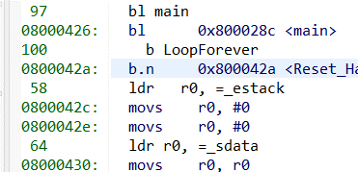

 |  |  | Explanation : LR holds the address of next instruction ,in this example before the program go into the config_IntPrio func LR loaded with the address of 26th line of the program ; PC holds the current address of the instruction .When Program wants to return from a function PC is loaded with value of the LR .

