Basic CLV Model
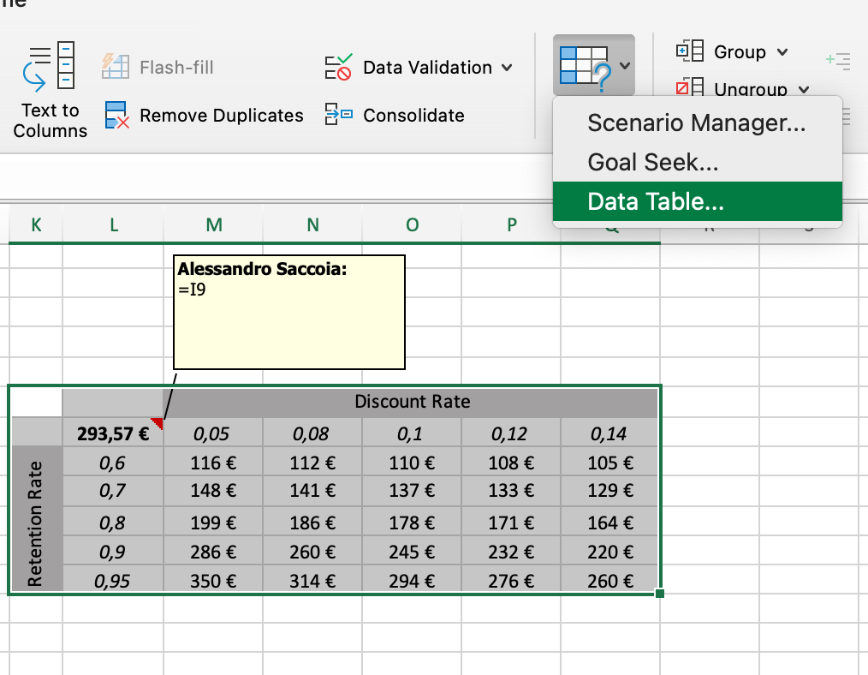
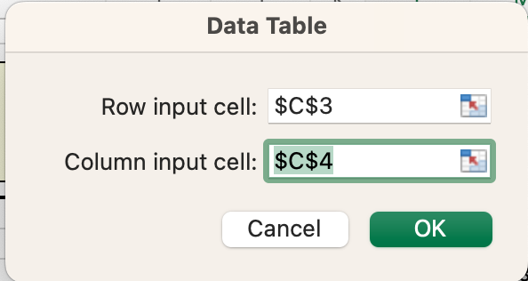
customers | 1
discount rate | 0.1
retention rate | 0.95

inputs |  |  |  |  |  |  |  |  | Discount Rate
calculations |  | Period | Customers | D.F. | Margin Multipler | 5.871 |  | 293.57 € | 0.05 | 0.08 | 0.1 | 0.12 | 0.14
 |  | 0 | 1.00 | 1.000 | Margin | 50.00 € | Retention Rate | 0.6 | 116 € | 112 € | 110 € | 108 € | 105 €
 |  | 1 | 0.95 | 0.909 | Customer Lifetime Value | 293.57 € |  | 0.7 | 148 € | 141 € | 137 € | 133 € | 129 €
 |  | 2 | 0.90 | 0.826 |  |  |  | 0.8 | 199 € | 186 € | 178 € | 171 € | 164 €
 |  | 3 | 0.86 | 0.751 |  |  |  | 0.9 | 286 € | 260 € | 245 € | 232 € | 220 €
 |  | 4 | 0.81 | 0.683 |  |  |  | 0.95 | 350 € | 314 € | 294 € | 276 € | 260 €
 |  | 5 | 0.77 | 0.621
 |  | 6 | 0.74 | 0.564
 |  | 7 | 0.70 | 0.513
 |  | 8 | 0.66 | 0.467 |  |  | Sensitivity Analysis
 |  | 9 | 0.63 | 0.424 |  |  | 1. set the top left cell to reference the cell with the final result of the computation
 |  | 10 | 0.60 | 0.386 |  |  | 2. create column and row headings for the values you want to test
 |  |  |  |  |  |  | 3. Data -> What-if Analysis -> Data Table. Row input cell to point to the input value that change the columns and viceversa

