BASE_SET
HOME | Link | https://bulbapedia.bulbagarden.net/wiki/Base_Set_(TCG)
 | Card set name | BASE SET
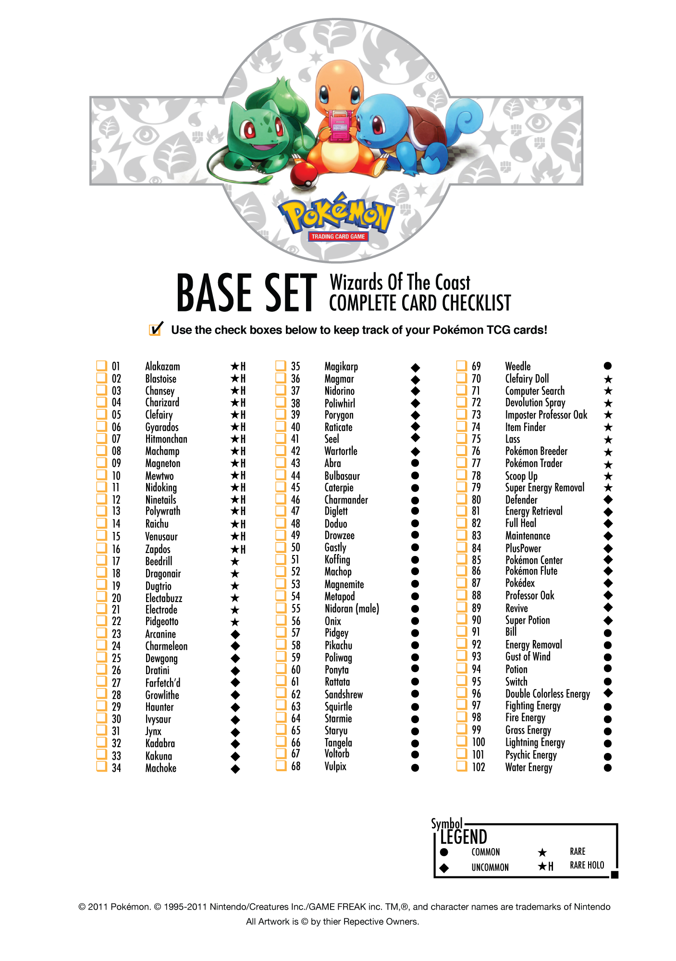
 | Rarity | No. | Card name | Type | Promotion | Quantity | yes/no | Language | 1st edition | Stamped | Reverse Holo | Condition | Estimated Value | Notes
 | Rare Holo | 1/102 | Alakazam | Psychic | - | - | Y
 | Rare Holo | 2/102 | Blastoise | Water | - | - | Y
 | Rare Holo | 3/102 | Chansey | Colorless | - | - | Y
 | Rare Holo | 4/102 | Charizard | Fire | - | - | Y
 | Rare Holo | 5/102 | Clefairy | Colorless | - | - | Y
 | Rare Holo | 6/102 | Gyarados | Water | - | - | Y
 | Rare Holo | 7/102 | Hitmonchan | Fighting | - | - | Y
 | Rare Holo | 8/102 | Machamp | Fighting | - | - | Y
 | Rare Holo | 9/102 | Magneton | Lightning | - | - | Y
 | Rare Holo | 10/102 | Mewtwo | Psychic | - | - | Y
 | Rare Holo | 11/102 | Nidoking | Grass | - | - | Y
 | Rare Holo | 12/102 | Ninetales | Fire | - | - | Y
 | Rare Holo | 13/102 | Poliwrath | Water | - | - | Y
 | Rare Holo | 14/102 | Raichu | Lightning | - | - | Y
 | Rare Holo | 15/102 | Venusaur | Grass | - | - | Y
 | Rare Holo | 16/102 | Zapdos | Lightning | - | - | Y
 | Rare | 17/102 | Beedrill | Grass | - | - | Y
 | Rare | 18/102 | Dragonair | Colorless | - | - | Y
 | Rare | 19/102 | Dugtrio | Fighting | - | - | Y
 | Rare | 20/102 | Electabuzz | Lightning | - | - | Y
 | Rare | 21/102 | Electrode | Lightning | - | - | Y
 | Rare | 22/102 | Pidgeotto | Colorless | - | - | Y
 | Uncommon | 23/102 | Arcanine | Fire | - | - | Y
 | Uncommon | 24/102 | Charmeleon | Fire | - | - | Y
 | Uncommon | 25/102 | Dewgong | Water | - | - | Y
 | Uncommon | 26/102 | Dratini | Colorless | - | - | Y
 | Uncommon | 27/102 | Farfetch'd | Colorless | - | - | Y
 | Uncommon | 28/102 | Growlithe | Fire | - | - | Y
 | Uncommon | 29/102 | Haunter | Psychic | - | - | Y
 | Uncommon | 30/102 | Ivysaur | Grass | - | - | Y
 | Uncommon | 31/102 | Jynx | Psychic | - | - | Y
 | Uncommon | 32/102 | Kadabra | Psychic | - | - | Y
 | Uncommon | 33/102 | Kakuna | Grass | - | - | Y
 | Uncommon | 34/102 | Machoke | Fighting | - | - | Y
 | Uncommon | 35/102 | Magikarp | Water | - | - | Y
 | Uncommon | 36/102 | Magmar | Fire | - | - | Y
 | Uncommon | 37/102 | Nidorino | Grass | - | - | Y
 | Uncommon | 38/102 | Poliwhirl | Water | - | - | Y
 | Uncommon | 39/102 | Porygon | Colorless | - | - | Y
 | Uncommon | 40/102 | Raticate | Colorless | - | - | Y
 | Uncommon | 41/102 | Seel | Water | - | - | Y
 | Uncommon | 42/102 | Wartortle | Water | - | - | Y
 | Common | 43/102 | Abra | Psychic | - | - | Y
 | Common | 44/102 | Bulbasaur | Grass | - | - | Y
 | Common | 45/102 | Caterpie | Grass | - | - | Y
 | Common | 46/102 | Charmander | Fire | - | - | Y
 | Common | 47/102 | Diglett | Fighting | - | - | Y
 | Common | 48/102 | Doduo | Colorless | - | - | Y
 | Common | 49/102 | Drowzee | Psychic | - | - | Y
 | Common | 50/102 | Gastly | Psychic | - | - | Y
 | Common | 51/102 | Koffing | Grass | - | - | Y
 | Common | 52/102 | Machop | Fighting | - | - | Y
 | Common | 53/102 | Magnemite | Lightning | - | - | Y
 | Common | 54/102 | Metapod | Grass | - | - | Y
 | Common | 55/102 | Nidoran♂ | Grass | - | - | Y
 | Common | 56/102 | Onix | Fighting | - | - | Y
 | Common | 57/102 | Pidgey | Colorless | - | - | Y
 | Common | 58/102 | Pikachu | Lightning | - | - | Y
 | Common | 59/102 | Poliwag | Water | - | - | Y
 | Common | 60/102 | Ponyta | Fire | - | - | Y
 | Common | 61/102 | Rattata | Colorless | - | - | Y
 | Common | 62/102 | Sandshrew | Fighting | - | - | Y
 | Common | 63/102 | Squirtle | Water | - | - | Y
 | Common | 64/102 | Starmie | Water | - | - | Y
 | Common | 65/102 | Staryu | Water | - | - | Y
 | Common | 66/102 | Tangela | Grass | - | - | Y
 | Common | 67/102 | Voltorb | Lightning | - | - | Y
 | Common | 68/102 | Vulpix | Fire | - | - | Y
 | Common | 69/102 | Weedle | Grass | - | - | Y
 | Rare | 70/102 | Clefairy Doll | T | - | - | Y
 | Rare | 71/102 | Computer Search | T | - | - | Y
 | Rare | 72/102 | Devolution Spray | T | - | - | Y
 | Rare | 73/102 | Imposter Professor Oak | T | - | - | Y
 | Rare | 74/102 | Item Finder | T | - | - | Y
 | Rare | 75/102 | Lass | T | - | - | Y
 | Rare | 76/102 | Pokémon Breeder | T | - | - | Y
 | Rare | 77/102 | Pokémon Trader | T | - | - | Y
 | Rare | 78/102 | Scoop Up | T | - | - | Y
 | Rare | 79/102 | Super Energy Removal | T | - | - | Y
 | Uncommon | 80/102 | Defender | T | - | - | Y
 | Uncommon | 81/102 | Energy Retrieval | T | - | - | Y
 | Uncommon | 82/102 | Full Heal | T | - | - | Y
 | Uncommon | 83/102 | Maintenance | T | - | - | Y
 | Uncommon | 84/102 | PlusPower | T | - | - | Y
 | Uncommon | 85/102 | Pokémon Center | T | - | - | Y
 | Uncommon | 86/102 | Pokémon Flute | T | - | - | Y
 | Uncommon | 87/102 | Pokédex | T | - | - | Y
 | Uncommon | 88/102 | Professor Oak | T | - | - | Y
 | Uncommon | 89/102 | Revive | T | - | - | Y
 | Uncommon | 90/102 | Super Potion | T | - | - | Y
 | Common | 91/102 | Bill | T | - | - | Y
 | Common | 92/102 | Energy Removal | T | - | - | Y
 | Common | 93/102 | Gust of Wind | T | - | - | Y
 | Common | 94/102 | Potion | T | - | - | Y
 | Common | 95/102 | Switch | T | - | - | Y
 | Uncommon | 96/102 | Double Colorless Energy | Colorless E | - | - | Y
 | — | 97/102 | Fighting Energy | Fighting E | - | - | Y
 | — | 98/102 | Fire Energy | Fire E | - | - | Y
 | — | 99/102 | Grass Energy | Grass E | - | - | Y
 | — | 100/102 | Lightning Energy | Lightning E | - | - | Y
 | — | 101/102 | Psychic Energy | Psychic E | - | - | Y
 | — | 102/102 | Water Energy | Water E | - | - | Y

JUNGLE
HOME | Link | https://bulbapedia.bulbagarden.net/wiki/Jungle_(TCG)
 | Card set name | JUNGLE

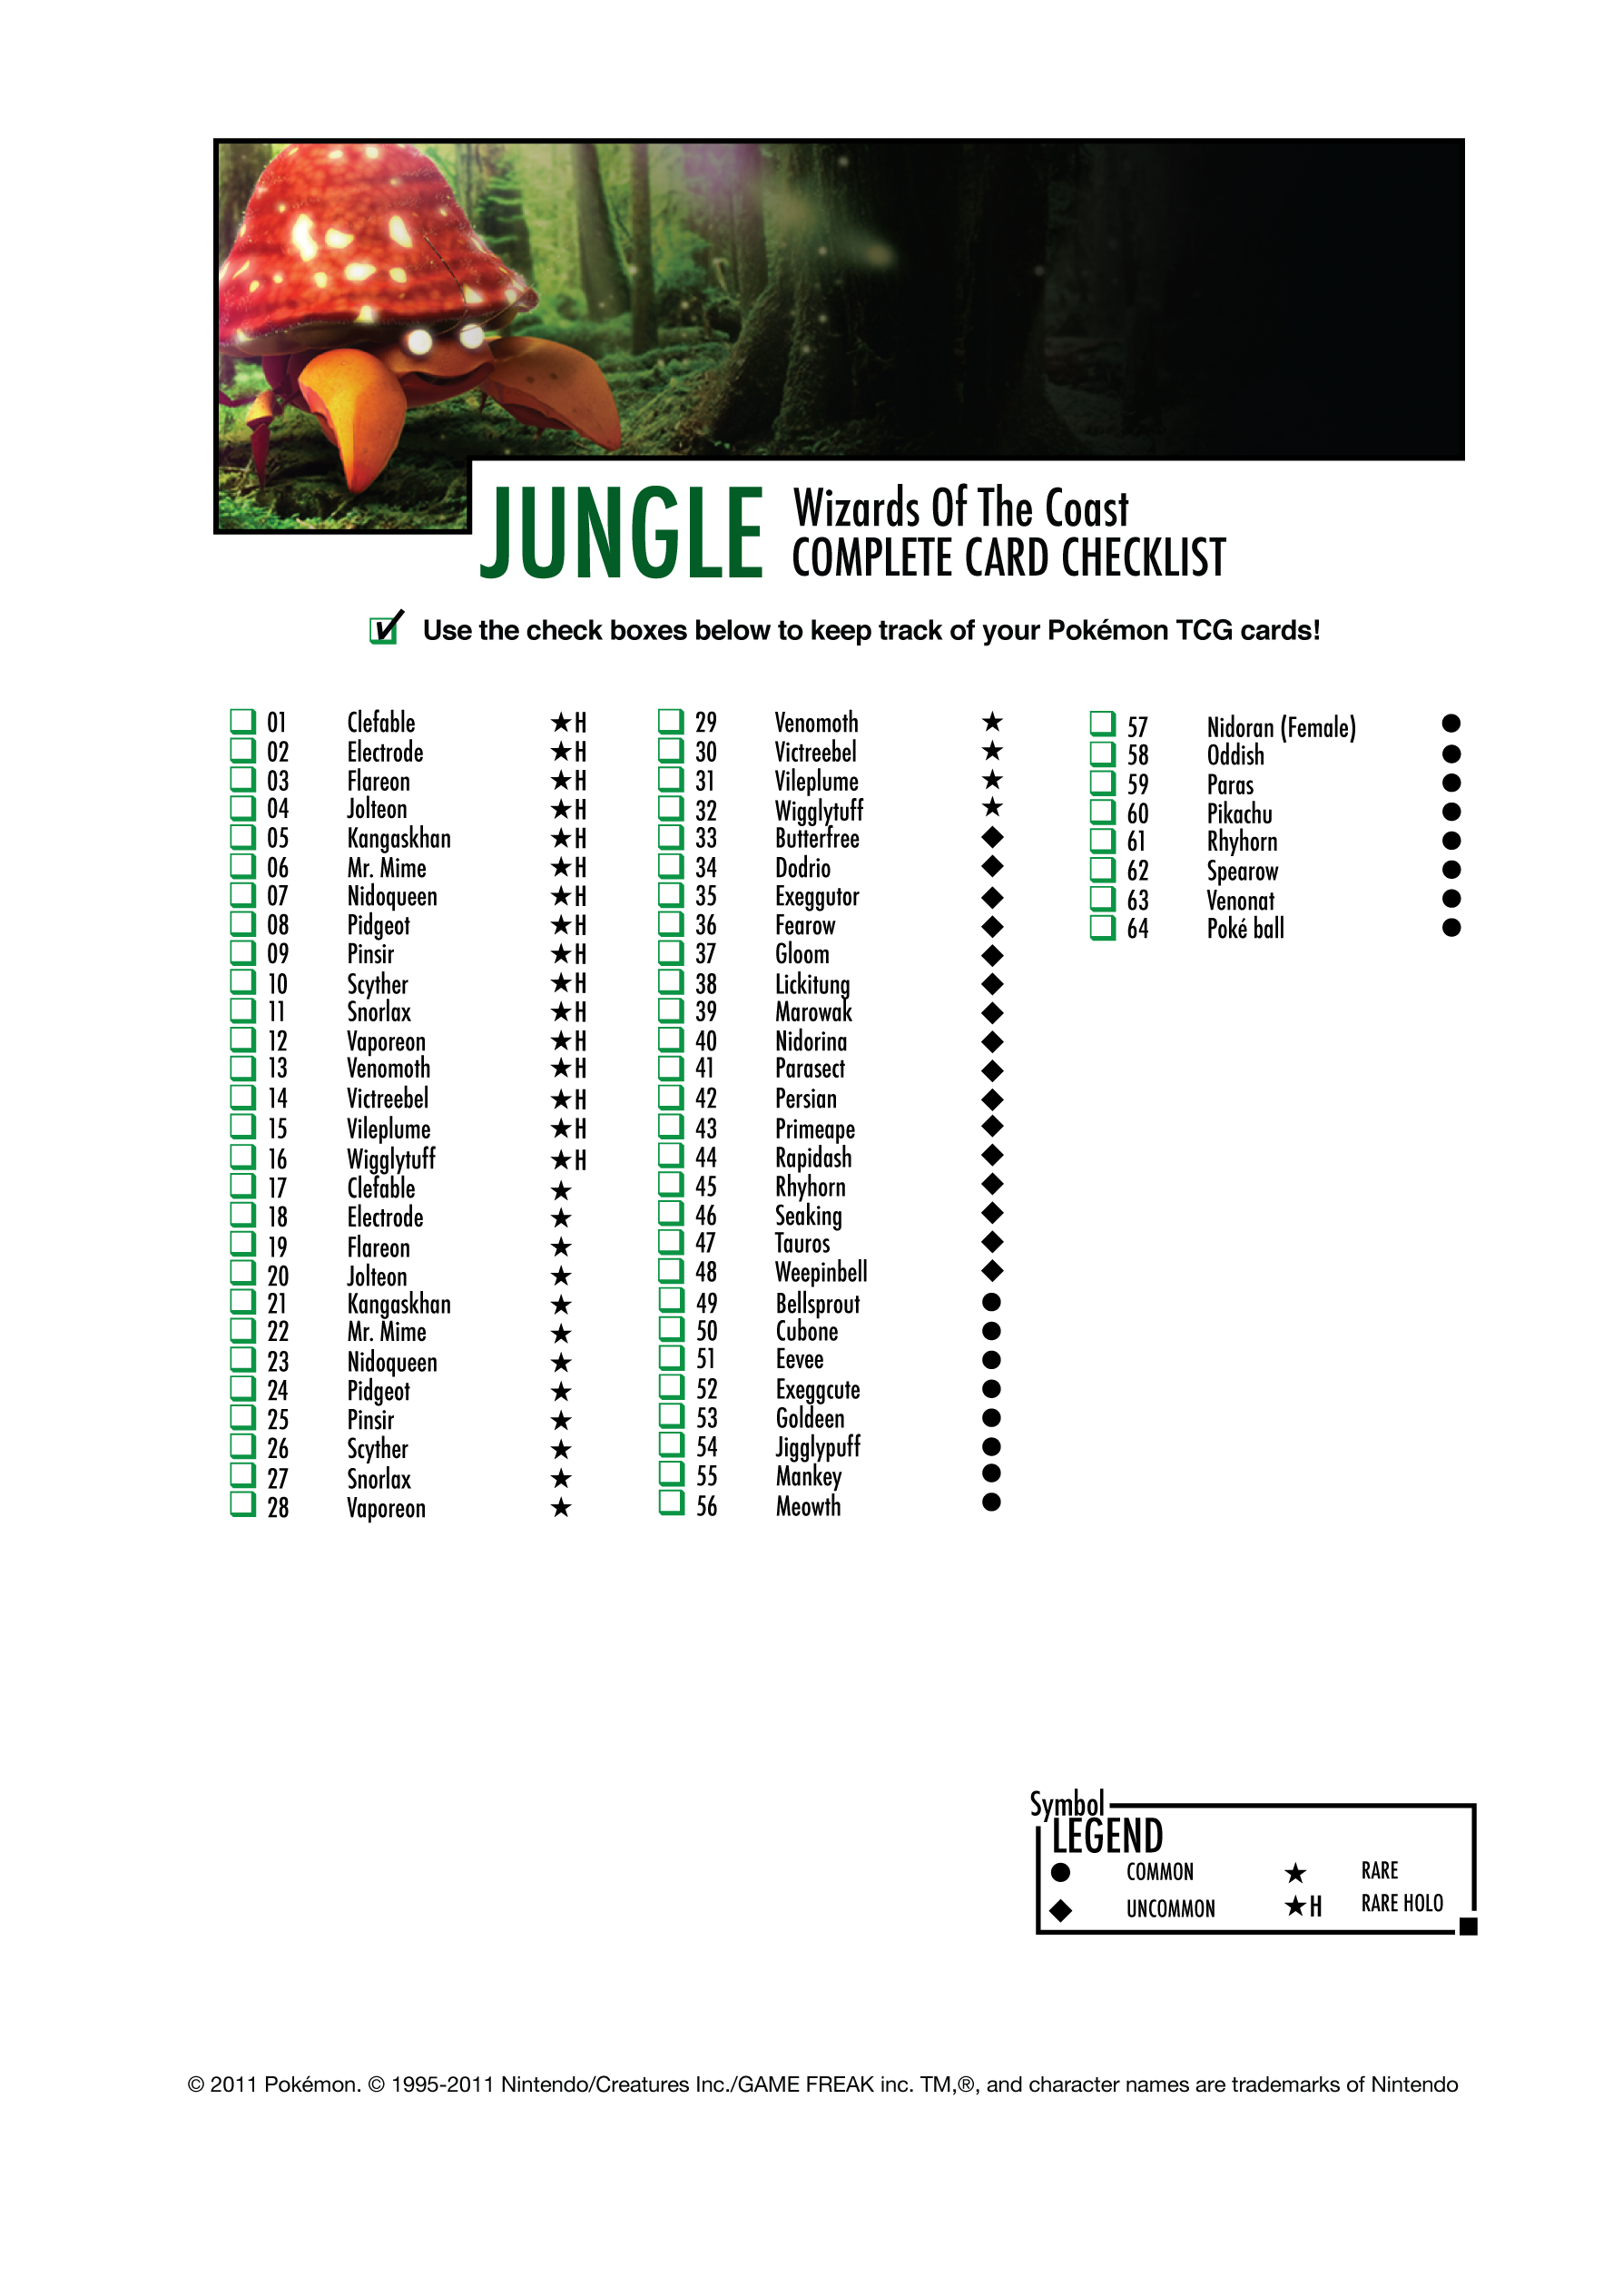
 | Rarity | No. | Card name | Type | Promotion | Quantity | yes/no | Language | 1st edition | Stamped | Reverse Holo | Condition | Estimated Value | Notes
 | Rare Holo | 1/64 | Clefable | Colorless | - | - | Y
 | Rare Holo | 2/64 | Electrode | Lightning | - | - | Y
 | Rare Holo | 3/64 | Flareon | Fire | - | -
 | Rare Holo | 4/64 | Jolteon | Lightning | - | -
 | Rare Holo | 5/64 | Kangaskhan | Colorless | - | - | Y
 | Rare Holo | 6/64 | Mr. Mime | Psychic | - | -
 | Rare Holo | 7/64 | Nidoqueen | Grass | - | - | Y
 | Rare Holo | 8/64 | Pidgeot | Colorless | - | -
 | Rare Holo | 9/64 | Pinsir | Grass | - | -
 | Rare Holo | 10/64 | Scyther | Grass | - | - | Y
 | Rare Holo | 11/64 | Snorlax | Colorless | - | -
 | Rare Holo | 12/64 | Vaporeon | Water | - | - | Y
 | Rare Holo | 13/64 | Venomoth | Grass | - | - | Y
 | Rare Holo | 14/64 | Victreebel | Grass | - | -
 | Rare Holo | 15/64 | Vileplume | Grass | - | -
 | Rare Holo | 16/64 | Wigglytuff | Colorless | - | - | Y
 | Rare | 17/64 | Clefable | Colorless | - | - | Y
 | Rare | 18/64 | Electrode | Lightning | - | - | Y
 | Rare | 19/64 | Flareon | Fire | - | - | Y
 | Rare | 20/64 | Jolteon | Lightning | - | - | Y
 | Rare | 21/64 | Kangaskhan | Colorless | - | - | Y
 | Rare | 22/64 | Mr. Mime | Psychic | - | - | Y
 | Rare | 23/64 | Nidoqueen | Grass | - | - | Y
 | Rare | 24/64 | Pidgeot | Colorless | - | - | Y
 | Rare | 25/64 | Pinsir | Grass | - | - | Y
 | Rare | 26/64 | Scyther | Grass | - | - | Y
 | Rare | 27/64 | Snorlax | Colorless | - | - | Y
 | Rare | 28/64 | Vaporeon | Water | - | - | Y
 | Rare | 29/64 | Venomoth | Grass | - | - | Y
 | Rare | 30/64 | Victreebel | Grass | - | -
 | Rare | 31/64 | Vileplume | Grass | - | - | Y
 | Rare | 32/64 | Wigglytuff | Colorless | - | - | Y
 | Uncommon | 33/64 | Butterfree | Grass | - | - | Y
 | Uncommon | 34/64 | Dodrio | Colorless | - | - | Y
 | Uncommon | 35/64 | Exeggutor | Grass | - | - | Y
 | Uncommon | 36/64 | Fearow | Colorless | - | - | Y
 | Uncommon | 37/64 | Gloom | Grass | - | - | Y
 | Uncommon | 38/64 | Lickitung | Colorless | - | - | Y
 | Uncommon | 39/64 | Marowak | Fighting | - | - | Y
 | Uncommon | 40/64 | Nidorina | Grass | - | - | Y
 | Uncommon | 41/64 | Parasect | Grass | - | - | Y
 | Uncommon | 42/64 | Persian | Colorless | - | - | Y
 | Uncommon | 43/64 | Primeape | Fighting | - | - | Y
 | Uncommon | 44/64 | Rapidash | Fire | - | - | Y
 | Uncommon | 45/64 | Rhydon | Fighting | - | - | Y
 | Uncommon | 46/64 | Seaking | Water | - | - | Y
 | Uncommon | 47/64 | Tauros | Colorless | - | - | Y
 | Uncommon | 48/64 | Weepinbell | Grass | - | - | Y
 | Common | 49/64 | Bellsprout | Grass | - | - | Y
 | Common | 50/64 | Cubone | Fighting | - | - | Y
 | Common | 51/64 | Eevee | Colorless | - | - | Y
 | Common | 52/64 | Exeggcute | Grass | - | - | Y
 | Common | 53/64 | Goldeen | Water | - | - | Y
 | Common | 54/64 | Jigglypuff | Colorless | - | - | Y
 | Common | 55/64 | Mankey | Fighting | - | - | Y
 | Common | 56/64 | Meowth | Colorless | - | - | Y
 | Common | 57/64 | Nidoran♀ | Grass | - | - | Y
 | Common | 58/64 | Oddish | Grass | - | - | Y
 | Common | 59/64 | Paras | Grass | - | - | Y
 | Common | 60/64 | Pikachu | Lightning | - | - | Y
 | Common | 61/64 | Rhyhorn | Fighting | - | - | Y
 | Common | 62/64 | Spearow | Colorless | - | - | Y
 | Common | 63/64 | Venonat | Grass | - | - | Y
 | Common | 64/64 | Poké Ball | T | - | - | Y

BEST_OF_GAME
HOME | https://bulbapedia.bulbagarden.net/wiki/Best_of_Game_(TCG)
 | Best of Game

 | Rarity | No. | Card name | Type | Promotion | Quantity | yes/no | Language | 1st edition | Stamped | Reverse Holo | Condition | Estimated Value | Notes
 |  | 1 | Electabuzz | Lightning | BattleZone (December 2002) | -
 |  |  | Electabuzz [Winner] |  |  | -
 |  |  | Electabuzz [Winner] (Jumbo) |  |  | -
 |  | 2 | Hitmonchan | Fighting | BattleZone (February 2003) | -
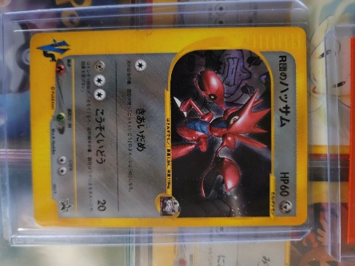
 |  |  | Hitmonchan [Winner] |  |  | -
 |  |  | Hitmonchan [Winner] (Jumbo) |  |  | -
 |  | 3 | Professor Elm | T | Gencon 2003 | -
 |  | 4 | Rocket's Scizor | Metal | BattleZone (March 2003) | - | Y
 |  |  | Rocket's Scizor [Winner] |  |  | -
 |  |  | Rocket's Scizor [Winner] (Jumbo) |  |  | -
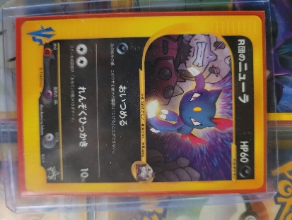
 |  | 5 | Rocket's Sneasel | Darkness | BattleZone (January 2003) | - | Y
 |  |  | Rocket's Sneasel [Winner] |  |  | -
 |  |  | Rocket's Sneasel [Winner] (Jumbo) |  |  | -
 |  | 6 | Dark Ivysaur | Grass | BattleZone (April 2003) | -
 |  |  | Dark Ivysaur [Winner] |  |  | -
 |  |  | Dark Ivysaur [Winner] (Jumbo) |  |  | -
 |  | 7 | Dark Venusaur | Grass | BattleZone (May 2003) | -
 |  |  | Dark Venusaur [Winner] |  |  | -
 |  |  | Dark Venusaur [Winner] (Jumbo) |  |  | -
 |  | 8 | Rocket's Mewtwo [Winner] | Psychic | BattleZone (June 2003) | -
 |  |  | Rocket's Mewtwo [Winner] (Jumbo) |  |  | -
 |  | 9 | Rocket's Hitmonchan [Winner] | Fighting | BattleZone (July 2003) | -
 |  |  | Rocket's Hitmonchan [Winner] (Jumbo) |  |  | -

UNNUMBERED_OWNER
HOME | https://bulbapedia.bulbagarden.net/wiki/Unnumbered_Promotional_cards_(TCG)/1996-2005
 | Unnumbered owner

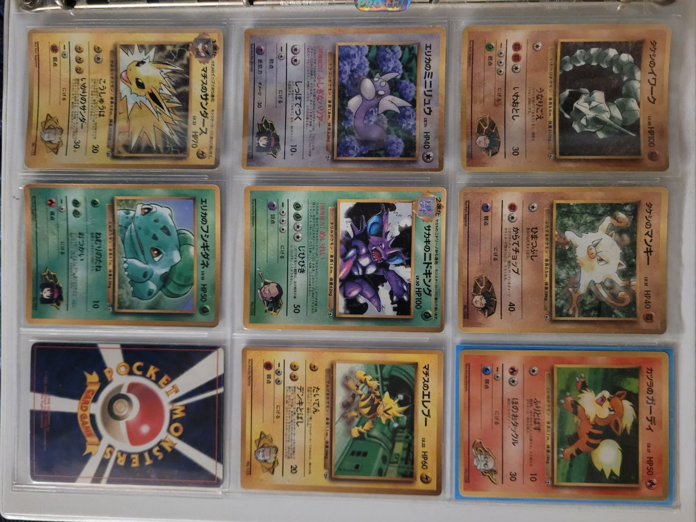
 | Rarity | No. | Card name | Type | Promotion | Quantity | yes/no | Language | 1st edition | Stamped | Reverse Holo | Condition | Estimated Value | Notes
 |  | — | Brock's Onix | Fighting | CoroCoro Comic March 1998 issue insert (February 15, 1998) | - | Y
 |  | — | Misty's Staryu | Water | CoroCoro Comic March 1998 issue insert (February 15, 1998) | -
 |  | — | Pikachu's Summer Vacation [Jumbo] | Lightning | CoroCoro Comic June 1998 issue insert (May 15, 1998) | -
 |  | — | Lt. Surge's Electabuzz | Lightning | CoroCoro Comic August 1998 issue insert (July 15, 1998) | - | Y
 |  | — | Erika's Dratini | Colorless | CoroCoro Comic August 1998 issue insert (July 15, 1998) | - | Y
 |  | — | _____'s Pikachu | Lightning | All Card Calendar (November 5, 1998) | -
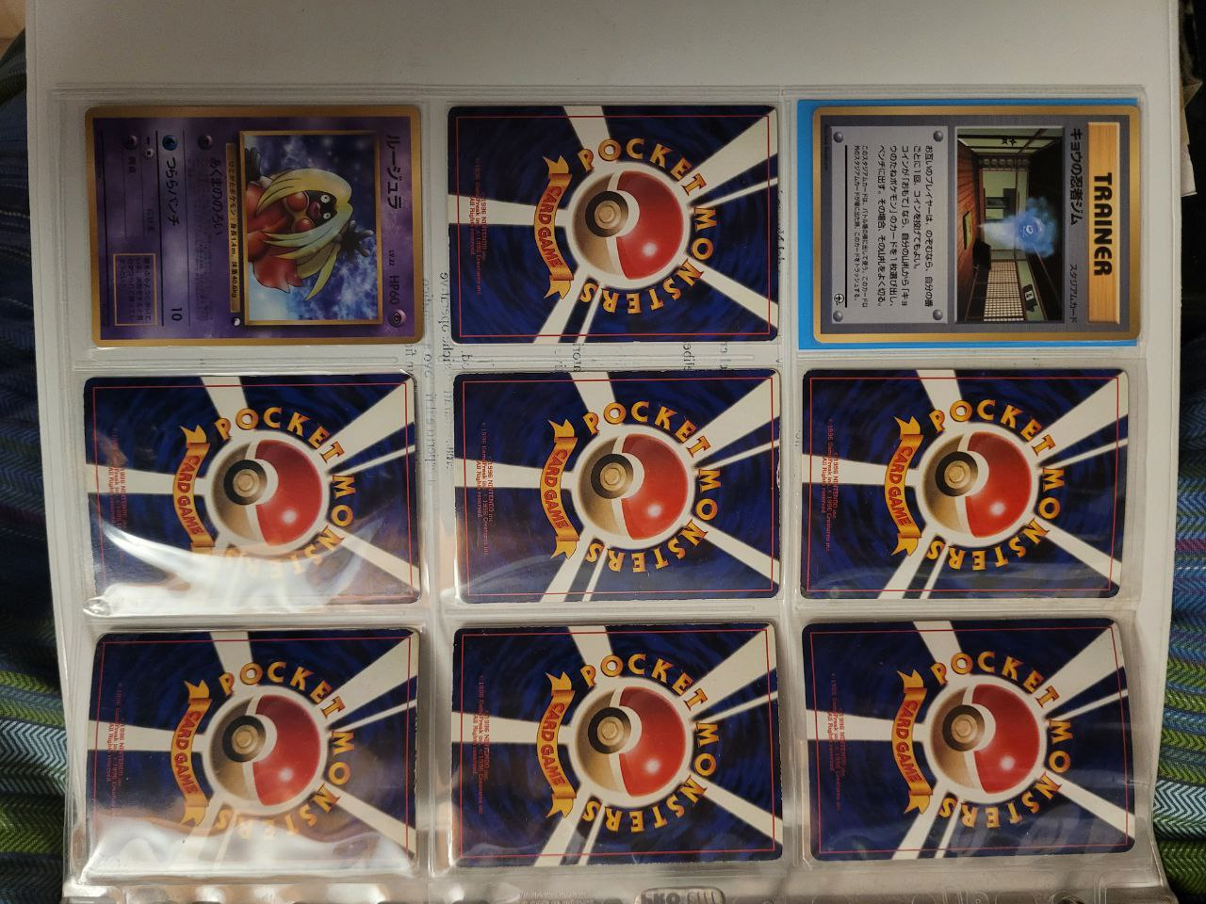
 |  | — | Brock's Mankey | Fighting | CoroCoro Comic December 1998 issue insert (November 15, 1998) | - | Y
 |  | — | Erika's Bulbasaur | Grass | CoroCoro Comic December 1998 issue insert (November 15, 1998) | - | Y
 |  | — | Misty's Tentacool | Water | CoroCoro Comic December 1998 issue insert (November 15, 1998) | -
 |  | — | Lt. Surge's Jolteon | Lightning | CoroCoro Comic December 1998 issue insert (November 15, 1998) | - | Y
 |  | — | Blaine's Growlithe | Fire | CoroCoro Comic March 1999 issue insert (February 15, 1999) | - | Y
 |  | — | Sabrina's Abra | Psychic | CoroCoro Comic March 1999 issue insert (February 15, 1999) | -
 |  | — | Giovanni's Nidoking | Grass | CoroCoro Comic August 1999 issue insert (July 15, 1999) | - | Y
 |  | — | Koga's Ninja Gym | T [St] | CoroCoro Comic August 1999 issue insert (July 15, 1999) | - | Y
 |  | — | Hama-chan's Slowking | Psychic | CoroCoro Comic September 1999 issue insert (August 15, 1999) | -
 |  | — | Misty's Treatment | T | Riding on Lapras CD insert (August 21, 1999) | -
 |  | — | Team Rocket's Meowth | Colorless | Meowth's Party CD insert (October 27, 1999) | -
 |  | — | Crystal Tower's Entei [Jumbo] | Fire | CoroCoro Comic August 2000 issue insert (July 15, 2000) | -
 |  | — | Great Rocket's Mewtwo | Psychic | Pokémon Trading Card Game 2: The Invasion of Team GR! insert | -
 |  | — | Pryce's Lapras | Water | Pokémon Card Information Vol. 3 insert (July 19, 2001) | -
 |  | — | _____'s Pikachu | Lightning | How I Became a Pokémon Card Vol. 6 insert (September 23, 2001) | -

