crop_species_picture
On picture sample
 |  | number of images |  | comparison | Results of CNN VGG16 - Train (80%)/Val(10%)/Test(10%) - random images - 20 times | Results of CNN VGG16 - images from same video in train/val/test - 20 times
 |  | histogram | megadetector | Better method ? Why ? |  |  | Train for hist and mega | + Train for hist | + Train for mega
Day | maille07_chamois_x1_jour.MP4 | 27 | 45 | mega (not retained shadow) | histogram | histogram - train (296) val (168) test (15) | maille07_chamois_x1_jour.MP4 | maille41_lievre-d'Europe_x1_nuit.MP4 | maille39_lievre-d'Europe_x1_nuit.MP4
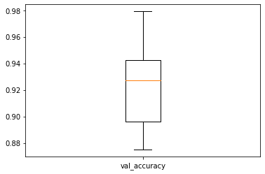
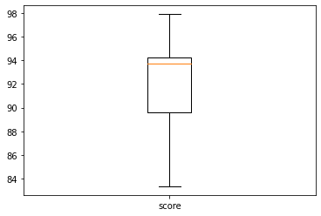
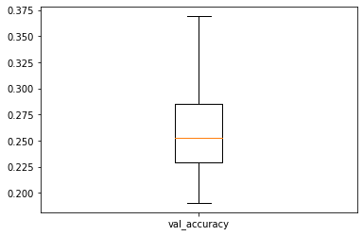
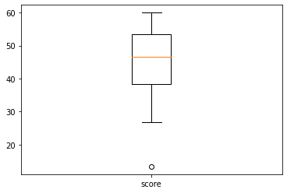
 | maille55_chien+humain_jour.MP4 | 12 | 18 | mega (retained chien) |  |  | maille55_chevreuil_x1_jour.MP4
 | maille55_chevreuil_x1_jour.MP4 | 30 | 56 | mega (more images retained) |  |  | maille54_bouquetin-male_x1_jour.MP4
 | maille54_bouquetin-male_x1_jour.MP4 | 18 | 23 | mega (more images retained) |  |  | maille86_cerf_x2_jour.MP4
 | maille87_biche_x1_jour.MP4 | 11 | 12 | mega (not empty) |  |  | maille86_biche_x4_jour.MP4
 | maille86_cerf_x2_jour.MP4 | 17 | 71 | mega (more images retained) |  |  | maille22_renard_x1_jour.MP4
 | maille86_biche_x4_jour.MP4 | 14 | 150 | mega (more images retained but some branches) |  |  | maille103_loup_x2_jour.MP4
 | maille07_chamois_x22_jour.MP4 | 63 | 12 | mega (not branches only animals, only branches with histogram) |  |  | maille86_humain_x2_jour.MP4
 | maille22_renard_x1_jour.MP4 | 15 | 18 | mega (more images retained) |  |  | maille56_ecureuil_x1_jour.MP4
 | maille103_loup_x2_jour.MP4 | 10 | 16 | mega (whole animal and more images retained) |  |  | maille55_lievre-variable_x1_nuit.MP4
 | maille86_humain_x2_jour.MP4 | 53 | 134 | hist (not branches) |  |  | maille57_martre_x1_nuit.MP4
 | maille56_ecureuil_x1_jour.MP4 | 3 | 4 | similar (+1 for mega because of 1st image) |  |  | maille86_blaireau_x1_nuit.MP4
Night | maille41_loup_x1_nuit.MP4 | 5 | 5 | mega (whole animal) | megadetector | megadetector - train (607) val (105) test (17) | maille86_sanglier_x1_nuit.MP4
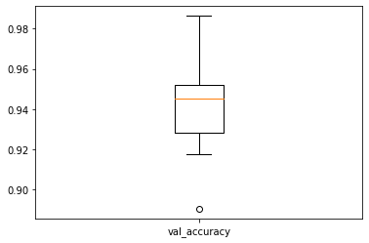
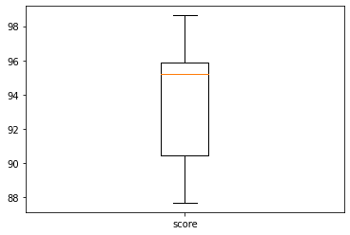
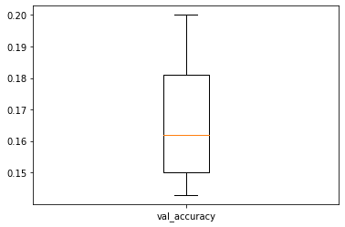
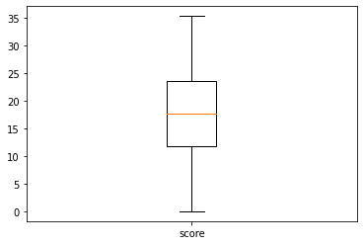
 | maille39_lievre-variable_x1_nuit.MP4 | 10 | 12 | mega (more images retained) |  |  | Validation for hist and mega | + Validation for hist | + Validation for mega
 | maille55_lievre-variable_x1_nuit.MP4 | 14 | 14 | similar (but 2 images retained different) |  |  | maille55_loup_x2_nuit.MP4 | maille39_lievre-d'Europe_x1_nuit.MP4 | maille41_lievre-d'Europe_x1_nuit.MP4
 | maille54_lievre-variable_x1_nuit.MP4 | 3 | 3 | similar (but 2 images retained different) |  |  | maille55_renard_x1_nuit.MP4
 | maille39_lievre-d'Europe_x1_nuit.MP4 | 18 | 14 | similar (more images retained for hist but 2 empty) |  |  | maille55_chien+humain_jour.MP4
 | maille41_lievre-d'Europe_x1_nuit.MP4 | 1 | 0 | hist |  |  | maille87_biche_x1_jour.MP4
 | maille24_chevreuil_x1_nuit.MP4 | 44 | 40 | mega (whole animal) |  |  | maille07_chamois_x22_jour.MP4
 | maille57_martre_x1_nuit.MP4 | 8 | 7 | mega (whole animal) |  |  | maille24_chevreuil_x1_nuit.MP4
 | maille86_blaireau_x1_nuit.MP4 | 64 | 28 | mega (not empty) |  |  | maille54_lievre-variable_x1_nuit.MP4
 | maille86_sanglier_x1_nuit.MP4 | 22 | 27 | mega (more images retained) |  |  | Test for hist and mega
 | maille55_loup_x2_nuit.MP4 | 12 | 14 | mega (more images retained) |  |  | maille41_loup_x1_nuit.MP4
 | maille55_renard_x1_nuit.MP4 | 5 | 6 | similar (+1 for mega because of 1st image) |  |  | maille39_lievre-variable_x1_nuit.MP4
 |  | 479 | 729
 |  | not 1st image | 1st image
 |  | not background | background |  |  |  | notice : if train/val/test of hist method similar to mega method results are similar

