2.UserEnrollment
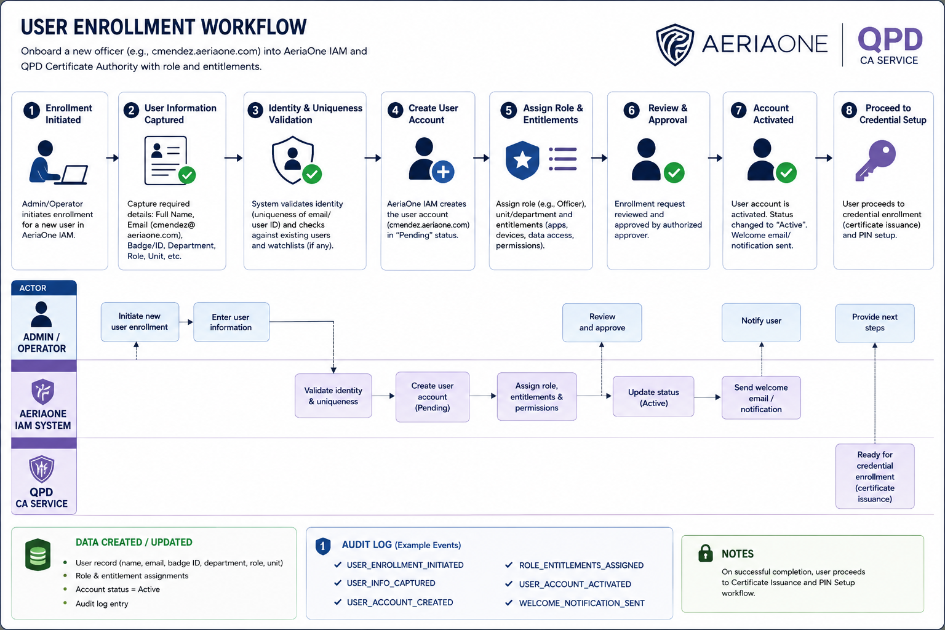
2. User Enrollment
Step | Workflow Stage | Responsible Actor | Description | Security / IAM Purpose | Output / State
1 | Enrollment Initiated | QPD Admin / Operator | An authorized administrator initiates enrollment of a new officer into AeriaOne IAM. Example identity: cmendez.aeriaone.com. | Ensures user creation originates from an authorized administrative process. | Enrollment request created
2 | User Information Captured | QPD Admin / Operator | Required information is entered, such as full name, badge/service ID, department, unit, role and proposed AeriaOne identity. | Establishes the authoritative organizational identity that will be represented within AeriaOne. | User identity information recorded
3 | Identity & Uniqueness Validation | AeriaOne IAM | IAM validates required information and checks that identifiers such as badge ID and cmendez.aeriaone.com are unique. Additional organizational validation may also be performed. | Prevents duplicate, conflicting or unauthorized identities from being created. | Identity validated
4 | User Account Created | AeriaOne IAM | IAM creates cmendez.aeriaone.com. The account is initially placed in Pending state. | Establishes the user's logical identity without prematurely granting operational access. | cmendez.aeriaone.com — Pending
5 | Role & Entitlements Assigned | AeriaOne IAM / Authorized Admin | The user is associated with the QPD tenant and assigned the appropriate role, unit and permissions. For example: Police Officer, recording permitted, evidence upload permitted and administration denied. | Separates identity from authorization and applies least-privilege access. | Roles and entitlements assigned
6 | Review & Approval | Authorized QPD Approver | The enrollment request, identity and assigned privileges are reviewed and approved. Preferably, the approver is different from the administrator who initiated enrollment. | Provides governance and maker-checker control over creation of operational identities. | Enrollment approved
7 | Account Activated | AeriaOne IAM | Following approval, IAM changes the account state from Pending → Active and records the activation. | Establishes that the organizational identity is now valid and eligible for credential provisioning. | cmendez.aeriaone.com — Active
8 | Proceed to Credential Provisioning | AeriaOne IAM / PKI / QPD CA | The active identity is handed to the credential-enrollment process. A user key pair and certificate can subsequently be provisioned to an authorized Android device. | Transitions from a logical IAM identity to a cryptographically verifiable user identity. | Ready for User Certificate Issuance
9 | Certificate Issuance (Next Workflow) | QPD CA / AeriaOne PKI | A hardware-backed/non-exportable user private key should be generated on the approved device, followed by certificate issuance for cmendez.aeriaone.com. | Cryptographically binds a protected key to the authorized user identity. | User certificate provisioned
10 | PIN / Passcode Setup (Next Workflow) | User / Android Application | The officer establishes the PIN/passcode used to authorize local use of the protected credential. | Provides a user-presence/knowledge control without requiring the username to be repeatedly entered. | Operational credential protected by PIN/passcode

 | Component | What It Establishes
 | AeriaOne IAM | cmendez.aeriaone.com is a valid user belonging to the Quezon Police Department tenant.
 | Authorization / RBAC | Determines what cmendez.aeriaone.com is permitted to do.
 | PKI / QPD CA | Establishes that a cryptographic key and certificate represent cmendez.aeriaone.com.
 | Device Identity | Establishes that the Android handset, body camera or smart goggles is an approved AeriaOne/QPD device.
 | Device Binding | Establishes the authorized relationship between cmendez.aeriaone.com and a particular device.
 | Application Trust | Establishes that the installed APK is an authentic, approved AeriaOne application/version.
 | PIN / Passcode | Allows Mendez to locally authorize use of his provisioned credential without repeatedly entering his username.
 | Backend Session | Combines user, device, application, tenant and authorization state into a short-lived operational session.

3.4.UserCertIssue&Creds
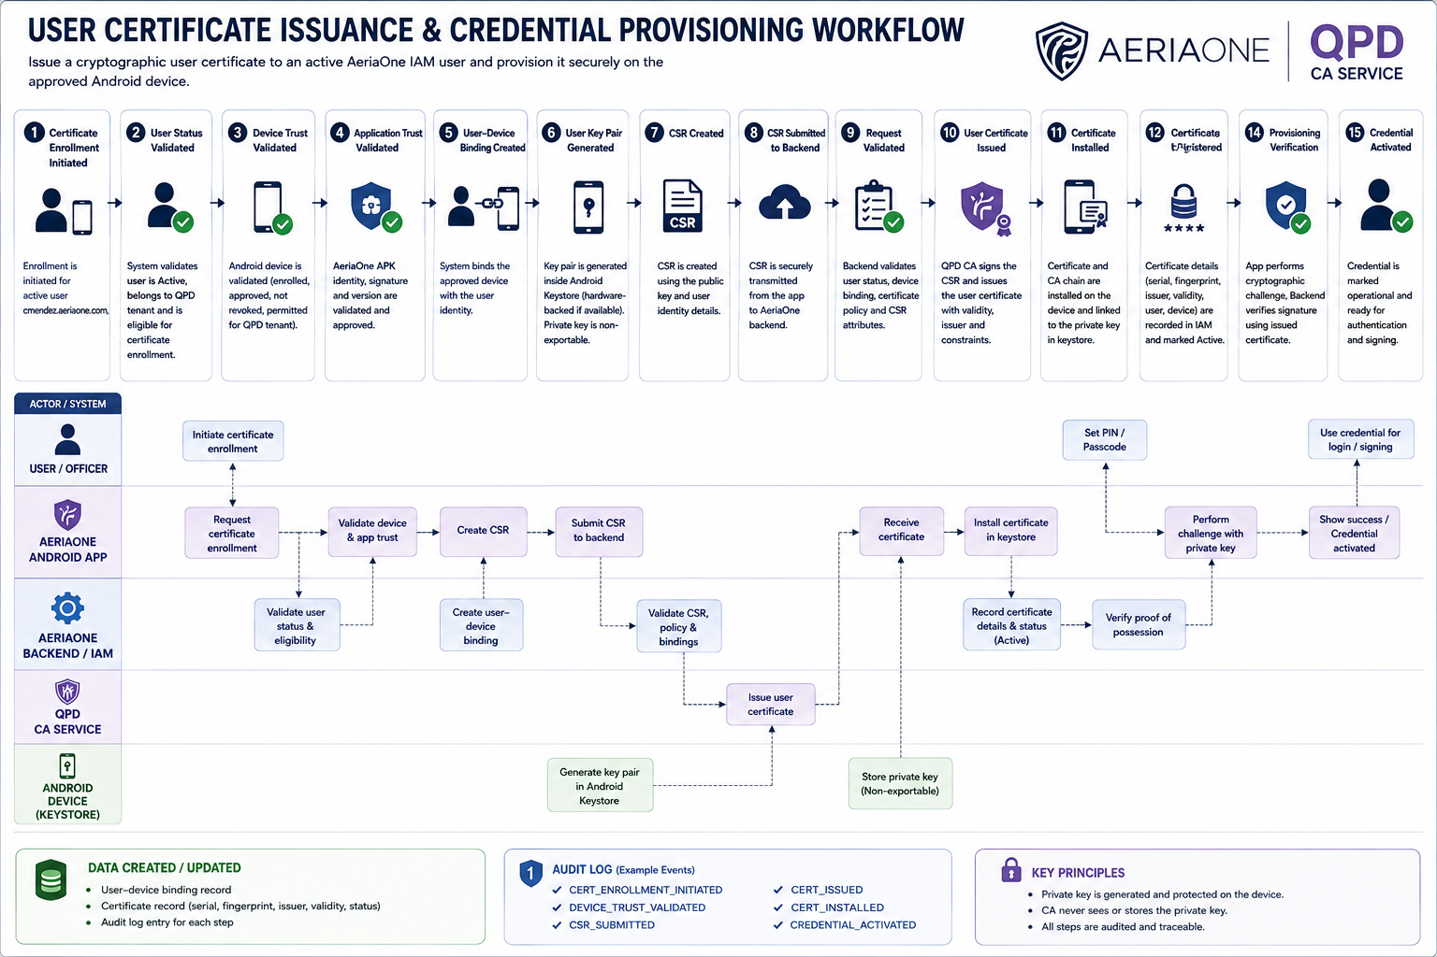
3. User Certificate Issuance 4. User PIN / Password Setup
Step | Workflow Stage | Responsible Actor | Description | Security / IAM Purpose | Output / State
1 | Certificate Enrollment Initiated | AeriaOne IAM / User | Certificate enrollment is initiated for the already active identity cmendez.aeriaone.com. | Ensures certificates can only be requested for an existing, active and authorized IAM identity. | Certificate enrollment request created
2 | User Status Validated | AeriaOne IAM | IAM confirms that cmendez.aeriaone.com is Active, belongs to the QPD tenant and remains authorized for certificate enrollment. | Prevents suspended, revoked, terminated or unauthorized users from obtaining credentials. | User authorization confirmed
3 | Device Trust Validated | AeriaOne IAM / Device Service | The Android device is checked to ensure that it is enrolled, approved, not revoked and permitted for the QPD tenant. | Prevents a legitimate user certificate from being provisioned onto an unauthorized device. | Device trust confirmed
4 | Application Trust Validated | AeriaOne Backend / APK Trust Service | The installed AeriaOne APK identity, signing information, approved version and application status are validated. | Prevents credential provisioning through modified, counterfeit, revoked or unsupported applications. | Application trust confirmed
5 | User–Device Binding Created | AeriaOne IAM | IAM establishes that the approved Android device is authorized for use by cmendez.aeriaone.com. | Creates an explicit relationship between the human identity and the device without treating the device itself as the user's identity. | User ↔ Device binding established
6 | User Key Pair Generated | Android Device / Android Keystore | A cryptographic key pair is generated locally, preferably using hardware-backed Android Keystore/StrongBox where supported. The private key is configured as non-exportable. | Ensures the user's private key is generated and remains protected on the authorized device. | User private/public key pair created
7 | Certificate Signing Request Created | AeriaOne APK / Android Keystore | The application creates a CSR containing the public key and appropriate identity information associated with cmendez.aeriaone.com. | Allows the CA to certify the public key without receiving the private key. | CSR generated
8 | Certificate Request Submitted | AeriaOne APK / Backend | The CSR is transmitted through the authenticated AeriaOne backend to the certificate service together with the relevant enrollment context. | Prevents arbitrary devices from directly requesting trusted AeriaOne/QPD user certificates. | Certificate request received
9 | Certificate Request Validated | AeriaOne IAM / PKI Service | The backend verifies user status, tenant, device binding, certificate policy and the validity of the certificate request. | Ensures the CA issues a credential only when all required trust conditions are satisfied. | Certificate request approved
10 | User Certificate Issued | QPD CA / AeriaOne PKI | The CA signs the user's public key and issues a certificate representing cmendez.aeriaone.com, including validity period, issuer, serial number and appropriate usage constraints. | Cryptographically binds the approved user identity to the generated public key. | User certificate issued
11 | Certificate Installed | Android Device / Android Keystore | The issued certificate and required certificate chain are returned to the device and associated with the previously generated private key. | Completes the cryptographic credential without exporting or transmitting the private key. | Certificate + private key available in protected keystore
12 | Certificate Registration | AeriaOne IAM / PKI | IAM records certificate serial number, fingerprint, issuer, validity dates, user identity, device association and current status. | Allows centralized certificate lifecycle management, lookup, expiration monitoring and revocation. | Certificate registered as Active
13 | PIN / Passcode Setup | User / AeriaOne APK | Mendez establishes or confirms the local PIN/passcode used by the AeriaOne application to authorize access to the provisioned credential. | Provides the user knowledge factor while avoiding repeated entry of cmendez.aeriaone.com. | Local credential access configured
14 | Provisioning Verification | AeriaOne APK / Backend | The application performs a cryptographic challenge using the newly provisioned private key. The backend validates the signature against the issued certificate. | Proves that the device actually possesses the private key corresponding to the issued certificate. | Proof-of-possession successful
15 | Credential Activated | AeriaOne IAM | Following successful verification, the credential is marked operational and may be used for authentication and signing operations permitted by policy. | Prevents an issued-but-not-successfully-provisioned certificate from automatically becoming trusted. | User credential Active
16 | Audit Events Recorded | AeriaOne IAM / PKI / SIEM | Certificate issuance, key generation result, device binding, certificate serial/fingerprint, activation and relevant administrative actions are recorded. | Provides traceability, accountability and forensic evidence throughout the credential lifecycle. | Complete enrollment audit trail

 | Component | What It Establishes
 | AeriaOne IAM | cmendez.aeriaone.com is an active QPD user.
 | Device Identity | The Android handset is an enrolled and approved device.
 | User–Device Binding | This device is currently authorized for use by cmendez.aeriaone.com.
 | Android Keystore | The user's private key is locally protected and preferably non-exportable.
 | User Certificate | The CA cryptographically associates the public key with cmendez.aeriaone.com.
 | Proof of Possession | The device demonstrates that it actually possesses the corresponding private key.
 | PIN / Passcode | Mendez provides the local knowledge factor required to authorize use of his credential.
 | AeriaOne Backend | The backend can independently evaluate user, certificate, device, APK and authorization status before granting access.

7.UserCertRenew
7. User Certificate Renewal
Step | Workflow Stage | Responsible Actor | Description | Security / IAM Purpose | Output / State
1 | Certificate Expiry Monitored | AeriaOne IAM / PKI | The backend continuously tracks the NotAfter date of the active certificate associated with cmendez.aeriaone.com. | Prevents unexpected credential expiry and service interruption. | Certificate identified as approaching expiry
2 | Renewal Window Reached | AeriaOne IAM / PKI | When the certificate enters the configured renewal window, such as 30 days before expiry, it becomes eligible for renewal. | Ensures renewal occurs according to centrally defined certificate policy rather than arbitrary client requests. | Certificate status: Renewal Due
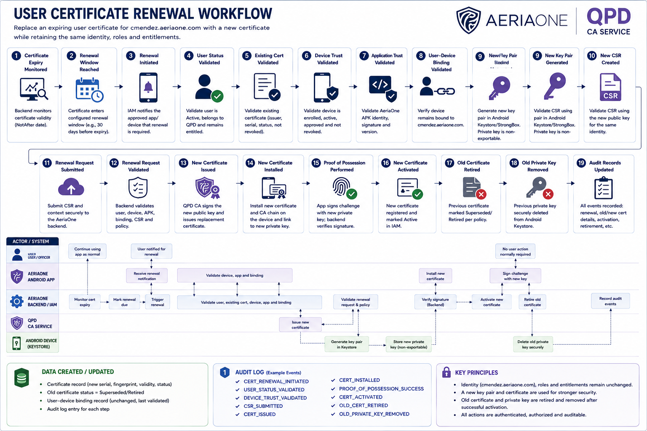
3 | Renewal Initiated | AeriaOne IAM / AeriaOne APK | IAM notifies the approved application/device that certificate renewal is required. Renewal may occur transparently when the device next connects. | Allows controlled renewal without requiring the officer to recreate the account or manually enter the username. | Renewal transaction created
4 | User Status Validated | AeriaOne IAM | IAM verifies that cmendez.aeriaone.com remains Active, belongs to QPD and remains entitled to use the AeriaOne service. | Prevents certificate renewal for suspended, terminated, disabled or otherwise unauthorized users. | User eligibility confirmed
5 | Existing Certificate Validated | AeriaOne IAM / PKI | The existing certificate is checked for validity, issuer, serial number, expiry status and revocation status. | Ensures renewal is based on a currently trusted credential rather than an invalid or revoked certificate. | Existing certificate validated
6 | Device Trust Validated | AeriaOne IAM / Device Service | The Android device associated with Mendez is verified as enrolled, active, approved and not revoked or compromised. | Prevents an otherwise valid user from renewing credentials through an unauthorized device. | Device trust confirmed
7 | Application Trust Validated | AeriaOne Backend | The installed AeriaOne APK identity, signature, version and application status are validated. | Prevents certificate renewal through counterfeit, tampered, revoked or unsupported APKs. | Application trust confirmed
8 | User–Device Binding Validated | AeriaOne IAM | IAM verifies that the requesting Android device remains legitimately bound to cmendez.aeriaone.com. | Prevents certificate renewal from a different device merely because valid user credentials are available. | User ↔ Device binding confirmed
9 | New Key Pair Generated | Android Device / Android Keystore | A new cryptographic key pair is generated inside Android Keystore/StrongBox where available. The new private key remains non-exportable. | Provides true cryptographic key rotation rather than simply extending the validity of the old key. | New private/public key pair created
10 | New CSR Created | AeriaOne APK / Android Keystore | A new Certificate Signing Request is generated using the new public key while retaining the identity cmendez.aeriaone.com. | Requests a replacement certificate without changing the underlying IAM identity. | New CSR generated
11 | Renewal Request Submitted | AeriaOne APK / Backend | The CSR and renewal context are securely transmitted to the AeriaOne backend. | Ensures certificate requests pass through the authorized IAM/PKI control plane. | Renewal request received
12 | Renewal Request Validated | AeriaOne IAM / PKI | IAM validates the user, device, APK, binding, existing certificate, CSR and applicable certificate policy. | Ensures all trust conditions remain valid immediately before issuance. | Renewal request approved
13 | New Certificate Issued | QPD CA Service | The CA signs the new public key and issues a replacement certificate for cmendez.aeriaone.com with a new serial number and validity period. | Establishes a fresh cryptographic credential while preserving the same user identity. | New certificate issued
14 | New Certificate Installed | AeriaOne APK / Android Keystore | The new certificate and required CA chain are returned to the device and associated with the newly generated private key. | Completes provisioning while keeping the new private key protected on the device. | New certificate installed
15 | Proof of Possession Performed | AeriaOne APK / Backend | The backend sends a cryptographic challenge that must be signed using the new private key. The signature is validated against the new certificate. | Confirms that the device possesses the private key corresponding to the newly issued certificate. | New key possession verified
16 | New Certificate Activated | AeriaOne IAM / PKI | Following successful verification, the new certificate is registered and marked Active for cmendez.aeriaone.com. | Prevents an issued but unsuccessfully provisioned certificate from becoming operational. | New certificate: Active
17 | Old Certificate Retired | AeriaOne IAM / PKI | Once the new certificate is confirmed operational, the previous certificate is marked Superseded/Retired according to policy. | Prevents indefinite simultaneous use of old and new credentials while allowing controlled transition. | Old certificate: Superseded
18 | Old Private Key Removed | Android Keystore / AeriaOne APK | After successful activation and any permitted transition period, the previous private key is securely deleted from Android Keystore. | Prevents continued use of obsolete cryptographic material. | Old private key destroyed
19 | Audit Records Updated | AeriaOne IAM / PKI / SIEM | Renewal request, old/new certificate serial numbers and fingerprints, device identity, timestamps, activation, retirement and relevant security events are recorded. | Maintains complete certificate lifecycle traceability and chain of accountability. | Renewal audit trail completed

 | Component | What It Establishes
 | User Identity | cmendez.aeriaone.com — unchanged
 | QPD Tenant | Unchanged
 | User Role | Unchanged
 | Entitlements | Unchanged, unless separately modified
 | Android Device Identity | Unchanged
 | User–Device Binding | Unchanged, but revalidated
 | APK | Unchanged, but trust/version revalidated
 | User Certificate | Replaced
 | Certificate Serial Number | New
 | Certificate Validity Period | New
 | User Public Key | New
 | User Private Key | New
 | Old Certificate | Superseded / Retired
 | Old Private Key | Securely destroyed after successful transition
 | PIN / Passcode | Normally unchanged
 | IAM Account | Remains Active

8.DeviceMfgEnrollment
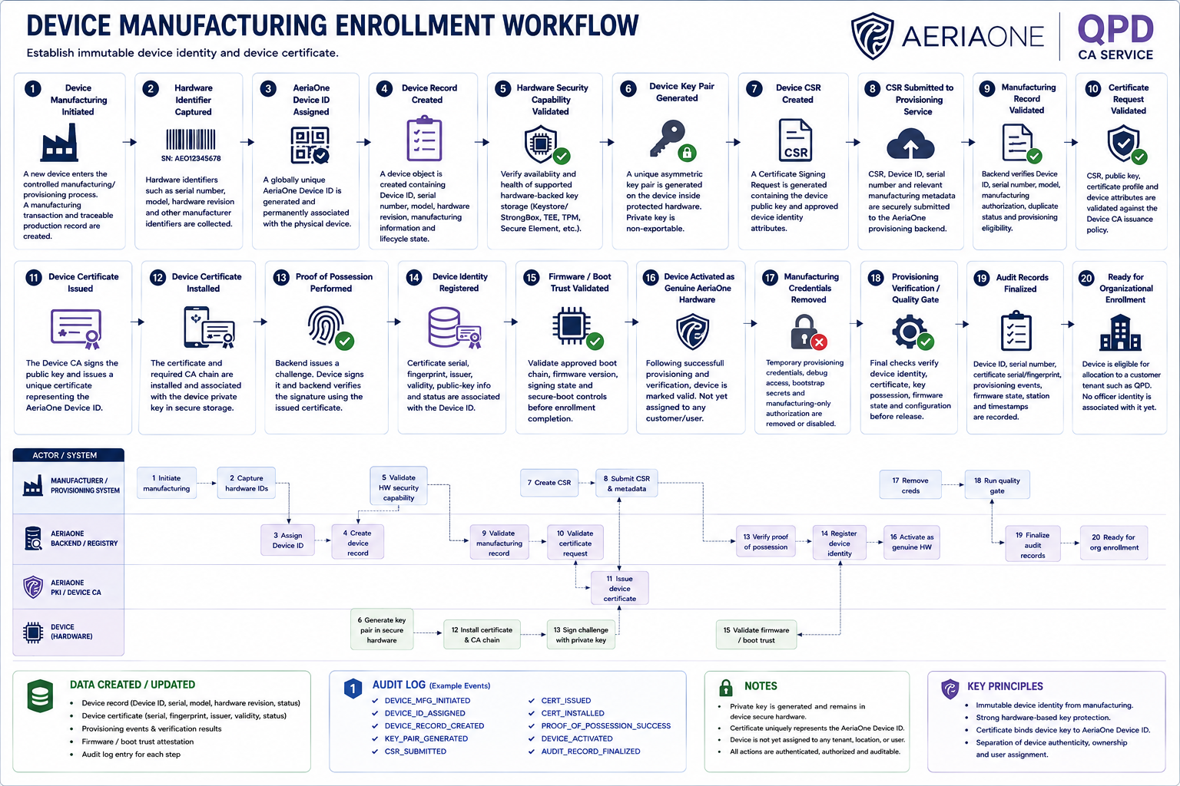
8. Device Manufacturing Enrollment [Optional / Supply Chain Security]
Step | Workflow Stage | Responsible Actor | Description | Security / IAM Purpose | Output / State
1 | Device Manufacturing Initiated | AeriaOne / Authorized Manufacturer | A new device enters the controlled manufacturing/provisioning process. A manufacturing transaction and traceable production record are created. | Establishes a controlled starting point for device identity creation. | Device manufacturing record created
2 | Hardware Identifier Captured | Manufacturing Provisioning System | Hardware identifiers such as serial number, model, hardware revision and other manufacturer identifiers are collected. | Creates the authoritative inventory record for the physical device. | Hardware attributes recorded
3 | AeriaOne Device ID Assigned | AeriaOne Device Registry | A globally unique AeriaOne Device ID is generated and permanently associated with the physical device. | Provides a stable logical identifier independent of future user or customer assignment. | Unique Device ID created
4 | Device Record Created | AeriaOne Device Registry / IAM | A device object is created containing Device ID, serial number, model, hardware revision, manufacturing information and lifecycle state. | Establishes the device as a managed identity within AeriaOne. | Device status: Manufacturing / Provisioning
5 | Hardware Security Capability Validated | Manufacturing Provisioning System | The provisioning process verifies the availability and health of the supported hardware-backed key storage, such as Android Keystore/StrongBox, TEE, TPM, Secure Element or equivalent device capability. | Ensures the device can securely protect its cryptographic identity before certificate issuance. | Secure key-storage capability confirmed
6 | Device Key Pair Generated | Device Secure Hardware / Keystore | A unique asymmetric device key pair is generated on the device inside protected hardware-backed storage where available. The private key is configured as non-exportable. | Creates a unique cryptographic identity whose private component cannot normally leave the physical device. | Device private/public key pair created
7 | Device CSR Created | Device Provisioning Agent | A Certificate Signing Request is generated containing the device public key and approved device identity attributes. | Allows certification of the device public key without exposing the private key. | Device CSR generated
8 | CSR Submitted to Provisioning Service | Device / Manufacturing Provisioning System | The CSR, Device ID, serial number and relevant manufacturing metadata are securely submitted to the AeriaOne provisioning backend. | Ensures certificate issuance occurs through the controlled manufacturing trust channel. | Device certificate request received
9 | Manufacturing Record Validated | AeriaOne Backend / Device Registry | The backend verifies Device ID, serial number, model, manufacturing authorization, duplicate status and provisioning eligibility. | Prevents unauthorized, cloned or duplicate devices from obtaining trusted AeriaOne device certificates. | Device manufacturing identity validated
10 | Certificate Request Validated | AeriaOne PKI / Device CA | The CSR, public key, certificate profile and device attributes are validated against the Device CA issuance policy. | Ensures only correctly formed and authorized device identities receive certificates. | Certificate request approved
11 | Device Certificate Issued | AeriaOne Device CA | The Device CA signs the public key and issues a unique certificate representing the AeriaOne Device ID. | Cryptographically binds the physical device's protected key to its AeriaOne device identity. | Device certificate issued
12 | Device Certificate Installed | Device Provisioning Agent / Secure Storage | The certificate and required CA chain are installed and associated with the previously generated device private key. | Completes device credential provisioning without exporting the private key. | Device certificate installed
13 | Proof of Possession Performed | Device / AeriaOne Backend | The backend issues a cryptographic challenge. The device signs it using its device private key, and the backend verifies the signature using the issued certificate. | Proves that the physical device actually possesses the private key corresponding to the certificate. | Device private-key possession verified
14 | Device Identity Registered | AeriaOne Device Registry / IAM | Certificate serial number, fingerprint, issuer, validity, public-key information and certificate status are associated with the Device ID. | Creates the authoritative relationship between inventory identity and cryptographic identity. | Device certificate registered
15 | Firmware / Boot Trust Validated | Device / Manufacturing Provisioning System | The approved boot chain, firmware version, signing state and applicable secure-boot controls are validated before manufacturing enrollment is completed. | Prevents a device with unauthorized firmware or an invalid trust state from entering the trusted fleet. | Platform integrity validated
16 | Device Activated as Genuine AeriaOne Hardware | AeriaOne Device Registry | Following successful provisioning and verification, the manufacturing identity is marked valid. The device is recognized as genuine AeriaOne hardware but is not yet assigned to a customer/user. | Separates device authenticity from later organizational and user authorization. | Device status: Manufactured / Unassigned
17 | Manufacturing Credentials Removed | Manufacturing Provisioning System / Device | Temporary provisioning credentials, debug access, bootstrap secrets and manufacturing-only authorization are removed or disabled. | Prevents manufacturing interfaces or temporary credentials from becoming persistent production backdoors. | Manufacturing access removed
18 | Provisioning Verification / Quality Gate | AeriaOne Manufacturing / Security Service | Final checks verify device identity, certificate, key possession, firmware state and manufacturing configuration before release. | Prevents incompletely or incorrectly provisioned devices from leaving manufacturing. | Security provisioning: Passed
19 | Audit Records Finalized | AeriaOne Backend / PKI / Device Registry | Device ID, serial number, certificate serial/fingerprint, provisioning events, firmware state, manufacturing station and relevant timestamps are recorded. | Provides traceability from manufacture through deployment and eventual decommissioning. | Manufacturing enrollment audit trail completed
20 | Ready for Organizational Enrollment | AeriaOne Device Registry | The device becomes eligible for allocation to a customer tenant such as QPD. No officer identity is associated with it yet. | Maintains separation between manufacturing identity, organizational ownership and user assignment. | Device status: Unassigned / Ready for Enrollment

 | Component | What it Establishes
 | Physical Device | Manufactured and uniquely identifiable
 | AeriaOne Device ID | Created and permanent
 | Serial Number | Bound to Device ID
 | Device Private Key | Generated locally; preferably hardware-backed and non-exportable
 | Device Public Key | Registered/certified
 | Device Certificate | Active
 | Certificate Serial / Fingerprint | Registered in AeriaOne
 | Firmware / Boot State | Validated against manufacturing baseline
 | Manufacturing Credentials | Removed/disabled
 | Organization / Tenant | None yet
 | QPD Association | None yet
 | User Association | None yet
 | cmendez.aeriaone.com Association | None
 | Body Camera ↔ Android Pairing | None yet
 | Operational Authorization | Not yet granted
 | Lifecycle State | Manufactured / Unassigned

12.AndroidDeviceEnroll
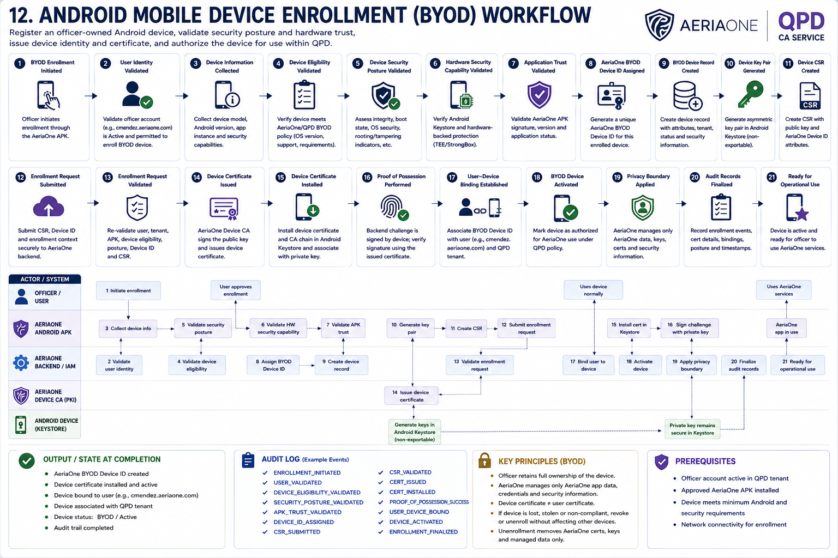
12. Android Mobile Device Enrollment
Step | Workflow Stage | Responsible Actor | Description | Security / IAM Purpose | Output / State
1 | BYOD Enrollment Initiated | User / Officer / AeriaOne APK | Officer initiates enrollment of a personally owned Android mobile device through the approved AeriaOne application. | Establishes a controlled entry point for personally owned devices requesting access to AeriaOne services. | BYOD enrollment transaction created
2 | User Identity Validated | AeriaOne IAM | The backend confirms that the officer, e.g. cmendez.aeriaone.com, exists, is Active, belongs to the QPD tenant and is permitted to enroll a BYOD device. | Prevents unauthorized users from enrolling personal devices into an organization. | User enrollment eligibility confirmed
3 | Android Device Information Collected | AeriaOne APK / Android OS | The application collects the minimum device information required for enrollment, such as device model, Android version, application instance information and supported security capabilities. | Provides sufficient information to identify and assess the device while minimizing collection of unrelated personal information. | BYOD device attributes collected
4 | Device Eligibility Validated | AeriaOne Backend / Device Registry | The backend verifies that the Android device meets AeriaOne/QPD BYOD eligibility requirements, such as supported OS version and required security capabilities. | Prevents unsupported or unsuitable personal devices from accessing AeriaOne services. | Device eligibility confirmed
5 | Device Security Posture Validated | AeriaOne APK / Android Platform / Backend | Relevant security posture is assessed, such as Android integrity, boot state, OS security level and indications of rooting, tampering or other prohibited conditions where technically available. | Reduces the risk of provisioning AeriaOne credentials onto compromised or untrusted Android environments. | Device security posture: Passed
6 | Hardware Security Capability Validated | AeriaOne APK / Android Keystore | The application verifies availability of Android Keystore and, where supported, hardware-backed key protection such as TEE or StrongBox. | Ensures that the AeriaOne device private key can be protected appropriately on the officer's personal device. | Secure key-storage capability confirmed
7 | Application Trust Validated | AeriaOne Backend | The backend validates the AeriaOne APK identity, signing certificate, approved version and application status. | Prevents enrollment through modified, counterfeit, revoked or unsupported AeriaOne applications. | AeriaOne APK trust confirmed
8 | AeriaOne BYOD Device ID Assigned | AeriaOne Device Registry | A unique AeriaOne Device ID is generated for this enrolled Android device/application security context. | Gives AeriaOne a stable managed identifier without treating the personally owned phone as AeriaOne-owned hardware. | AeriaOne BYOD Device ID created
9 | BYOD Device Record Created | AeriaOne Device Registry / IAM | A managed device object is created containing the Device ID, relevant device attributes, tenant, enrollment status and applicable security information. | Establishes the personal Android device as a separately manageable IAM/device identity. | Device status: Enrollment Pending
10 | Device Key Pair Generated | Android Device / Android Keystore | A unique asymmetric device key pair is generated locally using Android Keystore, preferably hardware-backed where supported. The private key is configured as non-exportable where possible. | Establishes a cryptographic identity for the enrolled BYOD device without transmitting the private key to AeriaOne. | Device private/public key pair created
11 | Device CSR Created | AeriaOne APK / Android Keystore | A Certificate Signing Request is generated using the device public key and the appropriate AeriaOne BYOD Device ID attributes. | Allows AeriaOne PKI to certify the enrolled device identity without receiving the private key. | Device CSR generated
12 | Device Enrollment Request Submitted | AeriaOne APK | The CSR, AeriaOne Device ID and approved enrollment/security context are securely submitted to the AeriaOne backend. | Ensures certificate issuance occurs through the authenticated AeriaOne enrollment channel. | Device certificate request received
13 | Enrollment Request Validated | AeriaOne Backend / IAM / Device Registry | The backend revalidates the user, tenant, APK, device eligibility, device security posture, Device ID and certificate request. | Ensures all required trust conditions remain satisfied immediately before certificate issuance. | Enrollment request approved
14 | Device Certificate Issued | AeriaOne Device CA | The Device CA signs the public key and issues a unique certificate representing the enrolled AeriaOne BYOD Device ID. | Cryptographically binds the protected device key to the AeriaOne-managed BYOD device identity. | BYOD device certificate issued
15 | Device Certificate Installed | AeriaOne APK / Android Keystore | The device certificate and required CA chain are returned to the Android device and associated with the previously generated private key. | Completes device credential provisioning without exporting the private key. | Device certificate installed
16 | Proof of Possession Performed | Android Device / AeriaOne Backend | The backend issues a cryptographic challenge. The device signs it using the newly generated device private key, and the backend verifies the signature against the issued certificate. | Proves that the enrolled Android device possesses the private key corresponding to the issued certificate. | Device private-key possession verified
17 | User–Device Binding Established | AeriaOne IAM / Device Registry | The enrolled BYOD Device ID is associated with cmendez.aeriaone.com and the QPD tenant. | Establishes which officer is currently authorized to use this enrolled personal Android device with AeriaOne. | cmendez.aeriaone.com ↔ BYOD Device binding created
18 | BYOD Device Activated | AeriaOne IAM / Device Registry | Following successful validation, certificate provisioning and binding, the device is marked authorized for AeriaOne use under QPD policy. | Separates successful technical enrollment from final operational authorization. | Device status: BYOD / Active
19 | Privacy Boundary Applied | AeriaOne APK / Backend | AeriaOne management and security controls are restricted to AeriaOne application data, credentials, cryptographic material and security information necessary for service protection. Personal user content is outside the AeriaOne management boundary. | Preserves the distinction between securing AeriaOne services and managing an officer's privately owned phone. | BYOD privacy/security boundary established
20 | Audit Records Finalized | AeriaOne Backend / IAM / PKI / Device Registry | Device ID, user binding, certificate serial/fingerprint, relevant device posture, enrollment results, timestamps and security events are recorded. | Provides traceability for enrollment, authentication, revocation and eventual BYOD unenrollment. | BYOD enrollment audit trail completed
21 | Ready for Operational Use | AeriaOne IAM / Device Registry | The Android device is now recognized as an approved BYOD endpoint for cmendez.aeriaone.com under the QPD tenant and may establish authorized AeriaOne sessions. | Completes the BYOD device enrollment lifecycle while retaining separate user, device and application identities. | BYOD Device: Active / Operational

 | Component | What it Establishes
 | Source code revision | Fixed, traceable and associated with the release
 | Release branch / tag | Approved production release source identified
 | Build environment | Validated against approved CI/CD toolchain and configuration
 | Application dependencies | Resolved, locked and validated against approved sources
 | Automated tests | Passed according to release policy
 | SAST results | Security issues assessed against AeriaOne release thresholds
 | SCA / dependency scan | Third-party components assessed for vulnerabilities and licensing issues
 | Secret scan | No prohibited embedded credentials or sensitive secrets detected
 | APK security assessment | Final application artifact validated against Android/AeriaOne security requirements
 | Release security gate | Passed
 | Security approval | Recorded where required by policy
 | Release approval | Authorized for production signing
 | AeriaOne production signing key | Remains protected within the controlled signing service / HSM and is not exposed to developers or normal CI/CD jobs
 | Production APK signature | Valid AeriaOne production signature applied
 | APK package identity | Approved package/application identifier verified
 | APK version | Registered as an authorized AeriaOne release
 | APK hash / fingerprint | Registered as the approved production artifact
 | Signing certificate fingerprint | Recorded and associated with the authorized release
 | SBOM | Generated and retained with the release evidence
 | Build / scan / approval evidence | Archived and auditable
 | Private distribution repository | Production-signed APK published through the authorized AeriaOne distribution channel
 | Backend application trust record | Approved version, hash and signing identity registered
 | Operational application status | Allowed / Current / Production
 | Release lifecycle state | Production Signed / Published / Ready for Deployment

21.APKBuild&Release
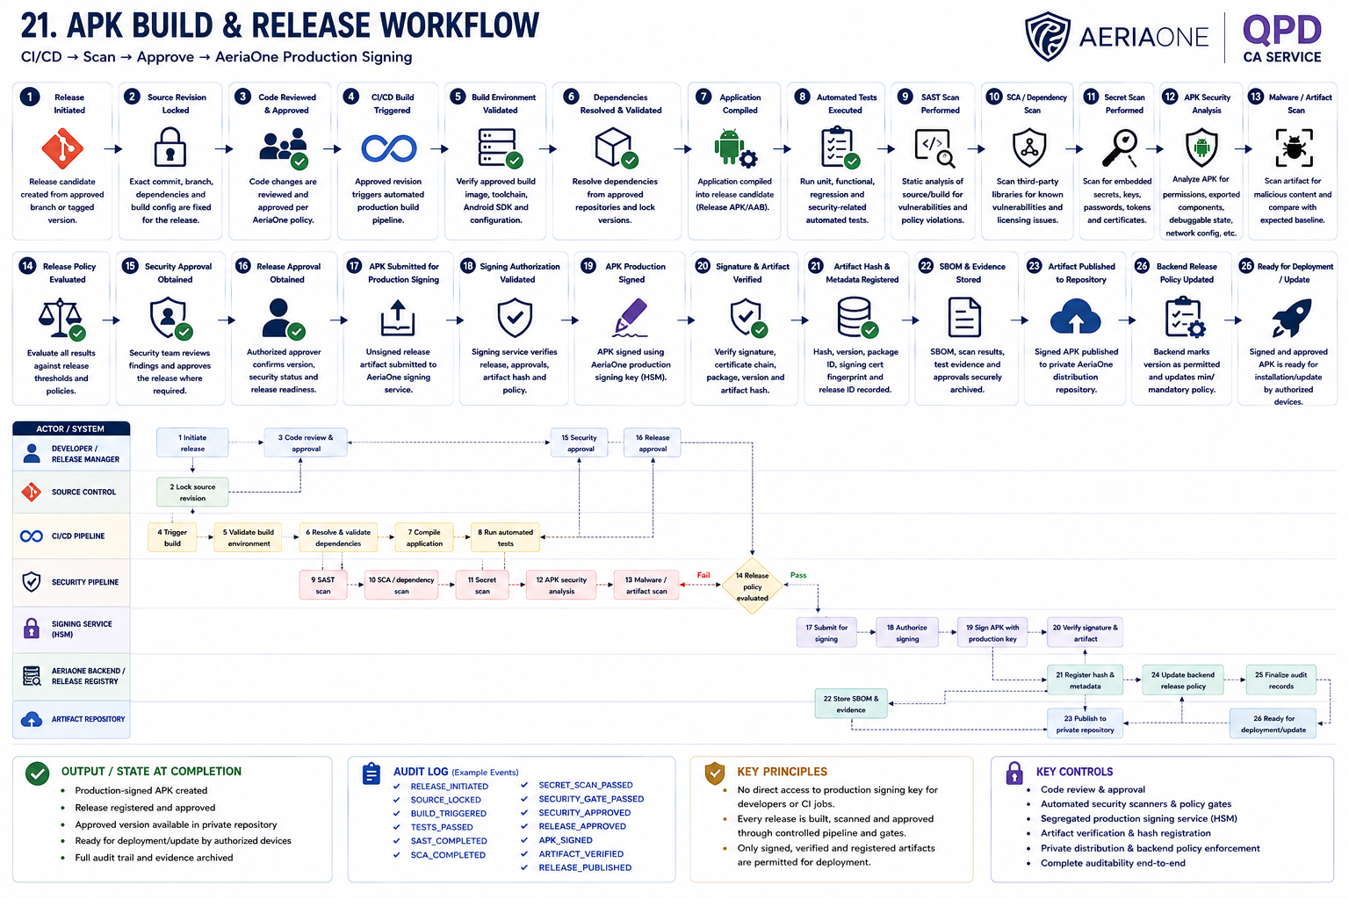
21. APK Build and Release
Step | Workflow Stage | Responsible Actor | Description | Security / IAM Purpose | Output / State
1 | Release Initiated | Developer / Release Manager | A release candidate is created from an approved source-code branch or tagged version. | Establishes a controlled and traceable starting point for the release process. | Release candidate created
2 | Source Revision Locked | Source Control / CI/CD | The exact commit, branch, tag, dependency lockfiles and build configuration are fixed for the release. | Ensures the released APK can be traced back to a specific source state. | Immutable release revision identified
3 | Developer Changes Reviewed | Development Team / Reviewer | Code changes included in the release are reviewed and approved according to AeriaOne development policy. | Reduces the risk of unauthorized or malicious code entering production. | Code review approved
4 | CI/CD Build Triggered | CI/CD Platform | The approved release revision triggers an automated production build pipeline. | Prevents uncontrolled manual production builds and promotes repeatability. | Production build started
5 | Build Environment Validated | CI/CD Platform | The pipeline verifies the approved build image, toolchain, Android SDK, Gradle version and required build configuration. | Reduces supply-chain risk from altered or untrusted build environments. | Trusted build environment confirmed
6 | Dependencies Resolved & Validated | CI/CD / Dependency Management | Application dependencies are resolved against approved repositories and locked versions. Dependency integrity is checked where supported. | Prevents unauthorized dependency substitution and uncontrolled version drift. | Approved dependencies resolved
7 | Application Compiled | CI/CD Platform | The Android application is compiled into a production release candidate using the approved build configuration. | Produces a reproducible release artifact from controlled source and dependencies. | Unsigned release APK/AAB created
8 | Unit & Automated Tests Executed | CI/CD Platform | Automated functional, regression and security-related tests are run against the release candidate. | Detects defects before the artifact advances into production approval. | Automated tests passed
9 | Static Application Security Testing Performed | Security Pipeline | SAST scans the source/build for insecure coding patterns, exposed secrets and other policy violations. | Identifies security weaknesses before production signing. | SAST result produced
10 | Software Composition Analysis Performed | Security Pipeline | Third-party libraries and components are scanned for known vulnerabilities, licensing issues and prohibited dependencies. | Controls open-source and third-party supply-chain risk. | SCA result produced
11 | Secret Scanning Performed | Security Pipeline | Source, configuration and generated artifacts are checked for embedded API keys, passwords, tokens, certificates and private keys. | Prevents accidental release of sensitive credentials. | Secret scan passed
12 | APK Security Analysis Performed | Security Pipeline | The generated APK is inspected for permissions, exported components, debuggable state, network configuration, certificate handling and other Android security properties. | Validates that the final artifact—not merely the source code—meets AeriaOne security requirements. | APK security assessment completed
13 | Malware / Artifact Scan Performed | Security Pipeline | The release artifact is scanned for malicious or unexpected content and compared with expected build characteristics. | Provides an additional integrity and compromise-detection control before release. | Artifact scan passed
14 | Release Policy Evaluated | CI/CD / Security Gate | Test results and security findings are compared against defined release thresholds. Critical or unacceptable findings automatically block the release. | Prevents vulnerable builds from advancing merely because compilation succeeded. | Release gate: Pass / Fail
15 | Security Approval Obtained | Security / Product Security | Where required by policy, Security reviews the results and approves the release candidate. | Provides an independent security authorization checkpoint. | Security approval recorded
16 | Release Approval Obtained | Release Manager / Authorized Approver | An authorized release approver confirms version, release notes, security status and production readiness. | Implements maker-checker governance for production deployment. | Production release approved
17 | APK Submitted for Production Signing | CI/CD / Signing Service | The approved unsigned release artifact is submitted to the controlled AeriaOne production signing service. | Separates ordinary build infrastructure from access to production signing keys. | Signing request created
18 | Production Signing Authorization Validated | AeriaOne Signing Service | The signing service verifies release identity, pipeline provenance, approval state, artifact hash and signing policy before using the production key. | Prevents unauthorized or altered APKs from being signed with the trusted AeriaOne key. | Signing request approved
19 | APK Production Signed | AeriaOne Signing Service / HSM | The APK is digitally signed using the AeriaOne production application-signing key, ideally protected by an HSM or equivalent restricted key store. | Establishes authentic AeriaOne application provenance and prevents unauthorized APK modification. | Production-signed APK created
20 | Signature & Artifact Verified | CI/CD / Security Service | The signed APK signature, certificate chain, package name, version, artifact hash and expected build metadata are independently verified. | Detects signing errors, artifact substitution or post-signing modification. | Signed artifact verified
21 | Artifact Hash & Metadata Registered | AeriaOne Backend / Release Registry | The approved APK hash, version, package identifier, signing certificate fingerprint, release ID and status are recorded. | Allows backend and enrolled devices to verify whether a specific APK version is authorized. | Release registered as approved
22 | SBOM & Release Evidence Stored | CI/CD / Artifact Repository | SBOM, scan results, test evidence, source revision, artifact hashes, approvals and release metadata are preserved. | Provides software supply-chain traceability and supports incident investigation. | Release evidence archived
23 | Production Artifact Published | Release Repository / Distribution Service | The verified signed APK is placed in the authorized private AeriaOne distribution repository. | Ensures users/devices obtain APKs only from an approved source. | APK status: Published
24 | Backend Release Policy Updated | AeriaOne Backend / Release Registry | The backend marks the new version as permitted and may define minimum supported or mandatory version requirements. | Enables central control over which application versions are allowed to authenticate and operate. | Version marked Allowed / Current
25 | Audit Records Finalized | CI/CD / Security / Signing Service | Source revision, build ID, artifact hash, scan results, approvals, signing events, publishing events and timestamps are recorded. | Provides complete accountability from source code to production artifact. | Release audit trail completed
26 | Ready for APK Deployment / Update | AeriaOne Distribution Service | The signed and approved application becomes available for initial installation or update by authorized devices. | Hands the trusted software artifact into the separate installation/update lifecycle. | Production APK ready for deployment

 | Component | What it Establishes
 | Physical Android phone | Personally owned BYOD — not AeriaOne-owned
 | AeriaOne BYOD Device ID | Created
 | Device private key | Generated locally and protected by Android Keystore
 | Device certificate | Active
 | Device security posture | Validated against AeriaOne/QPD BYOD policy
 | AeriaOne APK | Approved application/signature/version validated
 | QPD association | Established
 | User association | Bound to cmendez.aeriaone.com
 | User certificate | Separate from device certificate
 | Personal applications/data | Outside AeriaOne management scope
 | Operational authorization | Granted subject to continuing IAM/device policy
 | Device lifecycle state | BYOD / Active

22.23.APKInt.Install.Act.&UsrBi
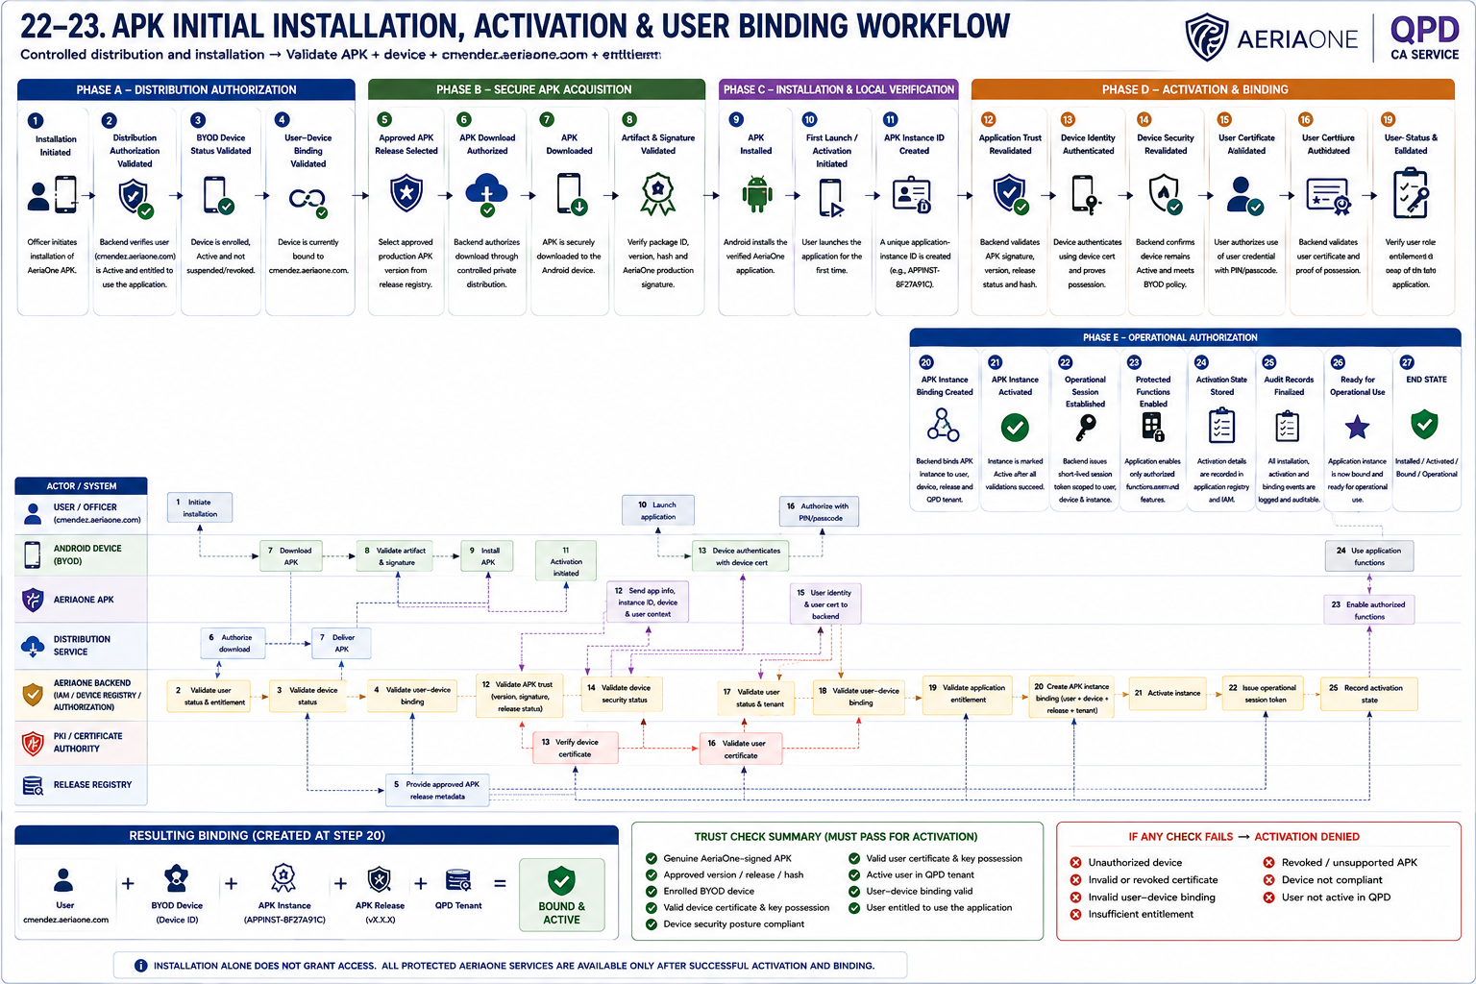
22–23. APK Initial Installation, Activation & User Binding
Step | Workflow Stage | Responsible Actor | Description | Security / IAM Purpose | Output / State
1 | APK Installation Initiated | User / Officer | cmendez.aeriaone.com initiates installation of the AeriaOne APK onto the previously enrolled BYOD Android device. | Establishes a controlled starting point for application deployment. | Installation transaction initiated
2 | Distribution Authorization Validated | AeriaOne Backend / IAM | Backend verifies that cmendez.aeriaone.com is Active, belongs to QPD and is entitled to receive/use the requested AeriaOne application. | Prevents unauthorized users from obtaining an operational application deployment. | Distribution authorized
3 | BYOD Device Status Validated | AeriaOne Backend / Device Registry | The target Android device is verified as an enrolled BYOD / Active device associated with QPD and not suspended or revoked. | Ensures the APK is being provisioned to an approved BYOD endpoint. | BYOD device eligibility confirmed
4 | User–Device Binding Validated | AeriaOne IAM / Device Registry | Backend verifies that the target BYOD Device ID is currently bound to cmendez.aeriaone.com. | Prevents an officer from provisioning the application onto an unrelated or unauthorized enrolled device. | User ↔ Device binding confirmed
5 | Approved APK Release Selected | AeriaOne Release Registry / Distribution Service | The appropriate production APK version is selected from the approved release registry according to QPD/application policy. | Ensures only an authorized and supported AeriaOne release is distributed. | Approved APK release selected
6 | Controlled APK Download Authorized | AeriaOne Distribution Service | The approved production-signed APK is made available to the authorized user/device through the controlled private distribution mechanism. | Controls legitimate distribution while not relying on APK secrecy as a security boundary. | APK download authorized
7 | APK Downloaded | Android Device | The production-signed APK is securely downloaded to the officer's Android device. | Delivers the approved artifact to the intended endpoint. | APK downloaded
8 | APK Artifact Integrity Validated | AeriaOne Installer / Android Device | The downloaded APK package identity, version and artifact hash are checked against approved release metadata. | Detects corruption, substitution or delivery of an unauthorized artifact. | APK artifact integrity confirmed
9 | AeriaOne Production Signature Validated | Android Platform / AeriaOne Installer | The APK's production signing identity is verified before installation. | Establishes that the package is authentic AeriaOne software and has not been modified after signing. | APK authenticity confirmed
10 | APK Installed | Android OS / Package Manager | Android installs the verified AeriaOne application onto the BYOD device. | Establishes the application locally but does not yet grant AeriaOne operational access. | APK status: Installed / Unactivated
11 | First Launch / Activation Initiated | User / AeriaOne APK | The officer launches the application for the first time. The APK enters activation mode rather than immediately providing protected functionality. | Separates successful installation from authorization to use AeriaOne services. | Activation transaction initiated
12 | APK Instance ID Created | AeriaOne APK / Backend | A unique application-instance identifier is created for this particular installation, e.g. APPINST-8F27A91C. | Allows AeriaOne to distinguish one installation of an APK from every other installation of the same production release. | APK Instance ID created
13 | Application Trust Revalidated | AeriaOne APK / Backend / Release Registry | Backend validates package identity, AeriaOne production signing identity, APK version, release status and where applicable the expected artifact identity/hash. | Prevents modified, counterfeit, revoked, obsolete or unsupported application releases from activating. | Application trust confirmed
14 | Device Identity Authenticated | Android Device / AeriaOne Backend | The enrolled BYOD device authenticates using its device certificate and protected device private key, including proof of possession where required. | Cryptographically establishes which enrolled Android device is requesting activation. | Device identity authenticated
15 | Device Security Status Revalidated | AeriaOne Backend / Device Registry | Backend confirms that the device remains Active, is not revoked/suspended and continues to satisfy applicable BYOD security policy. | Prevents activation on an enrolled device whose trust has subsequently changed. | Device trust confirmed
16 | User Identity Authenticated | User / AeriaOne APK / IAM | The application identifies cmendez.aeriaone.com from the provisioned context and the user authorizes use of the protected user credential using the configured PIN/passcode. | Establishes user presence/knowledge without requiring repeated username entry. | User authentication initiated
17 | User Certificate Validated | AeriaOne Backend / IAM / PKI | The user credential is cryptographically validated. Certificate identity, issuer, validity and revocation status are checked, together with proof of possession of the corresponding private key. | Establishes that the requesting user is genuinely cmendez.aeriaone.com. | User identity authenticated
18 | User Status & QPD Tenant Validated | AeriaOne IAM | Backend confirms that cmendez.aeriaone.com remains Active and belongs to the Quezon Police Department tenant. | Prevents disabled, suspended, revoked or cross-tenant identities from activating the application. | User and tenant validated
19 | User–Device Binding Revalidated | AeriaOne IAM / Device Registry | Backend confirms that the authenticated BYOD Device ID is the device currently authorized for cmendez.aeriaone.com. | Prevents a valid user credential and valid device credential from being arbitrarily combined. | User ↔ Device relationship validated
20 | Application Entitlement Validated | AeriaOne IAM / Authorization Service | IAM verifies that Mendez's QPD role and entitlements permit use of this specific AeriaOne application and its functions. | Separates successful authentication from authorization and applies least privilege. | Application entitlement confirmed
21 | APK Instance Binding Created | AeriaOne IAM / Application Registry | Backend binds the APK Instance ID to the authenticated user + BYOD Device ID + approved APK release + QPD tenant. | Establishes the authoritative relationship between the officer, device and specific application installation. | User ↔ Device ↔ APK Instance binding created
22 | APK Instance Activated | AeriaOne Backend / Application Registry | After all trust checks succeed, the application instance is marked Active. | Ensures installation alone cannot grant operational access. | APK Instance: Active
23 | Operational Session Established | AeriaOne Backend / IAM | Backend issues a short-lived session/access token scoped to the authenticated user, device, application instance, QPD tenant and permitted functions. | Converts validated identity and authorization into temporary operational access without making the APK itself a permanent bearer credential. | Authorized operational session established
24 | Protected Functions Enabled | AeriaOne APK | The application enables only the functions authorized by the backend, such as recording, evidence signing/upload or device pairing. | Ensures functionality follows centrally controlled authorization rather than local APK logic alone. | Application operational
25 | Activation State Stored | AeriaOne Backend / Application Registry | APK Instance ID, user binding, device binding, release/version, activation status and relevant lifecycle information are registered centrally. | Supports future update, revocation, device replacement, user offboarding and incident-response workflows. | Application instance record established
26 | Audit Records Finalized | AeriaOne IAM / Backend / SIEM | Installation, artifact validation, device authentication, user authentication, entitlement decision, application binding, activation and session issuance events are recorded. | Provides complete traceability of who activated which APK instance on which device and under which tenant. | Installation/activation audit trail completed
27 | Ready for Operational Use | AeriaOne IAM / APK / Device | The specific application instance is now authorized for cmendez.aeriaone.com on the enrolled BYOD device under QPD policy. | Completes the installation and activation lifecycle. | APK Instance: Active / Bound / Operational
 | Component | What it Establishes
 | AeriaOne APK | Authentic production-signed AeriaOne software
 | APK package / version | Approved and supported release
 | APK artifact identity / hash | Matches the approved release where applicable
 | APK Instance ID | Unique identity created for this particular installation
 | Physical Android phone | Personally owned BYOD — not AeriaOne-owned
 | AeriaOne BYOD Device ID | Existing enrolled device identity validated
 | Device certificate | Active and cryptographically authenticated
 | Device private key | Proof of possession established; remains protected in Android Keystore
 | Device security posture | Validated against current AeriaOne/QPD BYOD policy
 | User identity | cmendez.aeriaone.com — Active
 | User certificate | Valid and cryptographically authenticated
 | User PIN/passcode | Used to authorize local use of the protected user credential
 | QPD association | Validated
 | User ↔ Device binding | Validated
 | Application entitlement | Confirmed
 | User ↔ Device ↔ APK Instance binding | Established
 | APK Instance state | Active / Bound
 | Operational session | Short-lived, backend-issued and scoped to the validated context
 | Personal applications/data | Outside AeriaOne management scope
 | Operational authorization | Granted subject to continuing user, device, APK and IAM policy
 | Final lifecycle state | Installed / Activated / Bound / Operational

