Sheet1
Descritption | Example Input | Expected Output | Output | Pass | Screenshot(s)
Help command should list all commands, with descriptions. | help | All commands, and descriptions. | All commands, and descriptions formatted as a table. | TRUE
Games command should show games along with their details | games | Games from multiple genres with details. | Games from multiple genres with details formatted as a table. | TRUE
Games command with genre filter should print all games of that genre | games Action | Games where the genre is set to "Action". | Action games. | TRUE
Games command with non existent genre specifier should result in error message | games Blah | Error detail | Error detail | TRUE
Add to cart command should add one instance of the named game to the user's cart | cart add Hades | Notification that game has been added to user's cart. | Notifiaction that game has been added to the user's cart. | TRUE
Add to cart command with quantity specifier should add specified quanity of named games to the user's cart | cart add Hades 20 | Notification that 20 copies of the game have been added to the user's cart. | Notification that 20 copies of the game have been added to the user's cart. | 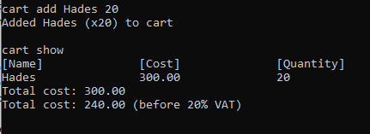 TRUE
Add to cart with name of non-existent game should output error message and game should not be added to cart. | cart add Blah | Error detail; game not added to cart. | Error detail; game not added to cart. | TRUE
Add to cart with non-numeric quantity specifier should output an error message and game should not be added to cart. | cart add Hades twenty | Error detail; game not added to cart. | Error detail; game not added to cart. | TRUE
Add to cart with quantity specifier < 1 should output an error message and game should not be added to cart. | cart add Hades -1 (and cart Hades 0) | Error detail; game not added to cart. | Error detail; game not added to cart. | TRUE
Remove game from cart command should remove named game from cart (if the game is in the user's cart). | cart rm Hades (after it being added) | All games of name removed from cart. | All games of name removed from cart. | TRUE | 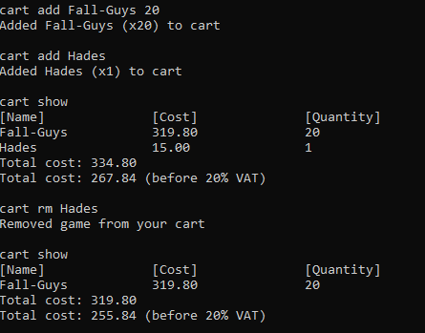
Remove game comannd should output error message if game is not in the user's cart. | cart rm Hades (when not in cart) | Error detail | Error detail | TRUE
Remove game command with non existent game should output error message | cart rm Blah (and cart rm 2) | Error detail | Error detail | TRUE
Cart buy command when not logged in should result in prompt telling the user to login; cart state should be preserved once they do login. | cart add Hades cart buy cart login admin admin show | Message prompting user to login. Cart state should be preserved once the user logs in. | Message prompting user to login. Cart state should be preserved once the user logs in. | TRUE | 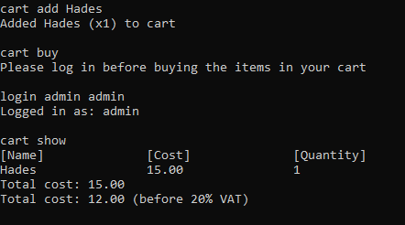
Cart buy command when cart is empty should result in prompt telling user that no items are in their cart | cart buy | Error detail | Error detail | TRUE
Cart buy when user is logged in and cart has is populated results in invoce being printed with correct details. | login admin admin cart add Hades 20 cart add Fall-Guys cart buy | Invoice is printed; prices are correctly calculated. | Invoice is printed; prices are correctly calculated. | TRUE | 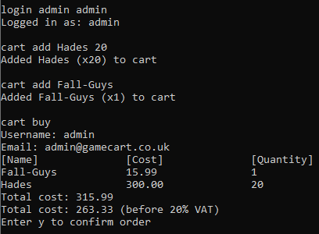
Entering character 'y' or 'Y' on buy screen confirms purchase and clears cart | login admin admin cart add Fall-Guys cart buy y | Confirmation notification; cart is emptied | Confirmation notification; cart is emptied | TRUE | 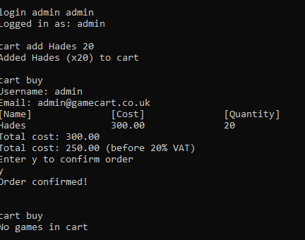
Entering character other than 'y' or 'Y' on buy screen cancels purchase | login admin admin cart add Fall-Guys cart buy n | Order cancelled notifiaction | Order cancelled notifiaction | TRUE | 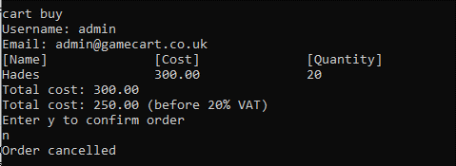
Buying games reduces copy count | login admin admin cart add Fall-Guys 20 cart add Hades 10 cart buy y | Game copy count reduced by correct ammount | Game copy count reduced by correct ammount | TRUE | 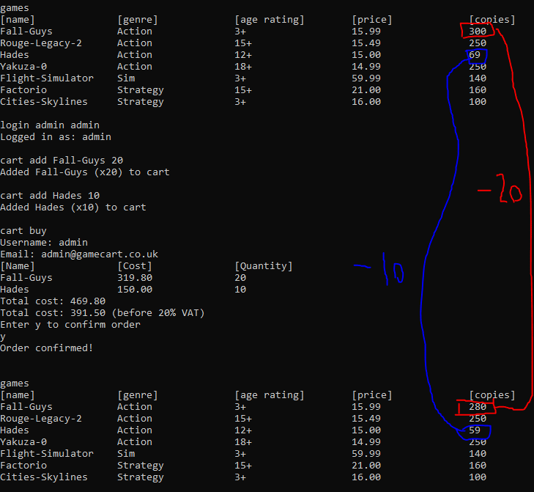

Show cart command shows games in cart | cart show | Games in cart are displayed | Games in cart are displayed | TRUE | 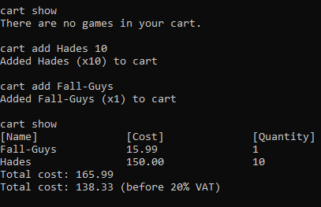
Logout command logs out user if a user is logged in | logout | User is logged out | User is logged out | TRUE
Logout command when a user is not logged in is a no-op | logout (when user is not logged in) | Error detail | Error detail | TRUE
Login with valid username and password logs in user | login admin admin | User is logged in | User is logged in | TRUE
Login with invalid username or password does not login user and prints error information | login do_not_exist blah | Error detail | Error detail | TRUE
Create user account command with valid details and a username that has not been taken creates a new user account | add user new123 password123 02/02/1998 test@test.co.uk login new123 password123 | User account is created; we can log in as it | User account is created; we can log in as it | TRUE
Create user account command with username that is taken results in error messsage, and does not create account. | add user not_unique password 01/01/1970 test@test.com add user not_unique password 01/01/1970 test@test.com | Error detail; account with duplicate username not created. | Error detail; account with duplicate username not created. | TRUE
Games are only show to users with a age rating lower than the user's age | add user not_old_enough password 01/01/2020 test@test.com login not_old_enough password games | No games are shown | Games are shown | FALSE
Create user account with missing information results in error information. | add user blah | Error detail | Error detail | TRUE
Sales command displays sales metrics | sales | Revenue and sales count for all ordered games | Revenue and sales count for all ordered games, in a table | TRUE
Buy games alters sales metrics | sales login admin admin cart add Hades 10 cart buy sales | Sales metrics with altered sales and revenue due to purchase | Sales metrics with altered sales and revenue due to purchase | TRUE | 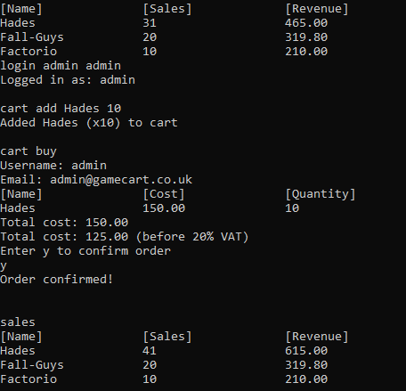
Non-recognised command prints error detail | blah | Error detail | Error detail | TRUE
New instance
User accounts and sales metrics are persisted between program runs | [Start program:] add user person password 01/02/1998 person@person.com [Close program] [Open program] login person password (do similar for ordering games) | User accounts and sales metrics are persisted between program runs | User accounts and sales metrics are persisted between program runs | TRUE | 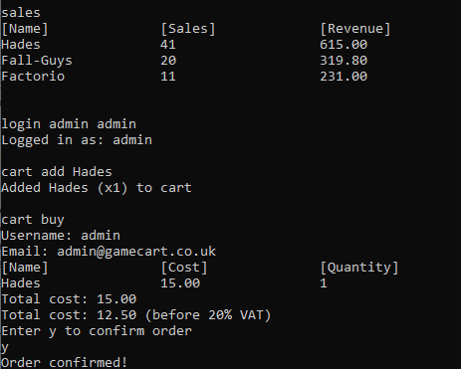
New instance
Passwords must be longer than 5 characters | add user person pswrd 01/01/1970 person@email.com | Error detail | Error detail | TRUE

