Gaussian Noise
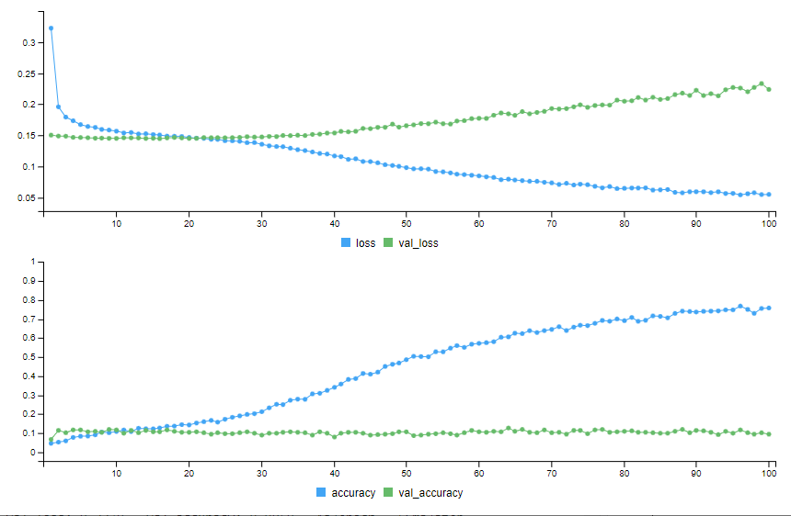
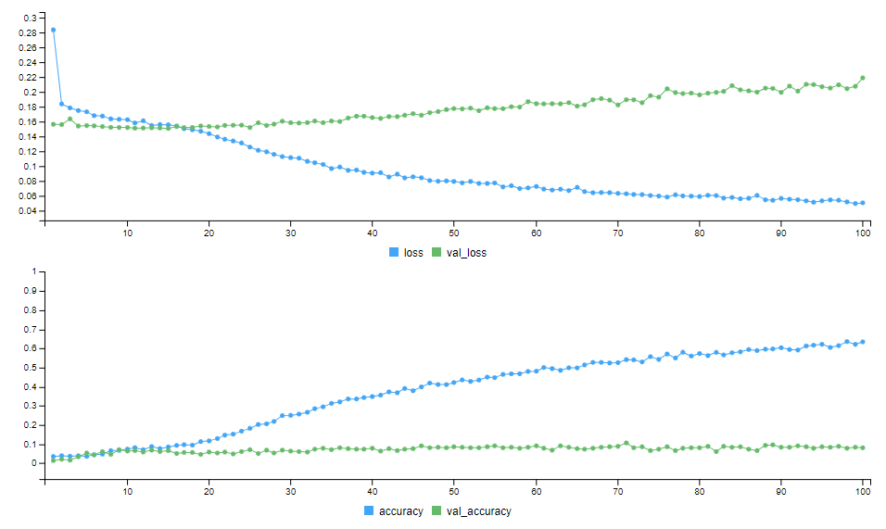
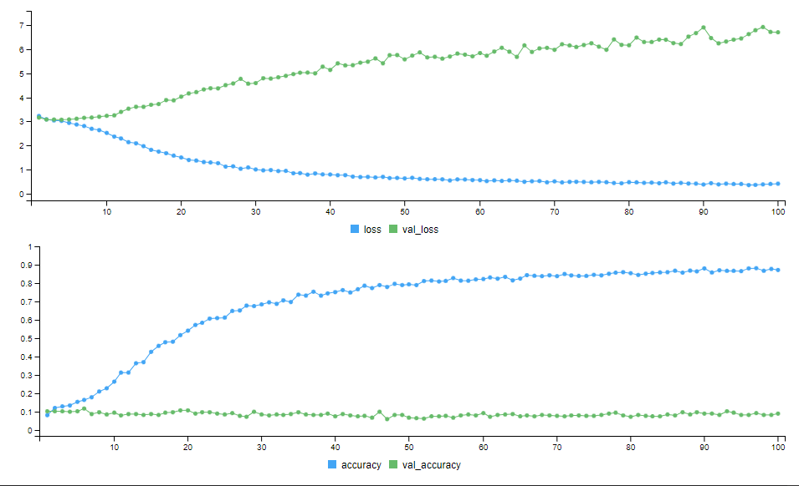
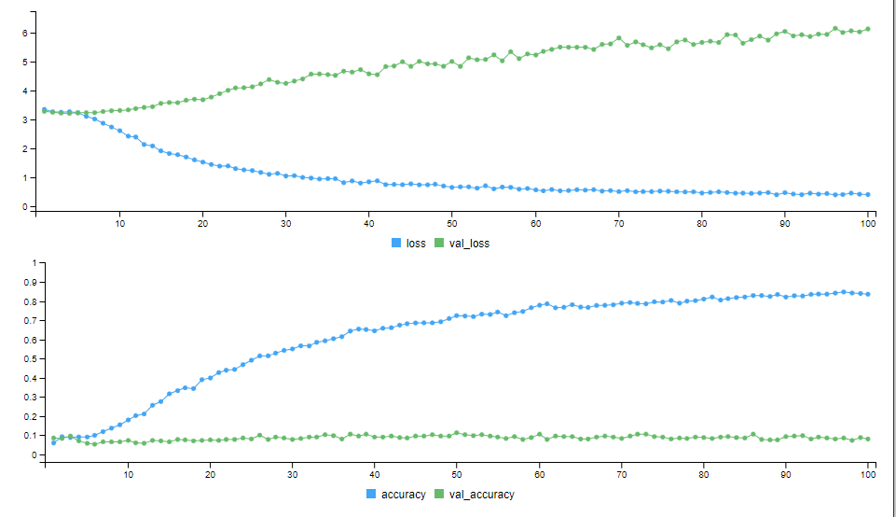
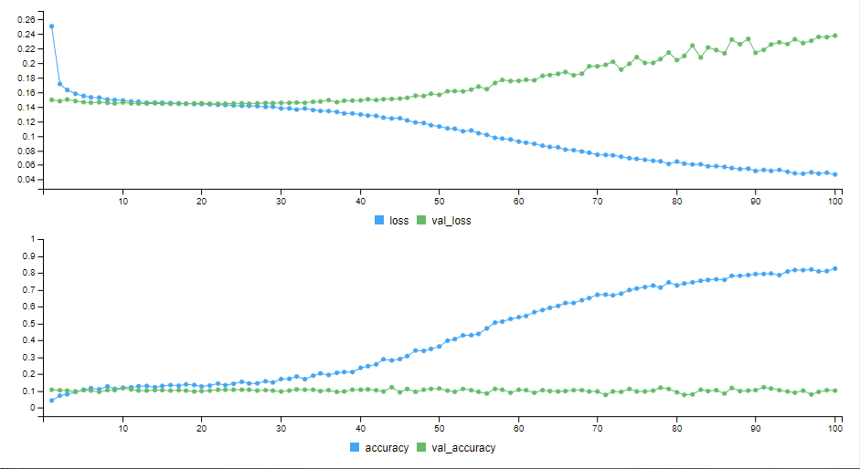
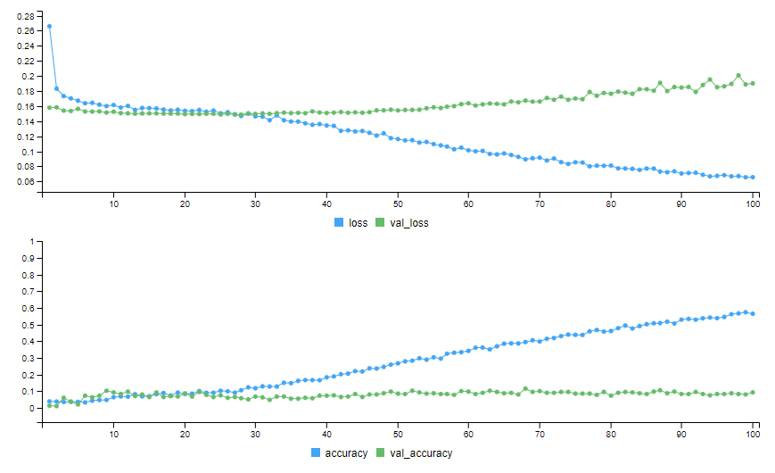
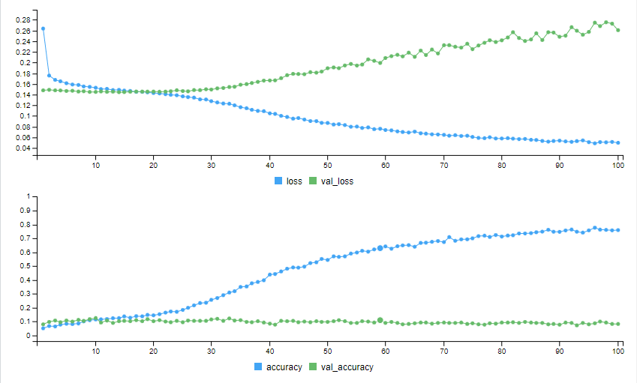
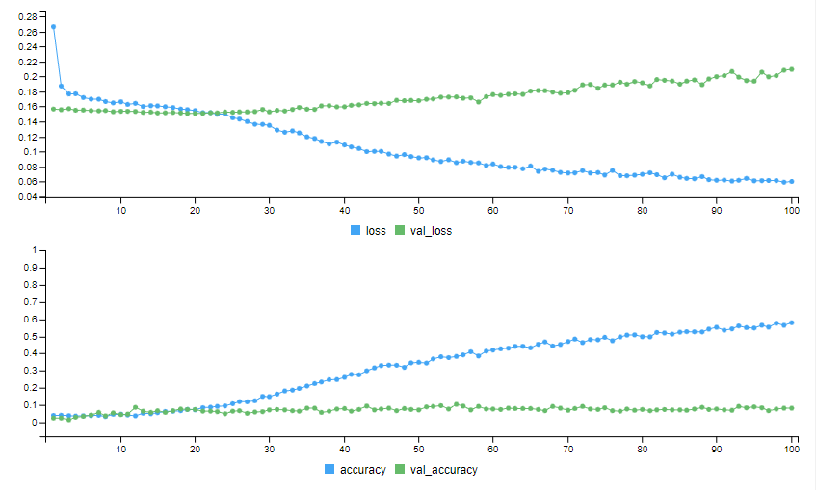
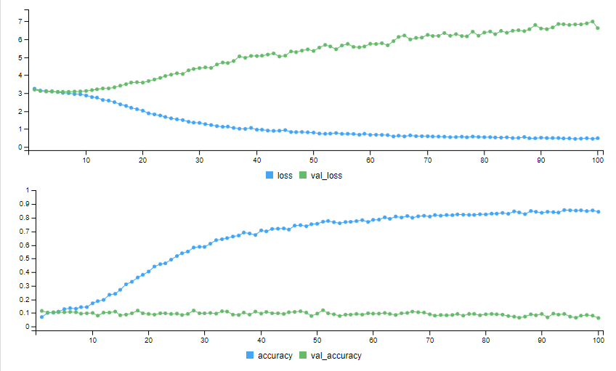
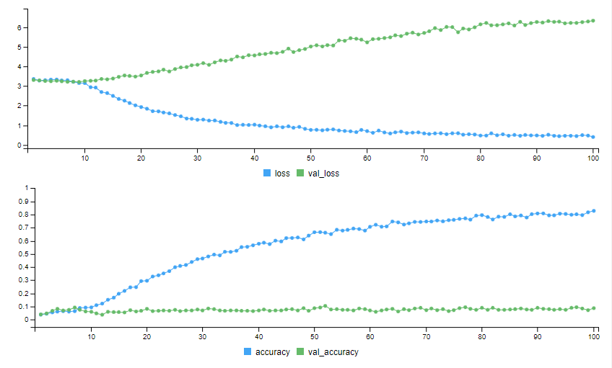
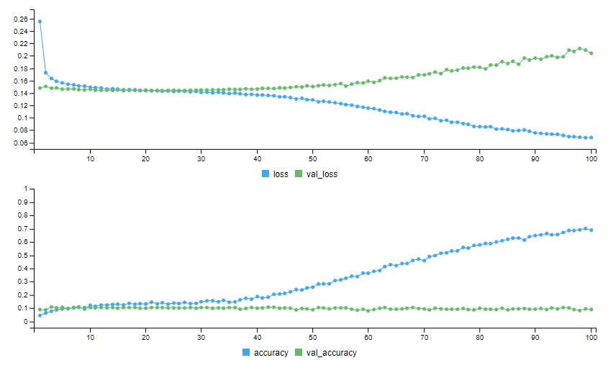
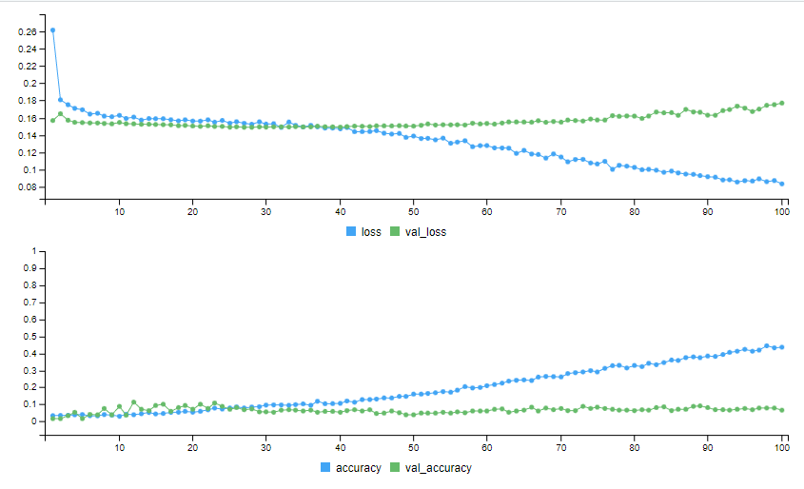
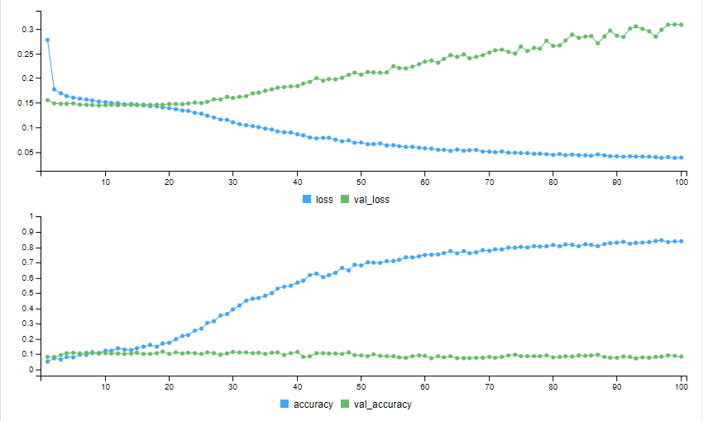
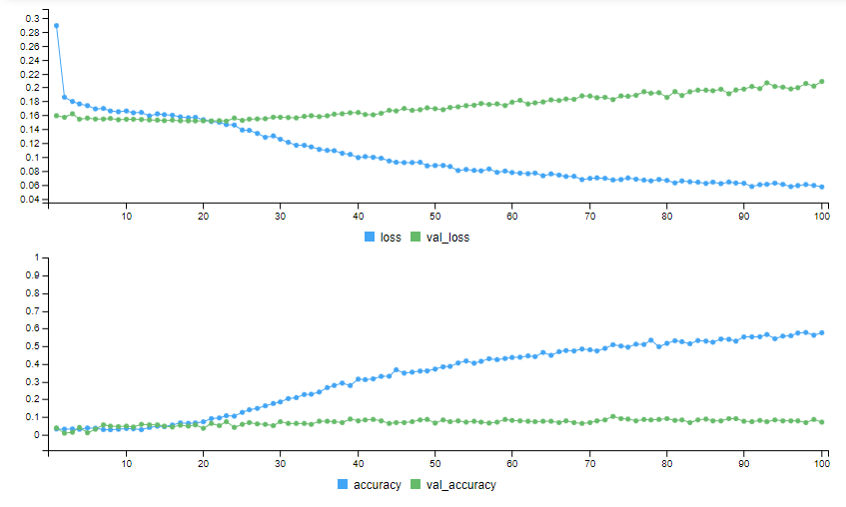
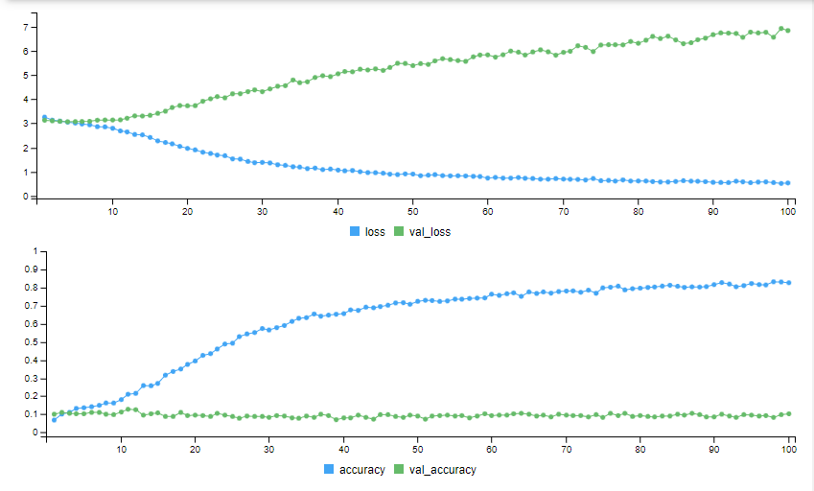
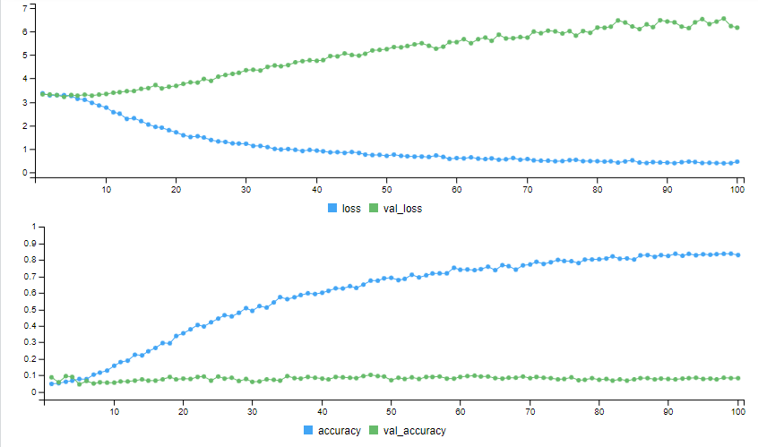
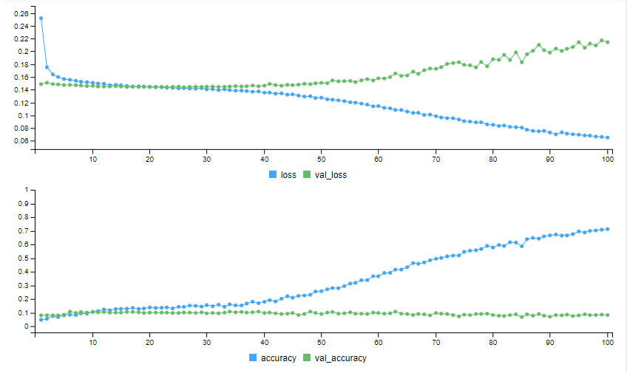
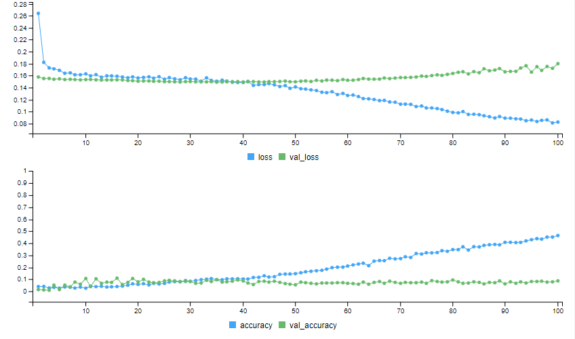
Gaussian Noise Mean | Binary |  | Binary w/class weights |  | Categorical Entropy |  | Categorical w/class weights |  | RMSprop |  | RMSprop w/class weights
 | Val Loss | Val Acc | Val Loss | Val Acc | Val Loss | Val Acc | Val Loss | Val Acc | Val Loss | Val Acc | Val Loss | Val Acc
No Noise | 0.2298 | 0.0925 | 0.185 | 0.11 | 6.1524 | 0.0781 | 5.5162 | 0.0969 | 0.1718 | 0.1 | 0.1599 | 0.09
0.2 | 0.2238 | 0.095 | 0.2188 | 0.08 | 6.7022 | 0.09 | 6.1445 | 0.08 | 0.2373 | 0.1025 | 0.1901 | 0.0925
0.8 | 0.2607 | 0.0825 | 0.2094 | 0.08 | 6.6276 | 0.0625 | 6.3434 | 0.0875 | 0.2042 | 0.09 | 0.177 | 0.065
Random | 0.3078 | 0.0825 | 0.2086 | 0.07 | 6.8412 | 0.1025 | 6.158 | 0.0825 | 0.2149 | 0.0825 | 0.18 | 0.0875

Rotation
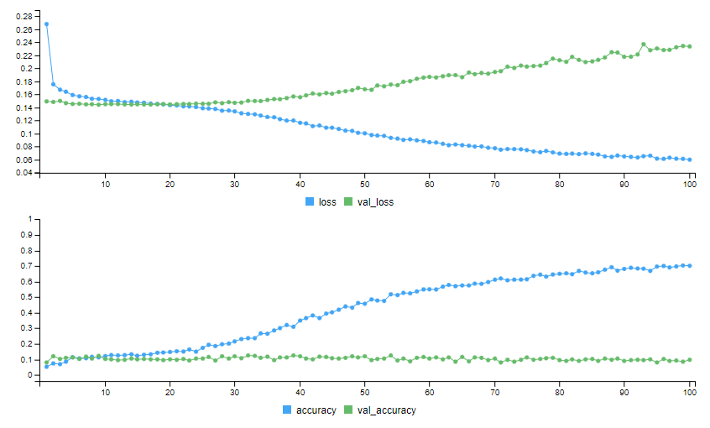
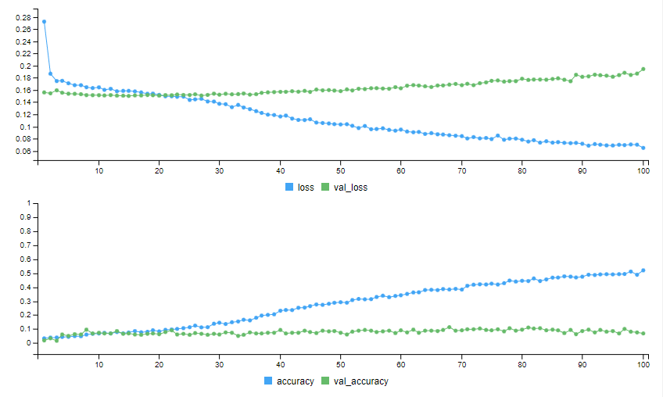
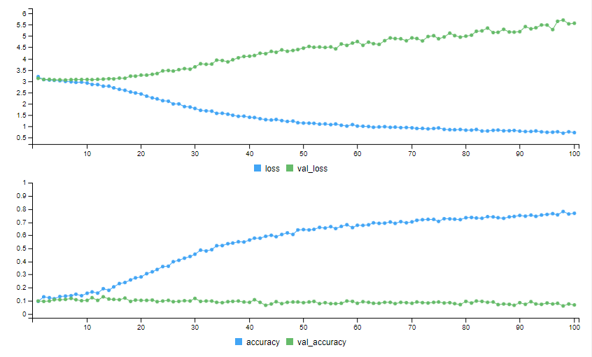
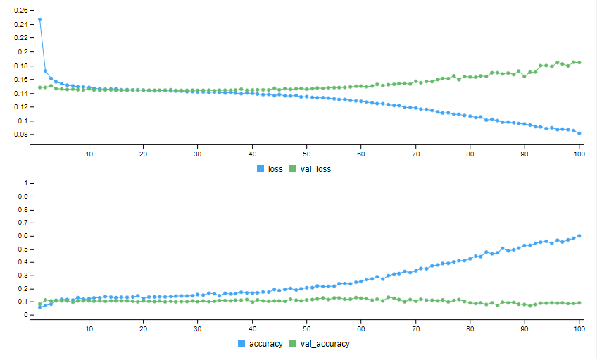
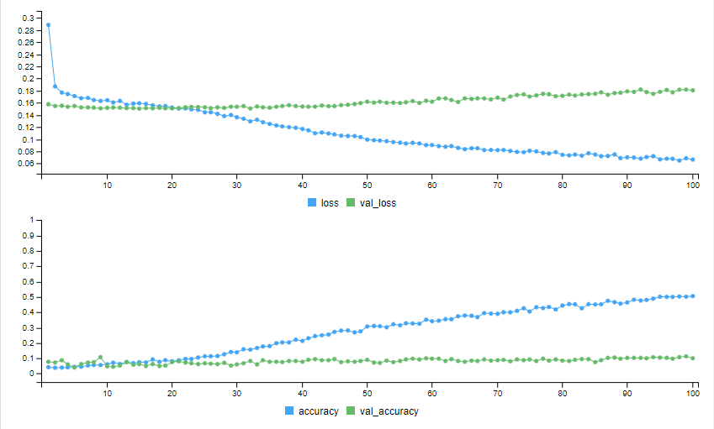
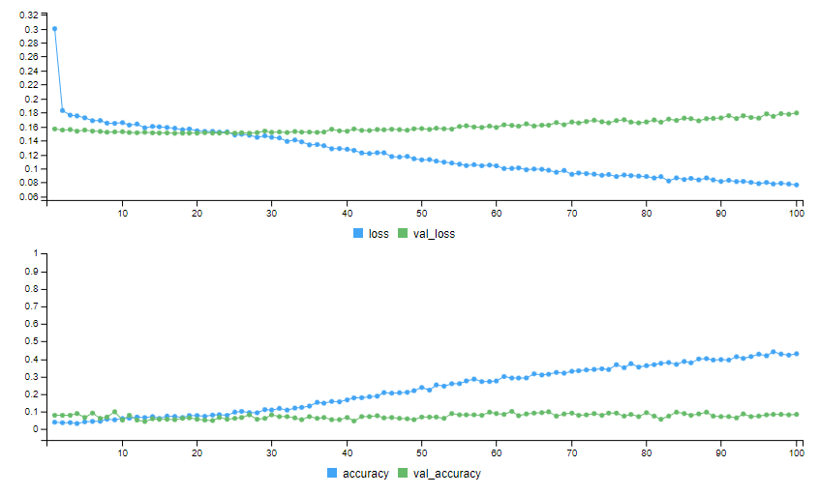
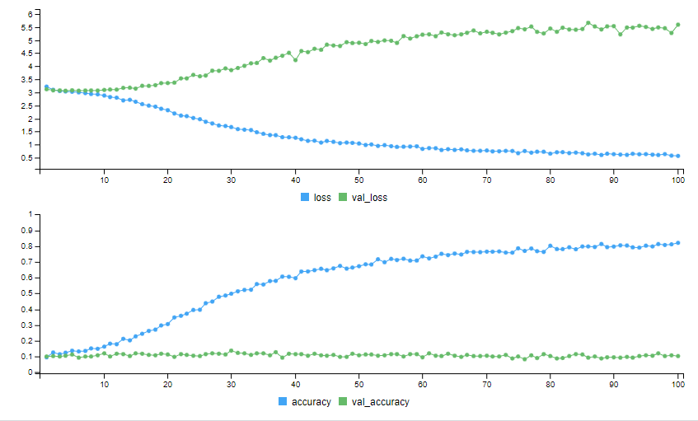
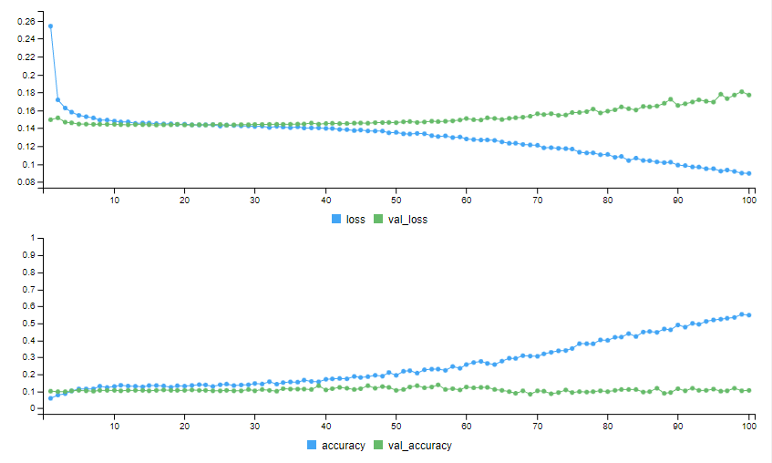
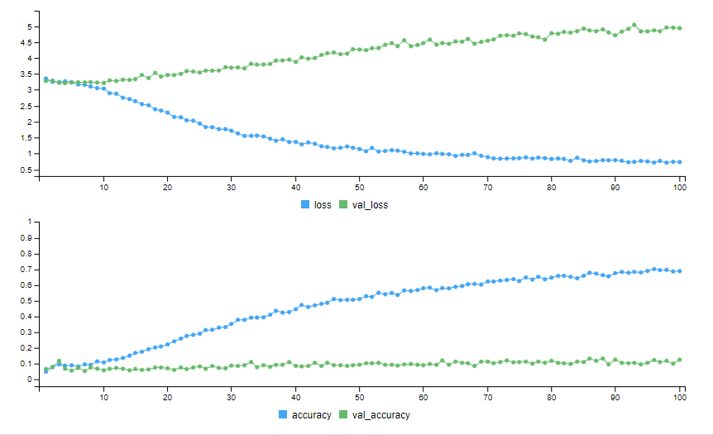
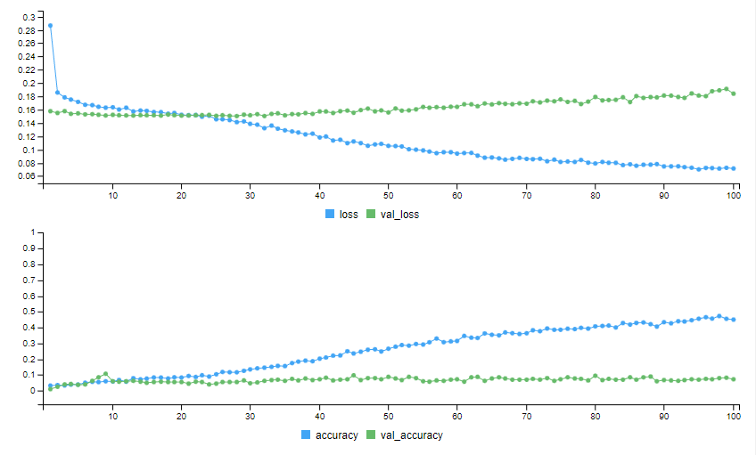
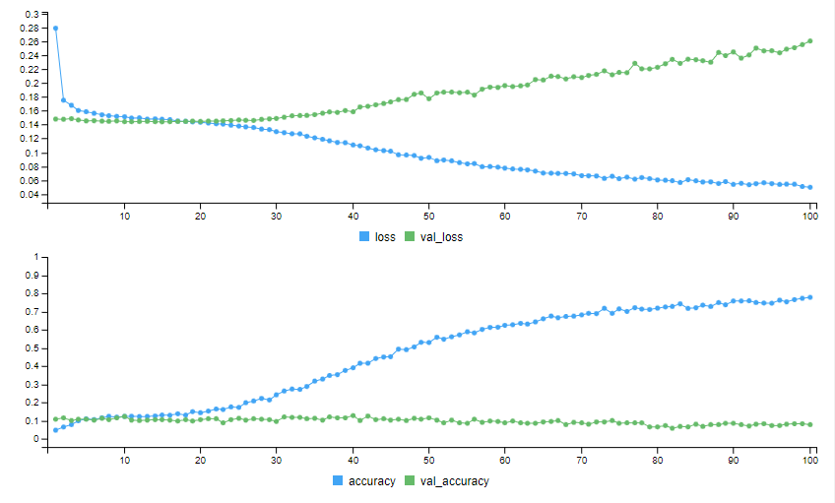
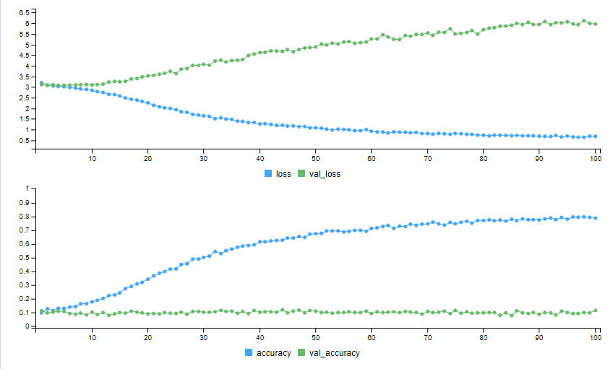
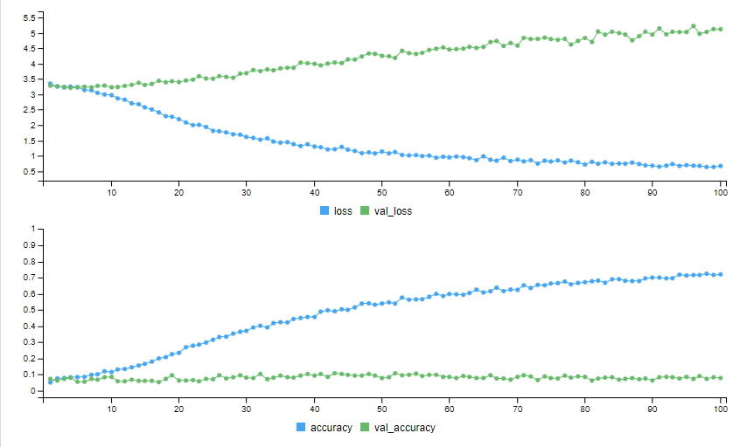
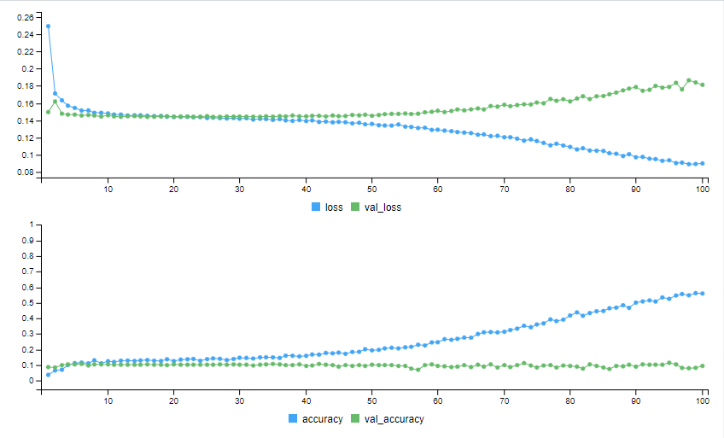
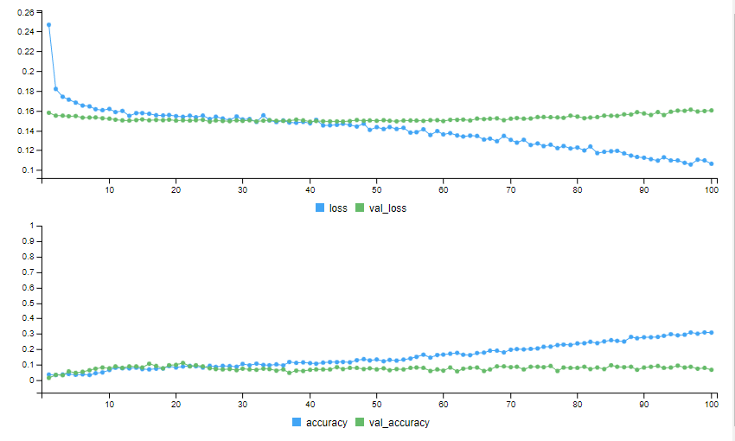
Rotation (Degrees) | Binary |  | Binary w/class weights |  | Categorical |  | Categorical w/class weights |  | RMSprop |  | RMSprop w/class weights
 | Val Loss | Val Acc | Val Loss | Val Acc | Val Loss | Val Acc | Val Loss | Val Acc | Val Loss | Val Acc | Val Loss | Val Acc
No Noise | 0.2298 | 0.0925 | 0.185 | 0.11 | 6.1524 | 0.0781 | 5.5162 | 0.0969 | 0.1718 | 0.1 | 0.1599 | 0.09
90 | 0.2334 | 0.0975 | 0.1944 | 0.0675 | 5.5658 | 0.0675 | 4.8395 | 0.09 | 0.1842 | 0.09 | 0.1624 | 0.0625
180 | 0.1807 | 0.1 | 0.1794 | 0.085 | 5.5939 | 0.1025 | 4.9142 | 0.085 | 0.1771 | 0.105 | 0.1646 | 0.0675
Random | 0.2607 | 0.0775 | 0.184 | 0.0725 | 5.9652 | 0.115 | 5.1211 | 0.0775 | 0.1813 | 0.095 | 0.1602 | 0.065

Resolution
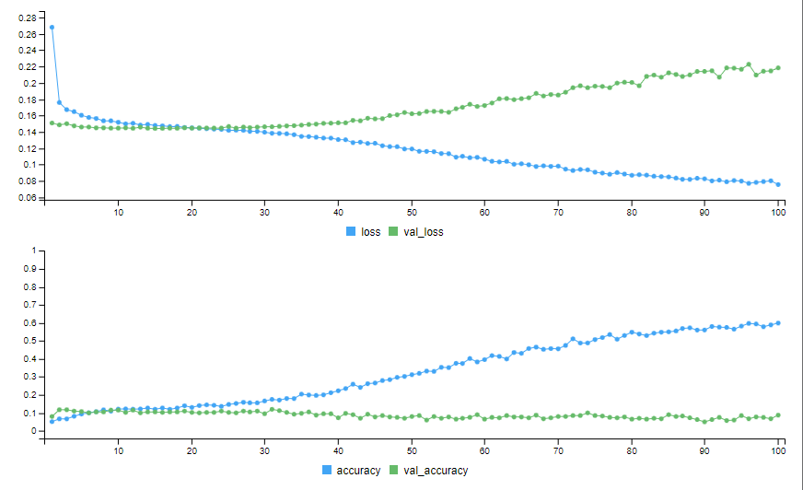
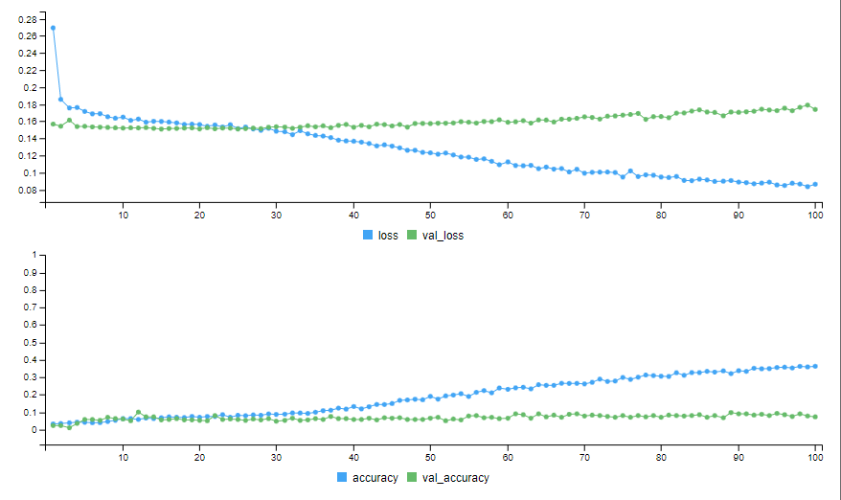
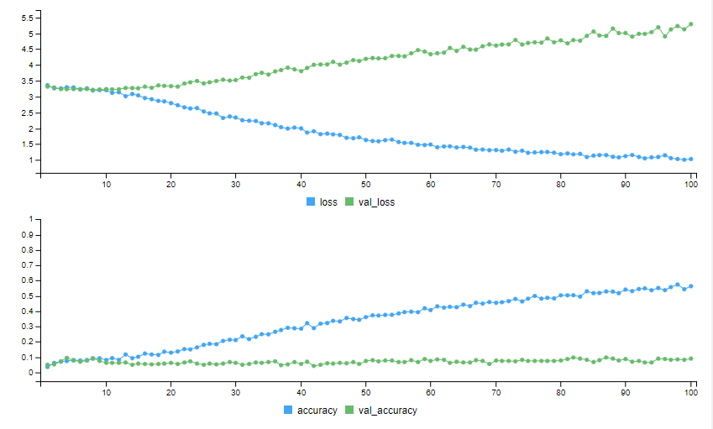
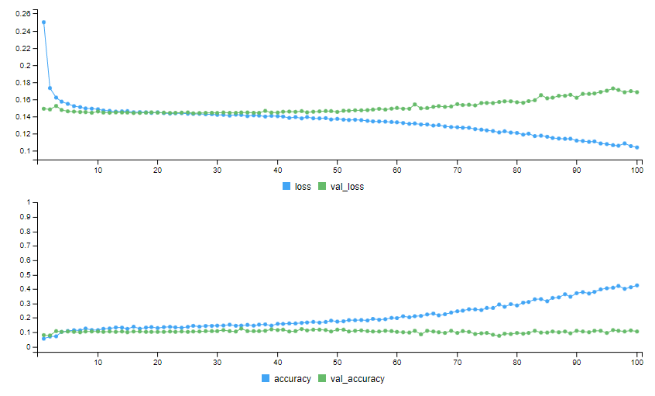
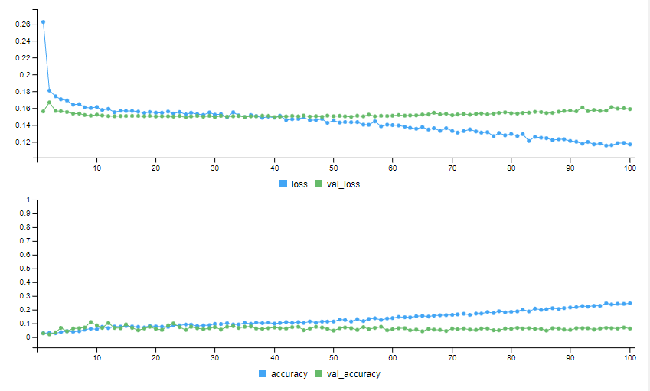
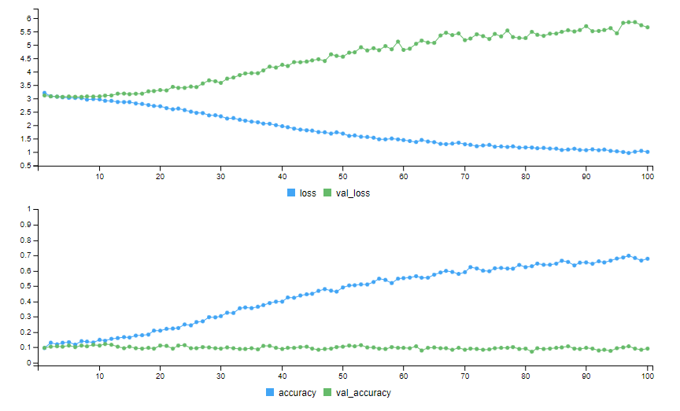
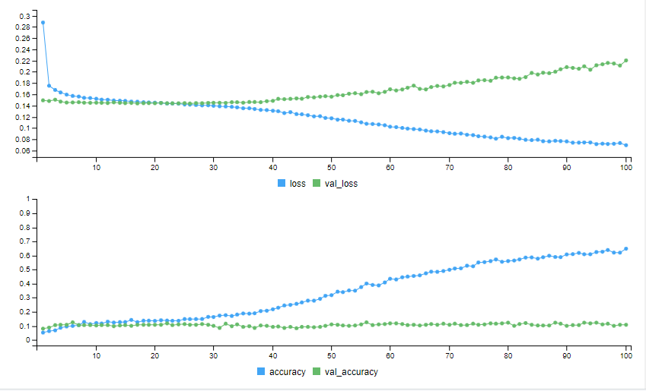
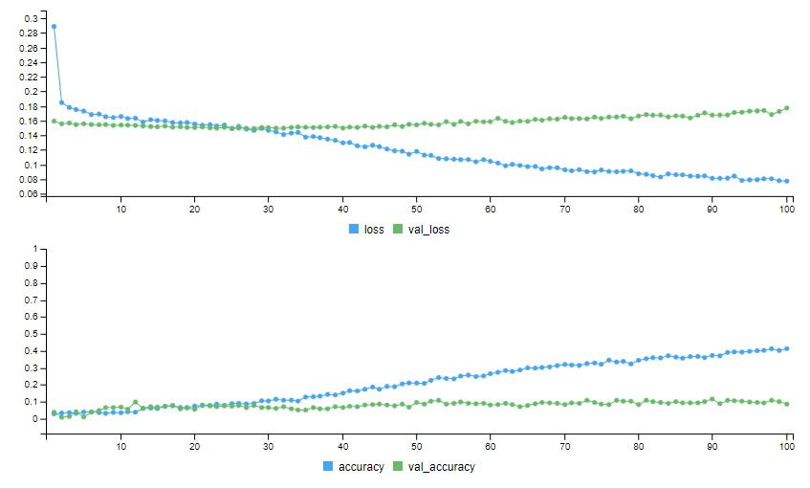
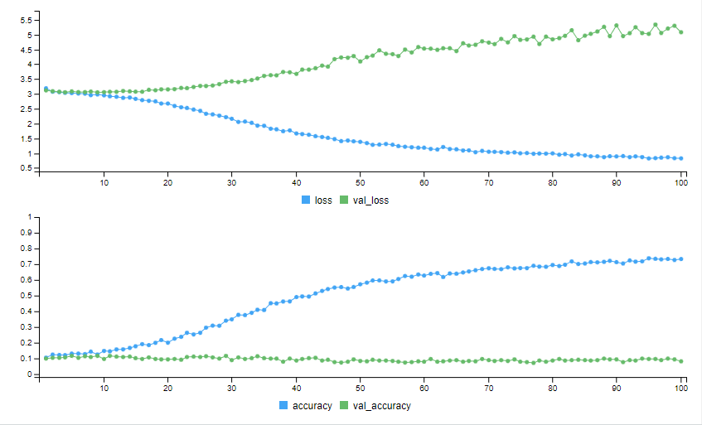
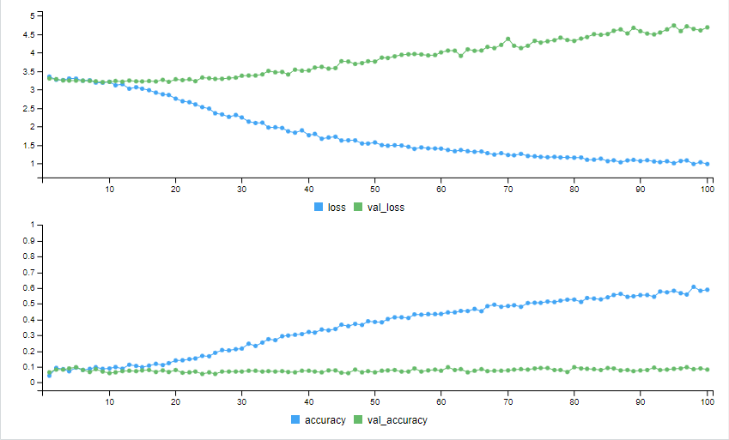
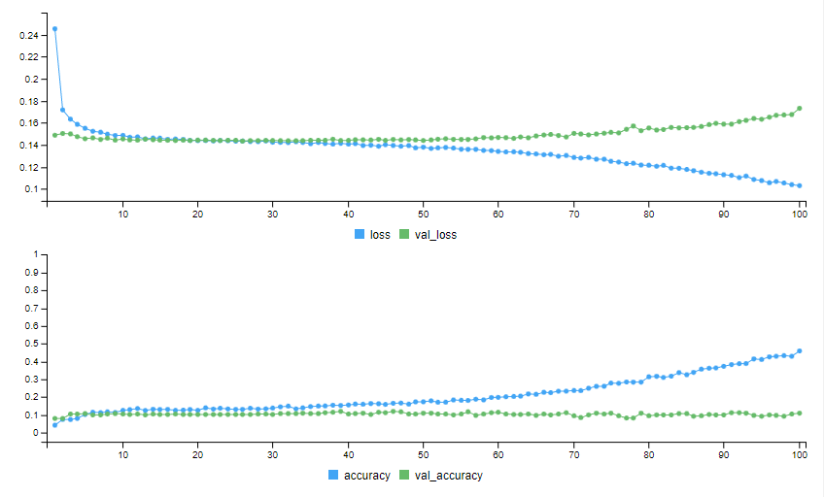
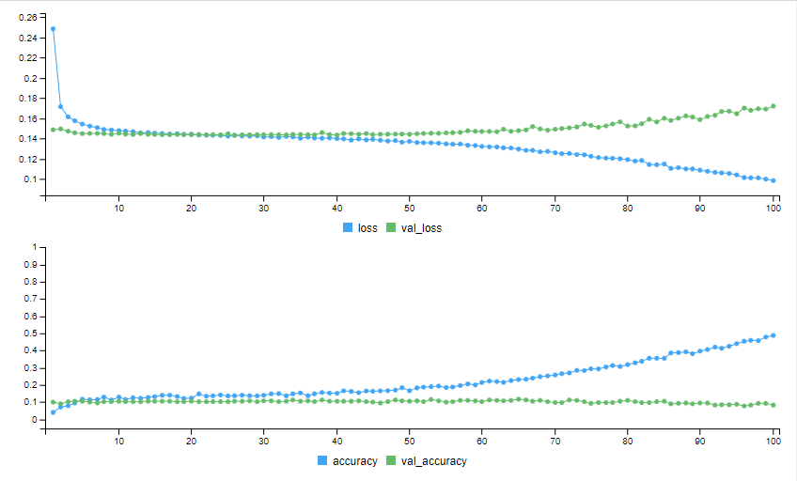
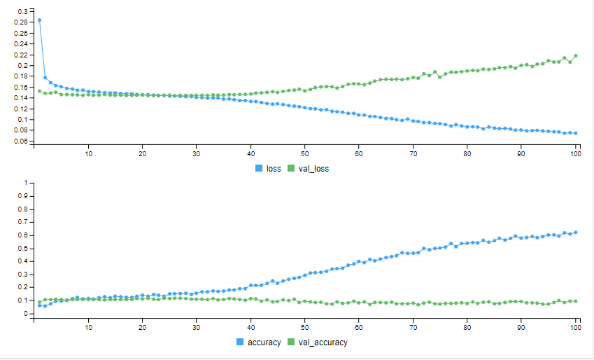
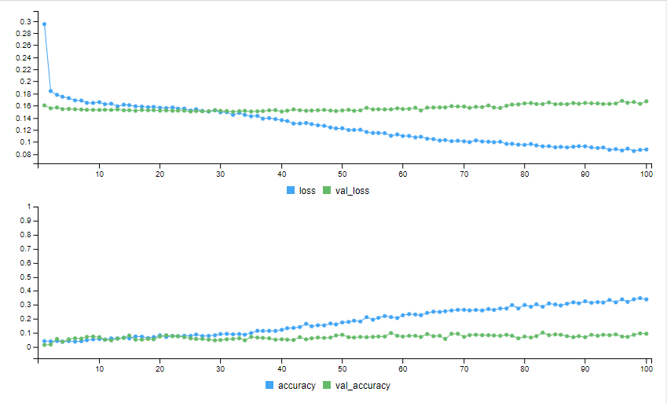
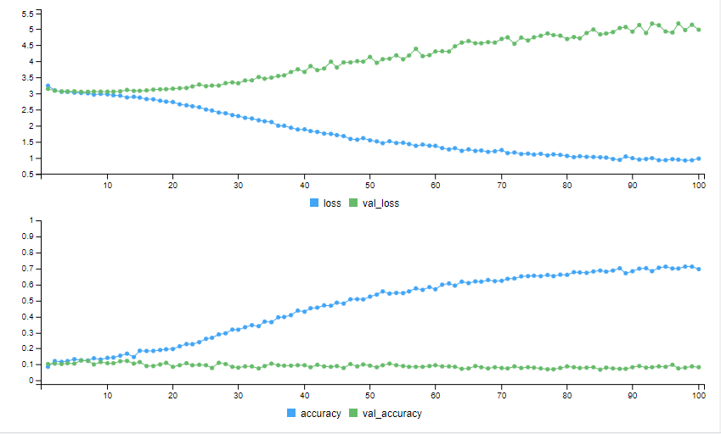
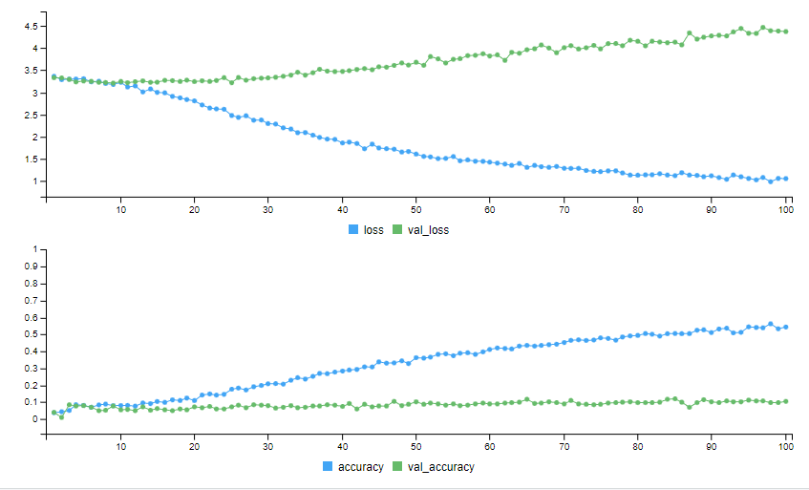

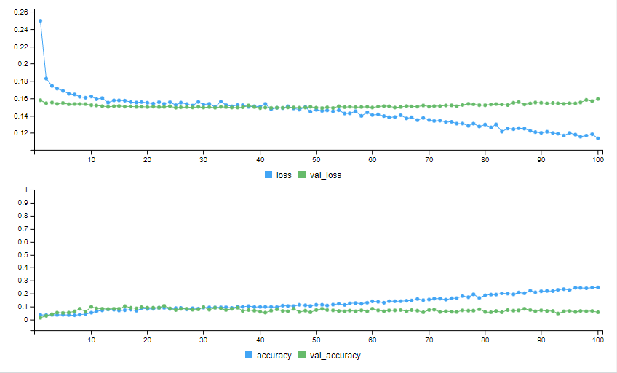
Resolution | Binary |  | Binary w/class weights |  | Categorical |  | Categorical w/class weights |  | RMSprop |  | RMSprop w/class weights
 | Val Loss | Val Acc | Val Loss | Val Acc | Val Loss | Val Acc | Val Loss | Val Acc | Val Loss | Val Acc | Val Loss | Val Acc
No Noise | 0.2298 | 0.0925 | 0.185 | 0.11 | 6.1524 | 0.0781 | 5.5162 | 0.0969 | 0.1718 | 0.1 | 0.1599 | 0.09
16x16 | 0.2184 | 0.0875 | 0.1739 | 0.0725 | 5.8 | 0.1175 | 5.2886 | 0.09 | 0.1683 | 0.105 | 0.1585 | 0.065
32x32 | 0.2204 | 0.1075 | 0.1773 | 0.085 | 5.0794 | 0.0825 | 4.6887 | 0.0825 | 0.1732 | 0.11 | 0.1721 | 0.0825
Random | 0.2176 | 0.0925 | 0.1672 | 0.0925 | 4.9836 | 0.0825 | 4.3703 | 0.105 | 0.1698 | 0.0925 | 0.1591 | 0.055

