Anti_numDelivered_2000orders_nu
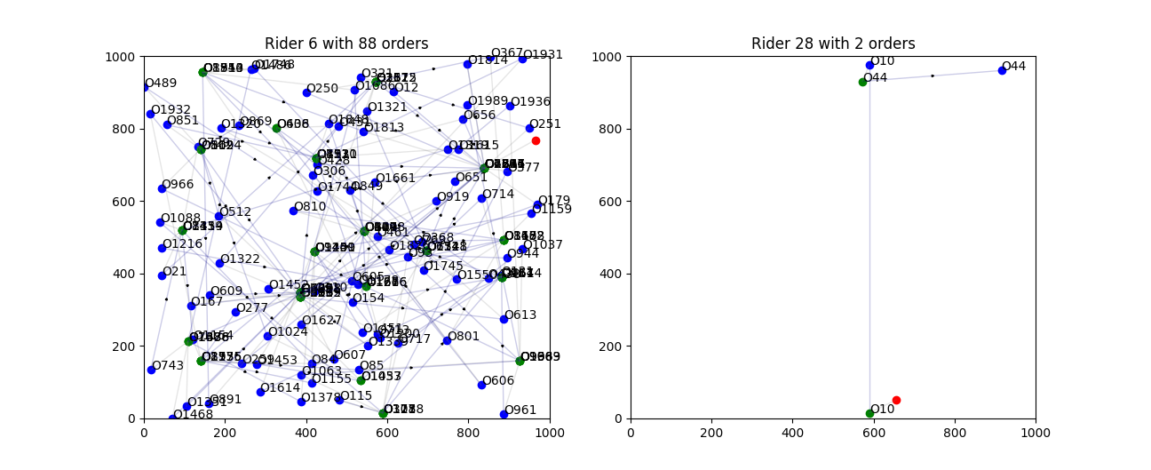
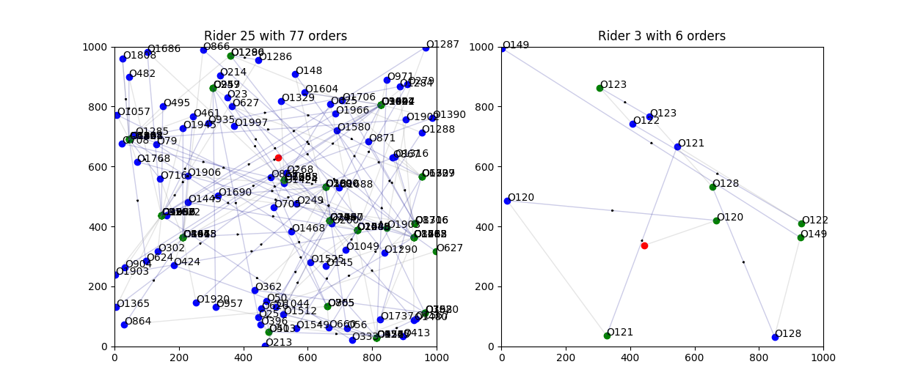
mean | std | max | min
66.666666667 | 17.909649789 | 89 | 13
66.666666667 | 11.091538316 | 76 | 24
66.666666667 | 5.5457691582 | 75 | 54
66.666666667 | 9.0529307716 | 77 | 33
66.666666667 | 15.168681185 | 80 | 11
66.666666667 | 13.687788556 | 85 | 27
66.666666667 | 10.293471502 | 82 | 41
66.666666667 | 10.454132623 | 83 | 31
66.666666667 | 14.976277538 | 85 | 19
66.666666667 | 16.551602809 | 81 | 13
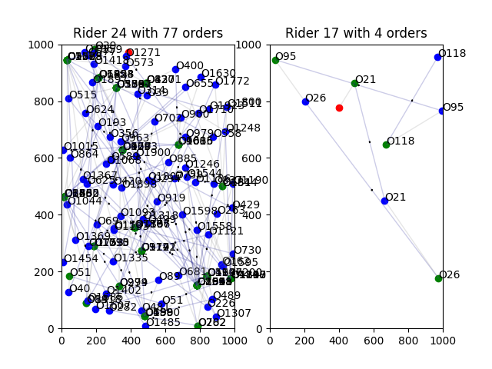
66.666666667 | 12.340538436 | 78 | 19
66.666666667 | 13.292437282 | 84 | 17
66.666666667 | 4.2921116274 | 74 | 54
66.666666667 | 5.5876848714 | 75 | 54
66.666666667 | 9.1335766391 | 77 | 31
66.666666667 | 9.0049369175 | 81 | 44
66.666666667 | 5.1532082779 | 82 | 51
66.666666667 | 9.3106868108 | 78 | 37
66.666666667 | 14.752024343 | 77 | 6
66.666666667 | 15.367353564 | 85 | 19
66.666666667 | 8.502287274 | 77 | 30
66.666666667 | 22.59547644 | 88 | 2
66.666666667 | 13.572848714 | 82 | 23
66.666666667 | 12.843502464 | 80 | 18
66.666666667 | 14.43452651 | 84 | 27
66.666666667 | 13.604737737 | 77 | 4
66.666666667 | 6.6749947982 | 77 | 52
66.666666667 | 11.88930425 | 78 | 14
66.666666667 | 15.484041964 | 81 | 0
66.666666667 | 8.2475585613 | 80 | 36

