Sheet1
 |  | 6 outputs

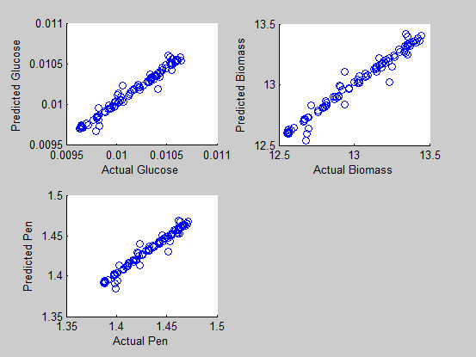
try 1
Outputs

1 2 3 4 5 6

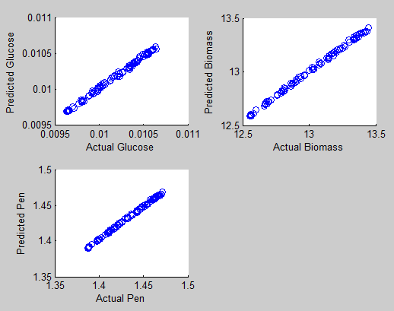
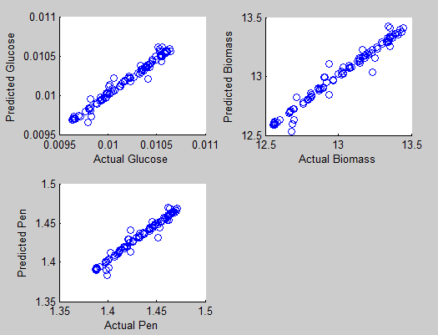
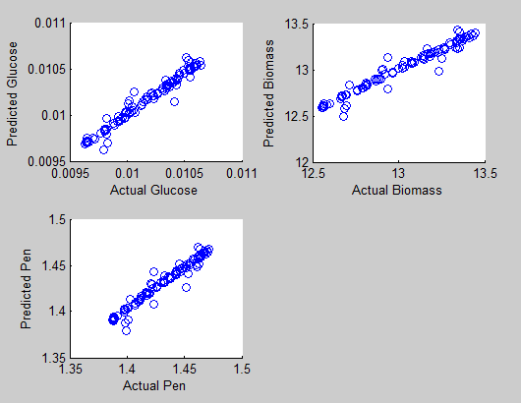
 |  | 5 outpus
try 2 |  |  |  | try 3 |  | try 4
Outputs |  |  |  | Outputs |  | Outputs

2 3 4 5 6 |  |  |  | 1 3 4 5 6 |  | 1 2 4 5 6

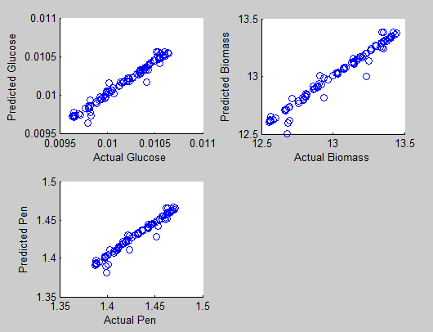
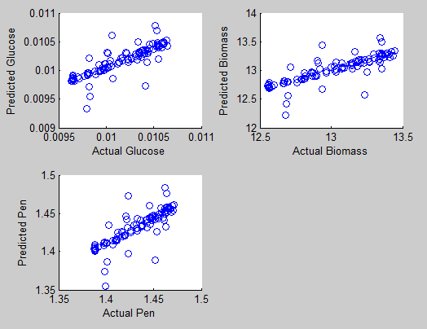
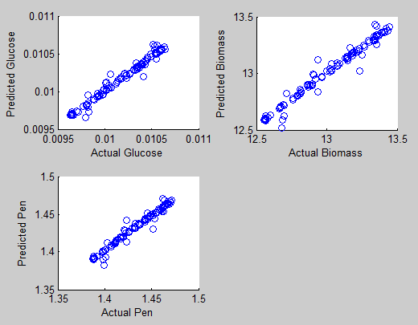
try 5 |  |  |  | try 6 |  | try 7
Outputs |  |  |  | Outputs |  | Outputs

1 2 3 5 6 |  |  |  | 1 2 3 4 6 |  | 1 2 3 4 5

 |  | 4 outpus

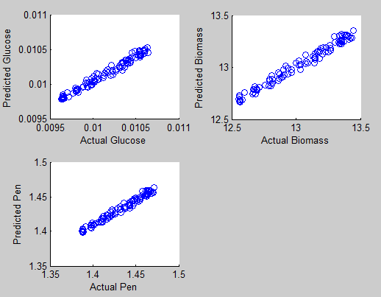
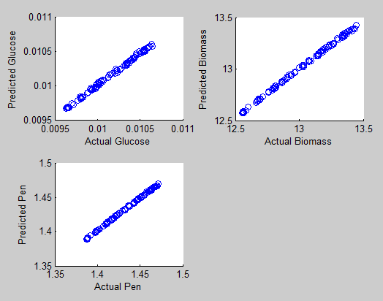
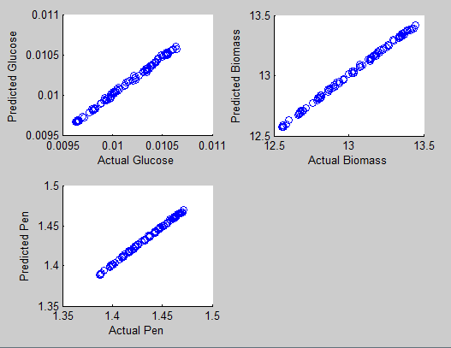
try 8 |  |  |  | try 9 |  | try 10
Outputs |  |  |  | Outputs |  | Outputs

2 3 4 6 |  |  |  | 3 4 5 6 |  | 2 3 4 5


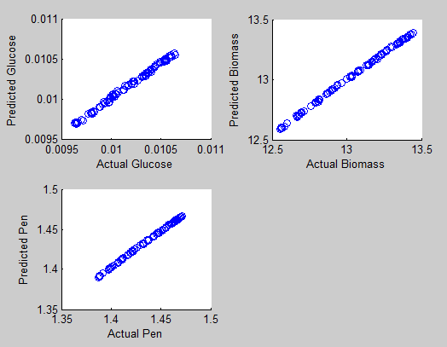
try 11 |  |  |  | try 12
Outputs |  |  |  | Outputs

2 4 5 6 |  |  |  | 2 3 5 6

 | 4 outpus |  | With output 1

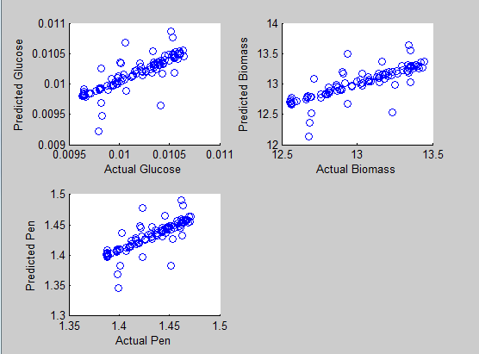
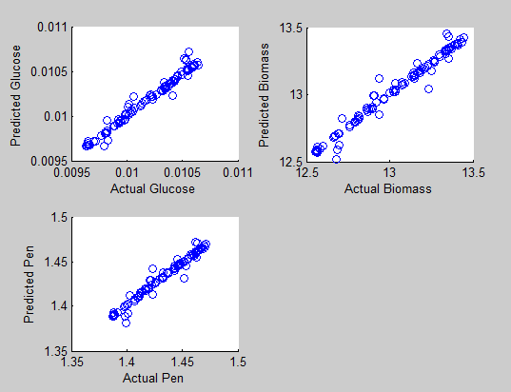
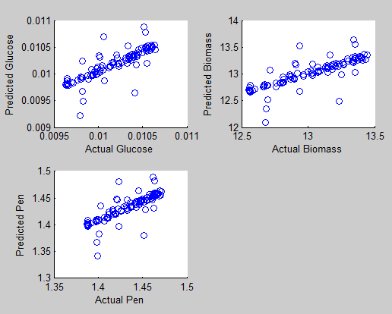
try 13 |  |  |  |  | try 14 |  | try 15
Outputs |  |  |  |  | Outputs |  | Outputs

1 3 4 6 |  |  |  |  | 1 3 4 5 |  | 1 2 3 4

