territory_data
territory | continent | nation | troops | x | y
Alaska | North America | D | 3 | 0 | 6
Northwest Territory | North America | C | 3 | 1.2 | 6
Greenland | North America | A | 3 | 3.7 | 6.4
Alberta | North America | D | 3 | 1.2 | 5.2
Ontario | North America | C | 3 | 2 | 5
Quebec | North America | A | 3 | 2.8 | 5
Western United States | North America | D | 3 | 1.3 | 4.3
Eastern United States | North America | B | 3 | 2.1 | 4.2
Central America | North America | A | 3 | 1.7 | 3.3
Venezuela | South America | C | 3 | 2.8 | 2.8
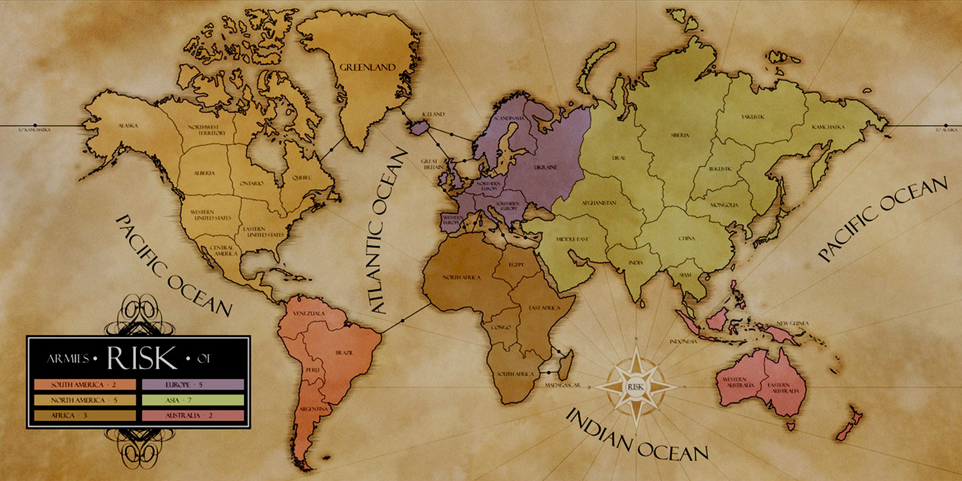
Peru | South America | B | 3 | 2.6 | 2
Brazil | South America | D | 3 | 3.4 | 2
Argentina | South America | B | 3 | 2.8 | 1
North Africa | Africa | C | 3 | 5.2 | 3.3
Egypt | Africa | D | 3 | 6.1 | 3.5
East Africa | Africa | C | 3 | 6.4 | 2.8
Congo | Africa | B | 3 | 5.8 | 2.4
South Africa | Africa | C | 3 | 6 | 1.6
Madagascar | Africa | C | 3 | 6.8 | 1.7
Iceland | Europe | A | 3 | 4.6 | 5.9
Scandinavia | Europe | C | 3 | 5.6 | 5.6
Ukraine | Europe | C | 3 | 6.5 | 5.2
Great Britain | Europe | A | 3 | 5.1 | 5
Northern Europe | Europe | A | 3 | 5.6 | 4.9
Southern Europe | Europe | D | 3 | 5.9 | 4.4
Western Europe | Europe | D | 3 | 5.2 | 4.4
Indonesia | Oceania | D | 3 | 9.2 | 2.5
New Guinea | Oceania | B | 3 | 10.1 | 2.3
Western Australia | Oceania | A | 3 | 9.5 | 1.5
Eastern Australia | Oceania | A | 3 | 10.3 | 1.4
Siam | Asia | B | 3 | 8.7 | 3.2
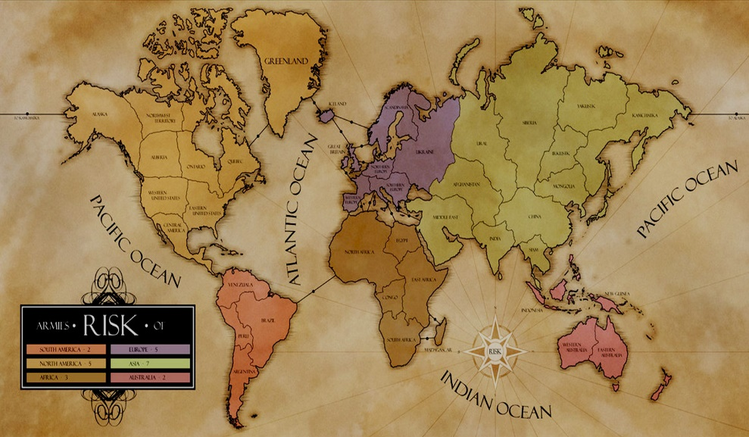
India | Asia | B | 3 | 7.9 | 3.5
China | Asia | A | 3 | 8.7 | 4
Mongolia | Asia | C | 3 | 9.4 | 4.5
Japan | Asia | D | 3 | 10 | 4.1
Irkutsk | Asia | B | 3 | 9.2 | 5.2
Yakutsk | Asia | D | 3 | 9.8 | 6.1
Kamchatka | Asia | B | 3 | 11 | 6
Siberia | Asia | A | 3 | 8.5 | 5.9
Afghanistan | Asia | B | 3 | 7.4 | 4.5
Ural | Asia | C | 3 | 7.5 | 5.5
Middle East | Asia | D | 3 | 6.8 | 4

