CySEC Instrument Onboarding Flo
 |  | - If we can "offer" the user to answer these questions again automatically after cooling off and if so which question should be included? (for example - trading startegy, source of income?) | each instrument will have spesific questions with the same cooling off period
 | Statuses
 | cooling off registration - No Instrument type X time from registration | CFD Cooling off from change |  | Copy Cooling off from change |  | NM User Assessment | Instrument Assessment (AT) | NM ST Test | ST | Cooling-off Registration screen | Cooling-off Change screen | CFD Intro | Copy Intro | User Assessment |  |  |  |  |  | Reasoning Screen |  |  | Instrument Assessment |  |  |  |  |  |  |  |  |  |  |  |  |  | Final Result |  |  |  |  | CFD Result screen |  | CFD Result screen
 |  | cooling off of User Assesmnet (Per all of this together: Risk Appetite, Source of funds, Annual income, Liquid assets, Trading Strategy, Purpose of trading) | cooling off of Intrument assesment (Leverage Experience + Amount questions Crypto experience Trading knowledge, CFD Trading Knowledge Assessment 5 Qs) | cooling off of User Assesmnet NM ST (Per all of this together: Risk Appetite, Annual income, Liquid assets, Trading Strategy - purpose ) | cooling off of Intrument assesment (Source of funds Stocks Questions (Experience + Amount) Leverage questions (Experience + Amount) Crypto questions (Experience + Amount) Trading knowledge Trading knowledge assessment 5 questions) Trading Strategy - duration ) |  |  |  |  |  |  |  |  | Risk Appetite | Source of Funds | Annual Income | Total Cash | Trading Strategy - Duration | Trading Strategy - Purpose |  | Stocks Experience | Stocks Amount | Leverage Experience | Leverage Amount | Crypto Experience | Crypto Amount | Trading Knowledge | Can a stop-loss order be canceled or modified after it has been placed? | Can a stop-loss order guarantee that a trade will be closed at the desired price? | What happens if an investor fails to meet a margin call in leveraged CFD trading? | How does leverage affect derivative trading? | What does leverage risk refer to in leveraged CFD trading? | Crypto Knowledge assessment (MiCA Phase 1) |  |  |  | NM User Assessment | AT Instrument Assessment | NM ST | ST | is it his First Trade? (relevant for ByIntent floe) | CFD Available | CFD Unavailable | Copy Available | Copy Unavailable | Fail AT Screen | First Trade Pop up
Screens |  |  |  |  |  |  |  |  |  | 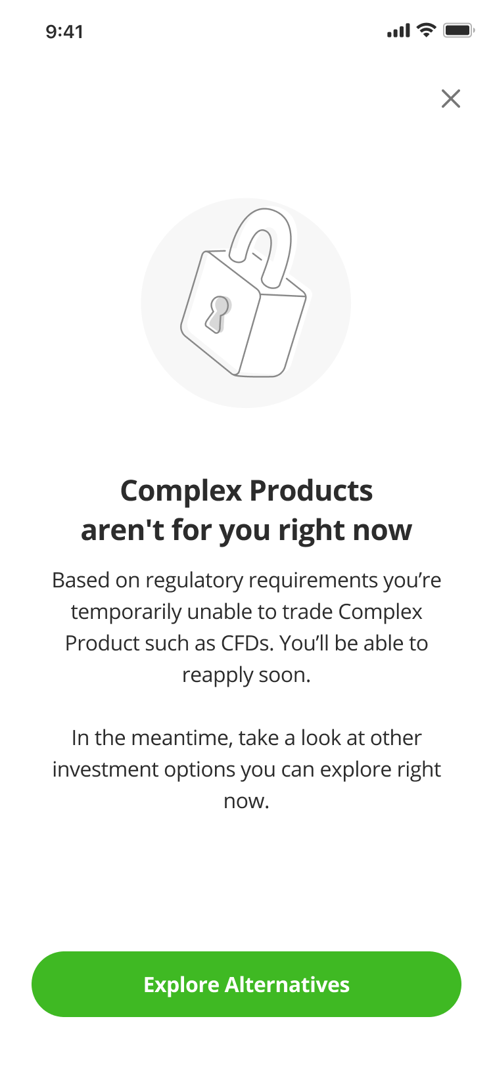 |  | 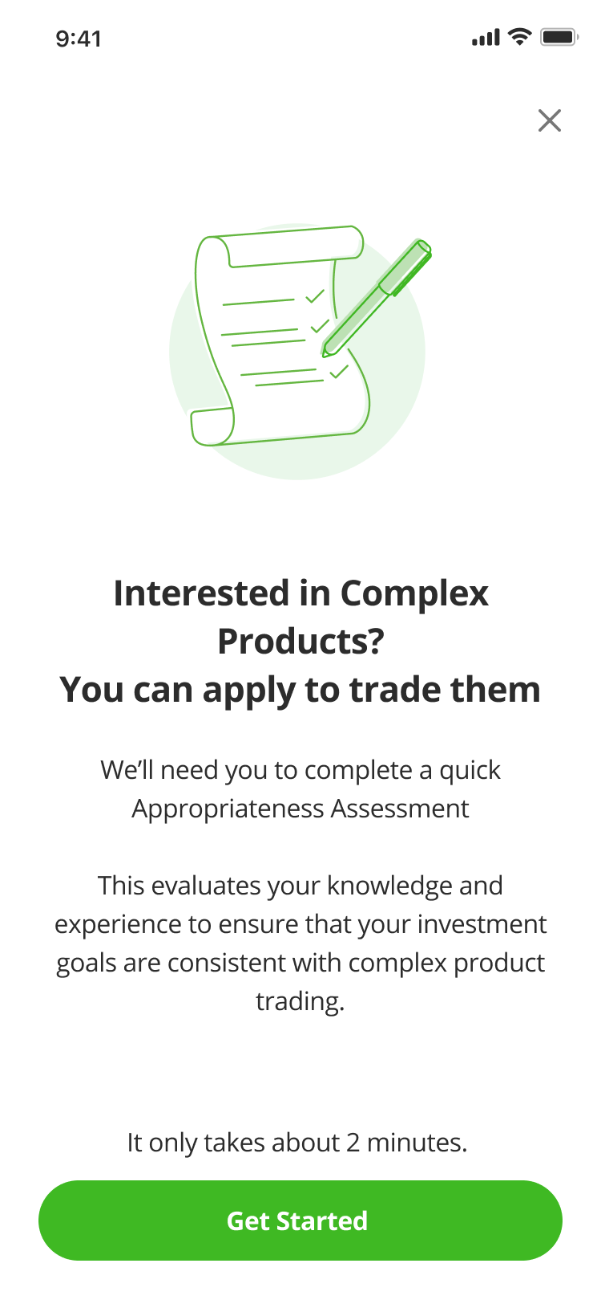 | 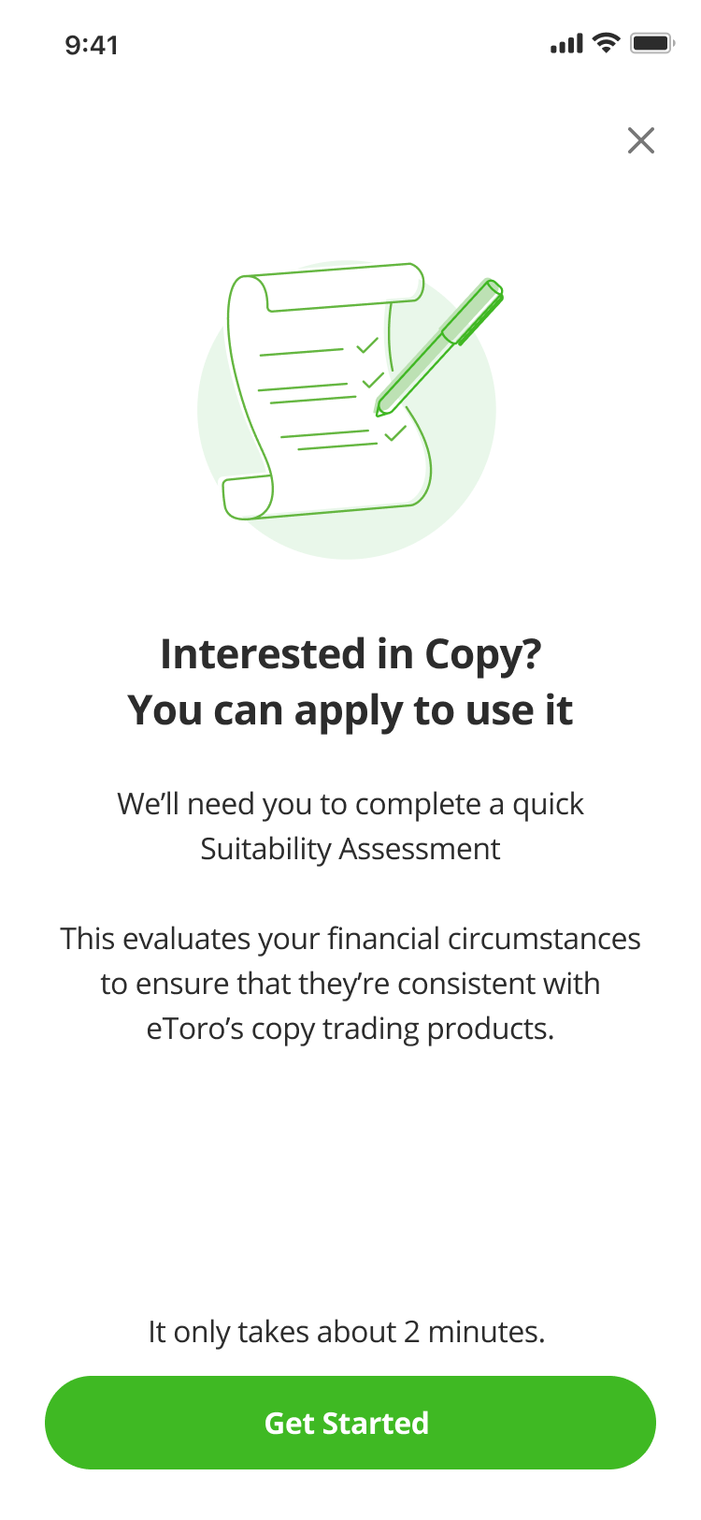 | 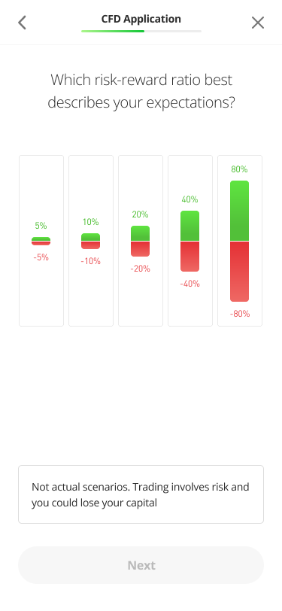 | 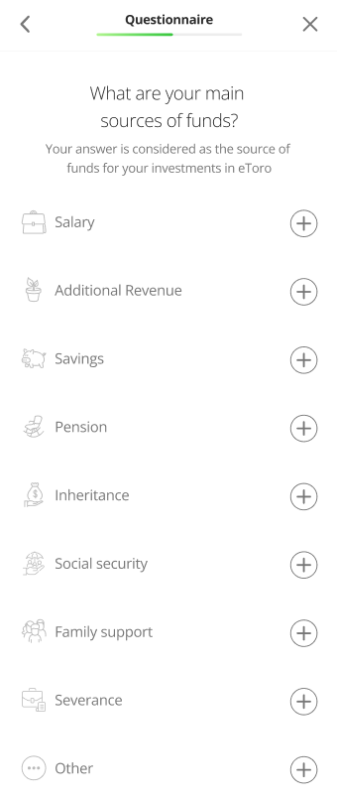 | 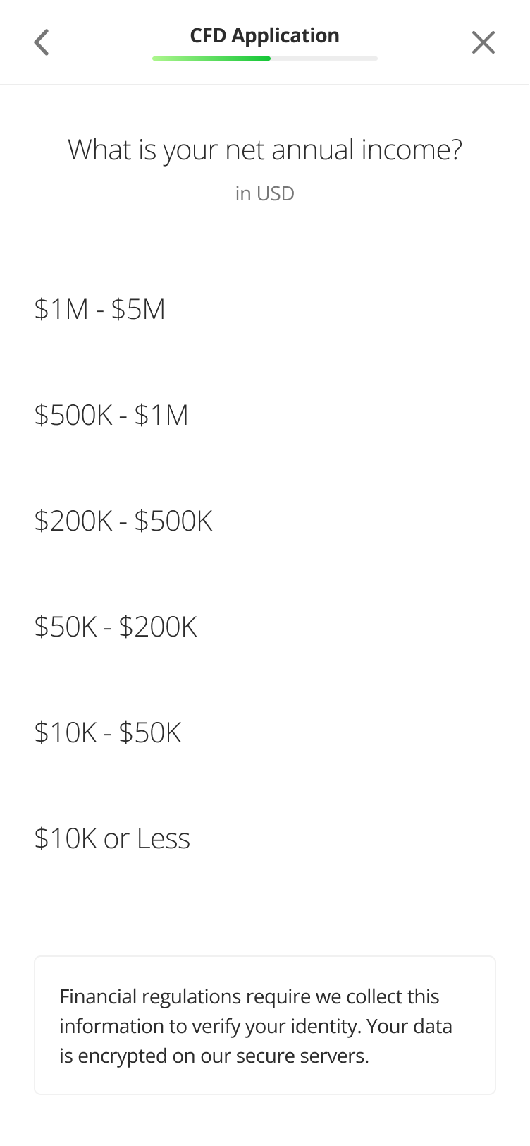 | 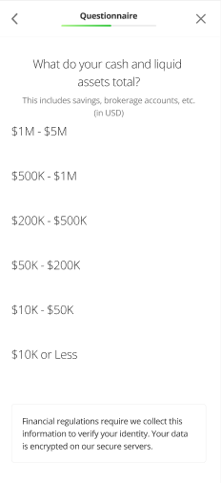 | 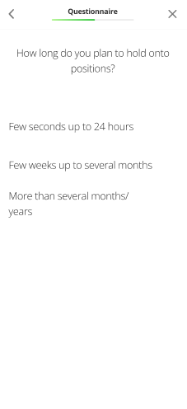 | 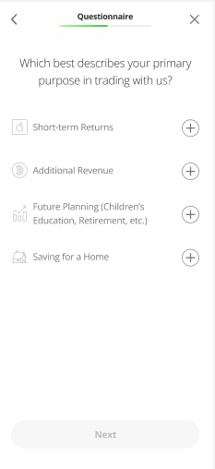 | 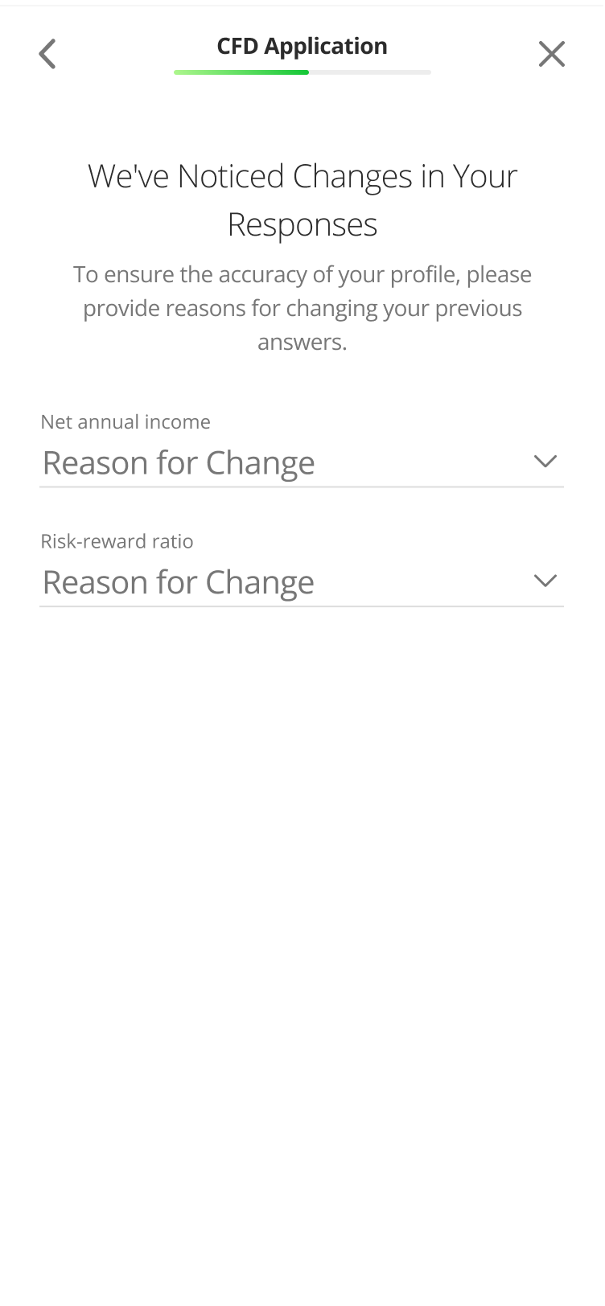 | 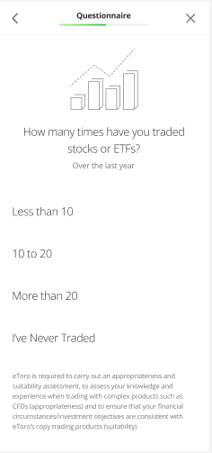 | 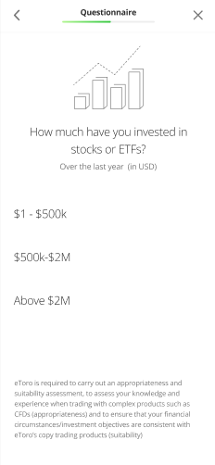 | 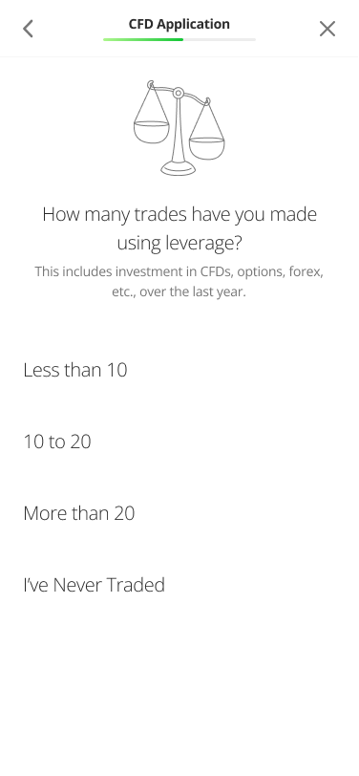 | 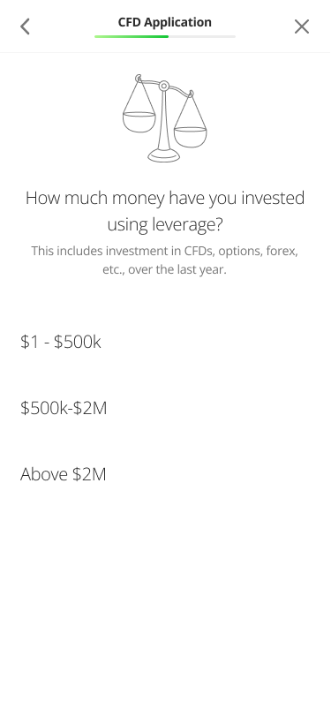 | 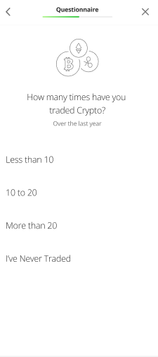 | 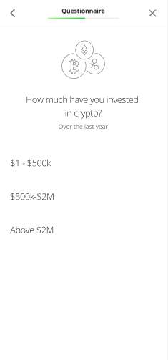 | 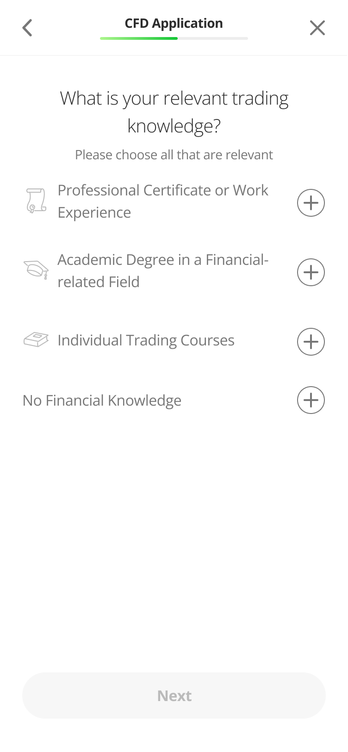 | 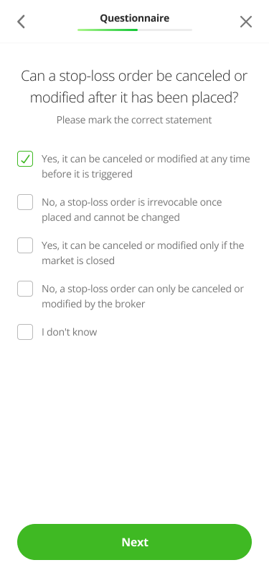 | 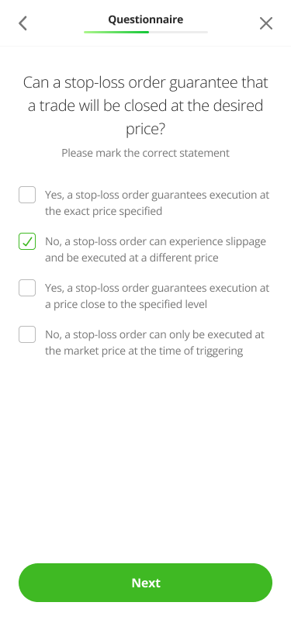 | 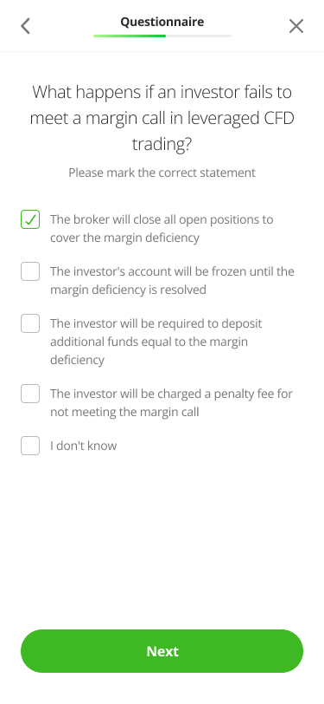 | 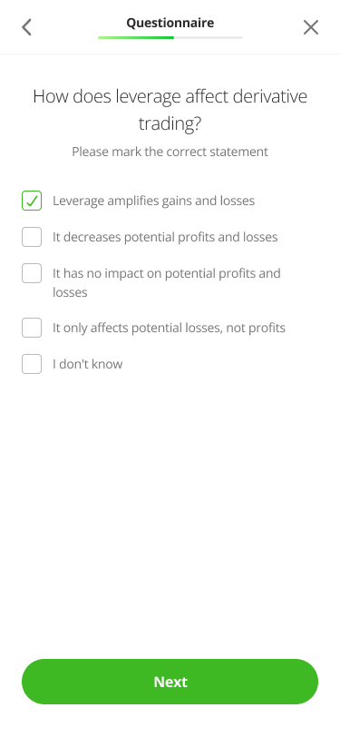 | 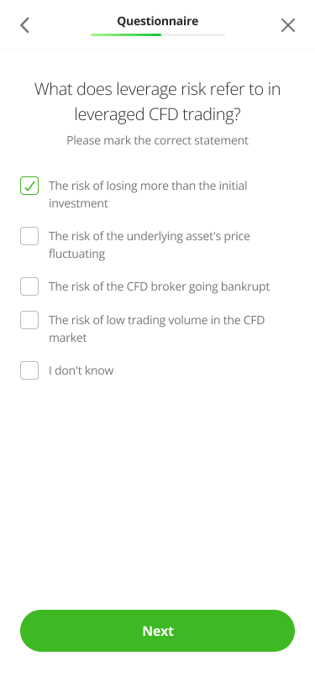 | 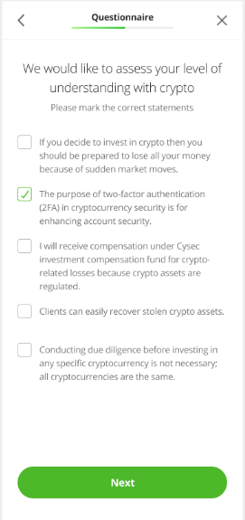 |  |  | Results |  |  |  |  |  | 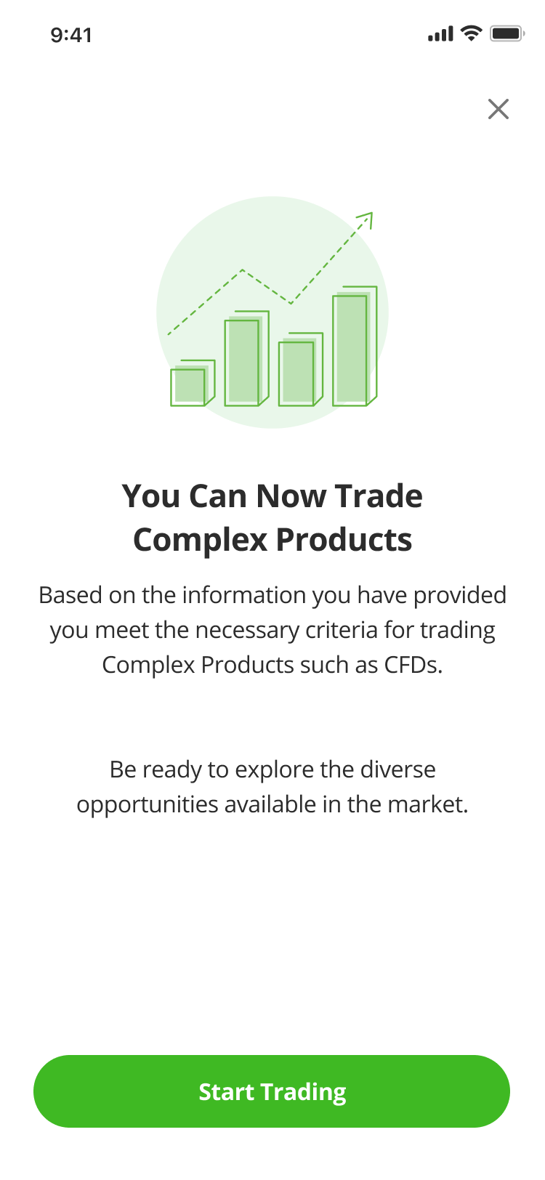 | 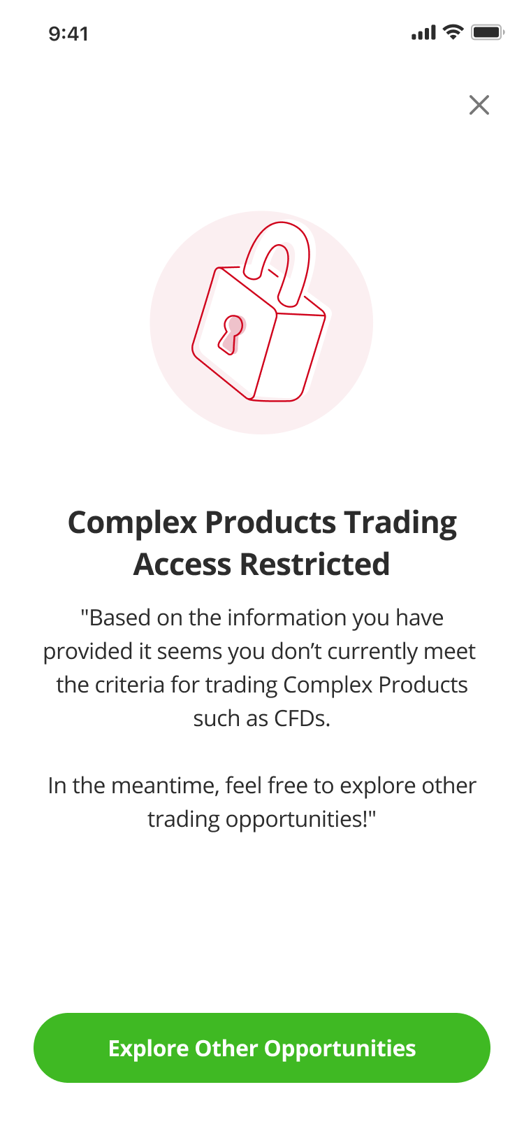 | 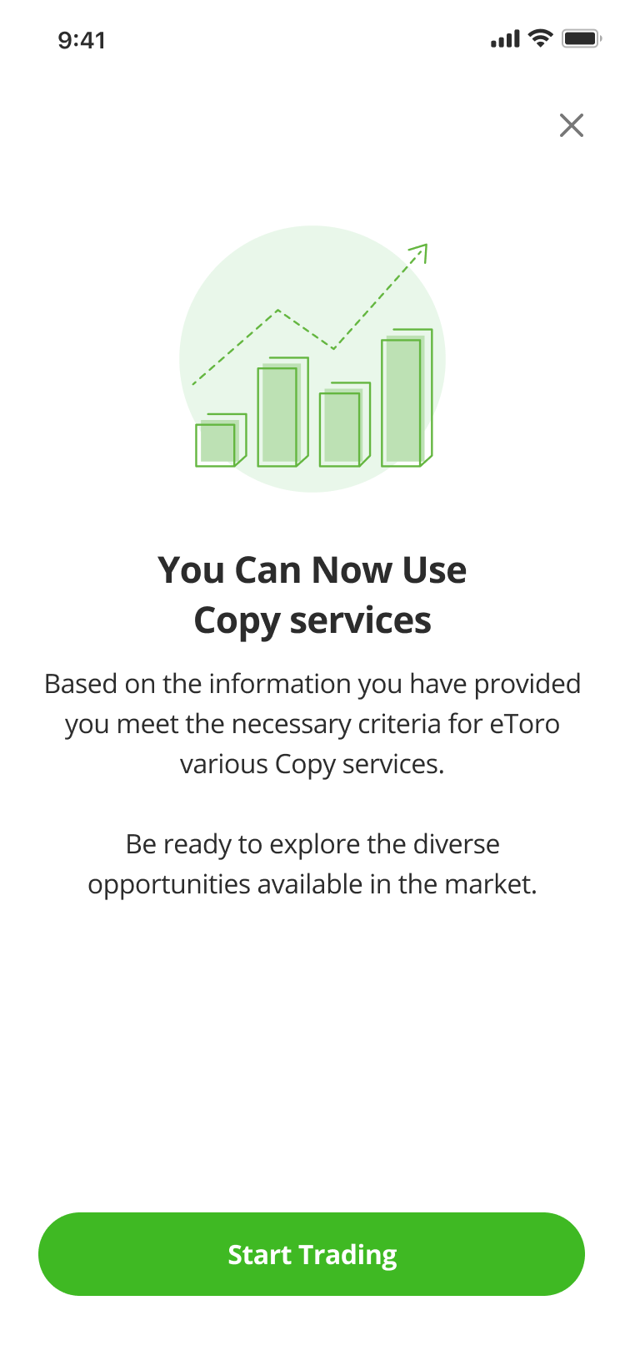 | 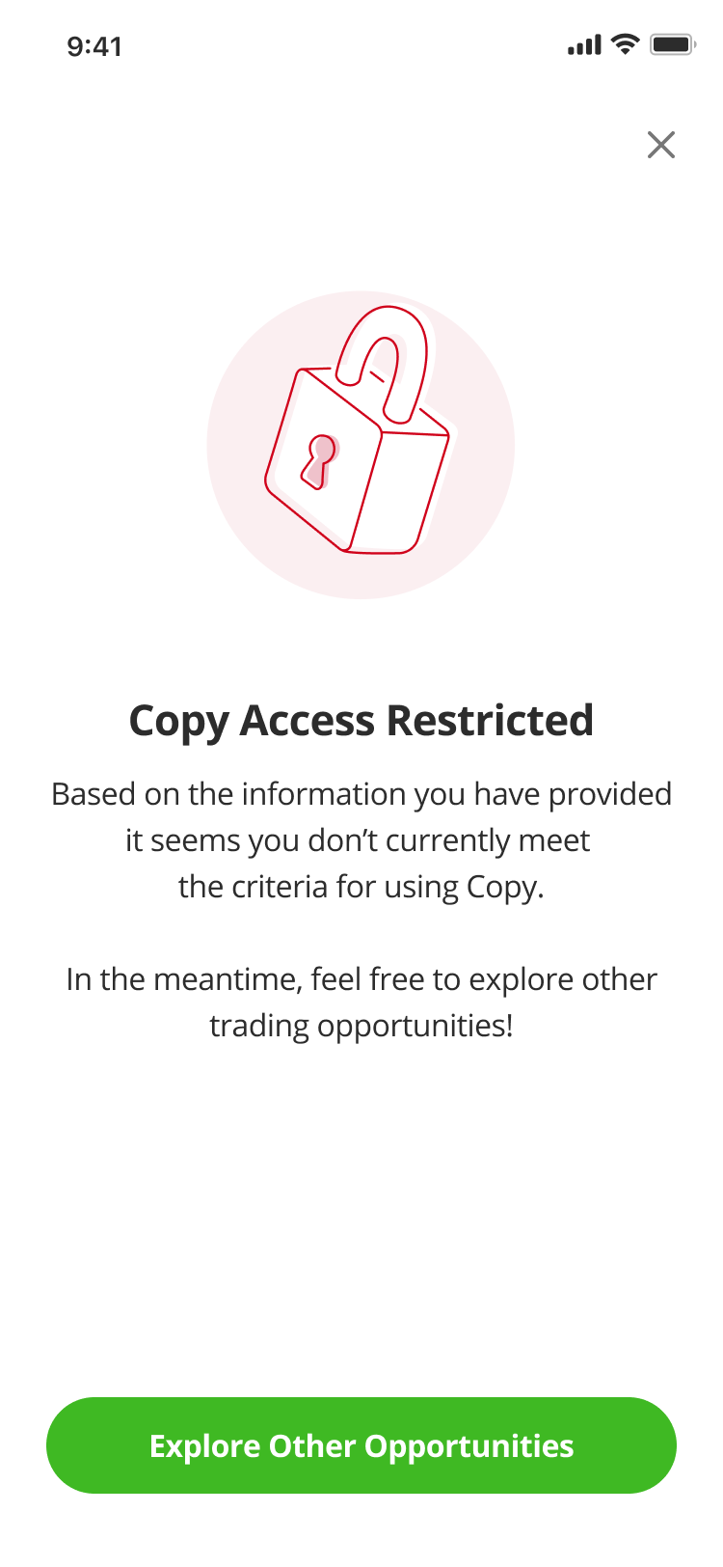 | 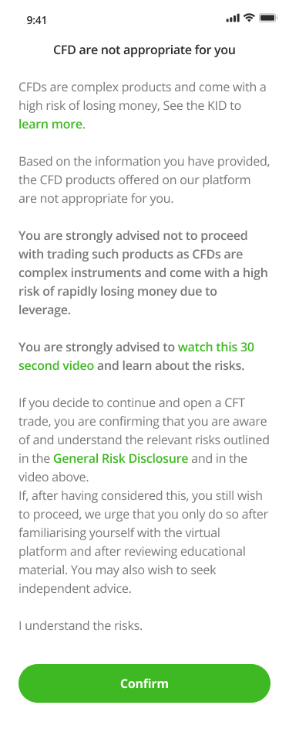 | 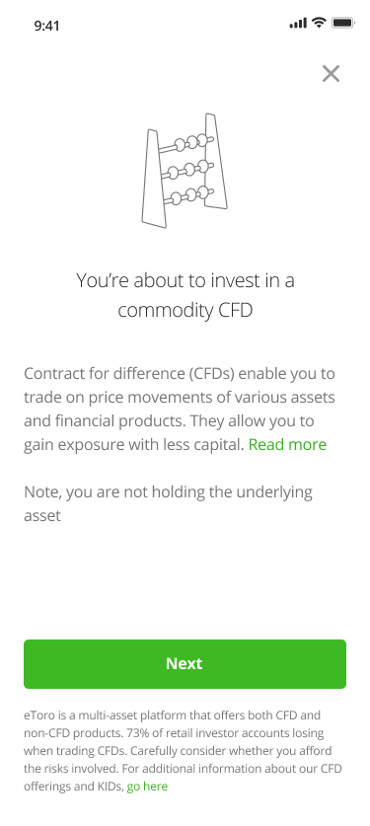
Onboarding to CFD | Not in Cooling-Off | Not in Cooling-Off |  | Not Relevant | Not Relevant | Fail NM | Missing IA | Not Relevant | Not Relevant | X | X | V | X | V | V | V | V | V | V | V | X | X | V | V | V | X | V | V | V | V | V | V | X | >>> | 17 |  | Pass NM | Pass AT | Not Relevant | Not Relevant | Yes | V | X | X | X | X | V
 | Not in Cooling-Off | Not in Cooling-Off |  | Not Relevant | Not Relevant | Fail NM | Fail IA | Not Relevant | Not Relevant | X | X | V | X | V | V | V | V | V | V | V | X | X | V | V | V | X | V | V | V | V | V | V | X | >>> | 17 |  | Pass NM | Pass AT | Not Relevant | Not Relevant | No | V | X | X | X | X | X
 | Not in Cooling-Off | Not in Cooling-Off |  | Not Relevant | Not Relevant | Fail NM | Pass IA | Not Relevant | Not Relevant | X | X | V | X | V | V | V | V | V | V | V | X | X | X | X | X | X | X | X | X | X | X | X | X | >>> | 8 |  | Pass NM | Fail AT | Not Relevant | Not Relevant | Yes | V | X | X | X | V | X
 | Not in Cooling-Off | Not in Cooling-Off |  | Not Relevant | Not Relevant | Pass NM | Missing IA | Not Relevant | Not Relevant | X | X | V | X | X | X | X | X | X | X | X | X | X | V | V | V | X | V | V | V | V | V | V | X | >>> | 10 |  | Pass NM | Fail AT | Not Relevant | Not Relevant | No | V | X | X | X | V | X
 | Not in Cooling-Off | Not in Cooling-Off |  | Not Relevant | Not Relevant | Pass NM | Fail IA | Not Relevant | Not Relevant | X | X | V | X | X | X | X | X | X | X | X | X | X | V | V | V | X | V | V | V | V | V | V | X | >>> | 10 |  | Fail NM | Pass AT | Not Relevant | Not Relevant | Yes | X | V | X | X | X | X
 | Not in Cooling-Off | Not in Cooling-Off |  | Not Relevant | Not Relevant | Pass NM | Pass IA | Not Relevant | Not Relevant | X | X | X | X | X | X | X | X | X | X | X | X | X | X | X | X | X | X | X | X | X | X | X | X | >>> | 0 |  | Fail NM | Pass AT | Not Relevant | Not Relevant | No | X | V | X | X | X | X
 | Not in Cooling-Off | in Cooling-Off |  | Not Relevant | Not Relevant | Not Relevant | Not Relevant | Not Relevant | Not Relevant | X | V | X | X | X | X | X | X | X | X | X | X | X | X | X | X | X | X | X | X | X | X | X | X | >>> | 1 |  | Fail NM | Fail AT | Not Relevant | Not Relevant | Yes | X | V | X | X | X | X
Onboarding to Copy | Not Relevant | Not Relevant | Not Relevant | Not in Cooling-Off | Not in Cooling-Off | Not Relevant | Not Relevant | Fail NM ST | Missing ST | X | X | X | V | V | V | V | V | V | V | V | V | V | V | V | V | V | V | V | V | V | V | V | V | >>> | 20 |  | Fail NM | Fail AT | Not Relevant | Not Relevant | No | X | V | X | X | X | X
 | Not Relevant | Not Relevant | Not Relevant | Not in Cooling-Off | Not in Cooling-Off | Not Relevant | Not Relevant | Fail NM ST | Fail ST | X | X | X | V | V | V | V | V | V | V | V | V | V | V | V | V | V | V | V | V | V | V | V | V | >>> | 20 |  | Not Relevant | Not Relevant | Pass NM ST | Fail ST | Not Relevant | X | X | X | V | X | X
 | Not Relevant | Not Relevant | Not Relevant | Not in Cooling-Off | Not in Cooling-Off | Not Relevant | Not Relevant | Fail NM ST | Pass ST | X | X | X | V | V | X | V | V | X | V | V | X | X | X | X | X | X | X | X | X | X | X | X | X | >>> | 6 |  | Not Relevant | Not Relevant | Pass NM ST | Fail ST | Not Relevant | X | X | X | V | X | X
 | Not Relevant | Not Relevant | Not Relevant | Not in Cooling-Off | Not in Cooling-Off | Not Relevant | Not Relevant | Pass NM ST | Missing ST | X | X | X | V | X | V | X | X | V | X | V | V | V | V | V | V | V | V | V | V | V | V | V | V | >>> | 16
 | Not Relevant | Not Relevant | Not Relevant | Not in Cooling-Off | Not in Cooling-Off | Not Relevant | Not Relevant | Pass NM ST | Fail ST | X | X | X | V | X | V | X | X | V | X | V | V | V | V | V | V | V | V | V | V | V | V | V | V | >>> | 16
 | Not Relevant | Not Relevant | Not Relevant | Not in Cooling-Off | Not in Cooling-Off | Not Relevant | Not Relevant | Pass NM ST | Pass ST | X | X | X | V | X | X | X | X | X | X | X | X | X | X | X | X | X | X | X | X | X | X | X | X | >>> | 1
 | Not Relevant | Not Relevant | Not Relevant | In Cooling-Off | In Cooling-Off | Not Relevant | Not Relevant | Not Relevant | Not Relevant | V | X | X | X | X | X | X | X | X | X | X | X | X | X | X | X | X | X | X | X | X | X | X | X | >>> | 1
 | Not Relevant | Not Relevant | Not Relevant | Not in Cooling-Off | In Cooling-Off | Not Relevant | Not Relevant | Not Relevant | Not Relevant | X | V | X | X | X | X | X | X | X | X | X | X | X | X | X | X | X | X | X | X | X | X | X | X | >>> | 1
 | Not Relevant | Not Relevant | Not Relevant | In Cooling-Off | Not in Cooling-Off | Not Relevant | Not Relevant | Not Relevant | Not Relevant | V | X | X | X | X | X | X | X | X | X | X | X | X | X | X | X | X | X | X | X | X | X | X | X | >>> | 1
Futures

Basic KYC
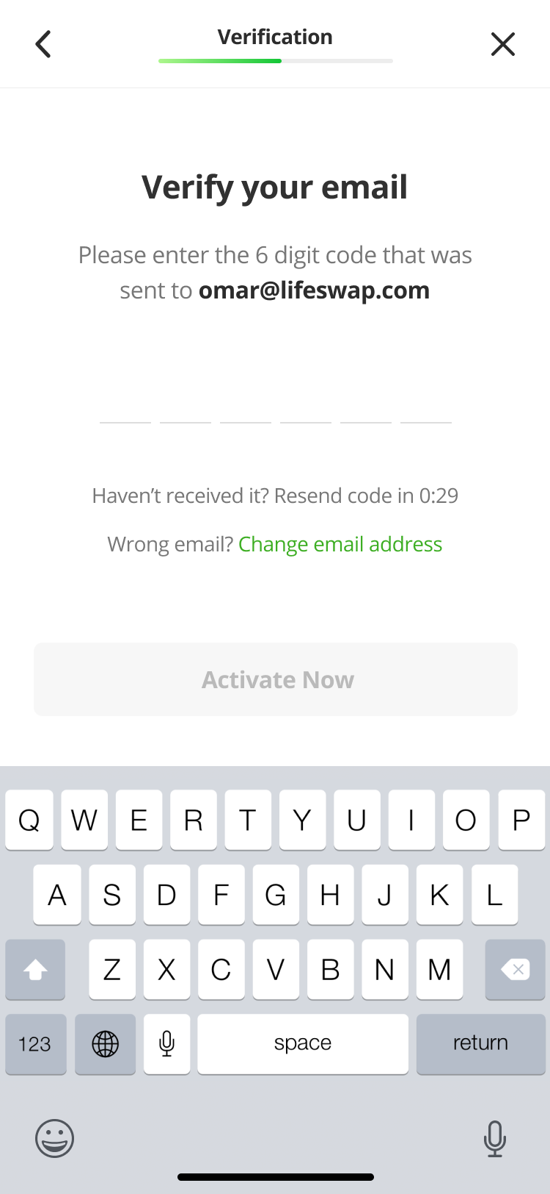
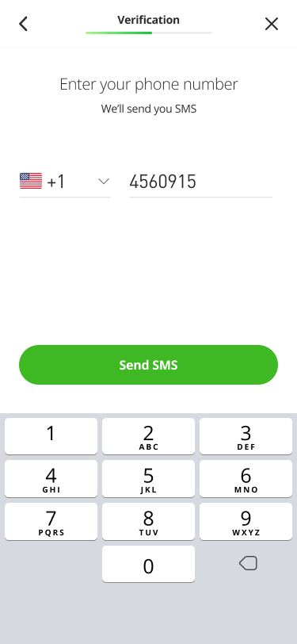
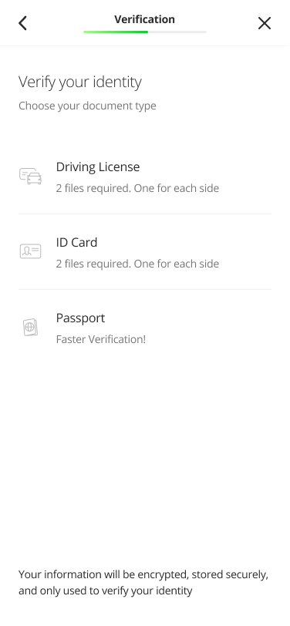
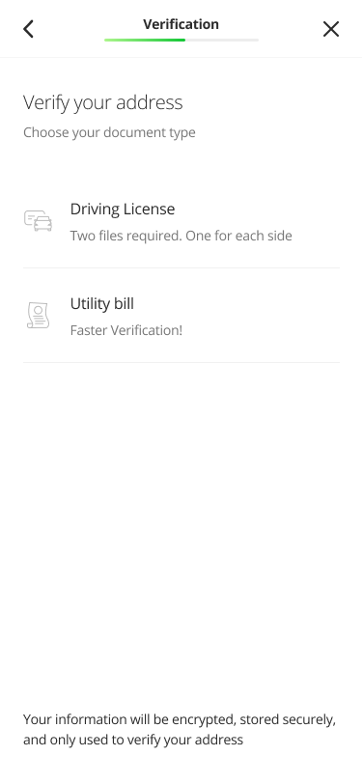
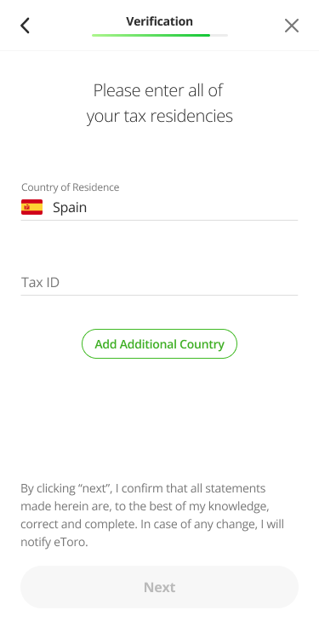
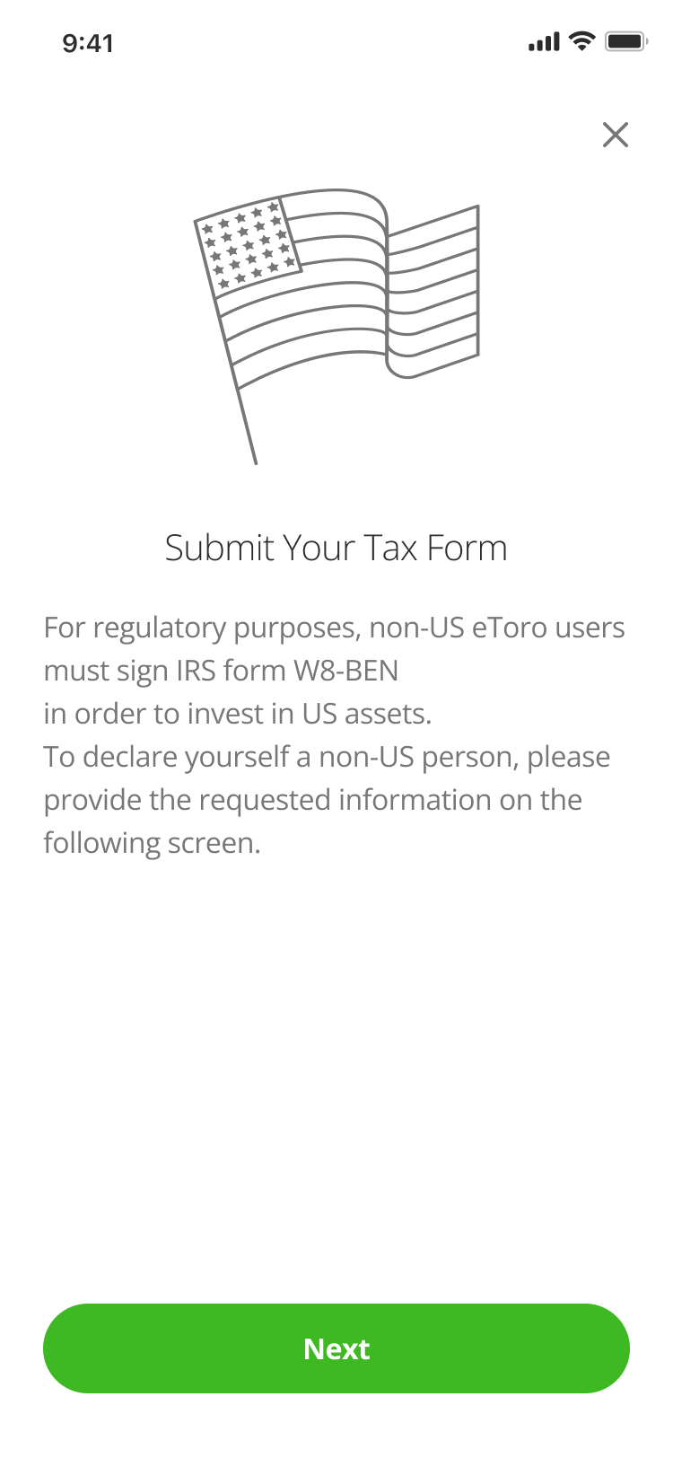
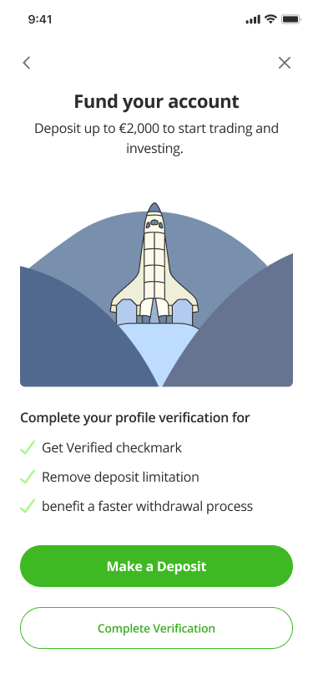
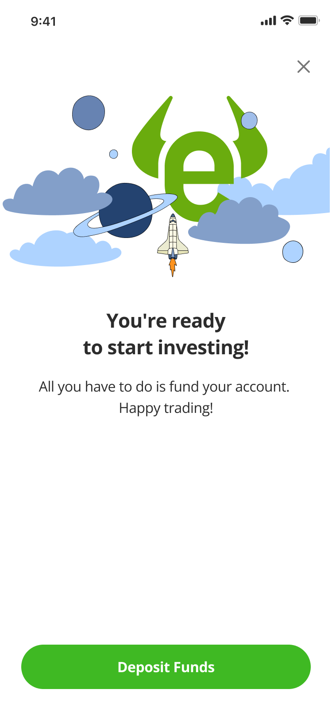
Welcome screen | Full name | Gender | Date of birth | Address | Address
 | 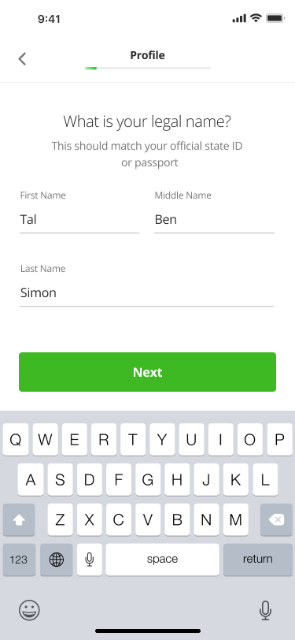 |  | 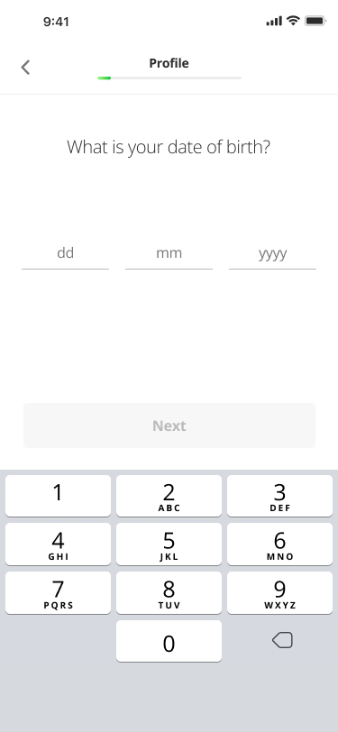 | 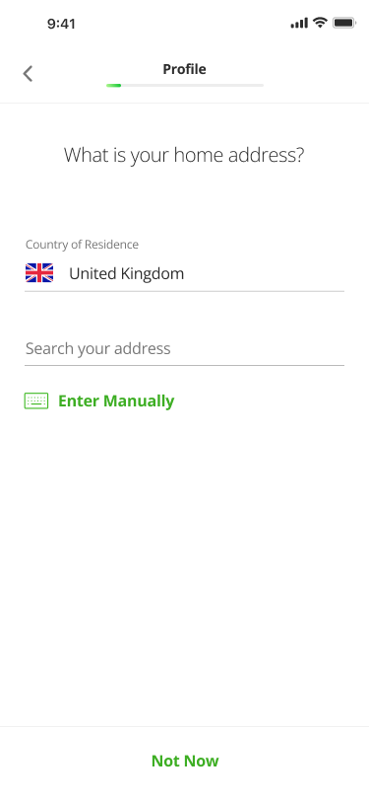 | 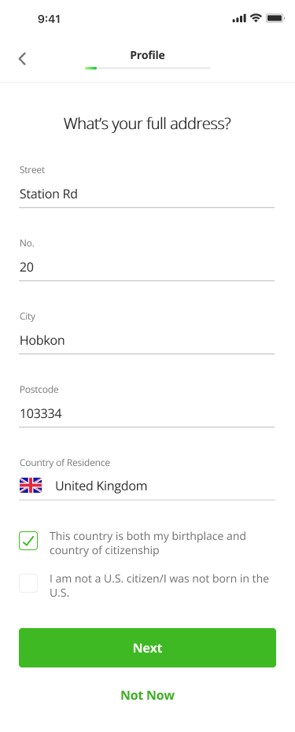
Questionnaire:
Purpose of trading | Plan to deposit | Risk Appetite | Regulatory Question | Source of funds | Occupation | Annual income | Liquid assets
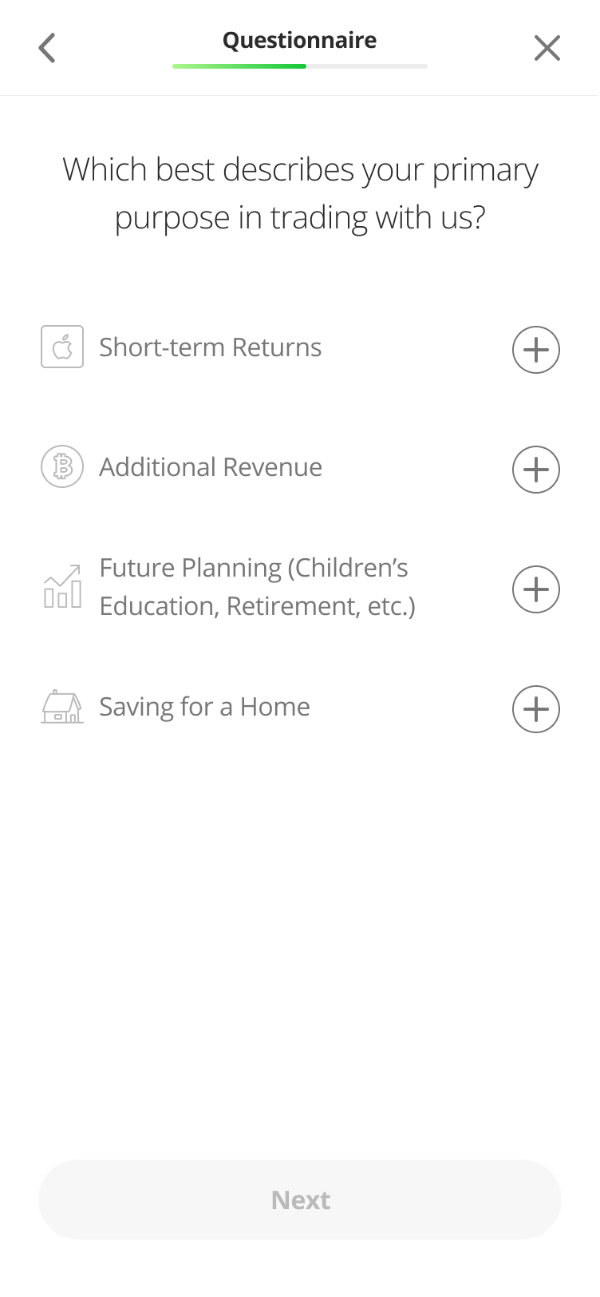 | 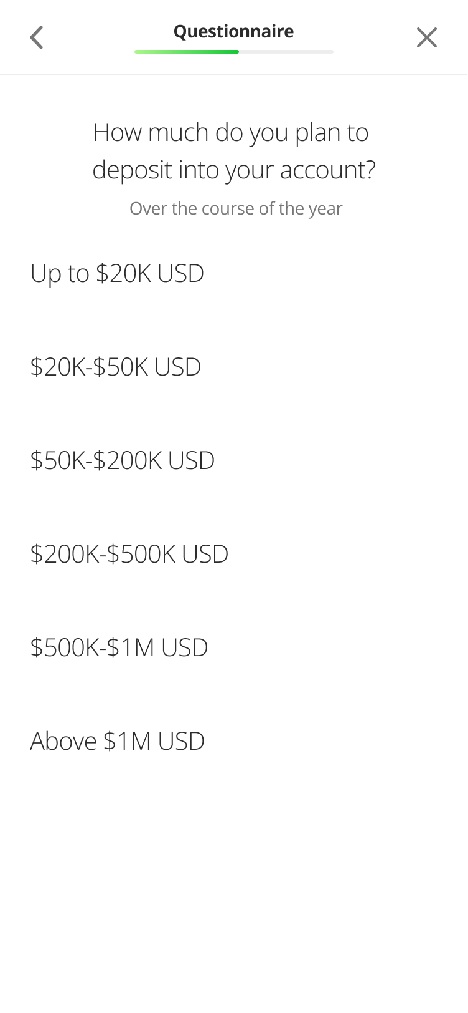 | 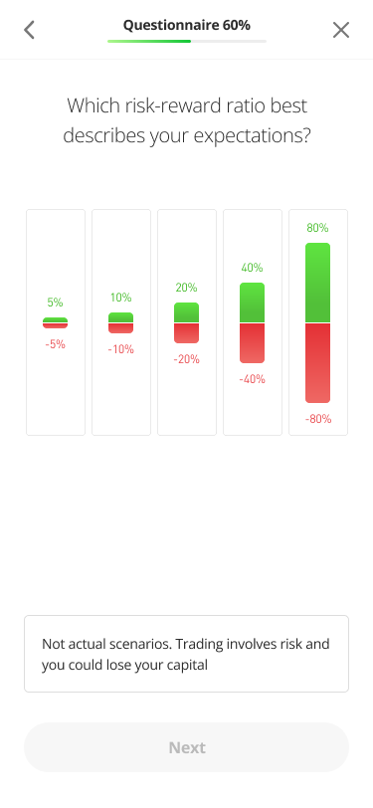 | 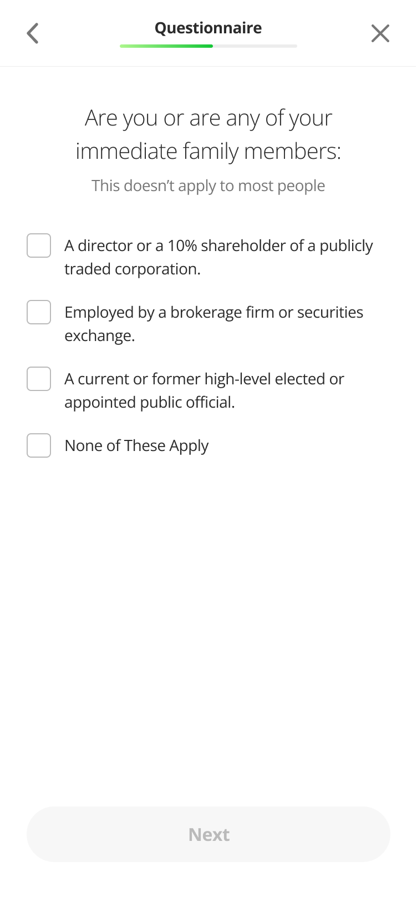 | 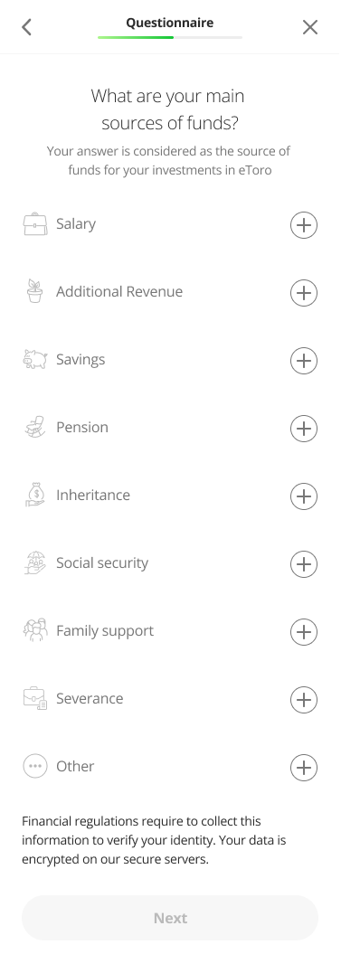 |  | 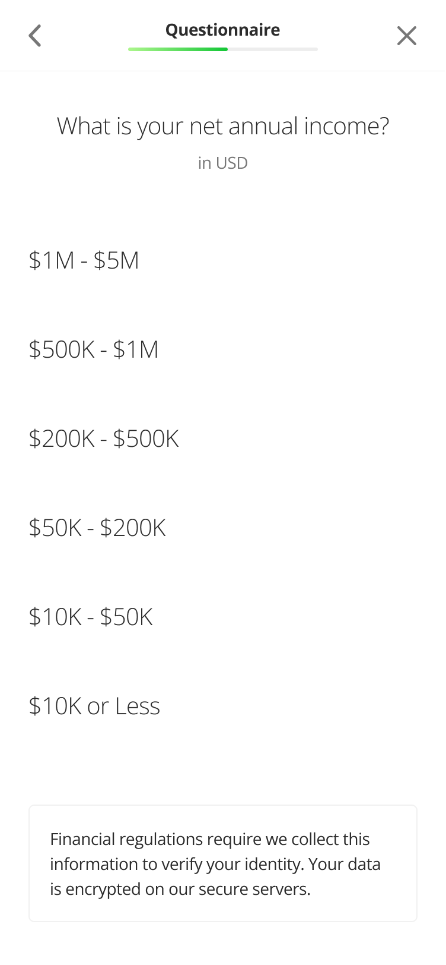 | 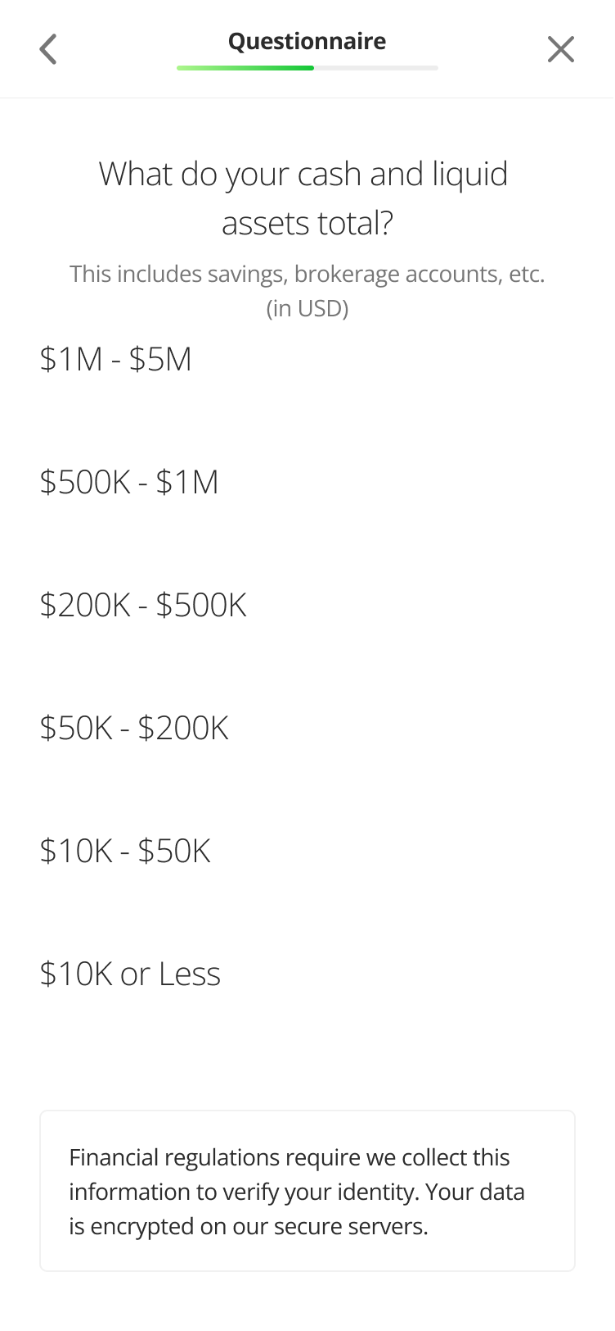
Verification:

