CySEC letter immidiate changes
On June 4th. 2024 we implemented the 3 immediate updates below:

1. We removed the 'Review Profile' button from our 'Revolving doors' popup.
This is the popup that users receive in an attempt to trace CFDs while they are restricted from doing so.
Also we made the last part of the explanatory paragraph in the popup 'hyperlink clickable' so that clicking in will redirect users to the designated eToro academy page about 'What are CFDs?'

Revolving doors popup before the update (Cysec):
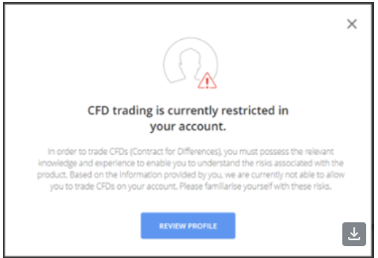

Revolving doors popup after the update (Cysec):
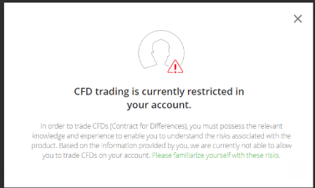

(2) We removed a disclaimer from the KYC's 'How many trades have you made using leverage'
Previously, if a user selected the 'I haven't' option --> A warning disclaimer would be shown.
In the current implementation, Selecting that option or any other will not trigger any disclaimer as it was removed.

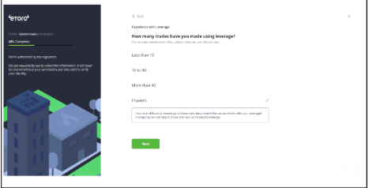
Before the update:

After the update:

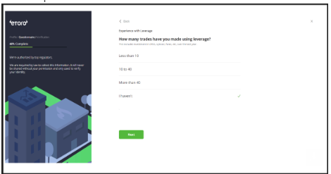

(3) we have a logic in which if a user failed his appropriateness test in KYC, he is blocked from trading CFDs for a period of 30 days and 5 trades (in other asset types)

We extended this logic from 30 days and 5 trades to: 60 days and 20 trades.

ST - Client’s risk Vs. product’
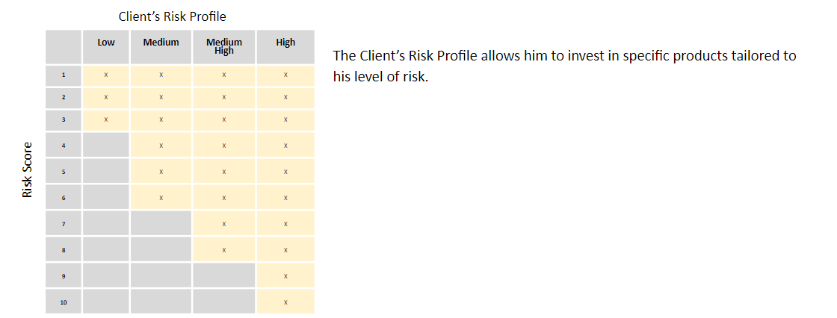
Client’s Risk Profile

A Client’s Risk Profile (Low/ Medium/ Medium High/High) is determined by combining the answers provided during the completion of the Suitability Test covering the following eight Components:

Component 1: Experience (Frequency)
Component 5: Trading Strategy (Purpose)
Component 2: Experience (Volume)
Component 6: Risk Appetite
Component 3: Knowledge
Component 7: Source of Income
Component 4: Trading Strategy (Duration)
Component 8: Complex Products Knowledge Assessment

The Client’s accessibility to copy services is limited according to the Client’s Risk Profile which is determined as the lower of the following two results :
- Minimal answer from Component 5 and Component 6 (Purpose of Trading: Future planning or Saving for home & Risk Appetite 5%/-3%)
OR
- The Average scoring of the Components 1,2,3,4,7,8

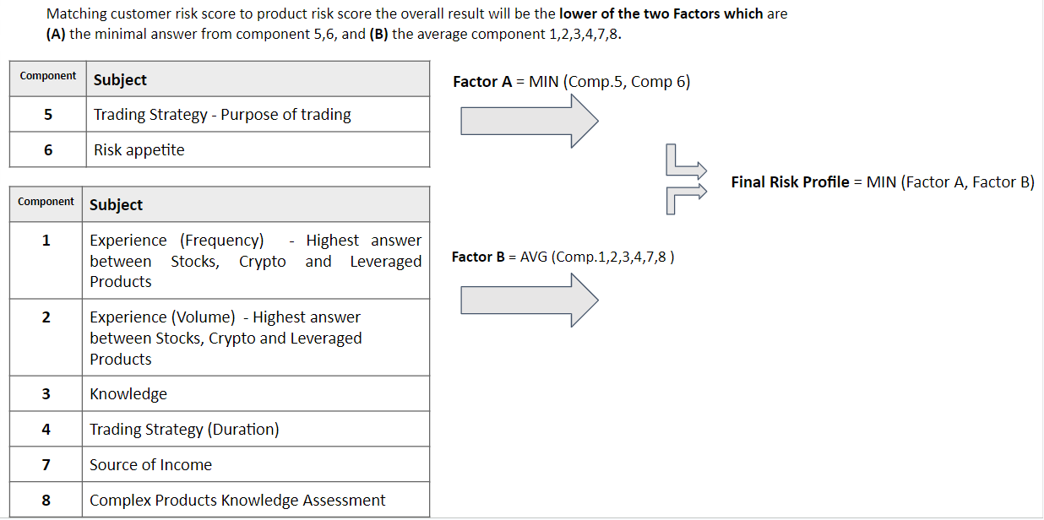

Risk Score

Every single copy-able trader and CopyPortfolio has its own trader risk score. The risk score is a quantification of the level of current and historical risk of an investment proposition and have many uses such as helping copiers to be able to get a feel for the level of perceived risk of an investment proposition and also has a key involvement in the suitability assessment process.

Matrix - Client risk profile Vs. Copy product risk score

UK Crypto
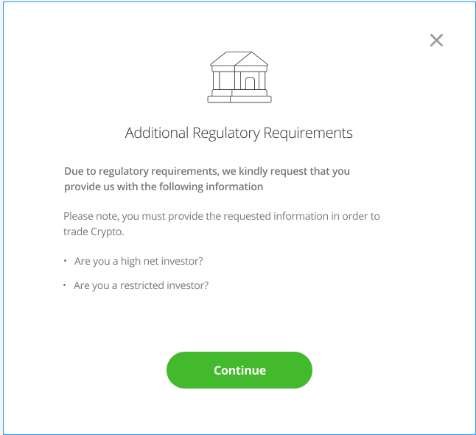
trading crypto is also forbidden until a UK user successfully completes the crypto appropriateness test
Personalized warning message - The user needs to be able to see it and must either accept or reject prior to trading crypto for the first time (and subject to the other conditions)
PRD
General Description |  | Figma
Cooling of period | UK users is to be subject to a 24 hours cooling period in which they will not be eligible to trade Crypto | Screen (2)
Crypto Trading knowledge Assesment | Show different suggestions within the screen between the different attemps
First failure | No time restriction, user can make a second attempt immediately
Second- Fifth attempt | The user fails ‘Crypto Trading Knowledge assessment’ then 24 hours must pass between the attempts
5th attempt and on | Between each attempt the user must wait 7 days
First trade pop up with personalized message | Personalized Risk warning: This warning includes 2 parts (1) Short part: presented fully within the first trade popup (2) Full long part: presented within the eToro site - Should only appear under the first trade\copy popup in the first trading attempt, for new users | Screen (1)
users classification questionnaire | For analysis reasons, FCA Requires etoro to present a questionnaire to users that belong to UK users that belong to the ‘Crypto’ flow. There are 2 potential classifications for the user: (1) High net worth investor: An investor that earns more than £100,000 or has net assets of more than £250,000 (2) Restricted Investor: An investor that confirms that they have not, in the last 12 months, nor will in the forthcoming 12 months, invest more than 10% of their net assets into restricted mass market investments | Screen (3)

 |  | Copy, Cooling of from registration
Screen (1)
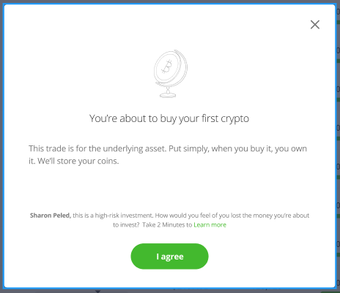

Screen (2)
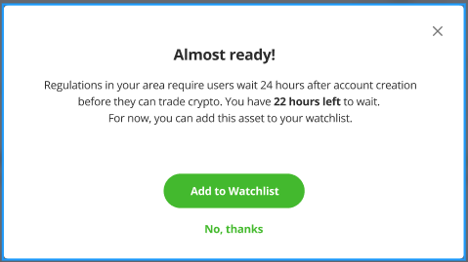

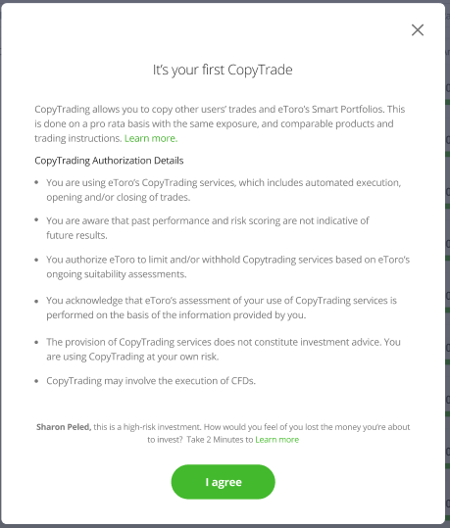

Scrren (3)

Volume questions
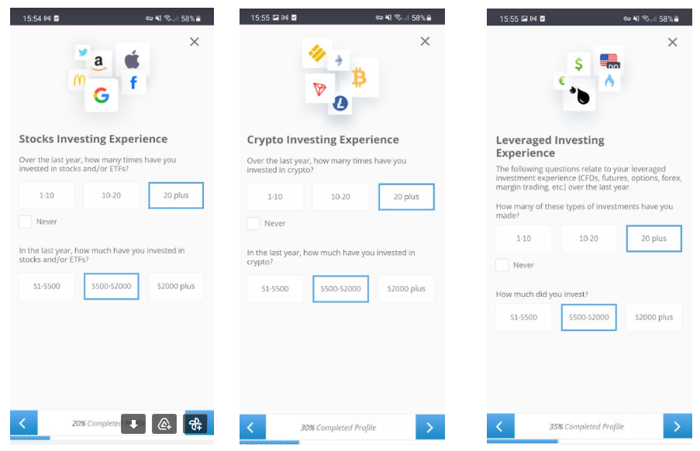
14.11.2022
Under eToro EU, users are required to answer questions related to their knowledge and their experience. We have added 2 additional questions related to the amount of money they have invested in crypto and in stocks and ETFs.
These 2 new questions are being added to older questions related to CFD trading experience and the amount of money invested in CFD.

NM - Elevated risk stocks
NM for elevated risk stocks

Risk appetite 5%/-3% AND OR

Net annual income <10K

Copy altogether: Users can copy people and\or Portfolios with no stocks restrictions based on ERS. ERS stocks should be included with copy
Previous opened positions- Open positions from ERS stocks should not be closed or effected from any ERS logic.
The logic above only applies to Manual Stocks trading. It does not apply to the copy\Portfolio mechanism and Stocks which are included under Copy Trader and\or Smart Portfolio will not be affected or labeled as ERS.

Important to note: The logic above only applies to Manual Stocks trading. It does not apply to the copy\Portfolio mechanism and Stocks which are included under Copy Trader and\or Smart Portfolio will not be affected or labeled as ERS.

(1) Users who are ineligible to trade ERS will be presented with an informative popup upon intent to trade stocks from that group. |  | (2) Users that click on the 'here' hyperlink will be redirected a a designated 'Elevated risk stocks' screen | (3) Users that Click on the 'Review Profile' button will be redirected back to the relevant KYC screen where they can change their answer. | -4

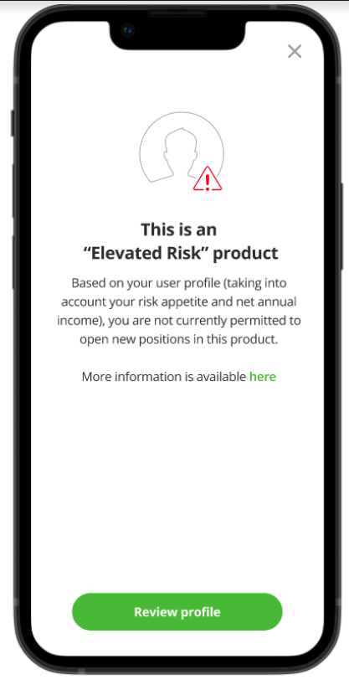
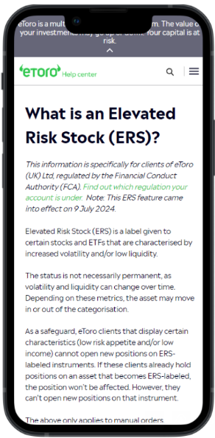
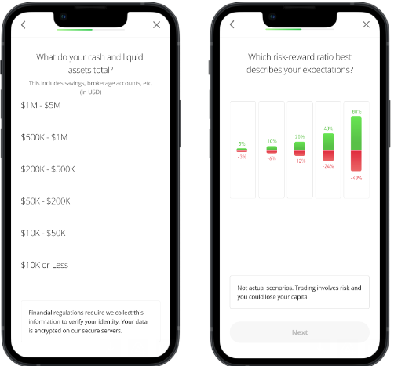

 |  | ERS logic - when does a stock become an elevated risk stock? One condition below must be fulfilled: Volatility 30D Volatility > 95th percentile value of the eToro stocks universe (currently > 81.72%) and/or 260D volatility > 95th percentile value of the eToro stocks universe (currently > 97.10%) and/or Liquidity Bloomberg LQA Liquidity Score (an integer value between 1 and 100 where 100 represents highest liquidity) < 5th percentile value of the eToro stocks universe (currently < 35) NOTE that - to prevent stocks “flipping” between non-ERS/ERS states, a 10 cycle buffer has been implemented. For example, once a stock becomes ERS, for it to be released from this status, it must be non-ERS for at least 10 weekly cycles.

Release details: |  | (i) Elevated Risk Stocks (“ERS”) (and ETFs) exist on the eToro platform. (ii) Such stocks are characterised by elevated volatility and/or lower perceived liquidity. As such, ERS stocks/ETFs are perceived to present higher risk generally but specifically, they could be detrimental to certain customer types (and may not be appropriate for their investment strategy). An example of this is a client that has a low (the lowest) risk appetite and/or lower (the lowest) financial resilience (low income) – where the shock of a financial loss may be hard for them to absorb and may be detrimental to their lifestyle. (iii) Based on the above, we make a periodic assessment (weekly but we don’t need to mention this) of our stock/ETF universe and designate certain products as ERS. Clients that fit the characteristics above (in (ii)) are not permitted to trade these stocks. (iv) The ERS designation is clearly labelled on the platform (next to the individual product) and applies only to manual/self-directed trading (ERS does not apply to copy trading – there is no individual product-based restriction). (v) As mentioned above, products can change status between ERS and non-ERS. Although I have built a mechanism to avoid excessive flipping, status change will of course occur at some point. If a user (who is ERS sensitive – i.e., low risk/low financial resilience) holds a position in a non-ERS product and the status of that product changes to ERS, the customer can maintain the open position but will not be able to increase their exposure (unless their personal circumstances change or and/or the stock moves back to non-ERS). (vi) Similarly, when the new ERS mechanism is released, the same will apply. A user may be holding a position in a stock that will become ERS after the ERS logic is launched. The existing position will not need to be closed. New positions will not be allowed, howeve
Release date | 09.07.24
Affected Regulation | FCA
Affected Country | The United Kingdom
Product manager | Sharon Peled
Dev Team | Compliance Rnd: Apps Betta Marketing: Digital Platforms team
Business owners | Ran Nachman
Compliance\Product Governance | Edward Drake Michal Efrat
Feature type | Green-zone
Information page on eToro site | Available here
MixPanel events dashboard | Available here
Knowledge team doc (Article) | Available here
Product requirements document | Available here

