Battle Tables
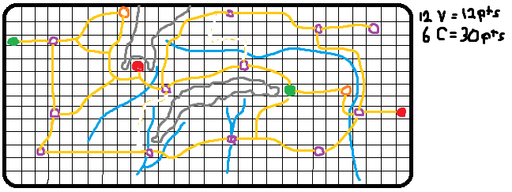
Question: should all battles be kept to 8 rounds?
Question: should starting distances or battle field size change depending on the size of the armies?

Note: It is possible an Army could move up to 6 spaces in a single turn. Need to space out cities.
Note: The map has to be carefully crafted to allow space for movement while also supporting early game engagment if that is what the players want
Note: Try 1 inch hexes, 22 wide by 14 tall, the Shire, Eisengard, Minis Tirth, and Mordor evenly stagared from end to end.
Note: Need cards for each unit and card boxes.

Rule: If a unit abandons the battle field off the board edge then they are lost on the roll of a 1 or 2 on a D6
Rule: When forces meet on a space their point values are revealed to each other a battle then occurs unless one tries to flee
Rule: If army attempts to evade battle they cannot call for reenforcments
Rule: Reenforcements enter onto the board by malstrom rules

