B.1
Reported Well and Sampling Information - MDT |  |  |  | Summary of MDT Samples Received and Validation Data

Reservoir and Well Information |  |  |  | MDT Run#1 - Gas
 |  |  |  |  |  |  |  |  |  |  |  |  |  |  | SBM
 |  | Field | WA-435-P |  |  |  |  |  |  |  | Laboratory |  | Free |  | Contam.
 |  | Well | Phoenix South-1 ST-2 |  |  |  | Transfer | Sample | Sampling :- |  | opening :- |  | SBM | Sample | Whole
 |  | Reservoir Fluid | Oil | Sample | MPSR | MRMS | Cylinder | Depth | Pressure | Temp. | Pressure | Temp. | Recov'd | Volume | Fluid
 |  |  |  | no. | no. | no. | no. | m MD | (psia) | (°C) | (psig) | (°C) | (cm3) | (cm3)* | (wt%)**
 |  | Formation
 |  | Reservoir Pressure | 6085 psia | 1 | 2082 | 316 | 820345 | 4232.5 | 6085 | 102.1 | 2214 | 18.9 | 240 | 160 | -
 |  | Reservoir Temperature | 98.6 - 102.1°C
 |  |  |  | 2 | 2248 | 316 | 819702 | 4232.5 | 6085 | 102.1 | 2094 | 18.8 | 290 | 105 | -
 |  | Installation
 |  | Test |  | 3 | 2638 | 292 | 820307 | 4232.5 | 6085 | 98.6 | 2018 | 18.7 | 162 | 235 | -
 |  | Perforations
 |  |  |  | 4 | 3350 | 292 | 830304 | 4232.5 | 6085 | 98.6 | 2311 | 18.7 | 180 | 220 | -

Sampling Information
 |  |  |  | 5 | 3339 | 316 | 819682 | 4193.5 | 6001 | 97.3 | 1478 | 18.9 | 230 | 170 | -
 |  | Date sampled | 10-Aug-14
1 | 1 | 1
 |  | Time sampled | 19:19 - 20:40
1 | 1 | 1
 |  | Type of samples | MDT |  | 30320 |  | - | 4421.0 |  |  | 1641 | 17.8 | 390 | 20 | -
 |  | Sampling company | Schlumberger
 |  | Sampling point | Bottom-hole
 |  | Sampling Depth

 |  | Choke | -
 |  | Status of well | -

 |  | Bottomhole pressure | 6085 psia
 |  | Bottomhole temperature | 98.6 - 102.1°C

 |  | Wellhead flowing pressure | -
 |  | Wellhead flowing temperature | -

 |  | Separator pressure | -
 |  | Separator temperature | -

 |  | Pressure base | 14.696 psia
 |  | Temperature base | 15.6°C

 |  | Water flowrate
 |  | Gas gravity (Air = 1)
 |  | H2S
 |  | CO2
 |  | BS&W
 |  | Oil gravity at 60°F

Notes:
* Sample Volumes at 8000 psig and 100°C.
** Water based mud used for this well

 | Comments: Sample information for sample No.s 1 - 4 , 4322.5 mMD

C.1
Compositional Analysis of Reservoir Fluid Sample to C36+ |  |  |  |  |  |  |  | Compositional Analysis of Reservoir Fluid Sample to C36+ |  |  |  |  | Fingerprint Profile of Liquid
Sample No.: 1; Chamber No.: 2082; Depth: 4232.5 m MD |  |  |  |  |  |  |  | Sample No.: 1; Chamber No.: 2082; Depth: 4232.5 m MD |  |  |  |  | Sample No.: 1; Chamber No.: 2082; Depth: 4232.5 m MD
 | Component | Flashed Liquid |  | Flashed Gas |  | Reservoir Fluid |  |  | Calculated Properties | Flashed Liquid | Flashed Gas | Reservoir Fluid
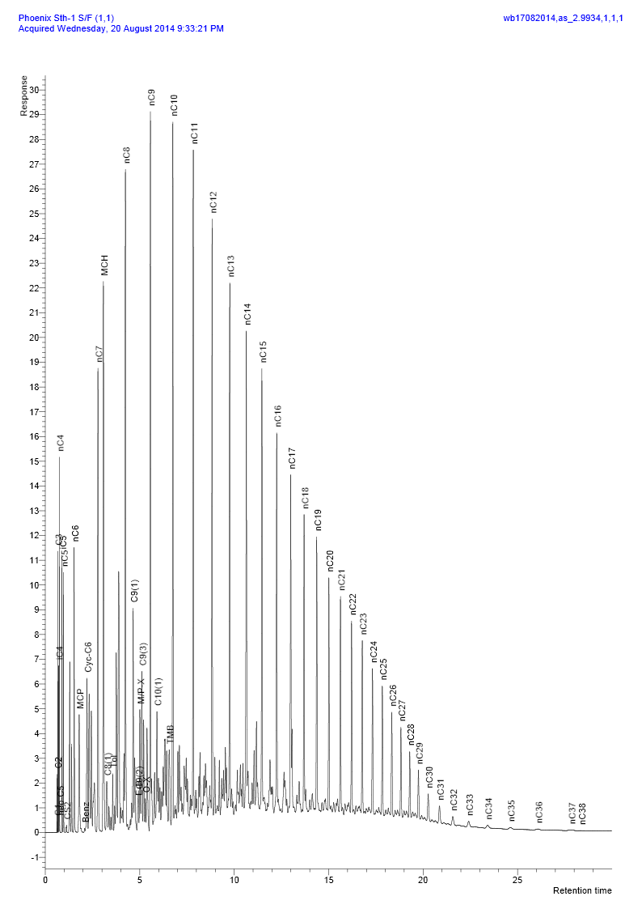
 |  | Mole % | Weight % | Mole % | Weight % | Mole % | Weight %
H2 | Hydrogen | 0.000 | 0.000 | 0.000 | 0.000 | 0.000 | 0.000
H2S | Hydrogen sulphide | 0.000 | 0.000 | 0.000 | 0.000 | 0.000 | 0.000 |  | C7+
CO2 | Carbon dioxide | 0.000 | 0.000 | 0.054 | 0.074 | 0.035 | 0.019 |  | Mole% | 92.152 | 4.174 | 35.426
N2 | Nitrogen | 0.000 | 0.000 | 2.337 | 2.033 | 1.507 | 0.520 |  | Weight% | 96.679 | 13.060 | 75.282
C1 | Methane | 0.058 | 0.005 | 54.115 | 26.956 | 34.917 | 6.902 |  | Molecular Weight (g mol-1) | 178 | 101 | 173
C2 | Ethane | 0.162 | 0.029 | 13.003 | 12.140 | 8.444 | 3.128 |  | Density at 15.6°C (g cm-3) | 0.8068 | 0.7394 | 0.8032
C3 | Propane | 0.676 | 0.175 | 12.155 | 16.642 | 8.079 | 4.389
iC4 | i-Butane | 0.424 | 0.145 | 3.089 | 5.574 | 2.143 | 1.534 |  | C11+
nC4 | n-Butane | 1.026 | 0.351 | 5.032 | 9.081 | 3.610 | 2.585 |  | Mole% | 49.452 | 0.043 | 17.605
C5 | neo-Pentane | 0.033 | 0.014 | 0.063 | 0.141 | 0.052 | 0.046 |  | Weight% | 67.415 | 0.209 | 50.218
iC5 | i-Pentane | 1.024 | 0.435 | 2.139 | 4.792 | 1.744 | 1.550 |  | Molecular Weight (g mol-1) | 232 | 154 | 232
nC5 | n-Pentane | 1.047 | 0.444 | 1.639 | 3.672 | 1.429 | 1.270 |  | Density at 15.6°C (g cm-3) | 0.8465 | 0.7951 | 0.8465
C6 | Hexanes | 3.398 | 1.723 | 2.200 | 5.835 | 2.614 | 2.775
 | Me-Cyclo-pentane | 1.193 | 0.591 | 0.439 | 1.146 | 0.707 | 0.733 |  | C20+
 | Benzene | 0.037 | 0.017 | 0.013 | 0.030 | 0.021 | 0.020 |  | Mole% | 12.110 |  | 4.307
 | Cyclo-hexane | 1.393 | 0.690 | 0.697 | 1.820 | 0.944 | 0.979 |  | Weight% | 25.523 |  | 18.992
C7 | Heptanes | 6.359 | 3.748 | 1.122 | 3.477 | 2.980 | 3.679 |  | Molecular Weight (g mol-1) | 358 |  | 358
 | Me-Cyclo-hexane | 4.355 | 2.515 | 0.678 | 2.068 | 1.985 | 2.401 |  | Density at 15.6°C (g cm-3) | 0.8895 |  | 0.8895
 | Toluene | 0.407 | 0.220 | 0.061 | 0.174 | 0.183 | 0.208
C8 | Octanes | 10.277 | 6.901 | 0.692 | 2.438 | 4.092 | 5.759 |  | C36+
 | Ethyl-benzene | 0.146 | 0.091 | 0.010 | 0.032 | 0.058 | 0.076 |  | Mole % | 1.042 |  | 0.371
 | Meta/Para-xylene | 0.885 | 0.553 | 0.029 | 0.095 | 0.333 | 0.436 |  | Weight% | 3.403 |  | 2.532
 | Ortho-xylene | 0.253 | 0.158 | 0.002 | 0.007 | 0.091 | 0.119 |  | Molecular Weight (g mol-1) | 554 |  | 554
C9 | Nonanes | 8.683 | 6.552 | 0.280 | 1.113 | 3.266 | 5.160 |  | Density at 15.6°C (g cm-3) | 0.9277 |  | 0.9277
 | Tri-Me-benzene | 0.496 | 0.351 | 0.000 | 0.000 | 0.176 | 0.261
C10 | Decanes | 8.216 | 6.877 | 0.108 | 0.451 | 2.985 | 5.233 |  | Whole Sample Properties
C11 | Undecanes | 7.138 | 6.173 | 0.028 | 0.130 | 2.555 | 4.627
C12 | Dodecanes | 5.940 | 5.626 | 0.009 | 0.047 | 2.117 | 4.198 |  | Average mole weight (g mol-1) | 171 | 32.2 | 81.2
C13 | Tridecanes | 5.324 | 5.481 | 0.005 | 0.025 | 1.895 | 4.085 |  |  | (Measured)
C14 | Tetradecanes | 4.495 | 5.024 | 0.001 | 0.007 | 1.598 | 3.740
C15 | Pentadecanes | 4.250 | 5.151 | 0.000 | 0.000 | 1.510 | 3.833 |  | Density (g cm-3 at 15.6°C) | 0.7934
C16 | Hexadecanes | 3.186 | 4.161 | 0.000 | 0.000 | 1.132 | 3.096 |  |  | (Measured)
C17 | Heptadecanes | 2.605 | 3.632 | 0.000 | 0.000 | 0.926 | 2.703
C18 | Octadecanes | 2.413 | 3.563 | 0.000 | 0.000 | 0.857 | 2.651 |  | Real relative density (Air = 1.000 at 14.696 psia 15.6°C) |  | 1.123
C19 | Nonadecanes | 1.991 | 3.081 | 0.000 | 0.000 | 0.708 | 2.293
C20 | Eicosanes | 1.640 | 2.653 | 0.000 | 0.000 | 0.583 | 1.974 |  | Gas Oil Ratio (scf/bbl) from flash at 50.0°C |  |  | 1116
C21 | Heneicosanes | 1.458 | 2.495 | 0.000 | 0.000 | 0.518 | 1.857
C22 | Docosanes | 1.260 | 2.261 | 0.000 | 0.000 | 0.448 | 1.682 |  | Gas Mole Fraction |  |  | 0.6426
C23 | Tricosanes | 1.114 | 2.085 | 0.000 | 0.000 | 0.396 | 1.551
C24 | Tetracosanes | 0.964 | 1.877 | 0.000 | 0.000 | 0.343 | 1.397 |  | Liquid Mole Fraction |  |  | 0.3574
C25 | Pentacosanes | 0.832 | 1.688 | 0.000 | 0.000 | 0.296 | 1.256
C26 | Hexacosanes | 0.694 | 1.466 | 0.000 | 0.000 | 0.247 | 1.091
C27 | Heptacosanes | 0.603 | 1.326 | 0.000 | 0.000 | 0.214 | 0.987
C28 | Octacosanes | 0.506 | 1.156 | 0.000 | 0.000 | 0.180 | 0.860
C29 | Nonacosanes | 0.447 | 1.057 | 0.000 | 0.000 | 0.159 | 0.787
C30 | Triacontanes | 0.377 | 0.923 | 0.000 | 0.000 | 0.134 | 0.687
C31 | Hentriacontanes | 0.321 | 0.811 | 0.000 | 0.000 | 0.114 | 0.603
C32 | Dotriacontanes | 0.255 | 0.666 | 0.000 | 0.000 | 0.091 | 0.496
C33 | Tritriacontanes | 0.221 | 0.596 | 0.000 | 0.000 | 0.079 | 0.443
C34 | Tetratriacontanes | 0.201 | 0.559 | 0.000 | 0.000 | 0.072 | 0.416
C35 | Pentatriacontanes | 0.175 | 0.501 | 0.000 | 0.000 | 0.062 | 0.373
C36+ | Hexatriacontanes plus | 1.042 | 3.403 | 0.000 | 0.000 | 0.371 | 2.532
 |  | _____ | _____ | _____ | _____ | _____ | _____
 | Totals : | 100.000 | 100.000 | 100.000 | 100.000 | 100.000 | 100.000

C.4
Compositional Analysis of Reservoir Fluid Sample to C36+ |  |  |  |  |  |  |  | Compositional Analysis of Reservoir Fluid Sample to C36+ |  |  |  |  | Fingerprint Profile of Liquid
Sample No.: 2; Chamber No.: 2248; Depth: 4232.5 m MD |  |  |  |  |  |  |  | Sample No.: 2; Chamber No.: 2248; Depth: 4232.5 m MD |  |  |  |  | Sample No.: 2; Chamber No.: 2248; Depth: 4232.5 m MD
 | Component | Flashed Liquid |  | Flashed Gas |  | Reservoir Fluid |  |  | Calculated Properties | Flashed Liquid | Flashed Gas | Reservoir Fluid
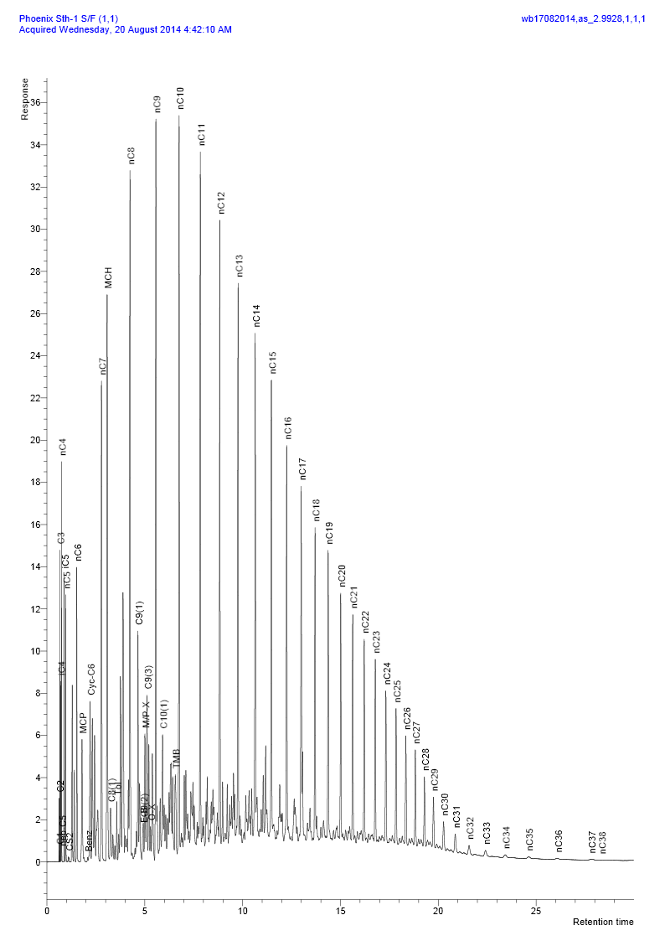
 |  | Mole % | Weight % | Mole % | Weight % | Mole % | Weight %
H2 | Hydrogen | 0.000 | 0.000 | 0.000 | 0.000 | 0.000 | 0.000
H2S | Hydrogen sulphide | 0.000 | 0.000 | 0.000 | 0.000 | 0.000 | 0.000 |  | C7+
CO2 | Carbon dioxide | 0.000 | 0.000 | 0.021 | 0.029 | 0.014 | 0.008 |  | Mole% | 92.298 | 4.550 | 34.368
N2 | Nitrogen | 0.000 | 0.000 | 2.322 | 1.997 | 1.534 | 0.541 |  | Weight% | 96.761 | 14.078 | 74.349
C1 | Methane | 0.071 | 0.007 | 53.792 | 26.483 | 35.541 | 7.184 |  | Molecular Weight (g mol-1) | 179 | 101 | 172
C2 | Ethane | 0.165 | 0.029 | 12.923 | 11.926 | 8.590 | 3.254 |  | Density at 15.6°C (g cm-3) | 0.8070 | 0.7390 | 0.8027
C3 | Propane | 0.688 | 0.178 | 12.076 | 16.342 | 8.208 | 4.559
iC4 | i-Butane | 0.424 | 0.145 | 3.082 | 5.498 | 2.180 | 1.596 |  | C11+
nC4 | n-Butane | 1.017 | 0.347 | 5.041 | 8.992 | 3.674 | 2.690 |  | Mole% | 49.849 | 0.038 | 16.970
C5 | neo-Pentane | 0.027 | 0.011 | 0.062 | 0.137 | 0.050 | 0.045 |  | Weight% | 67.686 | 0.172 | 49.386
iC5 | i-Pentane | 0.995 | 0.422 | 2.161 | 4.785 | 1.765 | 1.605 |  | Molecular Weight (g mol-1) | 231 | 151 | 231
nC5 | n-Pentane | 1.013 | 0.429 | 1.666 | 3.690 | 1.445 | 1.313 |  | Density at 15.6°C (g cm-3) | 0.8462 | 0.7924 | 0.8462
C6 | Hexanes | 3.302 | 1.671 | 2.304 | 6.043 | 2.631 | 2.856
 | Me-Cyclo-pentane | 1.172 | 0.579 | 0.466 | 1.203 | 0.706 | 0.748 |  | C20+
 | Benzene | 0.038 | 0.018 | 0.013 | 0.032 | 0.022 | 0.022 |  | Mole% | 12.124 |  | 4.122
 | Cyclo-hexane | 1.369 | 0.677 | 0.749 | 1.936 | 0.960 | 1.018 |  | Weight% | 25.424 |  | 18.532
C7 | Heptanes | 6.284 | 3.699 | 1.223 | 3.740 | 2.939 | 3.710 |  | Molecular Weight (g mol-1) | 357 |  | 357
 | Me-Cyclo-hexane | 4.297 | 2.479 | 0.743 | 2.239 | 1.952 | 2.414 |  | Density at 15.6°C (g cm-3) | 0.8891 |  | 0.8891
 | Toluene | 0.405 | 0.219 | 0.066 | 0.185 | 0.181 | 0.210
C8 | Octanes | 10.197 | 6.841 | 0.775 | 2.700 | 3.974 | 5.719 |  | C36+
 | Ethyl-benzene | 0.160 | 0.100 | 0.010 | 0.034 | 0.061 | 0.082 |  | Mole % | 0.989 |  | 0.336
 | Meta/Para-xylene | 0.875 | 0.546 | 0.032 | 0.105 | 0.319 | 0.426 |  | Weight% | 3.234 |  | 2.357
 | Ortho-xylene | 0.256 | 0.159 | 0.005 | 0.017 | 0.090 | 0.121 |  | Molecular Weight (g mol-1) | 557 |  | 557
C9 | Nonanes | 8.648 | 6.515 | 0.314 | 1.237 | 3.147 | 5.084 |  | Density at 15.6°C (g cm-3) | 0.9280 |  | 0.9280
 | Tri-Me-benzene | 0.531 | 0.375 | 0.000 | 0.000 | 0.181 | 0.273
C10 | Decanes | 8.217 | 6.868 | 0.116 | 0.478 | 2.866 | 5.136 |  | Whole Sample Properties
C11 | Undecanes | 7.213 | 6.228 | 0.029 | 0.129 | 2.471 | 4.575
C12 | Dodecanes | 5.947 | 5.625 | 0.007 | 0.032 | 2.026 | 4.109 |  | Average mole weight (g mol-1) | 172 | 32.6 | 79.4
C13 | Tridecanes | 5.431 | 5.583 | 0.002 | 0.011 | 1.847 | 4.073 |  |  | (Measured)
C14 | Tetradecanes | 4.527 | 5.052 | 0.000 | 0.000 | 1.539 | 3.683
C15 | Pentadecanes | 4.307 | 5.211 | 0.000 | 0.000 | 1.464 | 3.799 |  | Density (g cm-3 at 15.6°C) | 0.7940
C16 | Hexadecanes | 3.215 | 4.192 | 0.000 | 0.000 | 1.093 | 3.056 |  |  | (Measured)
C17 | Heptadecanes | 2.646 | 3.684 | 0.000 | 0.000 | 0.899 | 2.685
C18 | Octadecanes | 2.426 | 3.577 | 0.000 | 0.000 | 0.825 | 2.607 |  | Real relative density (Air = 1.000 at 14.696 psia 15.6°C) |  | 1.136
C19 | Nonadecanes | 2.013 | 3.110 | 0.000 | 0.000 | 0.684 | 2.267
C20 | Eicosanes | 1.670 | 2.697 | 0.000 | 0.000 | 0.568 | 1.966 |  | Gas Oil Ratio (scf/bbl) from flash at 50.0°C |  |  | 1194
C21 | Heneicosanes | 1.468 | 2.510 | 0.000 | 0.000 | 0.499 | 1.830
C22 | Docosanes | 1.270 | 2.276 | 0.000 | 0.000 | 0.432 | 1.659 |  | Gas Mole Fraction |  |  | 0.6580
C23 | Tricosanes | 1.124 | 2.099 | 0.000 | 0.000 | 0.382 | 1.530
C24 | Tetracosanes | 0.963 | 1.872 | 0.000 | 0.000 | 0.327 | 1.365 |  | Liquid Mole Fraction |  |  | 0.3420
C25 | Pentacosanes | 0.856 | 1.734 | 0.000 | 0.000 | 0.291 | 1.264
C26 | Hexacosanes | 0.696 | 1.468 | 0.000 | 0.000 | 0.237 | 1.070
C27 | Heptacosanes | 0.595 | 1.308 | 0.000 | 0.000 | 0.202 | 0.953
C28 | Octacosanes | 0.516 | 1.175 | 0.000 | 0.000 | 0.175 | 0.857
C29 | Nonacosanes | 0.444 | 1.049 | 0.000 | 0.000 | 0.151 | 0.765
C30 | Triacontanes | 0.374 | 0.914 | 0.000 | 0.000 | 0.127 | 0.666
C31 | Hentriacontanes | 0.317 | 0.799 | 0.000 | 0.000 | 0.108 | 0.582
C32 | Dotriacontanes | 0.261 | 0.680 | 0.000 | 0.000 | 0.089 | 0.496
C33 | Tritriacontanes | 0.219 | 0.590 | 0.000 | 0.000 | 0.075 | 0.430
C34 | Tetratriacontanes | 0.197 | 0.548 | 0.000 | 0.000 | 0.067 | 0.399
C35 | Pentatriacontanes | 0.165 | 0.471 | 0.000 | 0.000 | 0.056 | 0.343
C36+ | Hexatriacontanes plus | 0.989 | 3.234 | 0.000 | 0.000 | 0.336 | 2.357
 |  | _____ | _____ | _____ | _____ | _____ | _____
 | Totals : | 100.000 | 100.000 | 100.000 | 100.000 | 100.000 | 100.000

C.7
Compositional Analysis of Reservoir Fluid Sample to C36+ |  |  |  |  |  |  |  | Compositional Analysis of Reservoir Fluid Sample to C36+ |  |  |  |  | Fingerprint Profile of Liquid
Sample No.: 3; Chamber No.: 2638; Depth: 4232.5 m MD |  |  |  |  |  |  |  | Sample No.: 3; Chamber No.: 2638; Depth: 4232.5 m MD |  |  |  |  | Sample No.: 3; Chamber No.: 2638; Depth: 4232.5 m MD
 | Component | Flashed Liquid |  | Flashed Gas |  | Reservoir Fluid |  |  | Calculated Properties | Flashed Liquid | Flashed Gas | Reservoir Fluid
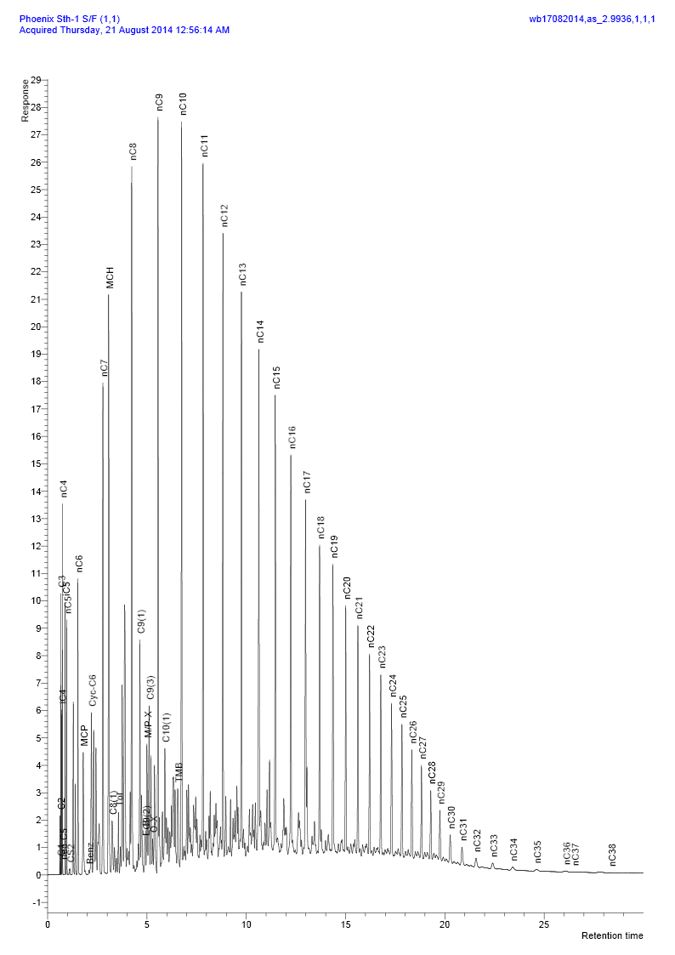
 |  | Mole % | Weight % | Mole % | Weight % | Mole % | Weight %
H2 | Hydrogen | 0.000 | 0.000 | 0.000 | 0.000 | 0.000 | 0.000
H2S | Hydrogen sulphide | 0.000 | 0.000 | 0.000 | 0.000 | 0.000 | 0.000 |  | C7+
CO2 | Carbon dioxide | 0.000 | 0.000 | 0.471 | 0.638 | 0.310 | 0.171 |  | Mole% | 92.569 | 4.646 | 34.702
N2 | Nitrogen | 0.000 | 0.000 | 2.367 | 2.040 | 1.558 | 0.547 |  | Weight% | 96.875 | 14.469 | 74.788
C1 | Methane | 0.069 | 0.007 | 54.282 | 26.787 | 35.757 | 7.183 |  | Molecular Weight (g mol-1) | 179 | 101 | 172
C2 | Ethane | 0.161 | 0.028 | 12.558 | 11.616 | 8.321 | 3.134 |  | Density at 15.6°C (g cm-3) | 0.8072 | 0.7393 | 0.8030
C3 | Propane | 0.646 | 0.167 | 11.669 | 15.828 | 7.903 | 4.365
iC4 | i-Butane | 0.399 | 0.136 | 2.989 | 5.343 | 2.104 | 1.532 |  | C11+
nC4 | n-Butane | 0.964 | 0.328 | 4.899 | 8.758 | 3.554 | 2.588 |  | Mole% | 49.987 | 0.060 | 17.133
C5 | neo-Pentane | 0.023 | 0.010 | 0.058 | 0.129 | 0.046 | 0.042 |  | Weight% | 67.799 | 0.295 | 49.705
iC5 | i-Pentane | 0.953 | 0.403 | 2.116 | 4.695 | 1.719 | 1.553 |  | Molecular Weight (g mol-1) | 232 | 157 | 232
nC5 | n-Pentane | 0.974 | 0.411 | 1.640 | 3.640 | 1.413 | 1.277 |  | Density at 15.6°C (g cm-3) | 0.8466 | 0.7976 | 0.8465
C6 | Hexanes | 3.242 | 1.635 | 2.305 | 6.057 | 2.613 | 2.820
 | Me-Cyclo-pentane | 1.154 | 0.568 | 0.467 | 1.210 | 0.702 | 0.740 |  | C20+
 | Benzene | 0.036 | 0.017 | 0.014 | 0.034 | 0.022 | 0.022 |  | Mole% | 12.256 |  | 4.189
 | Cyclo-hexane | 1.360 | 0.670 | 0.757 | 1.960 | 0.964 | 1.016 |  | Weight% | 25.698 |  | 18.809
C7 | Heptanes | 6.242 | 3.660 | 1.244 | 3.813 | 2.949 | 3.701 |  | Molecular Weight (g mol-1) | 358 |  | 358
 | Me-Cyclo-hexane | 4.310 | 2.477 | 0.754 | 2.279 | 1.971 | 2.424 |  | Density at 15.6°C (g cm-3) | 0.8895 |  | 0.8895
 | Toluene | 0.407 | 0.219 | 0.066 | 0.186 | 0.182 | 0.210
C8 | Octanes | 10.265 | 6.862 | 0.793 | 2.765 | 4.028 | 5.764 |  | C36+
 | Ethyl-benzene | 0.164 | 0.102 | 0.010 | 0.032 | 0.063 | 0.083 |  | Mole % | 1.055 |  | 0.358
 | Meta/Para-xylene | 0.883 | 0.549 | 0.033 | 0.107 | 0.324 | 0.431 |  | Weight% | 3.423 |  | 2.505
 | Ortho-xylene | 0.258 | 0.160 | 0.003 | 0.010 | 0.090 | 0.120 |  | Molecular Weight (g mol-1) | 555 |  | 558
C9 | Nonanes | 8.719 | 6.545 | 0.324 | 1.280 | 3.195 | 5.134 |  | Density at 15.6°C (g cm-3) | 0.9278 |  | 0.9281
 | Tri-Me-benzene | 0.528 | 0.371 | 0.000 | 0.000 | 0.180 | 0.272
C10 | Decanes | 8.256 | 6.876 | 0.121 | 0.498 | 2.899 | 5.166 |  | Whole Sample Properties
C11 | Undecanes | 7.214 | 6.206 | 0.035 | 0.159 | 2.490 | 4.585
C12 | Dodecanes | 5.974 | 5.628 | 0.012 | 0.061 | 2.051 | 4.136 |  | Average mole weight (g mol-1) | 172 | 32.5 | 79.8
C13 | Tridecanes | 5.423 | 5.554 | 0.009 | 0.050 | 1.861 | 4.079 |  |  | (Measured)
C14 | Tetradecanes | 4.529 | 5.036 | 0.004 | 0.025 | 1.552 | 3.693
C15 | Pentadecanes | 4.306 | 5.192 | 0.000 | 0.000 | 1.473 | 3.800 |  | Density (g cm-3 at 15.6°C) | 0.7943
C16 | Hexadecanes | 3.210 | 4.171 | 0.000 | 0.000 | 1.098 | 3.053 |  |  | (Measured)
C17 | Heptadecanes | 2.653 | 3.680 | 0.000 | 0.000 | 0.907 | 2.694
C18 | Octadecanes | 2.431 | 3.570 | 0.000 | 0.000 | 0.831 | 2.613 |  | Real relative density (Air = 1.000 at 14.696 psia 15.6°C) |  | 1.133
C19 | Nonadecanes | 1.991 | 3.064 | 0.000 | 0.000 | 0.681 | 2.243
C20 | Eicosanes | 1.670 | 2.687 | 0.000 | 0.000 | 0.571 | 1.967 |  | Gas Oil Ratio (scf/bbl) from flash at 50.0°C |  |  | 1179
C21 | Heneicosanes | 1.470 | 2.503 | 0.000 | 0.000 | 0.503 | 1.832
C22 | Docosanes | 1.276 | 2.278 | 0.000 | 0.000 | 0.436 | 1.667 |  | Gas Mole Fraction |  |  | 0.6559
C23 | Tricosanes | 1.123 | 2.089 | 0.000 | 0.000 | 0.384 | 1.529
C24 | Tetracosanes | 0.969 | 1.877 | 0.000 | 0.000 | 0.331 | 1.374 |  | Liquid Mole Fraction |  |  | 0.3441
C25 | Pentacosanes | 0.860 | 1.737 | 0.000 | 0.000 | 0.294 | 1.271
C26 | Hexacosanes | 0.698 | 1.467 | 0.000 | 0.000 | 0.239 | 1.074
C27 | Heptacosanes | 0.589 | 1.290 | 0.000 | 0.000 | 0.202 | 0.944
C28 | Octacosanes | 0.519 | 1.179 | 0.000 | 0.000 | 0.178 | 0.863
C29 | Nonacosanes | 0.444 | 1.045 | 0.000 | 0.000 | 0.152 | 0.765
C30 | Triacontanes | 0.380 | 0.925 | 0.000 | 0.000 | 0.130 | 0.677
C31 | Hentriacontanes | 0.319 | 0.802 | 0.000 | 0.000 | 0.109 | 0.587
C32 | Dotriacontanes | 0.266 | 0.692 | 0.000 | 0.000 | 0.091 | 0.507
C33 | Tritriacontanes | 0.233 | 0.626 | 0.000 | 0.000 | 0.080 | 0.458
C34 | Tetratriacontanes | 0.208 | 0.575 | 0.000 | 0.000 | 0.071 | 0.421
C35 | Pentatriacontanes | 0.177 | 0.503 | 0.000 | 0.000 | 0.060 | 0.368
C36+ | Hexatriacontanes plus | 1.055 | 3.423 | 0.000 | 0.000 | 0.358 | 2.505
 |  | _____ | _____ | _____ | _____ | _____ | _____
 | Totals : | 100.000 | 100.000 | 100.000 | 100.000 | 100.000 | 100.000

C.10
Compositional Analysis of Reservoir Fluid Sample to C36+ |  |  |  |  |  |  |  | Compositional Analysis of Reservoir Fluid Sample to C36+ |  |  |  |  | Fingerprint Profile of Liquid
Sample No.: 4; Chamber No.: 3350; Depth: 4232.5 m MD |  |  |  |  |  |  |  | Sample No.: 4; Chamber No.: 3350; Depth: 4232.5 m MD |  |  |  |  | Sample No.: 4; Chamber No.: 3350; Depth: 4232.5 m MD
 | Component | Flashed Liquid |  | Flashed Gas |  | Reservoir Fluid |  |  | Calculated Properties | Flashed Liquid | Flashed Gas | Reservoir Fluid

 |  | Mole % | Weight % | Mole % | Weight % | Mole % | Weight %
H2 | Hydrogen | 0.000 | 0.000 | 0.000 | 0.000 | 0.000 | 0.000
H2S | Hydrogen sulphide | 0.000 | 0.000 | 0.000 | 0.000 | 0.000 | 0.000 |  | C7+
CO2 | Carbon dioxide | 0.000 | 0.000 | 0.484 | 0.674 | 0.323 | 0.183 |  | Mole% | 92.950 | 3.704 | 33.385
N2 | Nitrogen | 0.000 | 0.000 | 2.409 | 2.136 | 1.608 | 0.580 |  | Weight% | 96.913 | 11.678 | 73.762
C1 | Methane | 0.001 | 0.000 | 55.048 | 27.958 | 36.747 | 7.594 |  | Molecular Weight (g mol-1) | 177 | 100 | 172
C2 | Ethane | 0.052 | 0.009 | 12.725 | 12.114 | 8.512 | 3.297 |  | Density at 15.6°C (g cm-3) | 0.8058 | 0.7388 | 0.8024
C3 | Propane | 0.424 | 0.110 | 11.817 | 16.497 | 8.030 | 4.561
iC4 | i-Butane | 0.337 | 0.115 | 3.006 | 5.532 | 2.119 | 1.586 |  | C11+
nC4 | n-Butane | 0.872 | 0.298 | 4.905 | 9.025 | 3.564 | 2.668 |  | Mole% | 49.546 | 0.020 | 16.495
C5 | neo-Pentane | 0.029 | 0.012 | 0.060 | 0.138 | 0.050 | 0.046 |  | Weight% | 67.166 | 0.093 | 48.946
iC5 | i-Pentane | 0.957 | 0.406 | 2.087 | 4.768 | 1.712 | 1.591 |  | Molecular Weight (g mol-1) | 230 | 151 | 230
nC5 | n-Pentane | 0.999 | 0.424 | 1.602 | 3.659 | 1.402 | 1.303 |  | Density at 15.6°C (g cm-3) | 0.8458 | 0.7920 | 0.8458
C6 | Hexanes | 3.379 | 1.713 | 2.153 | 5.821 | 2.548 | 2.829
 | Me-Cyclo-pentane | 1.207 | 0.597 | 0.422 | 1.124 | 0.683 | 0.740 |  | C20+
 | Benzene | 0.038 | 0.018 | 0.012 | 0.031 | 0.021 | 0.022 |  | Mole% | 11.948 |  | 3.975
 | Cyclo-hexane | 1.406 | 0.696 | 0.655 | 1.744 | 0.905 | 0.981 |  | Weight% | 24.990 |  | 18.201
C7 | Heptanes | 6.475 | 3.816 | 1.042 | 3.291 | 2.846 | 3.673 |  | Molecular Weight (g mol-1) | 356 |  | 356
 | Me-Cyclo-hexane | 4.423 | 2.555 | 0.605 | 1.880 | 1.875 | 2.372 |  | Density at 15.6°C (g cm-3) | 0.8887 |  | 0.8887
 | Toluene | 0.423 | 0.229 | 0.049 | 0.144 | 0.174 | 0.206
C8 | Octanes | 10.477 | 7.040 | 0.590 | 2.123 | 3.877 | 5.705 |  | C36+
 | Ethyl-benzene | 0.167 | 0.105 | 0.007 | 0.023 | 0.060 | 0.083 |  | Mole % | 0.922 |  | 0.307
 | Meta/Para-xylene | 0.898 | 0.561 | 0.021 | 0.071 | 0.313 | 0.428 |  | Weight% | 3.001 |  | 2.186
 | Ortho-xylene | 0.256 | 0.160 | 0.001 | 0.005 | 0.086 | 0.118 |  | Molecular Weight (g mol-1) | 553 |  | 553
C9 | Nonanes | 8.811 | 6.648 | 0.215 | 0.872 | 3.074 | 5.079 |  | Density at 15.6°C (g cm-3) | 0.9275 |  | 0.9275
 | Tri-Me-benzene | 0.481 | 0.340 | 0.000 | 0.000 | 0.160 | 0.248
C10 | Decanes | 8.342 | 6.982 | 0.065 | 0.277 | 2.816 | 5.161 |  | Whole Sample Properties
C11 | Undecanes | 7.203 | 6.229 | 0.015 | 0.071 | 2.406 | 4.556
C12 | Dodecanes | 5.922 | 5.609 | 0.004 | 0.018 | 1.972 | 4.090 |  | Average mole weight (g mol-1) | 171 | 31.6 | 77.6
C13 | Tridecanes | 5.427 | 5.587 | 0.001 | 0.004 | 1.806 | 4.071 |  |  | (Measured)
C14 | Tetradecanes | 4.505 | 5.036 | 0.000 | 0.000 | 1.499 | 3.668
C15 | Pentadecanes | 4.284 | 5.191 | 0.000 | 0.000 | 1.425 | 3.781 |  | Density (g cm-3 at 15.6°C) | 0.7943
C16 | Hexadecanes | 3.194 | 4.171 | 0.000 | 0.000 | 1.062 | 3.038 |  |  | (Measured)
C17 | Heptadecanes | 2.651 | 3.696 | 0.000 | 0.000 | 0.882 | 2.692
C18 | Octadecanes | 2.408 | 3.556 | 0.000 | 0.000 | 0.801 | 2.590 |  | Real relative density (Air = 1.000 at 14.696 psia 15.6°C) |  | 1.100
C19 | Nonadecanes | 2.004 | 3.101 | 0.000 | 0.000 | 0.667 | 2.259
C20 | Eicosanes | 1.656 | 2.679 | 0.000 | 0.000 | 0.551 | 1.951 |  | Gas Oil Ratio (scf/bbl) from flash at 50.0°C |  |  | 1236
C21 | Heneicosanes | 1.459 | 2.497 | 0.000 | 0.000 | 0.485 | 1.819
C22 | Docosanes | 1.272 | 2.282 | 0.000 | 0.000 | 0.423 | 1.662 |  | Gas Mole Fraction |  |  | 0.6654
C23 | Tricosanes | 1.110 | 2.077 | 0.000 | 0.000 | 0.369 | 1.513
C24 | Tetracosanes | 0.962 | 1.873 | 0.000 | 0.000 | 0.320 | 1.364 |  | Liquid Mole Fraction |  |  | 0.3346
C25 | Pentacosanes | 0.843 | 1.711 | 0.000 | 0.000 | 0.280 | 1.246
C26 | Hexacosanes | 0.688 | 1.452 | 0.000 | 0.000 | 0.229 | 1.058
C27 | Heptacosanes | 0.586 | 1.289 | 0.000 | 0.000 | 0.195 | 0.939
C28 | Octacosanes | 0.508 | 1.159 | 0.000 | 0.000 | 0.169 | 0.844
C29 | Nonacosanes | 0.439 | 1.038 | 0.000 | 0.000 | 0.146 | 0.756
C30 | Triacontanes | 0.364 | 0.891 | 0.000 | 0.000 | 0.121 | 0.649
C31 | Hentriacontanes | 0.310 | 0.784 | 0.000 | 0.000 | 0.103 | 0.571
C32 | Dotriacontanes | 0.257 | 0.672 | 0.000 | 0.000 | 0.086 | 0.489
C33 | Tritriacontanes | 0.218 | 0.588 | 0.000 | 0.000 | 0.073 | 0.428
C34 | Tetratriacontanes | 0.192 | 0.534 | 0.000 | 0.000 | 0.064 | 0.389
C35 | Pentatriacontanes | 0.162 | 0.463 | 0.000 | 0.000 | 0.054 | 0.337
C36+ | Hexatriacontanes plus | 0.922 | 3.001 | 0.000 | 0.000 | 0.307 | 2.186
 |  | _____ | _____ | _____ | _____ | _____ | _____
 | Totals : | 100.000 | 100.000 | 100.000 | 100.000 | 100.000 | 100.000

C.13
Compositional Analysis of Reservoir Fluid Sample to C36+ |  |  |  |  |  |  |  | Compositional Analysis of Reservoir Fluid Sample to C36+ |  |  |  |  | Fingerprint Profile of Liquid
Sample No.: 5; Chamber No.: 3339; Depth: 4193.5 m MD |  |  |  |  |  |  |  | Sample No.: 5; Chamber No.: 3339; Depth: 4193.5 m MD |  |  |  |  | Sample No.: 5; Chamber No.: 3339; Depth: 4193.5 m MD
 | Component | Flashed Liquid |  | Flashed Gas |  | Reservoir Fluid |  |  | Calculated Properties | Flashed Liquid | Flashed Gas | Reservoir Fluid
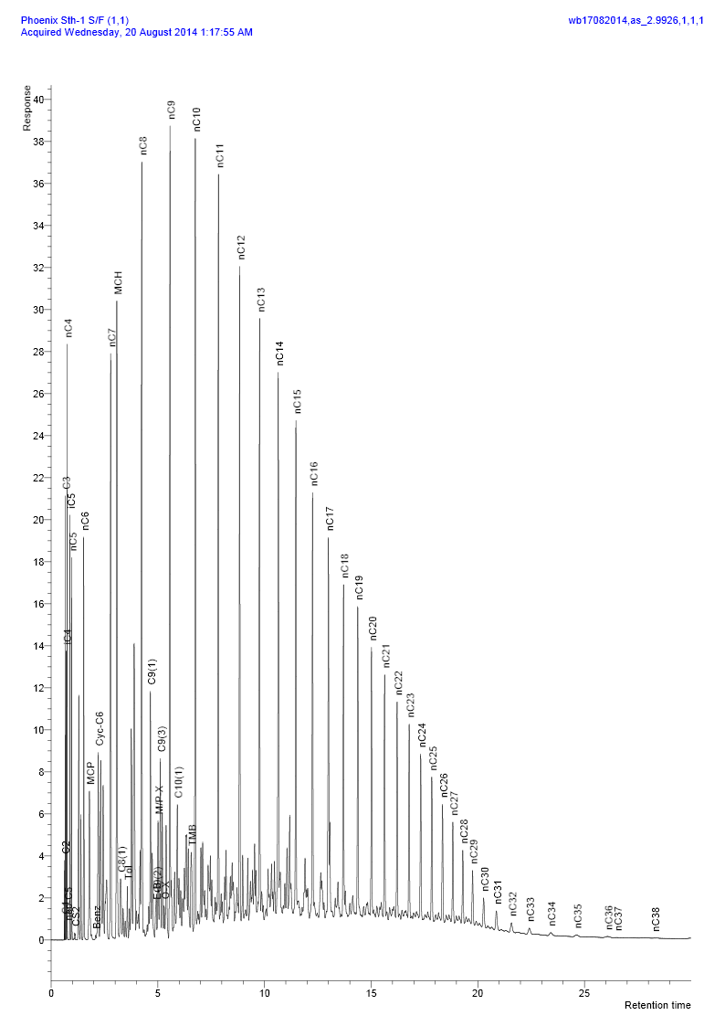
 |  | Mole % | Weight % | Mole % | Weight % | Mole % | Weight %
H2 | Hydrogen | 0.000 | 0.000 | 0.000 | 0.000 | 0.000 | 0.000
H2S | Hydrogen sulphide | 0.000 | 0.000 | 0.000 | 0.000 | 0.000 | 0.000 |  | C7+
CO2 | Carbon dioxide | 0.000 | 0.000 | 0.008 | 0.010 | 0.004 | 0.002 |  | Mole% | 90.164 | 4.668 | 48.621
N2 | Nitrogen | 0.000 | 0.000 | 2.376 | 1.847 | 1.155 | 0.315 |  | Weight% | 95.781 | 12.947 | 81.667
C1 | Methane | 0.076 | 0.007 | 45.837 | 20.407 | 22.315 | 3.483 |  | Molecular Weight (g mol-1) | 176 | 100 | 173
C2 | Ethane | 0.189 | 0.034 | 12.156 | 10.145 | 6.005 | 1.757 |  | Density at 15.6°C (g cm-3) | 0.8048 | 0.7380 | 0.8026
C3 | Propane | 0.907 | 0.241 | 15.292 | 18.715 | 7.899 | 3.388
iC4 | i-Butane | 0.621 | 0.218 | 4.543 | 7.328 | 2.528 | 1.429 |  | C11+
nC4 | n-Butane | 1.388 | 0.487 | 7.002 | 11.296 | 4.118 | 2.329 |  | Mole% | 47.691 | 0.028 | 24.536
C5 | neo-Pentane | 0.032 | 0.014 | 0.091 | 0.183 | 0.061 | 0.043 |  | Weight% | 66.051 | 0.116 | 54.818
iC5 | i-Pentane | 1.33 | 0.578 | 2.966 | 5.938 | 2.125 | 1.491 |  | Molecular Weight (g mol-1) | 230 | 150 | 230
nC5 | n-Pentane | 1.303 | 0.567 | 2.206 | 4.417 | 1.742 | 1.223 |  | Density at 15.6°C (g cm-3) | 0.8454 | 0.7919 | 0.8454
C6 | Hexanes | 3.99 | 2.073 | 2.855 | 6.767 | 3.427 | 2.873
 | Me-Cyclo-pentane | 1.279 | 0.649 | 0.513 | 1.199 | 0.907 | 0.743 |  | C20+
 | Benzene | 0.039 | 0.018 | 0.013 | 0.029 | 0.026 | 0.020 |  | Mole% | 11.457 |  | 5.891
 | Cyclo-hexane | 1.421 | 0.721 | 0.806 | 1.883 | 1.122 | 0.919 |  | Weight% | 24.379 |  | 20.225
C7 | Heptanes | 6.814 | 4.116 | 1.331 | 3.682 | 4.147 | 4.042 |  | Molecular Weight (g mol-1) | 353 |  | 353
 | Me-Cyclo-hexane | 4.316 | 2.555 | 0.746 | 2.032 | 2.582 | 2.466 |  | Density at 15.6°C (g cm-3) | 0.8880 |  | 0.8880
 | Toluene | 0.322 | 0.179 | 0.055 | 0.140 | 0.192 | 0.172
C8 | Octanes | 10.279 | 7.080 | 0.761 | 2.395 | 5.653 | 6.281 |  | C36+
 | Ethyl-benzene | 0.152 | 0.097 | 0.009 | 0.028 | 0.083 | 0.085 |  | Mole % | 0.778 |  | 0.400
 | Meta/Para-xylene | 0.758 | 0.485 | 0.026 | 0.076 | 0.402 | 0.415 |  | Weight% | 2.581 |  | 2.141
 | Ortho-xylene | 0.223 | 0.143 | 0.002 | 0.005 | 0.116 | 0.119 |  | Molecular Weight (g mol-1) | 550 |  | 550
C9 | Nonanes | 8.45 | 6.534 | 0.285 | 1.015 | 4.483 | 5.594 |  | Density at 15.6°C (g cm-3) | 0.9271 |  | 0.9271
 | Tri-Me-benzene | 0.523 | 0.379 | 0.000 | 0.000 | 0.269 | 0.314
C10 | Decanes | 7.897 | 6.774 | 0.093 | 0.347 | 4.103 | 5.679 |  | Whole Sample Properties
C11 | Undecanes | 6.928 | 6.140 | 0.022 | 0.089 | 3.573 | 5.109
C12 | Dodecanes | 5.703 | 5.536 | 0.005 | 0.022 | 2.935 | 4.597 |  | Average mole weight (g mol-1) | 168 | 36.1 | 102.8
C13 | Tridecanes | 5.22 | 5.508 | 0.001 | 0.005 | 2.685 | 4.570 |  |  | (Measured)
C14 | Tetradecanes | 4.336 | 4.967 | 0.000 | 0.000 | 2.229 | 4.121
C15 | Pentadecanes | 4.132 | 5.132 | 0.000 | 0.000 | 2.125 | 4.258 |  | Density (g cm-3 at 15.6°C) | 0.7901
C16 | Hexadecanes | 3.097 | 4.146 | 0.000 | 0.000 | 1.593 | 3.440 |  |  | (Measured)
C17 | Heptadecanes | 2.535 | 3.622 | 0.000 | 0.000 | 1.303 | 3.005
C18 | Octadecanes | 2.362 | 3.574 | 0.000 | 0.000 | 1.214 | 2.965 |  | Real relative density (Air = 1.000 at 14.696 psia 15.6°C) |  | 1.259
C19 | Nonadecanes | 1.921 | 3.047 | 0.000 | 0.000 | 0.988 | 2.528
C20 | Eicosanes | 1.617 | 2.681 | 0.000 | 0.000 | 0.831 | 2.224 |  | Gas Oil Ratio (scf/bbl) from flash at 50.0°C |  |  | 592
C21 | Heneicosanes | 1.414 | 2.481 | 0.000 | 0.000 | 0.727 | 2.058
C22 | Docosanes | 1.231 | 2.263 | 0.000 | 0.000 | 0.633 | 1.877 |  | Gas Mole Fraction |  |  | 0.4830
C23 | Tricosanes | 1.075 | 2.061 | 0.000 | 0.000 | 0.553 | 1.710
C24 | Tetracosanes | 0.934 | 1.863 | 0.000 | 0.000 | 0.480 | 1.546 |  | Liquid Mole Fraction |  |  | 0.5170
C25 | Pentacosanes | 0.827 | 1.719 | 0.000 | 0.000 | 0.425 | 1.426
C26 | Hexacosanes | 0.666 | 1.441 | 0.000 | 0.000 | 0.342 | 1.195
C27 | Heptacosanes | 0.575 | 1.296 | 0.000 | 0.000 | 0.296 | 1.075
C28 | Octacosanes | 0.488 | 1.141 | 0.000 | 0.000 | 0.251 | 0.947
C29 | Nonacosanes | 0.422 | 1.023 | 0.000 | 0.000 | 0.217 | 0.849
C30 | Triacontanes | 0.354 | 0.887 | 0.000 | 0.000 | 0.182 | 0.736
C31 | Hentriacontanes | 0.299 | 0.775 | 0.000 | 0.000 | 0.154 | 0.643
C32 | Dotriacontanes | 0.243 | 0.650 | 0.000 | 0.000 | 0.125 | 0.539
C33 | Tritriacontanes | 0.207 | 0.572 | 0.000 | 0.000 | 0.107 | 0.475
C34 | Tetratriacontanes | 0.179 | 0.511 | 0.000 | 0.000 | 0.092 | 0.424
C35 | Pentatriacontanes | 0.148 | 0.434 | 0.000 | 0.000 | 0.076 | 0.360
C36+ | Hexatriacontanes plus | 0.778 | 2.581 | 0.000 | 0.000 | 0.400 | 2.141
 |  | _____ | _____ | _____ | _____ | _____ | _____
 | Totals : | 100.000 | 100.000 | 100.000 | 100.000 | 100.000 | 100.000

C.16
Compositional Analysis of Reservoir Fluid Sample to C36+ |  |  |  |  |  |  |  | Compositional Analysis of Reservoir Fluid Sample to C36+ |  |  |  |  | Fingerprint Profile of Liquid
Chamber No.: 30320; Depth: 4421.0 m MD |  |  |  |  |  |  |  | Chamber No.: 30320; Depth: 4421.0 m MD |  |  |  |  | Chamber No.: 30320; Depth: 4421.0 m MD
 | Component | Flashed Liquid |  | Flashed Gas |  | Reservoir Fluid |  |  | Calculated Properties | Flashed Liquid | Flashed Gas | Reservoir Fluid
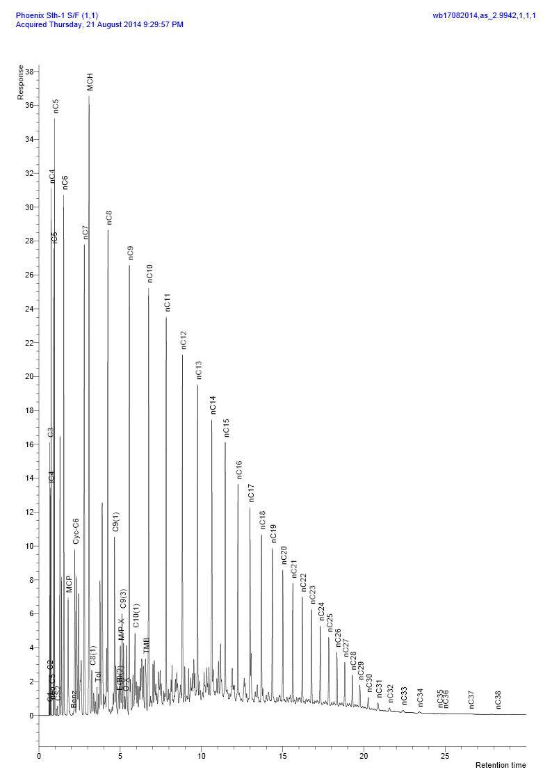
 |  | Mole % | Weight % | Mole % | Weight % | Mole % | Weight %
H2 | Hydrogen | 0.000 | 0.000 | 0.042 | 0.002 | 0.008 | 0.000
H2S | Hydrogen sulphide | 0.000 | 0.000 | 0.000 | 0.000 | 0.000 | 0.000 |  | C7+
CO2 | Carbon dioxide | 0.000 | 0.000 | 0.016 | 0.014 | 0.002 | 0.001 |  | Mole% | 83.938 | 7.868 | 71.789
N2 | Nitrogen | 0.000 | 0.000 | 2.870 | 1.668 | 0.458 | 0.094 |  | Weight% | 92.207 | 15.998 | 87.901
C1 | Methane | 0.057 | 0.006 | 27.344 | 9.102 | 4.416 | 0.520 |  | Molecular Weight (g mol-1) | 168 | 98 | 167
C2 | Ethane | 0.146 | 0.029 | 8.993 | 5.612 | 1.561 | 0.344 |  | Density at 15.6°C (g cm-3) | 0.7991 | 0.7394 | 0.7984
C3 | Propane | 0.836 | 0.241 | 14.876 | 13.610 | 3.079 | 0.996
iC4 | i-Butane | 0.729 | 0.277 | 6.057 | 7.306 | 1.580 | 0.674 |  | C11+
nC4 | n-Butane | 1.821 | 0.692 | 10.957 | 13.215 | 3.281 | 1.400 |  | Mole% | 40.211 | 0.016 | 33.794
C5 | neo-Pentane | 0.035 | 0.016 | 0.114 | 0.171 | 0.047 | 0.025 |  | Weight% | 59.802 | 0.049 | 56.426
iC5 | i-Pentane | 2.168 | 1.023 | 6.472 | 9.691 | 2.857 | 1.513 |  | Molecular Weight (g mol-1) | 228 | 149 | 228
nC5 | n-Pentane | 3.017 | 1.423 | 7.013 | 10.501 | 3.656 | 1.936 |  | Density at 15.6°C (g cm-3) | 0.8444 | 0.7902 | 0.8444
C6 | Hexanes | 7.253 | 4.086 | 7.378 | 13.110 | 7.266 | 4.596
 | Me-Cyclo-pentane | 1.516 | 0.834 | 0.906 | 1.583 | 1.419 | 0.876 |  | C20+
 | Benzene | 0.025 | 0.013 | 0.014 | 0.022 | 0.024 | 0.014 |  | Mole% | 9.007 |  | 7.571
 | Cyclo-hexane | 1.874 | 1.031 | 1.505 | 2.629 | 1.815 | 1.121 |  | Weight% | 20.921 |  | 19.739
C7 | Heptanes | 8.270 | 5.417 | 2.399 | 4.965 | 7.332 | 5.391 |  | Molecular Weight (g mol-1) | 355 |  | 355
 | Me-Cyclo-hexane | 6.127 | 3.932 | 1.524 | 3.106 | 5.392 | 3.885 |  | Density at 15.6°C (g cm-3) | 0.8887 |  | 0.8887
 | Toluene | 0.249 | 0.150 | 0.060 | 0.114 | 0.219 | 0.148
C8 | Octanes | 10.181 | 7.600 | 1.012 | 2.387 | 8.714 | 7.306 |  | C36+
 | Ethyl-benzene | 0.120 | 0.084 | 0.010 | 0.022 | 0.103 | 0.080 |  | Mole % | 0.737 |  | 0.620
 | Meta/Para-xylene | 0.655 | 0.454 | 0.026 | 0.058 | 0.554 | 0.432 |  | Weight% | 2.680 |  | 2.529
 | Ortho-xylene | 0.185 | 0.128 | 0.002 | 0.005 | 0.155 | 0.121 |  | Molecular Weight (g mol-1) | 556 |  | 556
C9 | Nonanes | 7.454 | 6.249 | 0.318 | 0.846 | 6.314 | 5.944 |  | Density at 15.6°C (g cm-3) | 0.9279 |  | 0.9279
 | Tri-Me-benzene | 0.442 | 0.348 | 0.000 | 0.000 | 0.372 | 0.328
C10 | Decanes | 6.629 | 6.165 | 0.076 | 0.212 | 5.582 | 5.829 |  | Whole Sample Properties
C11 | Undecanes | 5.728 | 5.504 | 0.014 | 0.043 | 4.816 | 5.195
C12 | Dodecanes | 4.796 | 5.047 | 0.002 | 0.006 | 4.030 | 4.762 |  | Average mole weight (g mol-1) | 169 | 48.2 | 136.3
C13 | Tridecanes | 4.605 | 5.267 | 0.000 | 0.000 | 3.869 | 4.969 |  |  | (Measured)
C14 | Tetradecanes | 4.053 | 5.033 | 0.000 | 0.000 | 3.405 | 4.749
C15 | Pentadecanes | 3.785 | 5.097 | 0.000 | 0.000 | 3.181 | 4.809 |  | Density (g cm-3 at 15.6°C) | 0.8012
C16 | Hexadecanes | 2.687 | 3.899 | 0.000 | 0.000 | 2.258 | 3.679 |  |  | (Measured)
C17 | Heptadecanes | 2.111 | 3.271 | 0.000 | 0.000 | 1.774 | 3.086 |  |  | \
C18 | Octadecanes | 1.901 | 3.119 | 0.000 | 0.000 | 1.598 | 2.943 |  | Real relative density (Air = 1.000 at 14.696 psia 15.6°C) |  | 1.702
C19 | Nonadecanes | 1.538 | 2.644 | 0.000 | 0.000 | 1.292 | 2.495
C20 | Eicosanes | 1.284 | 2.308 | 0.000 | 0.000 | 1.079 | 2.178 |  | Gas Oil Ratio (scf/bbl) from flash at 50.0°C |  |  | 129
C21 | Heneicosanes | 1.127 | 2.143 | 0.000 | 0.000 | 0.947 | 2.022
C22 | Docosanes | 0.980 | 1.954 | 0.000 | 0.000 | 0.824 | 1.844 |  | Gas Mole Fraction |  |  | 0.1567
C23 | Tricosanes | 0.856 | 1.780 | 0.000 | 0.000 | 0.720 | 1.679
C24 | Tetracosanes | 0.734 | 1.588 | 0.000 | 0.000 | 0.617 | 1.498 |  | Liquid Mole Fraction |  |  | 0.8433
C25 | Pentacosanes | 0.606 | 1.366 | 0.000 | 0.000 | 0.509 | 1.289
C26 | Hexacosanes | 0.505 | 1.186 | 0.000 | 0.000 | 0.425 | 1.119
C27 | Heptacosanes | 0.433 | 1.058 | 0.000 | 0.000 | 0.364 | 0.998
C28 | Octacosanes | 0.354 | 0.897 | 0.000 | 0.000 | 0.297 | 0.846
C29 | Nonacosanes | 0.309 | 0.813 | 0.000 | 0.000 | 0.260 | 0.767
C30 | Triacontanes | 0.262 | 0.712 | 0.000 | 0.000 | 0.220 | 0.672
C31 | Hentriacontanes | 0.208 | 0.585 | 0.000 | 0.000 | 0.175 | 0.552
C32 | Dotriacontanes | 0.182 | 0.529 | 0.000 | 0.000 | 0.153 | 0.499
C33 | Tritriacontanes | 0.166 | 0.495 | 0.000 | 0.000 | 0.139 | 0.467
C34 | Tetratriacontanes | 0.136 | 0.419 | 0.000 | 0.000 | 0.114 | 0.395
C35 | Pentatriacontanes | 0.128 | 0.408 | 0.000 | 0.000 | 0.108 | 0.385
C36+ | Hexatriacontanes plus | 0.737 | 2.680 | 0.000 | 0.000 | 0.620 | 2.529
 |  | _____ | _____ | _____ | _____ | _____ | _____
 | Totals : | 100.000 | 100.000 | 100.000 | 100.000 | 100.000 | 100.000

D.1
Constant Composition Expansion at 91.7°C |  |  |  |  | Constant Composition Expansion at 91.7°C
Sample No.: 3; Chamber No.: 2638; Depth: 4232.5 m MD |  |  |  |  | Sample No.: 3; Chamber No.: 2638; Depth: 4232.5 m MD

 | Single-phase Fluid Properties |  |  |  |  | Pressure |  | Relative | Density | Instantaneous | Y-function (3)
 |  |  |  |  |  | (psig) |  | Volume (1) | (g cm-3) | Compressibility
 | Saturation pressure (bubble-point pressure) |  | 2497 | psig |  |  |  |  |  | (psi-1 x 10-6) (2)

 | Thermal expansion factor of single phase fluid at 7000 psig |  |  |  |  | 7000 |  | 0.9320 | 0.6491 | 11.46
 | (Vol at 91.7°C)/(Vol at 15.6°C) |  | n/d |  |  | 6500 |  | 0.9375 | 0.6454 | 11.98
 |  |  |  |  |  | 6071 | Reservoir pressure | 0.9424 | 0.6420 | 12.50
 | Average single phase compressibility |  |  |  |  | 6000 |  | 0.9432 | 0.6414 | 12.59
 | (From 6071 psig to 2497 psig) |  | 16.60 | x 10 -6 psi-1 |  | 5500 |  | 0.9494 | 0.6373 | 13.32
 |  |  |  |  |  | 5000 |  | 0.9559 | 0.6329 | 14.19
 | Density at saturation pressure |  | 0.6050 | g cm-3 |  | 4500 |  | 0.9630 | 0.6283 | 15.27
 |  |  |  |  |  | 4000 |  | 0.9707 | 0.6233 | 16.63
 |  |  |  |  |  | 3500 |  | 0.9792 | 0.6179 | 18.39
 | Mean Single-phase Compressibilities |  |  |  |  | 3000 |  | 0.9888 | 0.6119 | 20.77
 |  |  |  |  |  | 2900 |  | 0.9909 | 0.6106 | 21.36
 | Pressure Range |  | Mean |  |  | 2800 |  | 0.9930 | 0.6093 | 22.00
 | Initial Pressure | Final Pressure | Compressibility |  |  | 2700 |  | 0.9952 | 0.6079 | 22.69
 | (psig) | (psig) | (psi-1) (1) |  |  | 2600 |  | 0.9975 | 0.6065 | 23.47
 |  |  |  |  |  | 2497 | Saturation pressure | 1.0000 | 0.6050
 | 7000 | 5500 | 12.31 | x 10 -6 |  | 2492 |  | 1.0009
 |  |  |  |  |  | 2482 |  | 1.0026
 | 5500 | 4000 | 14.79 | x 10 -6 |  | 2475 |  | 1.0038
 |  |  |  |  |  | 2469 |  | 1.0049
 | 4000 | 2600 | 19.50 | x 10 -6 |  | 2452 |  | 1.0079
 |  |  |  |  |  | 2408 |  | 1.0160
 | 2600 | 2497 | 23.99 | x 10 -6 |  | 2341 |  | 1.0292
 |  |  |  |  |  | 2215 |  | 1.0570 |  |  | 2.220
Sand 2: MPSR 2638
 |  |  |  |  |  | 2014 |  | 1.1114 |  |  | 2.137
 |  |  |  |  |  | 1769 |  | 1.2006 |  |  | 2.035
 |  |  |  |  |  | 1548 |  | 1.3129 |  |  | 1.941
 |  |  |  |  |  | 1317 |  | 1.4813 |  |  | 1.841
 |  |  |  |  |  | 1087 |  | 1.7356 |  |  | 1.740
 |  |  |  |  |  | 872 |  | 2.1154 |  |  | 1.643
 |  |  |  |  |  | 679 |  | 2.6868 |  |  | 1.554
 |  |  |  |  |  | 517 |  | 3.5223 |  |  | 1.476
 |  |  |  |  |  | 373 |  | 4.8983 |  |  | 1.405

 |  |  |  |  | (1) Relative Volume = V / Vsat ie. volume at indicated pressure per volume at saturation pressure.
 |  |  |  |  | (2) Instantaneous compressibility = (V2-V1) / V1 x 1/(P1-P2)
(1) Mean compressibility = (V2-V1) / [(V1+V2)/2] x 1/(P1 - P2) |  |  |  |  | (3) Y-function = (Psat - P ) / ((Pabs)(V/Vsat - 1)).

D.3
Constant Composition Expansion at 91.7°C |  |  |  |  | Constant Composition Expansion at 91.7°C
Sample No.: 4; Chamber No.: 3350; Depth: 4232.5 m MD |  |  |  |  | Sample No.: 4; Chamber No.: 3350; Depth: 4232.5 m MD

 | Single-phase Fluid Properties |  |  |  |  | Pressure |  | Relative | Density | Instantaneous | Y-function (3)
 |  |  |  |  |  | (psig) |  | Volume (1) | (g cm-3) | Compressibility
 | Saturation pressure (bubble-point pressure) |  | 2553 | psig |  |  |  |  |  | (psi-1 x 10-6) (2)

 | Thermal expansion factor of single phase fluid at 7000 psig |  |  |  |  | 7000 |  | 0.9327 | 0.6460 | 11.73
 | (Vol at 91.7°C)/(Vol at 15.6°C) |  | n/d |  |  | 6500 |  | 0.9383 | 0.6421 | 12.19
 |  |  |  |  |  | 6071 | Reservoir pressure | 0.9433 | 0.6387 | 12.67
 | Average single phase compressibility |  |  |  |  | 6000 |  | 0.9441 | 0.6382 | 12.76
 | (From 6071 psig to 2553 psig) |  | 16.59 | x 10 -6 psi-1 |  | 5500 |  | 0.9503 | 0.6340 | 13.44
 |  |  |  |  |  | 5000 |  | 0.9569 | 0.6296 | 14.27
 | Density at saturation pressure |  | 0.6025 | g cm-3 |  | 4500 |  | 0.9640 | 0.6250 | 15.32
 |  |  |  |  |  | 4000 |  | 0.9718 | 0.6200 | 16.67
 |  |  |  |  |  | 3500 |  | 0.9803 | 0.6146 | 18.47
 | Mean Single-phase Compressibilities |  |  |  |  | 3200 |  | 0.9859 | 0.6111 | 19.85
 |  |  |  |  |  | 3100 |  | 0.9879 | 0.6099 | 20.38
 | Pressure Range |  | Mean |  |  | 3000 |  | 0.9900 | 0.6086 | 20.96
 | Initial Pressure | Final Pressure | Compressibility |  |  | 2900 |  | 0.9921 | 0.6073 | 21.58
 | (psig) | (psig) | (psi-1) (1) |  |  | 2800 |  | 0.9943 | 0.6060 | 22.27
 |  |  |  |  |  | 2700 |  | 0.9965 | 0.6046 | 23.04
 | 7000 | 6000 | 12.21 | x 10 -6 |  | 2600 |  | 0.9989 | 0.6032 | 23.97
 |  |  |  |  |  | 2553 | Saturation pressure | 1.0000 | 0.6025
 | 6000 | 5000 | 13.46 | x 10 -6 |  | 2538 |  | 1.0024
 |  |  |  |  |  | 2528 |  | 1.0041
 | 5000 | 4000 | 15.37 | x 10 -6 |  | 2520 |  | 1.0054
 |  |  |  |  |  | 2513 |  | 1.0066
 | 4000 | 2553 | 19.80 | x 10 -6 |  | 2497 |  | 1.0093
Sand 2: MPSR 3350
 |  |  |  |  |  | 2461 |  | 1.0156
 |  |  |  |  |  | 2395 |  | 1.0278
 |  |  |  |  |  | 2271 |  | 1.0536 |  |  | 2.302
 |  |  |  |  |  | 2071 |  | 1.1043 |  |  | 2.216
 |  |  |  |  |  | 1841 |  | 1.1814 |  |  | 2.116
 |  |  |  |  |  | 1617 |  | 1.2845 |  |  | 2.017
 |  |  |  |  |  | 1381 |  | 1.4395 |  |  | 1.911
 |  |  |  |  |  | 1144 |  | 1.6747 |  |  | 1.802
 |  |  |  |  |  | 920 |  | 2.0292 |  |  | 1.697
 |  |  |  |  |  | 719 |  | 2.5615 |  |  | 1.601
 |  |  |  |  |  | 550 |  | 3.3379 |  |  | 1.517
 |  |  |  |  |  | 399 |  | 4.6160 |  |  | 1.440

 |  |  |  |  | (1) Relative Volume = V / Vsat ie. volume at indicated pressure per volume at saturation pressure.
 |  |  |  |  | (2) Instantaneous compressibility = (V2-V1) / V1 x 1/(P1-P2)
(1) Mean compressibility = (V2-V1) / [(V1+V2)/2] x 1/(P1 - P2) |  |  |  |  | (3) Y-function = (Psat - P ) / ((Pabs)(V/Vsat - 1)).

D.5
Constant Composition Expansion at 91.0°C |  |  |  |  | Constant Composition Expansion at 91.0°C
Sample No.: 5; Chamber No.: 3339; Depth: 4193.5 m MD |  |  |  |  | Sample No.: 5; Chamber No.: 3339; Depth: 4193.5 m MD

 | Single-phase Fluid Properties |  |  |  |  | Pressure |  | Relative | Density | Instantaneous | Y-function (3)
 |  |  |  |  |  | (psig) |  | Volume (1) | (g cm-3) | Compressibility
 | Saturation pressure (bubble-point pressure) |  | 1379 | psig |  |  |  |  |  | (psi-1 x 10-6) (2)

 | Thermal expansion factor of single phase fluid at 7000 psig |  |  |  |  | 7000 |  | 0.9386 | 0.6998 | 8.24
 | (Vol at 91.0°C)/(Vol at 15.6°C) |  | n/d |  |  | 6500 |  | 0.9425 | 0.6969 | 8.59
 |  |  |  |  |  | 6000 |  | 0.9467 | 0.6938 | 8.98
 | Average single phase compressibility |  |  |  |  | 5988 | Reservoir pressure | 0.9468 | 0.6937 | 8.99
 | (From 5988 psig to 1379 psig) |  | 11.86 | x 10 -6 psi-1 |  | 5500 |  | 0.9510 | 0.6906 | 9.41
 |  |  |  |  |  | 5000 |  | 0.9556 | 0.6873 | 9.89
 | Density at saturation pressure |  | 0.6568 | g cm-3 |  | 4500 |  | 0.9605 | 0.6838 | 10.43
 |  |  |  |  |  | 4000 |  | 0.9657 | 0.6802 | 11.05
 |  |  |  |  |  | 3500 |  | 0.9712 | 0.6763 | 11.76
 | Mean Single-phase Compressibilities |  |  |  |  | 3000 |  | 0.9771 | 0.6722 | 12.58
 |  |  |  |  |  | 2500 |  | 0.9835 | 0.6678 | 13.54
 | Pressure Range |  | Mean |  |  | 2000 |  | 0.9905 | 0.6631 | 14.68
 | Initial Pressure | Final Pressure | Compressibility |  |  | 1900 |  | 0.9919 | 0.6621 | 14.92
 | (psig) | (psig) | (psi-1) (1) |  |  | 1800 |  | 0.9934 | 0.6611 | 15.17
 |  |  |  |  |  | 1700 |  | 0.9949 | 0.6601 | 15.42
 | 7000 | 5500 | 8.80 | x 10 -6 |  | 1600 |  | 0.9965 | 0.6591 | 15.67
 |  |  |  |  |  | 1500 |  | 0.9981 | 0.6581 | 15.91
 | 5500 | 4000 | 10.18 | x 10 -6 |  | 1400 |  | 0.9997 | 0.6570 | 16.05
 |  |  |  |  |  | 1379 | Saturation pressure | 1.0000 | 0.6568
 | 4000 | 2500 | 12.20 | x 10 -6 |  | 1370 |  | 1.0029
 |  |  |  |  |  | 1366 |  | 1.0042
 | 2500 | 1379 | 14.84 | x 10 -6 |  | 1361 |  | 1.0058
Sand 1: MPSR 3339
 |  |  |  |  |  | 1357 |  | 1.0072
 |  |  |  |  |  | 1348 |  | 1.0102
 |  |  |  |  |  | 1328 |  | 1.0171
 |  |  |  |  |  | 1293 |  | 1.0300
 |  |  |  |  |  | 1225 |  | 1.0579 |  |  | 2.145
 |  |  |  |  |  | 1118 |  | 1.1114 |  |  | 2.069
 |  |  |  |  |  | 992 |  | 1.1943 |  |  | 1.979
 |  |  |  |  |  | 869 |  | 1.3056 |  |  | 1.889
 |  |  |  |  |  | 736 |  | 1.4785 |  |  | 1.790
 |  |  |  |  |  | 610 |  | 1.7265 |  |  | 1.694
 |  |  |  |  |  | 488 |  | 2.1079 |  |  | 1.600
 |  |  |  |  |  | 382 |  | 2.6586 |  |  | 1.515
 |  |  |  |  |  | 292 |  | 3.4587 |  |  | 1.441
 |  |  |  |  |  | 210 |  | 4.7922 |  |  | 1.372

 |  |  |  |  | (1) Relative Volume = V / Vsat ie. volume at indicated pressure per volume at saturation pressure.
 |  |  |  |  | (2) Instantaneous compressibility = (V2-V1) / V1 x 1/(P1-P2)
(1) Mean compressibility = (V2-V1) / [(V1+V2)/2] x 1/(P1 - P2) |  |  |  |  | (3) Y-function = (Psat - P ) / ((Pabs)(V/Vsat - 1)).

G.1
Reservoir Fluid Viscosity Data at 91.7°C
Sample No.: 3; Chamber No.: 2638; Depth: 4232.5 m MD

Viscosity vs Pressure (at Reservoir Temperature)
 | Sand 2 MPSR 2638 |  | Sand 2 MPSR 3350 |  | Sand 1 MPSR 3339
7000 | 0.348 | 7000 | 0.368 | 7000 | 0.782
6071 | 0.326 | 6500 | 0.357 | 6500 | 0.757
6000 | 0.324 | 6071 | 0.347 | 6000 | 0.732
5000 | 0.301 | 6000 | 0.346 | 5988 | 0.731
4500 | 0.290 | 5500 | 0.335 | 5500 | 0.707
4000 | 0.278 | 5000 | 0.324 | 5000 | 0.683
3500 | 0.267 | 4500 | 0.313 | 4500 | 0.659
3000 | 0.256 | 4000 | 0.302 | 4000 | 0.635
2497 | 0.245 | 3500 | 0.292 | 3500 | 0.611
2000 | 0.268 | 3000 | 0.281 | 3000 | 0.588
1500 | 0.308 | 2553 | 0.272 | 2500 | 0.565
1000 | 0.368 | 2000 | 0.292 | 2000 | 0.542
500 | 0.457 | 1500 | 0.325 | 1500 | 0.519
226 | 0.530 | 1000 | 0.377 | 1379 | 0.514
116 | 0.574 |  |  | 0 | 0.788
0 | 0.820
 | Pressure |  | Oil | Calculated | Oil/Gas
 | (psig) |  | Viscosity | Gas Viscosity | Viscosity
 |  |  | (cP) | (cP) (1) | Ratio

 | 7000 |  | 0.348
 | 6071 | Reservoir pressure | 0.326
 | 6000 |  | 0.324
 | 5000 |  | 0.301
 | 4500 |  | 0.290
 | 4000 |  | 0.278
 | 3500 |  | 0.267
 | 3000 |  | 0.256
 | 2497 | Saturation pressure | 0.245
 | 2000 |  | 0.268 | 0.0175 | 15.4
 | 1500 |  | 0.308 | 0.0157 | 19.6
 | 1000 |  | 0.368 | 0.0143 | 25.7
 | 500 |  | 0.457 | 0.0130 | 35.2
 | 226 |  | 0.530 | 0.0119 | 44.8
 | 116 |  | 0.574 | 0.0109 | 52.6
 | 0 |  | 0.820

Reservoir Fluid Viscosity v Pressure at 91.7°C

 | Note:
 | Insufficient sample to measure 2-phase viscosities at each DV stage pressure.

(1) Calculated using the method of Lee, Gonzales and Eakin, JPT, Aug 1966.

H.1
page19

Data Used in Gas Compositional Calculations

Component |  | Mole Weight | Density | Component |  | Mole Weight | Density
 |  | (g mol-1) | (g cm-3 at 60°F) |  |  | (g mol-1) | (g cm-3 at 60°F)

Hydrogen | * | 2.016 | N/A | 33DMC5 | * | 100.20 | 0.6954
Oxygen/(Argon) | ** | 31.999 | 1.1410 | Cyclohexane | * | 84.16 | 0.7827
Nitrogen (Corrected) | ** | 28.013 | 0.8086 | 2MC6/23DMC5 | * | 100.20 | 0.6917
Methane | ** | 16.043 | 0.2997 | 11DMCYC5/3MC6 | * | 99.20 | 0.7253
Carbon Dioxide | ** | 44.010 | 0.8172 | t13DMCYC5 | * | 98.19 | 0.7528
Ethane | ** | 30.070 | 0.3558 | c13DMCYC5/3EC5 | * | 99.20 | 0.7262
Hydrogen Sulphide | ** | 34.080 | 0.8006 | t12DMCYC5 | * | 98.19 | 0.7554
Propane | ** | 44.097 | 0.5065 | Heptanes (nC7) | * | 100.20 | 0.6875
i-Butane | ** | 58.123 | 0.5623 | 22DMC6 | * | 114.23 | 0.6994
n-Butane | ** | 58.123 | 0.5834 | MCYC6 | * | 98.19 | 0.7740
Neo-Pentane | * | 72.15 | 0.5968 | ECYC5 | * | 98.19 | 0.7704
i-Pentane | ** | 72.150 | 0.6238 | 223TMC5/24&25DMC6 | * | 114.23 | 0.7060
n-Pentane | ** | 72.150 | 0.6305 | ctc124TMCYC5 | * | 112.21 | 0.7511
22DMC4 | * | 86.18 | 0.6529 | ctc123TMCYC5 | * | 112.21 | 0.7574
23DMC4/CYC5 | * | 78.16 | 0.7129 | Toluene | * | 92.14 | 0.8734
2MC5 | * | 86.18 | 0.6572 | Octanes (nC8) | * | 114.23 | 0.7063
3MC5 | * | 86.18 | 0.6682 | E-Benzene | * | 106.17 | 0.8735
Hexanes (nC6) | * | 86.18 | 0.6631 | M/P-Xylene | * | 106.17 | 0.8671
22DMC5 | * | 100.20 | 0.6814 | O-Xylene | * | 106.17 | 0.8840
M-C-Pentane | * | 84.16 | 0.7533 | Nonanes (nC9) | * | 128.26 | 0.7212
24DMC5 | * | 100.20 | 0.6757 | Decanes | *** | 134 | 0.778
223TMC4 | * | 100.20 | 0.6947 | Undecanes | *** | 147 | 0.789
Benzene | * | 78.11 | 0.8820 | Dodecanes | *** | 161 | 0.800

Data Source Refs :

* ASTM Data Series Publication DS 4B (1991) - Physical Constants of Hydrocarbon and Non-Hydrocarbon
Compounds.

** GPA Table of Physical Constants of Paraffin Hydrocarbons and Other Components of Natural Gas,
GPA 2145-96.

*** Journal of Petroleum Technology, Nov 1978, Pages 1649-1655.
Predicting Phase Behaviour of Condensate/Crude Oil Systems Using Methane Interaction Coefficients
- D.L. Katz & A. Firoozabadi.

Note :
The gas mole % compositions were calculated from the measured weight % compositions using the most detailed analysis results, involving as many of the above components as were identified. The reported component mole % compositions were then sub-grouped into the generic carbon number components.

H.2
Data Used in Liquid Compositional Calculations

Component |  | Mole Weight | Density | Component |  | Mole Weight | Density
 |  | (g mol-1) | (g cm-3 at 60°F) |  |  | (g mol-1) | (g cm-3 at 60°F)

Hydrogen | * | 2.016 | N/A | Undecanes | *** | 147 | 0.789
Hyd. sulphide | ** | 34.080 | 0.8006 | Dodecanes | *** | 161 | 0.800
Carbon Dioxide | ** | 44.010 | 0.8172 | Tridecanes | *** | 175 | 0.811
Nitrogen | ** | 28.013 | 0.8086 | Tetradecanes | *** | 190 | 0.822
Methane | ** | 16.043 | 0.2997 | Pentadecanes | *** | 206 | 0.832
Ethane | ** | 30.070 | 0.3558 | Hexadecanes | *** | 222 | 0.839
Propane | ** | 44.097 | 0.5065 | Heptadecanes | *** | 237 | 0.847
i-Butane | ** | 58.123 | 0.5623 | Octadecanes | *** | 251 | 0.852
n-Butane | ** | 58.123 | 0.5834 | Nonadecanes | *** | 263 | 0.857
i-Pentane | ** | 72.150 | 0.6238 | Eicosanes | *** | 275 | 0.862
n-Pentane | ** | 72.150 | 0.6305 | Heneicosanes | *** | 291 | 0.867
Hexanes | ** | 86.177 | 0.6634 | Docosanes | *** | 305 | 0.872
Me-cyclo-pentane | * | 84.16 | 0.7533 | Tricosanes | *** | 318 | 0.877
Benzene | * | 78.11 | 0.8820 | Tetracosanes | *** | 331 | 0.881
Cyclo-hexane | * | 84.16 | 0.7827 | Pentacosanes | *** | 345 | 0.885
Heptanes | ** | 100.204 | 0.6874 | Hexacosanes | *** | 359 | 0.889
Me-cyclo-hexane | * | 98.19 | 0.7740 | Heptacosanes | *** | 374 | 0.893
Toluene | * | 92.14 | 0.8734 | Octacosanes | *** | 388 | 0.896
Octanes | ** | 114.231 | 0.7061 | Nonacosanes | *** | 402 | 0.899
Ethyl-benzene | * | 106.17 | 0.8735 | Triacontanes | *** | 416 | 0.902
Meta/Para-xylene | * | 106.17 | 0.8671 | Hentriacontanes | *** | 430 | 0.906
Ortho-xylene | * | 106.17 | 0.8840 | Dotriacontanes | *** | 444 | 0.909
Nonanes | ** | 128.258 | 0.7212 | Tritriacontanes | *** | 458 | 0.912
1-2-4-T-M-benzene | * | 120.19 | 0.8797 | Tetratriacontanes | *** | 472 | 0.914
Decanes | ** | 142.285 | 0.7334 | Pentatriacontanes | *** | 486 | 0.917

Data Source Refs :

* ASTM Data Series Publication DS 4B (1991) - Physical Constants of Hydrocarbon and Non-Hydrocarbon
Compounds.

** GPA Table of Physical Constants of Paraffin Hydrocarbons and Other Components of Natural Gas
GPA 2145-96.

Note :
The gas mole % compositions were calculated from the measured weight % compositions using the most detailed analysis results, involving as many of the above components as were identified. The reported component mole % compositions were then sub-grouped into the generic carbon number components.
*** Journal of Petroleum Technology, Nov 1978, Pages 1649-1655.
Predicting Phase Behaviour of Condensate/Crude Oil Systems Using Methane Interaction Coefficients
- D.L. Katz & A. Firoozabadi.

Note :
The residue mole weight and density values ( eg heptanes plus, undecanes plus, eicosanes plus) are calculated so that the calculated average mole weights and densities correspond with the measured values. This can lead to anomalous residue mole weights and densities where the Katz and Firoozabadi values may not be suitable for the isomer groups detected.

