Calculations
4-Door Sedan |  | Upfront Costs
Fuel Type | Specific Vehicle Name/Brand | Purchace Price [$] | Loan Payment | Battery Replacement Cost [$] | Home Charger Cost [$] | Fuel Capacity [gas] | Fuel Capacity [kWh] | Fuel Cost [$/Gal] | Fuel Cost [$/kWh] | Est. Range [miles] | Calc Ann. Fuel Cost | Annual Fuel Cost [$] | Annual Maintenance [$] | Local/State/National Credit [$] | Vehicle Life Span [years] | Salvage Value [$] | NPV [$]
Gasoline | 2024 Toyota Corolla LE | $22,000.00 | $418.75 | $112.00 | $0.00 | 13.2 | 0 | $3.30 | $0.00 | 450 | $1,384.24 | $1,500.00 | $500.00 | $0.00 | 15 | $7,700.00 | -$30,770.27
E85 | 2024 Chevy Malibu | $28,000.00 | $532.95 | $112.00 | $0.00 | 15.8 | 0 | $2.50 | $0.00 | 550 | $1,027.00 | $1,800.00 | $550.00 | $0.00 | 15 | $9,800.00 | -$34,952.21
HEV | 2024 Honda Accord Hybrid Sport | $32,000.00 | $609.09 | $220.71 | $1,200.00 | 12.8 | 0 | $3.30 | $0.00 | 614 | $983.77 | $1,200.00 | $600.00 | $0.00 | 15 | $11,200.00 | -$40,003.09
PHEV | 2024 Hyundai Sonata Plug-in Hybrid | $34,000.00 | $647.16 | $6,000.00 | $1,140.00 | 13.2 | 9.8 | $3.30 | $0.15 | 430 | $1,497.51 | $1,000.00 | $600.00 | $0.00 | 15 | $11,900.00 | -$44,436.33
BEV | 2024 Tesla Model 3 RWD | $39,000.00 | $532.95 | $15,000.00 | $3,000.00 | 0 | 60 | $0.00 | $0.15 | 310 | $415.16 | $500.00 | $400.00 | $11,000.00 | 15 | $13,650.00 | -$32,002.20

Auto Loan Interest | 11%
Monthly Rate | 0.92%
Loan Term [months] | 72

Commute [mi/day] | 50
Weekdays Commuted/yr | 250
Weekend Travel [mi] | 100
Weekends Traveled/yr | 18
Annual Miles [mi/yr] | 14300

DoE EV Tax Credit | 7500
Colorado EV Tax Credit | 3500

Average MSRPs | $31,000.00
Std Dev of MSRPs | $6,403.12
1st Quartile (25%) | $28,000.00
3rd Quartile (75%) | $34,000.00
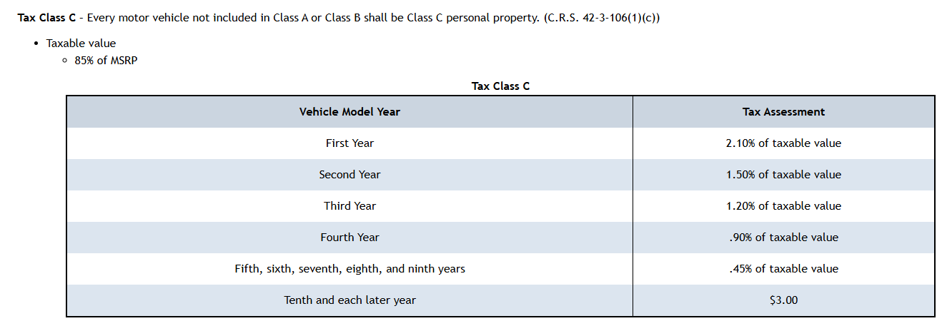
Colorado Registration Fees | See Table for Calc Method _>

Discount Rate | 6%

Risk Graphs
Fit Analysis for Purchase Price Std Dev
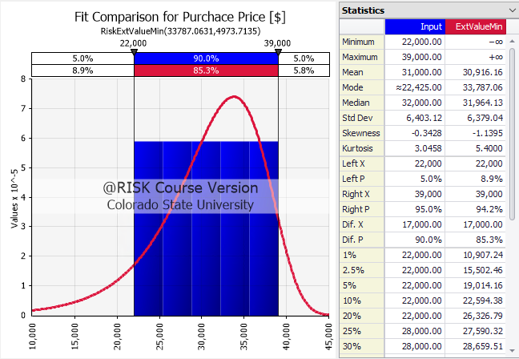

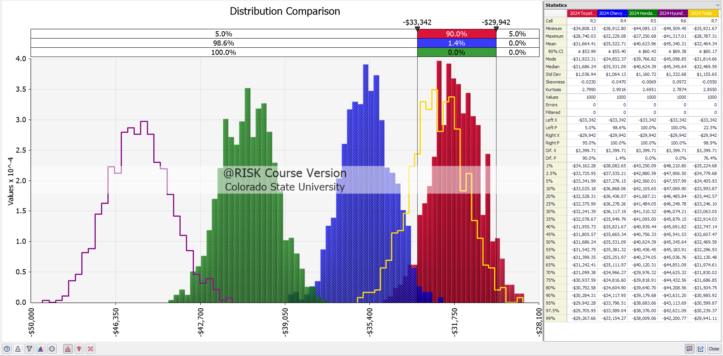

Final NPV for each vehicle plotted, further right is better

Ex. Chart: For each salvage value I put on a normal distribution where the std dev is about 10% of the nominal value, this shows that we may not necessarily get the full value when selling the car, or maybe we get lucky and find a sucker who will overpay
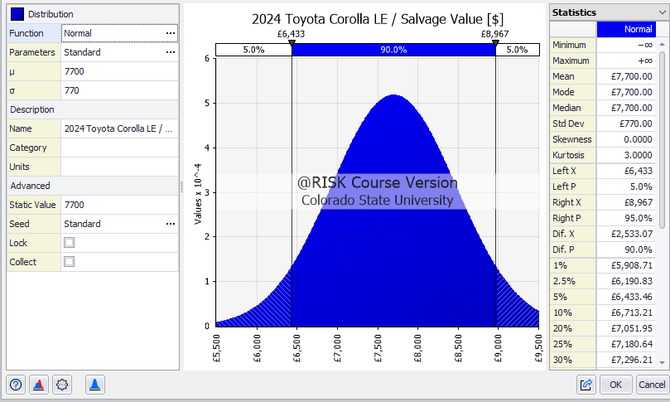

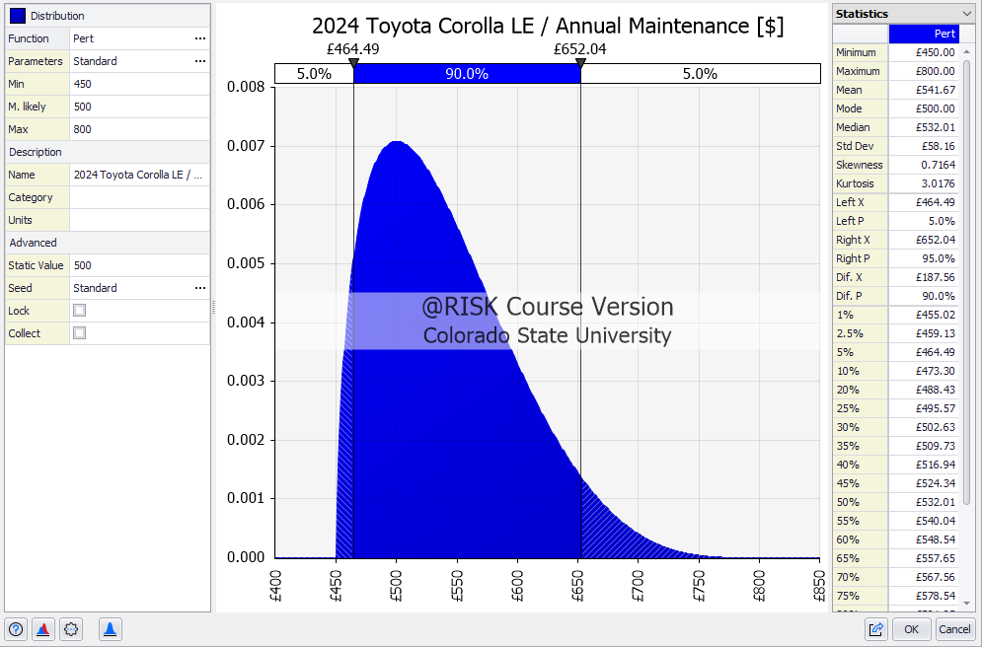
Ex. Chart: I applied the "Pert" distribution to each annual maintenance cost, maybe get unlucky and need some new tires or other high ticket items at a regular service

Ex. Chart: I used another Pert distribution to consider that the manufacturer lied to me and we will likely get worse range from each vehicle, i used the same offsets for each vehicle, max is +20 from nominal, and min is -60 from nominal
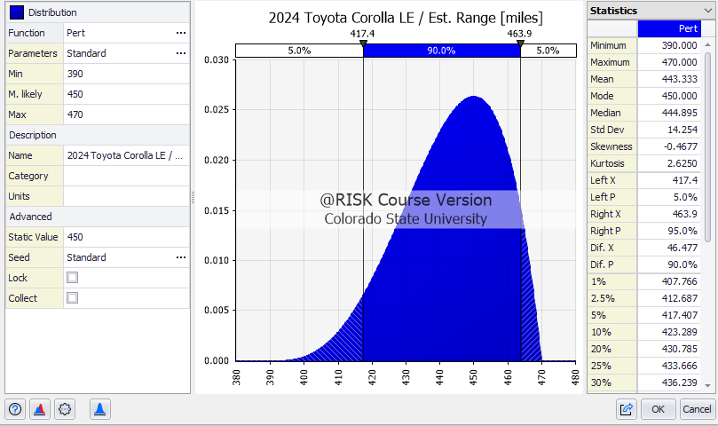

Ex. Chart: Used a typical uniform chart for all fuel/electricity costs, considered prices may dip to 3.10 or jump up to 4 in this example, this is just to conisder that prices can go up or down throughout time but may end up hovering overall
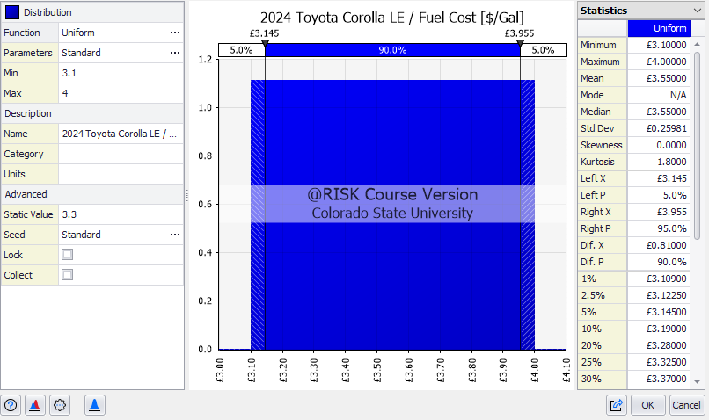

Ex. Chart: Used another uniform chart for the vehicle loan interest rate, varying rate between 9.9 and 12.1%
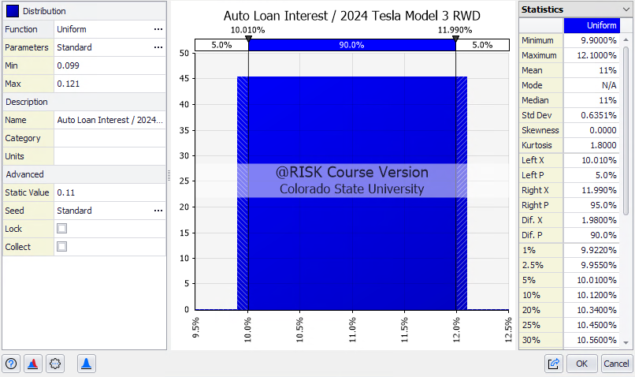

Ex. Chart: Another uniform series on the amount of days we commute to work, from 240-260, maybe we take some sick days or go on vacation?
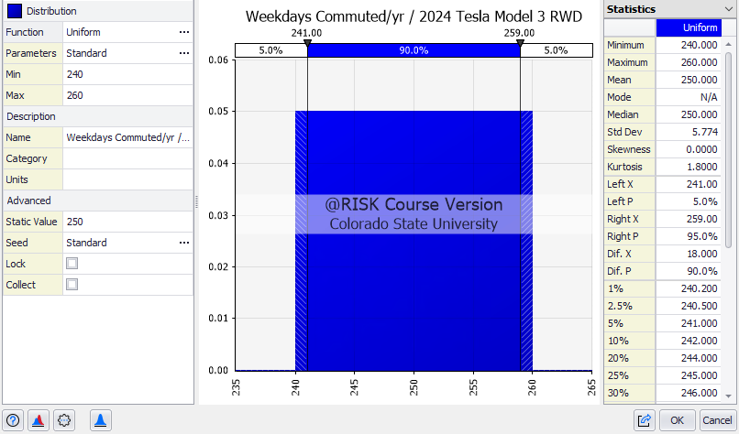

Ex. Chart: Applied a normal distribution to the weekend travel range, because not every trip is the same.
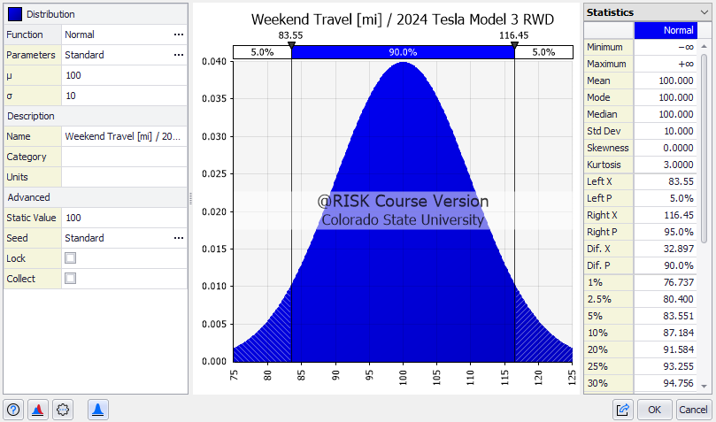

Ex. Chart: Another Pert series on weekend trips, this could have been a normal distribution, but maybe we err on the side of a few plans getting canceled throughout a year
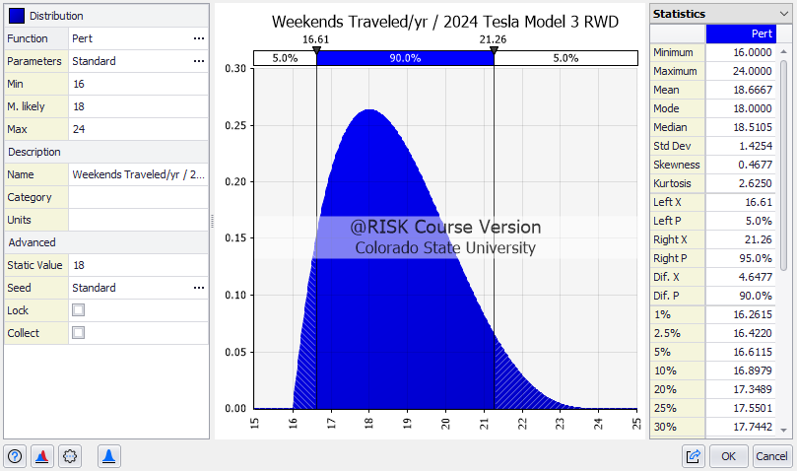

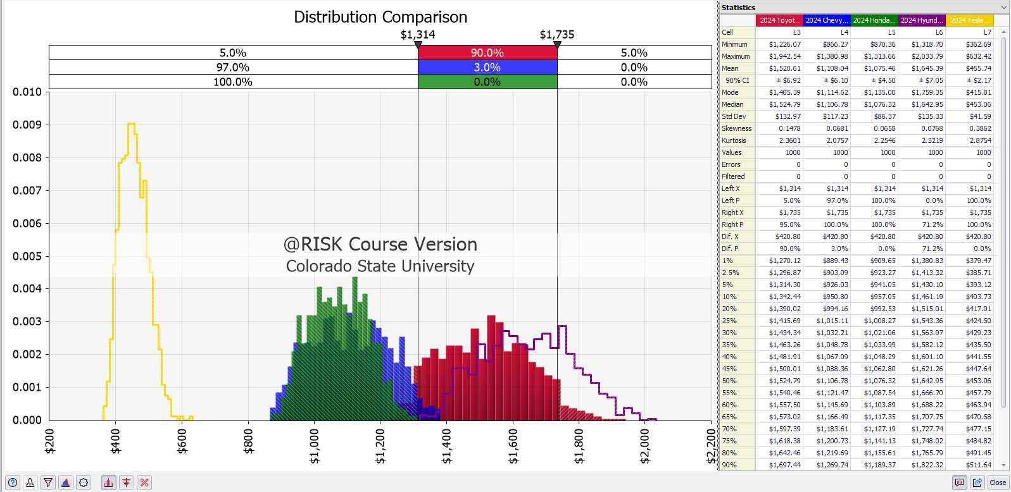
The effects of our travel and gas variables on the annual fuel cost, further left is better!

