Sheet1
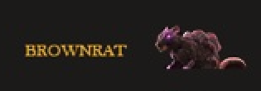

 | Deck Rat



 | Cabin Rat



 | Carrion Rat

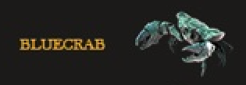

 | Crawling Crab



 | Creeping Crab

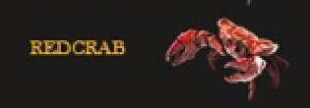

 | Dire Crab

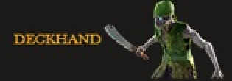

 | Risen Cabin Boy



 | Risen Deckhand

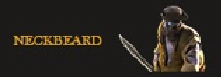

 | Zombie Swashbuckler

 | Undead Buccaneer

WILL BE PURPLE

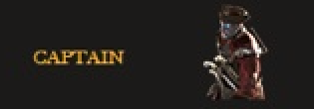

 | Cursed First Mate

 | Unliving Captain

WILL BE BLUE

High Value Enemies


 | Risen Treasure Keeper



 | Brawling Berserker

Bosses
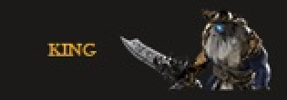

 | Captain Brutus

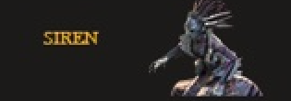

 | Alure The Siren

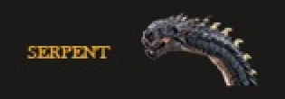

 | The Leviathan

