Index

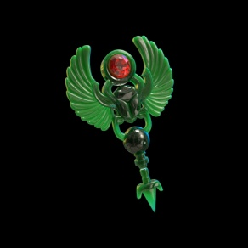
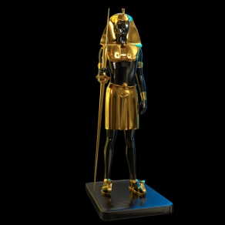

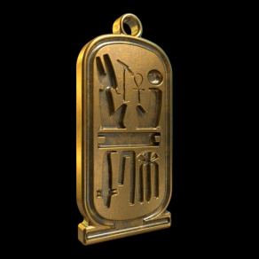
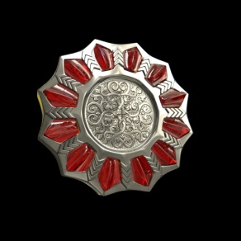


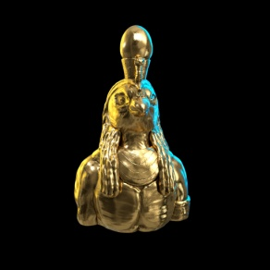

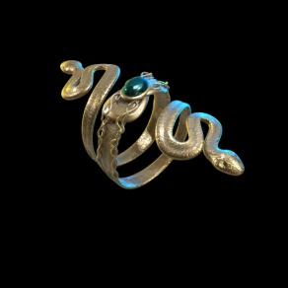
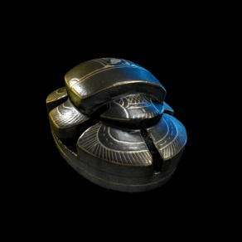
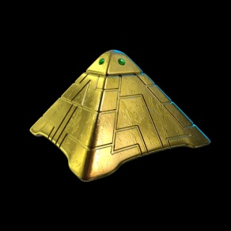
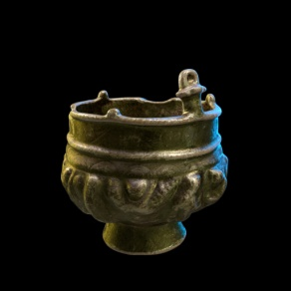
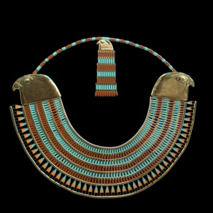

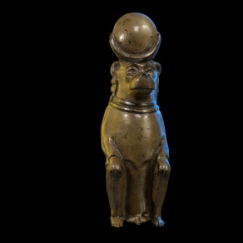
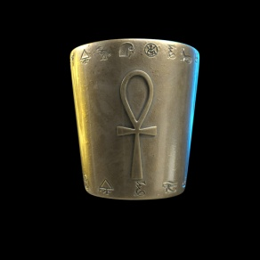
Index | Summary

Treasure Probabilities Table | Lists the probability of treasure types for each enemy (the probability of a given enemy dropping a treasure type)
Treasure List | Lists all the available treasure that can be dropped, and their rarity value
Award Values Table | List of values for items used for achievements
Achievements Calculation Table | Shows the items used for achievements by level, and the formulas used to calculate the number to be used for each achievement and the associated rewards
Level Up Rewards | Rewards for leveling up and promotion
Enemy Destroyed Rewards | Rewards for firing the final shot that destroys an enemy
All Contributions to players score | Table of all contributing factors to the players score
Probability of Points Reward Chest | Probability of receiving Reward Chest and probability of different awards

