2 Threat Intelligence to Suppor
MITRE ATT&CK | knowledge base of adversary tactics and techniques based on real-world observations. https://attack.mitre.org/matrices/enterprise/
 | The ATT&CK framework defines the attack vector as the specifics behind how the adversary would attack the target
 | The MITRE ATT&CK framework provides explicit pseudo-code examples for how to detect or mitigate a given threat within a network and ties specific behaviors back to individual actors.
 | Cyber, human, and physical are all recognized adversarial attack vectors in the framework
Diamond Model of Intrusion Analysis | relationships and characteristics of four basic components: the adversary, capabilities, infrastructure, and victims. For every intrusion event there exists an adversary taking a step towards an intended goal by using a capability over infrastructure against a victim to produce a result.
 | The Diamond Model provides an excellent methodology for communicating cyber events and allowing analysts to implicitly derive mitigation strategies. The Diamond Model is constructed around a graphical representation of an attacker's behavior.
 | Adversary develops a capability that exploits the victim
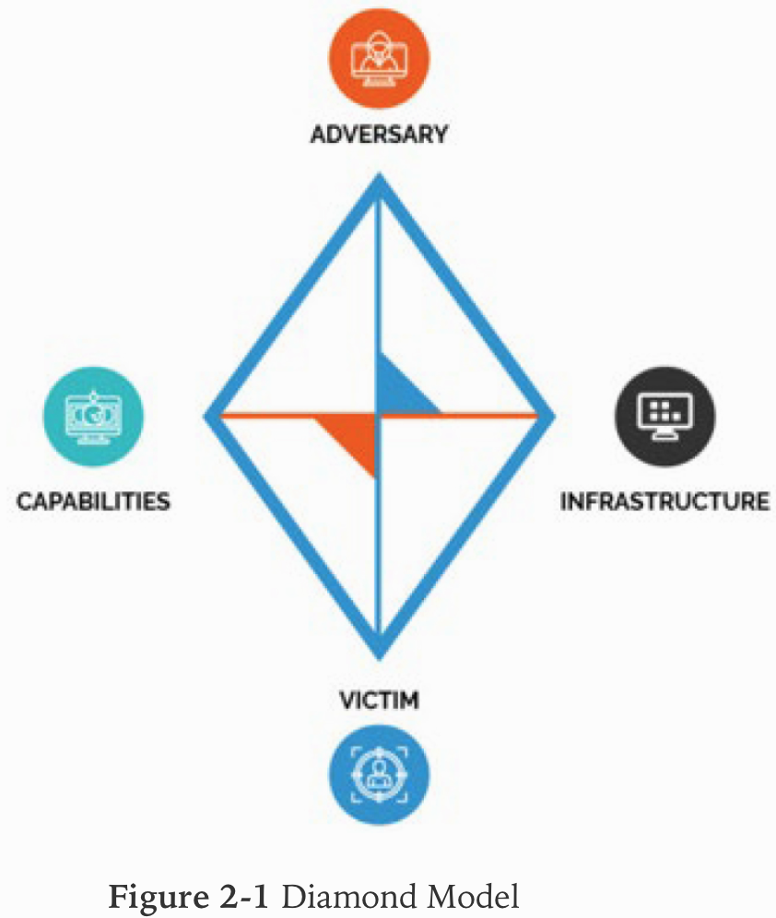

 | • Adversary: The intent of the attack
 | • Capability: Attacker intrusion tools and techniques
 | • Infrastructure: The set of systems an attacker uses to launch attacks
 | • Victim: A single victim or multiple victims

kill chain | cyber intrusion identification and prevention model developed by Lockheed Martin that describes the stages of an intrusion
 | The Lockheed Martin cyber kill chain provides a general life cycle description of how attacks occur but does not deal with the specifics of how to mitigate.
 | The Lockheed Martin Cyber Kill Chain traces the steps used to conduct an attack. The Diamond Model and the MITRE ATT&CK model are used to classify attacks. STIX is a standard format for describing threats.
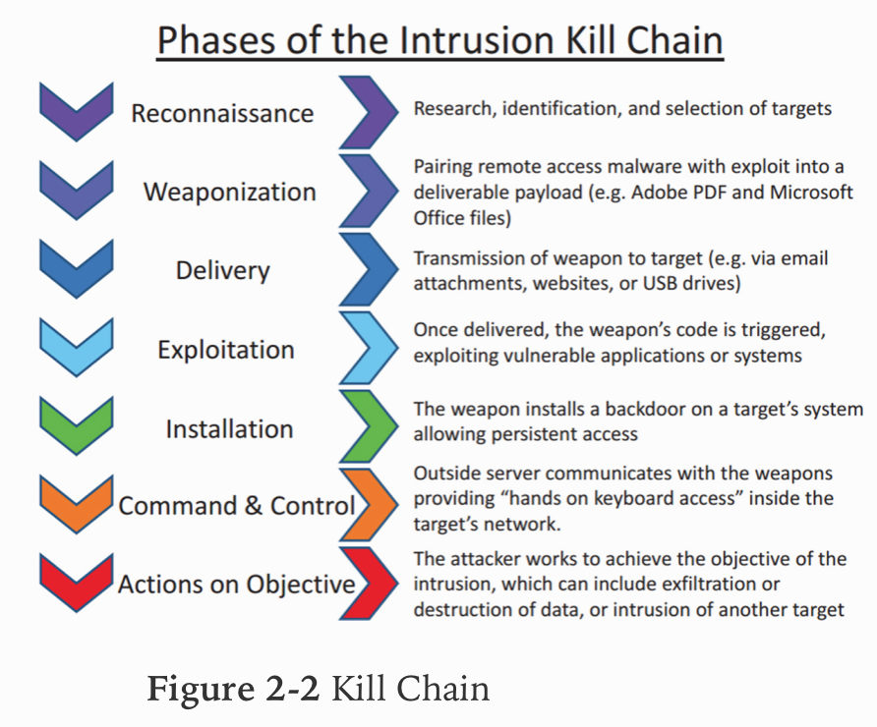

 | technology could or would degrade an adversary's effort during the actions on objectives phase of the kill chain -> QoS
 | technology could degrade an adversary's effort during the C2 phase of the kill chain -> NIPS
 | technology that potentially disrupt the installation phase -> Antivirus

reconnaissance phase | Collecting press releases, contract awards, and conference attendee lists. Internet-facing servers were enumerated
Weaponization phase | Selecting a decoy document to present to the victim. Select backdoor implant & appropiate C2
Delivery Phase | Release of malicious email occurs in the delivery phase. taking direct action against a public-facing web server, sending a spear-phishing email, placing a USB drive with malware, or starting a conversation on social media
Exploitation | Take advantage of software, hardware or human vulnerability. Code is triggered. Wait for a user to click on malicious link. Wait for malicious email attachment to be opened
Installation | Install backdoor, web shell or implant
Command & Control | the adversary is testing that they have control over any implants that have been installed. Open up a two-way communication channel to an established infrastructure. Utilize web, DNS, and email protocols to conduct control of the target
Objective Phase | Internal reconnaissance or destructive actions

Reputational | Some threat intelligence data is generated from past activities. (Cisco Talos IP and Domain Reputation Center)
Behavioral | anomaly analysis, because it also observes network behaviors for anomalies. UEBA: user and entity behavior analytics. Combining behavior analysis with machine learning
Heuristics | method used in malware detection, behavioral analysis, incident detection, and other scenarios in which patterns must be detected in the midst of what might appear to be chaos. process that ranks alternatives using search algorithms, and although it is not an exact science and is somewhat a form of “guessing,” it has been shown in many cases to approximate an exact solution. (can often detect so-called zero-day)
Indicator of Compromise (IoC) | any activity, artifact, or log entry that is typically associated with an attack of some sort
 | • Virus signatures
 | • Known malicious file types
 | • Domain names of known botnet servers

TLP | Known IoCs are exchanged within the security industry, using the Traffic Light Protocol (TLP) to classify the IoCs
TLP:WHITE | information may be distributed without restriction. General public
TLP:GREEN | information with peers and partner organizations within their sector or community, but not via publicly accessible channels
TLP:AMBER | information only with members of their own organization
TLP:RED | information may not be shared with any parties outside of the specific exchange, meeting, or conversation in which it was originally disclosed

Common Vulnerability Scoring System (CVSS) | v3.1. system of ranking vulnerabilities that are discovered based on predefined metrics.
 | • 0: No issues
 | • 0.1 to 3.9: Low
 | • 4.0 to 6.9: Medium
 | • 7.0 to 8.9: High
 | • 9.0 to 10.0: Critical

metric groups | • Base: Characteristics of a vulnerability that are constant over time and user environments
 | • Temporal: Characteristics of a vulnerability that change over time but not among user environments
 | • Environmental: Characteristics of a vulnerability that are relevant and unique to a particular user’s environment

BASE
• Attack Vector (AV) | Describes how the attacker would exploit the vulnerability and has four possible values:
• L | Stands for Local and means that the attacker must have physical or logical access to the affected system
• A | Stands for Adjacent network and means that the attacker must be on the local network
• N | Stands for Network and means that the attacker can cause the vulnerability from any network
• P | Stands for Physical and requires the attacker to physically touch or manipulate the vulnerable component

Attack Complexity (AC) | Describes the difficulty of exploiting the vulnerability and has three possible values:
• H | Stands for High and means that the vulnerability requires special conditions that are hard to find
• L | Stands for Low and means that the vulnerability does not require special conditions

• Privileges Required (Pr) | Describes the authentication an attacker would need to get through to exploit the vulnerability and has three possible values:
• H | Stands for High and means the attacker requires privileges that provide significant (e.g., administrative) control over the vulnerable component allowing access to component-wide settings and files
• L | Stands for Low and means the attacker requires privileges that provide basic user capabilities that could normally affect only settings and files owned by a user
• N | Stands for None and means that no authentication mechanisms are in place to stop the exploit of the vulnerability

• User Interaction (UI) | Captures the requirement for a human user, other than the attacker, to participate in the successful compromise of the vulnerable component.
• N | Stands for None and means the vulnerable system can be exploited without interaction from any user
• R | Stands for required and means successful exploitation of this vulnerability requires a user to take some action before the vulnerability can be exploited

• Scope (S) | Captures whether a vulnerability in one vulnerable component impacts resources in components beyond its security scope.
• U | Stands for Unchanged and means the exploited vulnerability can only affect resources managed by the same security authority
• C | Stands for Changed and means that the exploited vulnerability can affect resources beyond the security scope managed by the security authority of the vulnerable component

IMPACT
• Availability (A) | Describes the disruption that might occur if the vulnerability is exploited and has three possible values
• N | Stands for None and means that there is no availability impact
• L | Stands for Low and means that system performance is degraded
• H | Stands for High and means that the system is completely shut down

• Confidentiality (C) | Describes the information disclosure that may occur if the vulnerability is exploited and has three possible values
• N | Stands for None and means that there is no confidentiality impact
• L | Stands for Low and means some access to information would occur
• H | Stands for High and means all information on the system could be compromised

• Integrity (I) | Describes the type of data alteration that might occur and has three possible values:
• N | Stands for None and means that there is no integrity impact
• L | Stands for Low and means some information modification would occur
• H | Stands for High and means all information on the system could be compromised

EXAMPLE | CVSS2#AV:L/AC:H/Pr:L/UI:R/S:U/ C:P/I:N/A:N
 | • AV:L: Access vector, where L stands for Local and means that the attacker must have physical or logical access to the affected system
 | • AC:H: Attack complexity, where H stands for stands for High and means that the vulnerability requires special conditions that are hard to find
 | • Pr:L: Privileges Required, where L stands for Low and means the attacker requires privileges that provide basic user capabilities that could normally affect only settings and files owned by a user
 | • UI:R: User Interaction, where R stands for required and means successful exploitation of this vulnerability requires a user to take some action before the vulnerability can be exploited
 | • S:U: Scope, where U stands for Unchanged and means the exploited vulnerability can only affect resources managed by the same security authority
 | • C:L: Confidentiality, where L stands for Low and means that some access to information would occur
 | • I:N: Integrity, where N stands for None and means that there is no integrity impact
 | • A:N: Availability, where N stands for None and means that there is no availability impact

THREAT MODELING METHODOLOGIES | Adversary Capability
 | • Internal actors
 | • External actors
 | non-hostile (reckless employee, untrained employee, and partner) and hostile

criteria | • Skill level: None, minimal, operational, adept (skilled)
 | • Resources: Individual, team, organization, government
 | • Limits: Code of conduct, legal, extra-legal (minor), extra-legal (major)
 | • Visibility: Overt, covert, clandestine, don’t care
 | • Objective: Copy, destroy, injure, take, don’t care
 | • Outcome: Acquisition/theft, business advantage, damage, embarrassment, technical advantage

Total Attack Surface | The collection of all points from which an adversary may attack is considered the attack surface. comprises all the points at which vulnerabilities exist. reduce the number of services in the environment that are exposed to a brute- force attack -> reducing the total attack surface.

security controls | NIST SP 800-53

Attack Vector | path or means with which the attack is carried out. (Phishing, malware, unpatched vulnerabilities, code injection, social engineering, APT)
Impact | quantitative and qualitative risk (high, medium, low)
Probability
Threat intelligence
Incident response | up to date on the latest threat vectors by giving them access to all threat intelligence
Vulnerability management | shared intelligence information as vulnerability management
Risk Management | formal process that rates identified vulnerabilities by the likelihood of their compromise and the impact of said compromise.
Security Engineering | process of architecting security features into the design of a system or set of systems
Detection and Monitoring

Pretexting | form of social engineering that relies on lies about the social engineer’s motives. In this case, Fred is giving his targets reasons to believe he is legitimately a member of the organization’s support team

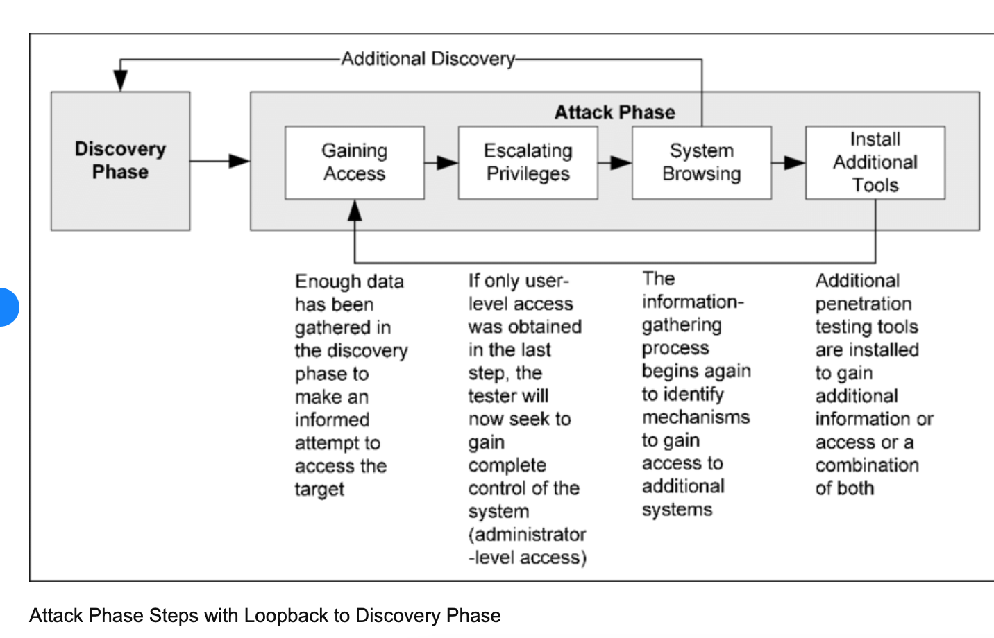
NIST SP 800-115

criterion to use when prioritizing the remediation of vulnerabilities | Network exposure of the affected system
 | Difficulty of remediation
 | Severity of the vulnerability

Continuous monitoring | Analyzing and reporting findings to management is one of the core tasks of a continuous monitoring program. Another core task is responding to findings by mitigating, accepting, transferring, or avoiding risks

3 Vulnerability Management Acti
Vulnerability identification | typically done through a formal process called a vulnerability assessment which works hand in hand with another process called risk management
vulnerability assessment | identifies and assesses the vulnerabilities
risk management | identifies the assets at risk and assigns a risk value (derived from both the impact and likelihood) to each asset.
vulnerability management system | software that centralizes and, to a certain extent, automates the process of continually monitoring and testing the network for vulnerabilities
Asset Criticality | Data sensitivity is one factor in determining asset criticality
BCP | To best understand a system's criticality, you should review the asset inventory and the BCP
data classification | who should have access to it and how much harm would be done if it were disclosed
Active vs. Passive Scanning
Passive vulnerability scanning | collects information but doesn’take any action to block an attack. A passive vulnerability scanner (PVS) monitors network traffic at the packet layer to determine topology, services, and vulnerabilities (Nessus Network Monitor (formerly Tenable PVS) and NetScanTools Pro). Passive scanning is less intrusive but is subject to a high number of false positives.
Active vulnerability scanning | Active vulnerability scanning (AVSs) collects information and attempts to block the attack. (Nessus Professional and OpenVAS.)
Mapping/Enumeration | process of identifying and listing vulnerabilities. CWE: Common Weakness Enumeration. CWE organizes vulnerabilities into over 600 categories, including classes for buffer overflows, path/directory tree traversal errors, race conditions, cross-site scripting, hard-coded passwords, and insecure random numbers. CWE is only one of a number of enumerations that are used by Security Content Automation Protocol (SCAP)
VALIDATION | • True positive: Occurs when the scanner correctly identifies a vulnerability.
 | • False positive: Occurs when the scanner identifies a vulnerability that does not exist
 | • True negative: Occurs when the scanner correctly determines that a vulnerability does not exist.
 | • False negative: Occurs when the scanner does not identity a vulnerability that actually exists.

REMEDIATION/MITIGATION
baseline | floor or minimum standard that is required
configuration baselines | security settings that are required on devices of various types (Security baselines can be controlled through the use of Group Policy in Windows)
Patch management | subset of configuration management
Hardening logical perspective | • Remove unnecessary applications.
 | • Disable unnecessary services
 | • Block unrequired ports.
 | • Tightly control the connecting of external storage devices and media (if it’s allowed at all).
Compensating Controls | (also known as countermeasures or safeguards) that compensate for a vulnerability that cannot be completely eliminated by reducing the potential risk (vulnerability, threat, and risk) Example: ACL, encrypt data
Risk Acceptance | • Risk avoidance: Terminating the activity that causes a risk or choosing an alternative that is not as risky
 | • Risk transfer: Passing on the risk to a third party, such as an insurance company. involves some assumption of impact by a third party
 | • Risk mitigation: Defining the acceptable risk level the organization can tolerate and reducing the risk to that level
 | • Risk acceptance: Understanding and accepting the level of risk as well as the cost of damages that can occur
Verification of Mitigation | Patching, Permissions, Scanning, Verify logging/communication to security monitoring
Vulnerability Feed | RSS feeds dedicated to the sharing of information about the latest vulnerabilities. SCAP (Security Content Automation Protocol)
Scope | what will be scanned and what type of scan will be performed

vulnerability scan | Testing for common sample and default files is a common tactic for vulnerability scanners.
credentialed scan | credentialed scans can enumerate information from the host itself
non-credentialed | faster and require less setup but do not generate the same quality of information as a credentialed scan
Server-based vs. Agent-based | Using an agent-based scanning approach will provide the most reliable results for systems that are not always connected to the network. Also no credential needed. Also provides more accurate information about vulnerabilities present on a system because of the misconfiguration of operating system settings
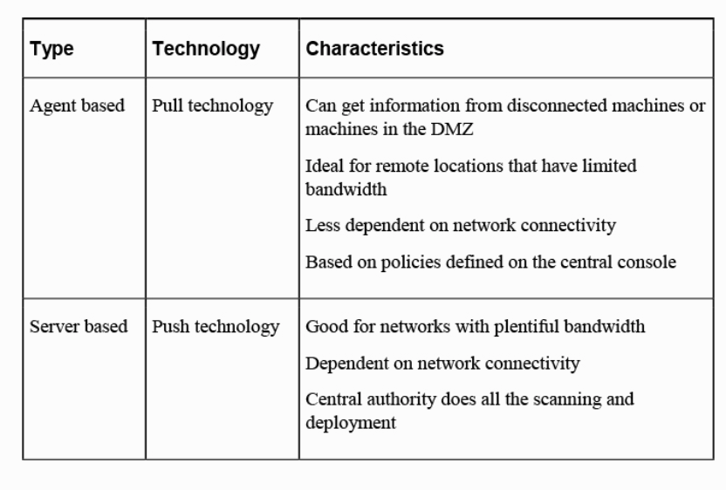

Passive network monitoring | minimize network bandwidth consumption while not requiring the installation of an agent
server-based scanning | consumes bandwidth
Internal vs. External | Scans can be performed from within the network perimeter or from outside the perimeter
• Discovery scans | These scans are typically used to create an asset inventory of all hosts and all available services
• Assessment scans | These scans are more comprehensive than discovery scans and can identify misconfigurations, malware, application settings that are against policy, and weak passwords.
Continuous monitoring | uses agents installed on monitored systems to immediately report configuration changes to the vulnerability scanner
• Sarbanes-Oxley Act (SOX) | The Public Company Accounting Reform and Investor Protection Act of 2002, more commonly known as the Sarbanes-Oxley Act (SOX), affects any organization that is publicly traded in the United States. controls the accounting methods and financial reporting for the organizations. dictates requirements for the storage and retention of documents relating to an organization's financial and business operations, including the type of documents to be stored and their retention periods.
HIPAA | Health Insurance Portability and Accountability Act. affects all healthcare facilities, health insurance companies, and healthcare clearing houses. (PHI)
GLBA | Gramm-Leach-Bliley Act. affects all financial institutions, including banks, loan companies, insurance companies, investment companies, and credit card providers. (PII)
FERPA | The Family Educational Rights and Privacy Act (FERPA) requires that educational institutions implement security and privacy controls for student educational records
PCI DSS | Payment Card Industry Data Security Standard. cardholder data security and facilitates the broad adoption of consistent data security measured globally. (PCI DSS) contains detailed requirements for vulnerability scanning. The PCI DSS standard requires that merchants and service providers present a clean scan result that shows no critical or high vulnerabilities in order to maintain compliance. Quarterly required external vulnerability scans must be run by a PCI DSS approved scanning vendor (ASV)
Segmentation | process of dividing a network at either Layer 2 or Layer 3
IDS/IPS
• Signature based | analyzes traffic and compares it to attack or state patterns, called signatures (misuse-detection system)
types signature-based IDSs:
• Pattern matching | compares traffic to a database of attack patterns
• Stateful matching | records the initial operating system state. Any changes to the system state that specifically violate the defined rules

• Anomaly-based | IDS analyzes traffic and compares it to normal traffic to determine whether said traffic is a threat. (behavior-based, or profile-based)(more false positives than signature-based)
types of anomaly-based IDSs:
• Statistical anomaly-based | samples the live environment to record activities
• Protocol anomaly-based | has knowledge of the protocols it will monitor. A profile of normal usage is built and compared to activity
• Traffic anomaly-based | tracks traffic pattern changes. (excellent for detecting unknown attacks)
• Rule or heuristic based | expert system that uses a knowledge base, an inference engine, and rule-based programming (IF/THEN, or expert, system)

application-based IDS | analyzes transaction log files for a single application.

HIDS/NIDS
NIDS | monitors network traffic on a local network segment.
HIDS | IDS that is installed on a single host and protects only that host.

Firewall Types
• Packet-filtering | least detrimental to throughput because they inspect only the header of a packet for allowed IP addresses or port numbers. (cannot prevent many attack types)
• Stateful firewalls | keep track of the state of all connections
• Proxy firewalls | stand between each connection from the outside to the inside and make the connection on behalf of the endpoints. Circuit-level proxies operate at the session layer (Layer 5)(SOCKS firewall)
• Application-level proxies | deep packet inspection. (Layer 7)

dynamic packet-filtering firewall | keeps track of that source port and dynamically adds a rule to the list to allow return traffic to that port
kernel proxy firewall | fifth-generation firewall. It inspects a packet at every layer of the OSI model but does not introduce the same performance hit as an application-level firewall because it does this at the kernel layer. (follows proxy model)

Firewall Architecture | way in which the firewall or firewalls are deployed in the network to form a system of protection.

three-legged firewall (multihomed) | untrusted network, internal network, DMZ

screened subnet | two firewalls are used. traffic must be inspected at both firewalls to enter the internal network

WAF | Web Application Firewall will provide immediate protection for SQL injection & cross site scripting

INHIBITORS TO REMEDIATION

MOU | Memorandum of understanding. (less formal) not legally binding, indicates a general agreement between the principals to do something together
SLA | Service-level agreement. (Legal Agreement). specifies a service to be provided by a party, the costs of the service, and the expectations of performance
BPA | business partner agreements
Rules of engagement | RoE. The rules of engagement for a penetration test (for example) outline the activities that are (and are not) permissible during a test
Organizational governance | process of controlling an organization’s activities, processes, and operations
Business process interruption
Degrading functionality | Some solutions create more issues than they resolve
Legacy systems | older and may be less secure than newer systems.
Proprietary systems | not follow standards and are proprietary in nature

NetFlow | (CISCO) record traffic flows
 | Firewall logs typically contain similar information that are contained in NetFlow records.
risk appetite | risk tolerance

Monitor bandwidth | SNMP, packet sniffing, and NetFlow are commonly used when monitoring bandwidth consumption

FISMA | Federal Information Security Management Act. FISMA requires that U.S. federal agencies report incidents to US-CERT
 | law that requires that government agencies and other organizations that operate systems on behalf of government agencies to comply with security standards
SCCM | The Microsoft System Center Configuration Manager (SCCM) provides remote control, patch management, software distribution, operating system deployment, network access protection, and hardware and software inventory

vulnerability management lifecycle | detection, remediation, and testing

8 Security Solutions for Infras
Asset management
inventory control | not all organizations need to implement inventory control
Asset tagging | process of placing physical identification numbers of some sort on all assets. Asset tagging associates a tag, often with a barcode and/or RFID tag, allowing easy scanning and tracking
Object-tracking | allow organizations to determine the location of inventory
Object-containment | alert personnel within the organization if inventory has left the perimeter of the predefined location or area
Geotagging
Geofencing
RFID | Radio frequency identification. uses radio frequency chips and readers to manage inventory
 | ARPT. active reader/passive tag. active reader transmits signals and receives replies from passive tags
 | ARAT. active reader/active tag. active tags are woken with signals from the active reader
segmentation | One of the best ways to protect sensitive resources is to utilize network segmentation
Jumpbox | or jump server, is a server that is used to access devices that have been placed in a secure network zone such as a DMZ. The server would span the two networks to provide access from an administrative desktop to the managed device. Secure Shell (SSH) tunneling is common as the de facto method of access. can avoid breaches from lateral access & inappropiate administrative access of sensitive servers
System Isolation | Example: Microsoft Server isolation. By leveraging Group Policy (GP) settings, you can require that all communication with isolated servers must be authenticated and protected (and optionally encrypted as well) by using IPsec.
Air Gap | device has no network connections and all access to the system must be done manually by adding and removing items such as updates and patches with a flash drive or other external device. Stuxnet tipically infected via usb drive flash
Bastion Hosts | If the device is exposed directly to the Internet or to any untrusted network while screening the rest of the network from exposure, it is a bastion host.
dual-homed firewall | has two network interfaces: one pointing to the internal network and another connected to the untrusted network
multihomed firewall | three-legged firewall. In this configuration, there are three interfaces: one connected to the untrusted network, one connected to the internal network, and one connected to a DMZ
screened host firewall | is located between the final router and the internal network
screened subnet | two firewalls are used, and traffic must be inspected at both firewalls before it can enter the internal network

SDN | Software-Defined Networking. defined as the decoupling of the control plane and the data plane in networking. In a conventional network, these planes are implemented in the firmware of routers and switches. SDN implements the control plane in software, which enables programmatic access to it. (While the control plane normally functions in hardware, with SDN it is performed in software.)
 | OpenFlow is used to allow software-defined network (SDN) controllers to push changes to switches and routers, allowing flow control, network traffic partitioning, and testing of applications and configurations
 | Software-defined networks (SDNs) consist of three major layers: the application layer, where information about the network is used to improve flow, configuration, and other items; the control layer, which is where the logic from SDN controllers control the net- work infrastructure; and the infrastructure layer, which is made up of the networking equipment
Virtual SAN | A virtual storage area network (VSAN) is a software-defined storage method that allows pooling of storage capabilities and instant and automatic provisioning of virtual machine storage.
VPC | Virtual Private Cloud (VPC). In this model, a public cloud provider isolates a specific portion of its public cloud infrastructure to be provisioned for private use.
VPN | Virtual Private Network (VPN). Traffic that passes through the VPN tunnel is encrypted and protected
 | protocols commonly used to create VPN connections are IPsec and SSL/TLS
 | A TLS VPN (sometimes called an SSL/TLS VPN) is typically the chosen solution when application filtering is required. Since TLS VPNs operate at the session layer, they can make decisions based on users and groups, as well as specific commands, application content, or URLs

IPsec | Authentication Header (AH): AH provides data integrity, data origin authentication, and protection from replay attacks.
 | Encapsulating Security Payload (ESP): ESP provides all that AH does as well as data confidentiality.
 | Internet Security Association and Key Management Protocol (ISAKMP): ISAKMP handles the creation of a security association (SA) for the session and the exchange of keys.
 | Internet Key Exchange (IKEv2): Also sometimes referred to as IPsec Key Exchange, IKE provides the authentication material used to create the keys exchanged by ISAKMP during peer authentication. This was proposed to be performed by a protocol called Oakley that relied on the Diffie-Hellman algorithm, but Oakley has been superseded by IKEv2.
 | gateway to gateway or gateway to host: tansport or tunnel
 | computer to computer: transport mode

PPTP | Point-to-Point Tunneling Protocol. Microsoft protocol based on PPP. Uses Microsoft Point-to-Point encryption. authentication methods: CHAP, MS-CHAP, and EAP-TLS. only works on IP-based networks. If a WAN connection that is not IP based is in use, L2TP must be used.
L2TP | Layer 2 Tunneling Protocol:operates at Layer 2 of the OSI model. can use various authentication mechanisms; however, L2TP does not provide any encryption. It is typically used with IPsec, which is a very strong encryption mechanism.
MPLS | Multiprotocol Label Switching (MPLS) provides VPN services with address and routing separation between VPNs.

SSL/TLS | another option for creating VPNs (L7)
 | • SSL/TLS portal VPN: services on the web server
 | • SSL/TLS tunnel VPN: services on a server that is not a web server

SSL/TLS | 40-bit and 128-bit
TLS 1.3 | Hash negotiation: MD5/SHA-1 has been replaced with SHA-256.
 | Certificate hash or signature control
 | Suite B–compliant cipher suites: TLS_ECDHE_ECDSA_WITH_AES_128_GCM_SHA256 or TLS_ECDHE_ECDSA_WITH_AES_256_GCM_SHA384

Serverless (FaaS) | In this model, applications are hosted by a third-party service, eliminating the need for server software and hardware management by the developer.

change management
Virtualization
Type 1 hypervisor | A guest operating system runs on another level above the hypervisor. Examples of Type 1 hypervisors are Citrix XenServer, Microsoft Hyper-V, and VMware vSphere.
Type 2 hypervisor | A Type 2 hypervisor runs within a conventional operating system environment. With the hypervisor layer as a distinct second software level, guest operating systems run at the third level above the hardware. VMware Workstation and Oracle VM VirtualBox exemplify Type 2 hypervisors.

VM escape | This type of attack occurs when a guest OS escapes from its VM encapsulation to interact directly with the hypervisor. This can allow access to all VMs and the host machine as well.
Unsecured VM migration | This type of attack occurs when a VM is migrated to a new host and security policies and configuration are not updated to reflect the change.
Host and guest vulnerabilities | The operating systems on both the host and the guest systems can suffer the same issues as those on all physical devices.
VM sprawl | Sprawl occurs when the number of VMs grows over time to an unmanageable number
Hypervisor attack | involves taking control of the hypervisor to gain access to the VMs and their data.
Data remnants | Sensitive data inadvertently replicated in VMs as a result of cloud maintenance functions or remnant data left in terminated VMs needs to be protected.
attacks through this interface | • Privilege elevation
 | • Live VM migration

VDI | • Centralized model
 | • Hosted model
 | • Remote virtual desktops model

Terminal Services/Application Delivery Services | • Server-based application virtualization (terminal services) -> Remote Desktop Services and Citrix Presentation Server.
 | • Client-based application virtualization (application streaming) -> Microsoft Application Virtualization (App-V)

CONTAINERIZATION | operating system virtualization. kernel allows for multiple isolated user space instances
 | Containerization is a method separating applications from the operating system and underlying hardware by abstracting the kernel of the operating system from the applications running above it
 | Virtualization lets you run multiple operating systems on a single physical system, whereas containerization lets you run multiple applications on the same system
IDENTITY AND ACCESS MANAGEMENT
Authentication Factors
Knowledge Factors | Type I
Ownership Factors | Type II
Characteristic Factors | Type III (Biometric)
 | NIST has pointed out that SMS is a relatively insecure way to delivering codes as part of a multifactor authentication system. The two most common attacks against SMS message delivery are VoIP hacks, where SMS messages may be delivered to a VoIP system, which can be accessed by an attacker, and SIM swapping attacks, where a SIM card is cloned and SMS messages are also delivered to an attacker.

Single Sign-On (SSO)
Kerberos | Kerberos is an SSO system that uses symmetric key cryptography. provides confidentiality and integrity
 | KDC: repository for all user and service secret keys.
 | The Kerberos protocol is designed to send data over insecure networks while using strong encryption to protect the information
 | A golden ticket is a Kerberos ticket that can grant other tickets in an Active Directory environment. Attackers who can create a golden ticket can use it to grant administrative access to other domain members, even to domain controllers.

Active Directory | organizes directories into forests and trees. system based on the Lightweight Directory Access Protocol (LDAP)
SESAME | Secure European System for Applications in a Multivendor Environment. extended Kerberos’s functionality to fix Kerberos’s weaknesses. SESAME uses both symmetric and asymmetric cryptography to protect interchanged data
Federation | portable identity that can be used across businesses and domains.
 | • Cross-certification model
 | • Trusted third-party (or bridge) model

XACML | Extensible Access Control Markup Language (XACML) is a standard for an access control policy language using XML
SPML | open standard for exchanging authorization information between cooperating organizations is Service Provisioning Markup Language (SPML)
SAML | Security Assertion Markup Language (SAML) is a security attestation model built on XML and SOAP-based services that allows for the exchange of authentication and authorization data between systems and supports federated identity management
OpenID | open standard and decentralized protocol by the nonprofit OpenID Foundation that allows users to be authenticated by certain cooperating sites. The cooperating sites are called relying parties (RPs)
OpenID Connect | authentication layer protocol that resides atop the OAuth 2.0 framework. It is designed to support native and mobile applications, and it defines methods of signing and encryption.
open redirect attack | In an open redirect attack, users may be sent to a genuine authentication server and then redirected to an untrusted server through the OAuth flow. This occurs when the authentication server does not validate OAuth server requests prior to redirection.
Shibboleth | open source project that provides single sign-on capabilities and allows sites to make informed authorization decisions for individual access of protected online resources in a privacy-preserving manner

Role-based access control (RBAC) | The role is implemented as a security group possessing the required rights and permissions, which are inherited by all security group or role members.
Attribute-based access control (ABAC) | NIST SP 800-162 was published to define and clarify ABAC. Attribute-based access controls use attributes like the user’s title, organizational IT, demographic information, or other details like environmental attributes or resource attributes to grant access.
policy | representation of rules or relationships that makes it possible to determine if a requested access should be allowed, given the values of the attributes of the subject, object, and possibly environment conditions. Policies are high-level statements of management intent
mandatory access control (MAC) | described as prohibitive because it is based on a security label system. Under MAC, all that is not expressly permitted is forbidden. Only administrators can change the category of a resource. A mandatory access control system relies on the operating system to constrain what actions or access a subject can perform on an object
DAC | discretionary access controls (DACs) are delegated to users
privileged account management tools | Provide Entitlement management across multiple systems
CASB | cloud access security broker (CASB), is a software layer that operates as a gatekeeper between an organization’s on-premises network and the provider’s cloud environment. (McAfee and Netskope)
HONEYPOT | systems that are configured to be attractive to hackers and lure them into spending time attacking them while information is gathered about the attack. tarpit is a type of honeypot designed to provide a very slow connection to the hacker so that the attack can be analyzed.
Tarpit | Active defense
Active Defense | aimed at slowing down attackers while using their resources (deception technology)
NIST SP 800-137 | information security continuous monitoring (ISCM) is defined as maintaining ongoing awareness of information security, vulnerabilities, and threats to support organizational risk management decisions

ENCRYPTION | cryptosystem supports the three core principles of the confidentiality, integrity, and availability (CIA) triad, cryptosystems directly provide authentication, confidentiality, integrity, authorization, and non-repudiation
Symmetric Algorithms | private or secret key that must remain secret between the two parties. To obtain the secret key, the users must find a secure out-of-band method for communicating the secret key (referred to as single-key, secret-key, private-key, or shared-key cryptography). provide confidentiality but not authentication or non-repudiation
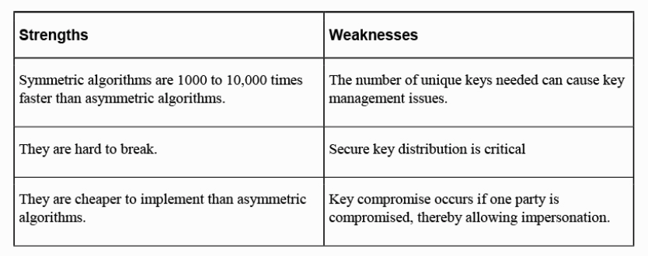

 | Symmetric encryption with hard-coded keys is vulnerable to a number of attacks that target those keys

Stream-based Ciphers | perform encryption on a bit-by-bit basis and use keystream generators
Block Ciphers | perform encryption by breaking the message into fixed-length units (IV important part of block ciphers)
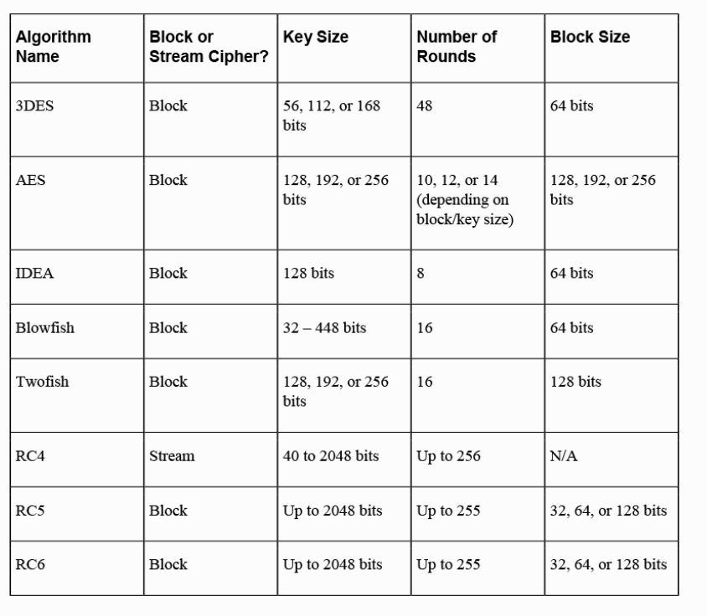

Blowfish | NOT PKI x.509 compliant and cannot be used in a variety of secure functions

Asymmetric Algorithms | use both a public key and a private or secret key. (referred to as dual-key or public-key cryptography)
 | Asymmetric systems provide confidentiality, integrity, authentication, and non-repudiation
 | Diffie-Hellman, RSA, El Gamal, ECC, Knapsack, DSA, and Zero Knowledge Proof.
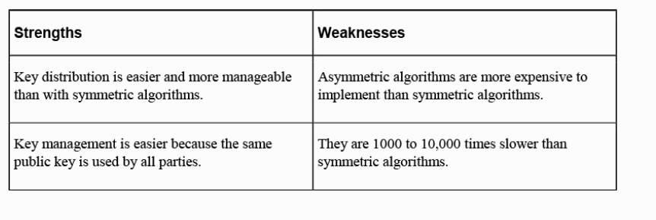

Integrity | ensures that a message has not been altered by using parity bits, cyclic redundancy checks (CRCs), or checksums
Hashing Functions | used to ensure integrity
 | • One-way hash
 | • MD2/MD4/MD5/MD6
 | • SHA/SHA-2/SHA-3
 | A hash function takes a message of variable length and produces a fixed-length hash value. Hash values, also referred to as message digests, are calculated using the original message
 | Hashing cannot identify unknown malware.
MAC | message authentication code. Encrypting the hash function with a symmetric key algorithm generates a keyed MAC. Prevents interception of a message that contains a hash value and create a second one
Message Digest Algorithm | MD2. 128 bit hash value. 18 rounds
 | MD4. 128 bit hash value. 3 rounds
 | MD5. 128 bit hash value. 4 rounds. Not collision free
 | MD6. variable hash value

Secure Hash Algorithm | SHA-0. 160 bit hash. 80 rounds. 512-bit blocks. collisions were discovered
 | SHA-1. 160 bit hash. 80 rounds. 512-bit blocks. corrected flaws
 | SHA-3. SHA3-224, SHA3-256, SHA-3-384, SHA3-512

Transport Encryption
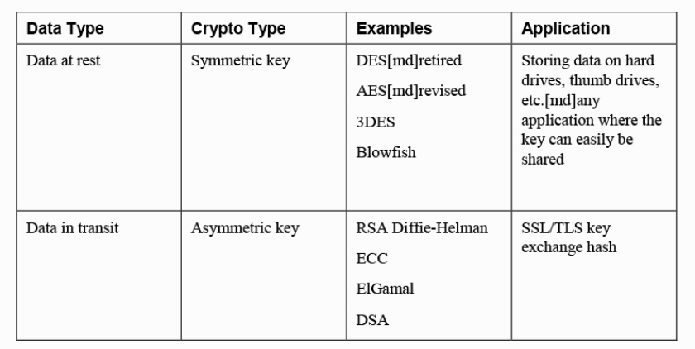

SSL/TLS | Secure Sockets Layer (SSL) is a transport-layer protocol that provides encryption, server and client authentication, and message integrity.
HTTP/HTTPS/SHTTP | HTTP Secure (HTTPS) is the implementation of HTTP running over the SSL/TLS protocol, which establishes a secure session using the server’s digital certificate
SSH | application and protocol that is used to remotely log in to another computer using a secure tunnel.
IPsec | suite of protocols that establishes a secure channel between two devices.
public key infrastructure (PKI) | includes systems, software, and communication protocols that distribute, manage, and control public key cryptography (confidentiality, message integrity, authentication, and non-repudiation)
X.509 | framework that enables authentication between networks and over the Internet
registration authority (RA) | verifies the requestor’s identity and registers the requestor.
certificate authority (CA) | creates and signs digital certificates, maintains the certificates, and revokes them when necessary
Certificates | At minimum, a digital certification must provide the serial number, the issuer, the subject (owner), and the public key.
certificate revocation list (CRL) | list of digital certificates that a CA has revoked
OCSP | Online Certificate Status Protocol (OCSP) is an Internet protocol that obtains the revocation status of an X.509 digital certificate
Cross-Certification | Cross-certification establishes trust relationships between CAs so that the participating CAs can rely on the other participants’ digital certificates and public keys
digital signature | hash value encrypted with the sender’s private key. A digital signature provides authentication, non-repudiation, and integrity
 | DSA. message digest 160 bits. slower than RSA
 | RSA. digital signatures, encryption, and secure symmetric key distribution.

Encryption | confidentiality
Hashing | integrity
Digital signatures | authentication, non-repudiation, and integrity

ACTIVE DEFENSE | Active defense refers to controls that perform some type of counterattack. decoy assets. deploying honeypots. fictitious DNS

Hunt Teaming | offensive in nature rather than defensive

iptables | -A Append
 | -I Insert
 | -L List
 | -D Delete

 | To drop all packets from a particular IP:
 | iptables -A INPUT -s 10.1.2.3 -j DROP

 | To drop all packets to a specific port
 | iptables -A INPUT -p tcp --dport 8080 -s 10.1.2.3 -j DROP

 | To drop all packets on a particular protocol:
 | iptables -A INPUT -p tcp --dport 22 -j DROP

MSSP | A managed security service provider (MSSP) provides security as a service (SECaaS)

10 hardware assurance best prac
Hardware Root of Trust | collection of secure supply chain management, the trusted hardware itself, and the secure processes that create a trusted environment for the operating system (OS), applications, and data to process within.
Trusted Platform Module (TPM) | resides on the motherboard and is responsible for security functions, including storage and generation of cryptographic keys and digital certificates, both symmetric and asymmetric cryptography, and hashing (enables services like Secure Boot and remote attestation). The TPM provides random number generation, secure generation of cryptographic keys, remote attestation, binding, and sealing functions securely
Hardware Security Module (HSM) | HSM is an external piece of hardware plugged in to the device, either as an add-on board or as an external device that can plug into a system port. Hardware security modules (HSMs) are devices that are specifically designed to securely store and manage digital keys for cryptographic systems. They also provide crypto processing capabilities. Hardware security modules (HSMs) are hardened and tamper-resistant dedicated hardware devices for cryptographic processing and management, including generating keys, handling digital signatures, and encrypting and decrypting data
 | Cloud providers are increasingly making hardware security modules (HSMs) available as part of their offerings. Amazon’s CloudHSM, Azure’s Dedicated HSM, and Google’s Cloud HSM all provide the ability to host, manage, and properly secure encryption keys in their cloud environments.
 | FIPS 140 is a U.S. government standard for information processing, and FIPS 140-2 is used to approve cryptographic modules (HSM)
eFuse | set to a default value of binary 1 and, once programmed as a binary 0, cannot be programmed again since the circuit has been physically dissolved into the “open” state. One use of eFuses is to prevent firmware downgrades. The number of fuses burned indicates the current firmware level, preventing old versions from being installed.
Unified Extensible Firmware Interface (UEFI) | BIOS. Basic Input/Output System. contained information about the system’s hardware, including its CPU, RAM, and permanently attached storage
 | UEFI is a vast improvement to the original BIOS in terms of functionality and security. The secure boot option of UEFI firmware must be set in order to ensure booting to trusted, secure media.
UEFI phases | Security, Pre-EFI initialization, Driver Execution Environment, Boot Device Select, Transient System Load, Runtime
Trusted Foundry | ensure a secure supply chain for critical military and government systems. Trusted foundries are part of the Department of Defense’s program that ensures that hardware components are trustworthy and have not been compromised by malicious actors.
trusted computing environment | refers to the consistent and tamper-resistant operation of every element within an enterprise
Trusted Execution or Secure Enclave | In a trusted execution environment (TEE), a software abstraction layer creates containers in which several applications can run, protected from the underlying OS and any potential vulnerabilities inherent to the OS (and vice versa) (or secure enclave Apple devices)
 | Trusted execution environments rely on all assets, code, and the underlying OS having been installed and started securely. To do this, trusted execution environments rely on a combination of signature checking, immutable assets, and/or isolation.
Secure Enclave | Apple refers to the separate hardware-based key manager in Apple devices as a Secure Enclave. The Secure Enclave boots separately from the rest of the device and has its own memory used to store private keys
Processor Security Extensions | Processor security extensions are specialized components found in modern CPUs. These extensions work together to create a trusted execution environment. Processor security extensions are intended to protect the operations of the processor, but register wiping isn’t a typical feature. typical capabilitys: Data and instruction path integrity checks, Error detection for memory and registers, Stack bounds checking. Support for AES, 3DES, ECC, and SHA-256
Atomic Execution | method for preventing race conditions and the time-of-check/time-of-use (TOC/TOU) attacks. describes a security process that ensures that another process or device cannot perform read or write operations on memory while an operation is occurring
Bus Encryption | Bus encryption is yet another measure taken to prevent data from being compromised during the processing state. Data is transferred in encrypted form to the CPU and handled by a special chip, called a cryptoprocessor. Encrypted data transmission between a CPU and a GPU occurs over a bus, making this a form of bus encryption
Anti-Tamper | to combat counterfeit and compromised hardware in the supply chain, component manufacturers, vendors, industry partners, and cybersecurity professionals have created an overarching program known as anti-tamper. Holographic stickers show when a device has been opened and are frequently used as an anti-tampering technique. Anti-tampering techniques seek to prevent microprobing and other physical attacks, as well as techniques like freezing the device or applying unexpected voltages or clock feeds.
Self-Encrypting Drive (SED) | A self-encrypting drive has its own cryptographic module attached to its drive controller and does not normally require a TPM for its encryption and decryption operations. Use AES 128/256. Simplest way to delete the content: Delete encryption key for the drive
FED | Full Disk Encryption
Trusted Firmware Updates | Upgrading the firmware could install a rootkit. A trusted firmware update process eliminates the need for user intervention or downloading from an untrusted site.
Measured Boot and Attestation | nonsecure boot mode: legacy Measured boot is the process of collecting hashes of startup or boot files when booting in a mode other than secure boot. Attestation is the process of comparing those same hashes to known-good ones to validate the startup or boot files.
 | The diagram shows a measured boot process in which each boot object sends a hash of the next item to the TPM chip and from there to the boot log. During a measured boot process, each object measures the hash of the next object in the chain and stores it securely so that it can be reviewed later
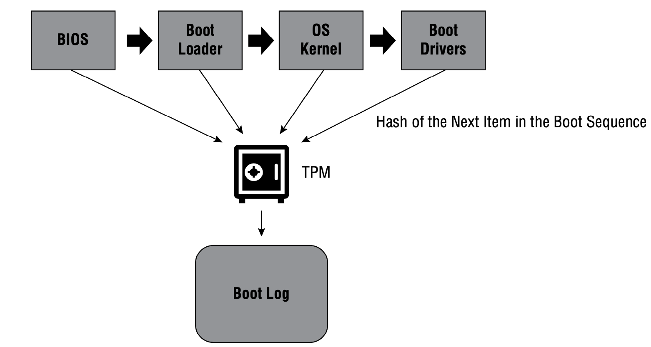

Secure boot | A Secured Boot chain validates the boot objects using private keys to check against public keys already in the BIOS.
 | During a Secure Boot process, the UEFI firmware on a system checks the objects in the boot process. If they do not match, it will result in an error. This is intended to prevent malware from infecting systems but could potentially happen if the manufacturer of the operating system or software does not properly sign objects in the boot process.
Remote attestation | A signed boot log that is delivered to a remote server. This is how remote attestation works—the local system, which includes a TPM module, creates and signs a boot log to be validated by a remote server.
 | TPM is required to enable Secure Boot and remote attestation
BIOS | basic input/output system, of a PC is a type of firmware. In Dell’s implementation of this technology, a SHA-256 hash of the new firmware is compared to a known good hash on Dell’s servers. If an issue is detected, administrators are notified so that they can take appropriate action.

EEPROM | The firmware on a device can be updated if it is stored in an Electronically Erasable Programmable ROM (EEPROM), which is a memory chip that can be wiped and overwritten

14 automation concepts and tech
Automation Concepts
Workflow Orchestration | overall tactical and strategic management of all these automated (and sometimes manual) tools, methods, and processes. tool to provision servers, create virtual servers and assign storage to them, and configure networking and security policies
SOAR | Security Orchestration, Automation, and Response. primarily focuses on threat and vulnerability management, security operations, and incident response.
 | technology platform that automates workflows across a variety of security tools, including the automated response to security incidents.
 | API-based integrations allow a SOAR environment to send queries as required for the data they need
 | tool to coordinate information from a wide range of platforms so that it can see it in a central location and then automate responses as part of security workflows
 | SOAR systems offer many ways to ingest data, and syslog, APIs, email, STIX/TAXII feeds, and database connections are all common ways for data to be acquired
 | Although SIEM and SOAR systems often have similar functionality, SOAR systems are typically designed to work with a broader range of internal and external systems, including threat intelligence feeds and other data sources, and then assist with automation of responses.
Scripting
API | Application Programming Interface. enable the exchange of information between disparate applications if the data is in a similar or translatable format
Automated Malware Signature Creation | YARA can automate the creation of malware signatures by creating rule-based detection signatures dynamically after analyzing strings found in malware files
Data Enrichment | combining related data from other sources, both automated and manual, to give data context. Data enrichment combines data from multiple sources like directories, geolocation information, and other data sources as well as threat feeds to provide deeper and broader security insights
Threat Feed Combination | threat feed combination is a narrower technique than data enrichment is
Machine Learning | uses complex systems and intelligent software to ingest massive amounts of data, look for predetermined conditions and patterns, discover potential matches to those patterns, and extrapolate additional behaviors based on interactions between data and its patterns.
Use of Automation Protocols and Standards
SCAP | Security Content Automation Protocol. common set of languages and formats for expressing security data to be exchanged between tools. NIST Special Publication (SP) 800-126, Revision 3, is the guiding document for SCAP
 | SCAP (Security Content Automation Protocol) is a set of specifications that define how to exchange security automation content used to assess (evaluate) configuration compliance. It can also be used to detect vulnerable versions of software.
 | The National Vulnerability Database uses the Security Content Automation Protocol (SCAP) to represent vulnerability management data.
 | SCAP plugin. multi-purpose framework of specifications supporting automated configuration, vulnerability and patch checking, technical control compliance activities, and security measurement.
 | The Common Vulnerability Scoring System (CVSS) provides a standardized method for rating the severity of security vulnerabilities.
 | XCCDF (extensible configuration checklist description format). SCAP component could be to create a checklist to be used by different security teams within an organization and then report results in a standardized fashion
 | CVE. The Common Vulnerabilities and Exposures (CVE) system provides a reference-method for publicly known information-security vulnerabilities and exposures.
 | CCE. The Common Configuration Enumeration (CCE) provides unique identifiers to system configuration issues in order to facilitate fast and accurate correlation of configuration data across multiple information sources and tools.
 | CPE. Common Platform Enumeration (CPE) is a standardized method of describing and identifying classes of applications, operating systems, and hardware devices present among an enterprise's computing assets.
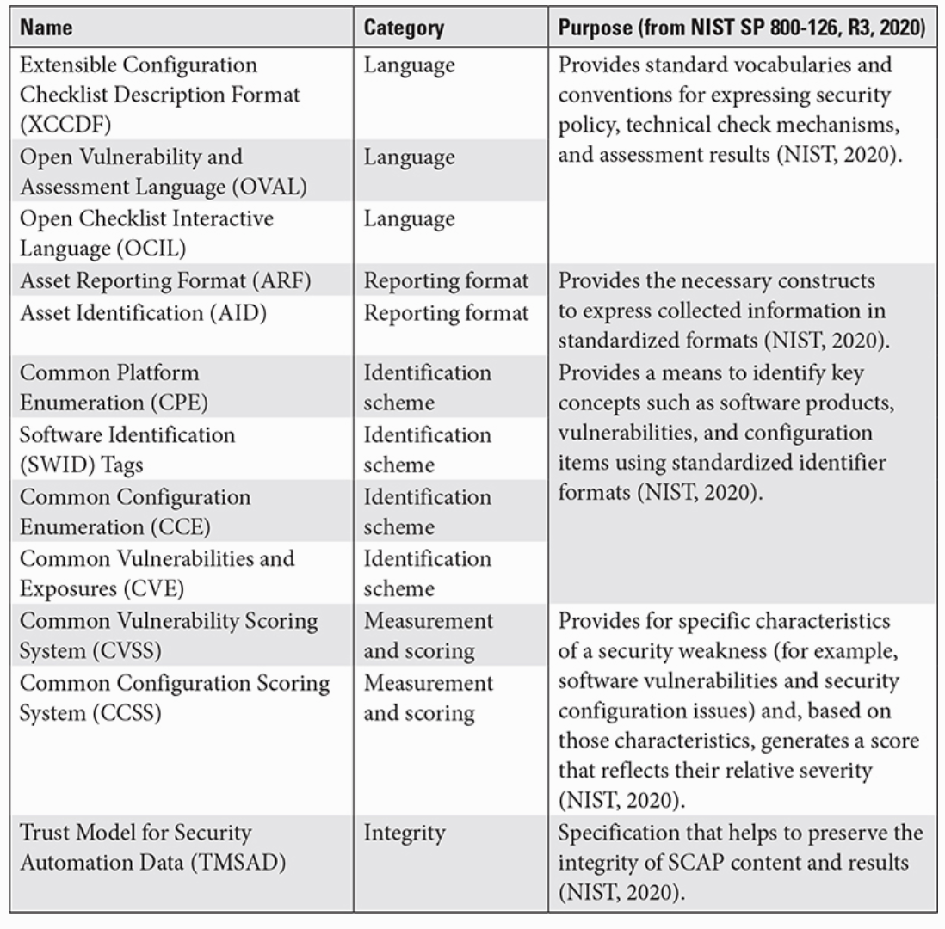

Continuous Integration | Continuous integration refers to the ability to constantly produce quality software as it is being developed.
Continuous delivery | process of moving production code from the development environment into the production environment
 | Security checks are important at continuous integration (CI)/continuous delivery (CD). After code is checked into a repository it can be checked using static code analysis tools. Code will then be tested in an automated test environment where it can be fuzz-tested, checked to make sure it is properly hardened, and tested in ways that a production environment might not risk. Finally, production environments can be monitored and penetration tested.
 | Continuous delivery (or continuous deployment) environments sometimes use a blue/ green deployment model, where one side is live and the other side is nearly identical but receives the next set of code updates.
Continuous deployment | after software has been integrated and delivered to the central delivery point, it can be deployed out to the users through whatever means the organization chooses. Continuous deployment is a software development method in which app and platform updates are committed to production rapidly
 | In continuous deployment, a human is still required to approve the release into the production environment. In continuous delivery, the test and release process into the production environment is automated, making the changes available for immediate release once the code is committed.
GPO | Group Policy Objects (GPOs) are used to enforce security and configuration requirements within Active Directory. allows an administrator to create a policy and deploy it across a large number of devices in the domain or network
MDR | (managed detection response) systems are used to speed up detection, rather than for compliance and orchestration.

PAM (Linux) | Pluggable authentication module (PAM)–aware applications have a file in the /etc/pam.d directory. These files list directives that define the module and what settings or controls are enabled. multifactor authentication is configured in PAM

16 incident response procedure
Incident Response Procedures | An incident is a negative event that occurs within the context of the organization. An incident could be the result of a malicious attack, employee complacency, accident, or even an environmental cause
Incident planning and response | considered a subset of business continuity and disaster recovery planning
The NIST Incident Response Lifecycle (adapted from NIST SP 800-61) | NIST SP 800-61 categorizes signs of an incident into two categories, precursors and indicators. Precursors are signs that an incident may occur in the future. Since there is not an indicator that an event is in progress, this can be categorized as a precursor.
 | NIST SP 800-61 identifies six outside parties that an incident response team will typically communicate with: Customers, constituents, and media, Internet service providers, incident reporters, law enforcement agencies, and software and support vendors
 | NIST identifies four major categories of security event indicators: alerts, logs, publicly available information, and people both inside and outside the organization
 | Adding new IPS signatures (prior to an incident) is part of the preparation phase because it prepares an organization to detect attacks.
 | NIST recommends the usage of NTP to synchronize clocks throughout organizational infrastructure, thus allowing logs, alerts, and other data to be analyzed more easily during incident response.
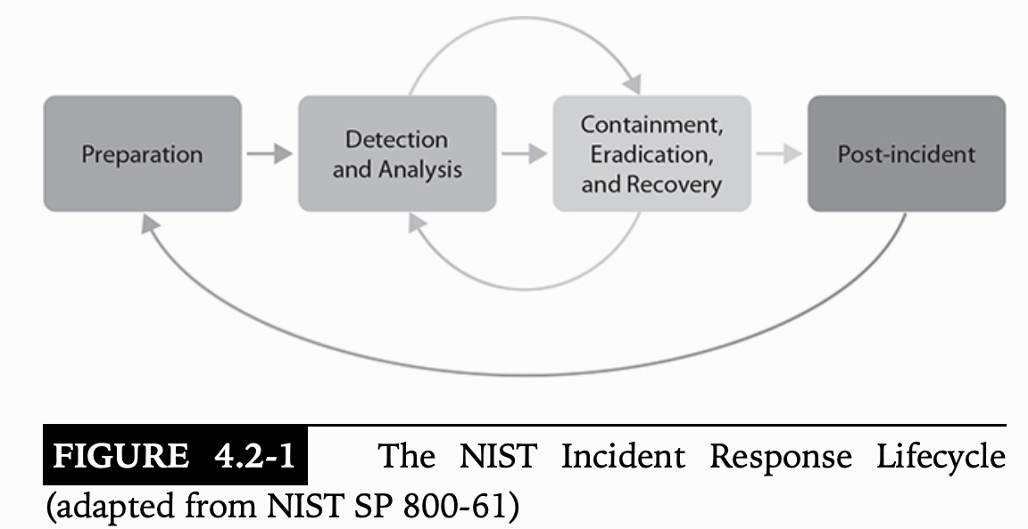

Preparation | training, prepares their incident response kits, and researches threats and intelligence. develop a communications plan that details which methods of communication will be used during a compromise of various systems.
Detection | monitoring and detecting any possible malicious events or attacks
Analyssis | monitoring and detecting any possible malicious events or attacks
Containment | Segmentation & isolation. preserve evidence
Erradication | sanitization, secure disposal, reimaging. preserve evidence | .
Recovery | Setting Permissions. preserve evidence
Post incident | after-action reports, creates lessons learned, and conducts follow-up actions to better prevent another incident from occurring. incident summary reports are published, evidence retention is determined, and lessons learned reports are created

Preparation | During this phase, several activities must be carefully planned and executed.
Training
Testing | An incident response plan should be tested annually, or at least at a prescribed minimum to meet governance requirements. Documentation review, Tabletop exercise, Walkthrough, Full test.
Documenting Procedures | Procedures provide detailed, tactical information to the CSIRT and represent the collective wisdom of team members and subject-matter experts
Detection and Analysis | the response effort itself begins when the incident is detected.
 | Conducting a lessons learned review after using an incident response plan can help to identify improvements and to ensure that the plan is up-to-date and ready to handle new events.
incident response communication | Disclosure based on regulatory or legislative requirements is commonly part of an incident response process. Limiting communication to trusted parties and ensuring that data and communications about the incident are properly secured are both critical to the security of the incident response process
Level Classification
Downtime | MTD: maximum tolerable downtime. point after which the impact of an incident becomes unacceptably large
Recovery Time
RTO: recovery time objective | maximum amount of time the organization can tolerate being down without suffering catastrophic losses to the business.
RPO: recovery point objective | maximum amount of data (measured by time) that the organization can stand to lose
Integrity | how much data (by volume or by defined sensitivity level) is determined to be exposed to unauthorized modification
Economic Impact | The organization can use criticality information from a BIA to determine exactly what the financial impact will be, which in turn may drive the level of response
 | Most important factor to firms executives after APT: Economic & Data Integrity
BIA | what its critical processes are, what its critical assets are, and how to prioritize their protection and recovery in the event of a disaster or other incident.
System Process Criticality
Reverse Engineering
Data Correlation | You can correlate data using a variety of methods, but one critical way would be to use the data from a SIEM system, assuming you have one set up that ingests data from a variety of sources.
Containment | most immediate and highest priority for incident response. incident response team is focused on halting or minimizing any damage to systems or data and stopping an attack. Segmentation and isolation are two of the key containment strategies
Segmentation | infrastructure is broken up into different parts
Isolation | like segmentation, means separating parts of the network, or even individual hosts, from the rest of the infrastructure
Eradication and Recovery | Once an incident is contained and there is significantly less risk of any malware or malicious traffic spreading across the network, the team must focus on eradicating the source of the attack and recovering systems and data
Vulnerability Mitigation
Sanitization | incident response team scrub and eliminate any traces of malware from media before a device is reloaded.
Reconstruction/Reimaging | RPO metrics should drive how often the data is backed up in the event of a disaster
Secure Disposal | Degaussing. Physical destruction
Patching | patching is critical in containing an incident and eradicating the issues that caused it. Although patching is useful, it won’t stop zero-day threats
Restoration of Permissions
permission creep | it can occur as people change job positions or need permissions temporarily for specific instances and those permissions are never taken back
Reconstitution of Resources and Restoration of Capabilities and Services | As the incident is contained, you might consider restoring critical services and capabilities first, and gradually phasing in other capabilities and services according to prioritization levels
Verification of Logging/Communication to Security Monitoring | Once containment, eradication, and recovery processes are complete, you will need to make sure everything is functioning the way it should
Post-Incident Activities | The goal is to find the cause of the incident, remedy any factors that helped create it, and prevent the incident from occurring again.
Evidence Retention | Log files, Malware binaries, Disk or file system images, RAM contents, Physical media, Infected files, Network traffic captures.
Lessons Learned Report | A lessons-learned report is a technical report designed for internal use with a view to improving incident response processes. includes detailed information on when an incident was detected, how impactful the incident was, how it was remediated, the effectiveness of the incident response, and any identified gaps that might require improvement
Change Control Process
Incident Response Plan Update
Incident Summary Report | An incident summary report is designed for a non-technical audience
Indicators of Compromise (IOCs) Generation | generate and recommend a new list of indicators of compromise to the IT and cybersecurity teams for the organization.

CSIRT | computer security incident response team
 | A CSIRT leader must have authority to direct the incident response process and should be able to act as a liaison with organizational management.
 | A CSIRT is a computer security incident response team and tends to be hosted in a single organization
Playbooks | describe detailed procedures that help to ensure that organizations and individuals take the right actions during the stress of an incident. Playbooks contain specific procedures used during a particular type of cybersecurity incident.
 | Incident Response Playbook-> DNS queries and other traffic logs, threat intelligence feeds, and notifications from staff are all common information sources for a variety of types of incident detection.
primary role of management in the incident response process | provide the authority and resources required to respond appropriately to the incident. They may also be asked to make business decisions, communicate with external groups, or assess the impact on key stakeholders
NIST suggestion for identifying attackers | Identifying attackers is NOT an important part of the incident response process. (time-consuming and futile)
ISAC | Information sharing and analysis centers (ISACs) are information sharing and community support organizations that work within vertical industries like energy, higher education, and other business domains.

secpol.msc | The security policy auditor (secpol.msc) will allow an authorized administrator the option to change a great deal about an operating system, but it cannot explicitly stop a process or service that is already running.
sc.exe | The sc.exe command allows an analyst to control services, including terminating them.
wmic | The Windows Management Instrumentation (wmic) can terminate a service by using the following: wmic service <ServiceName> call StopService
services.msc | The services.msc tool can also be used to enable, start, or terminate a running service.

PHI | According to the US Department of Health and Human Services, notification of the individuals affected by a data breach containing PHI is required when 1 individual is affected. If over 500 people are affected, then a notification to the media must also be made

OODA | Observe, Orient, Decide, Act

18 basic digital forensics tech
Evidence Preservation | you can save the investigation from failure by ensuring that the evidence is preserved and protected at all stages of the response and investigation
Chain of Custody | evidence is controlled, tracked, and documented from the moment it is seized or acquired, all through its lifecycle
 | includes information about the case; copies of drives that were created; and who was in possession of drives, devices, and copies during the investigation.
 | Reassembling the system to match its original configuration can be important in forensic investigations. Color-coding each cable and port as a system is disassembled before moving helps to ensure proper reassembly
Tamper-proof seals | Tamper-proof seals are used when it is necessary to prove that devices, systems, or spaces were not accessed
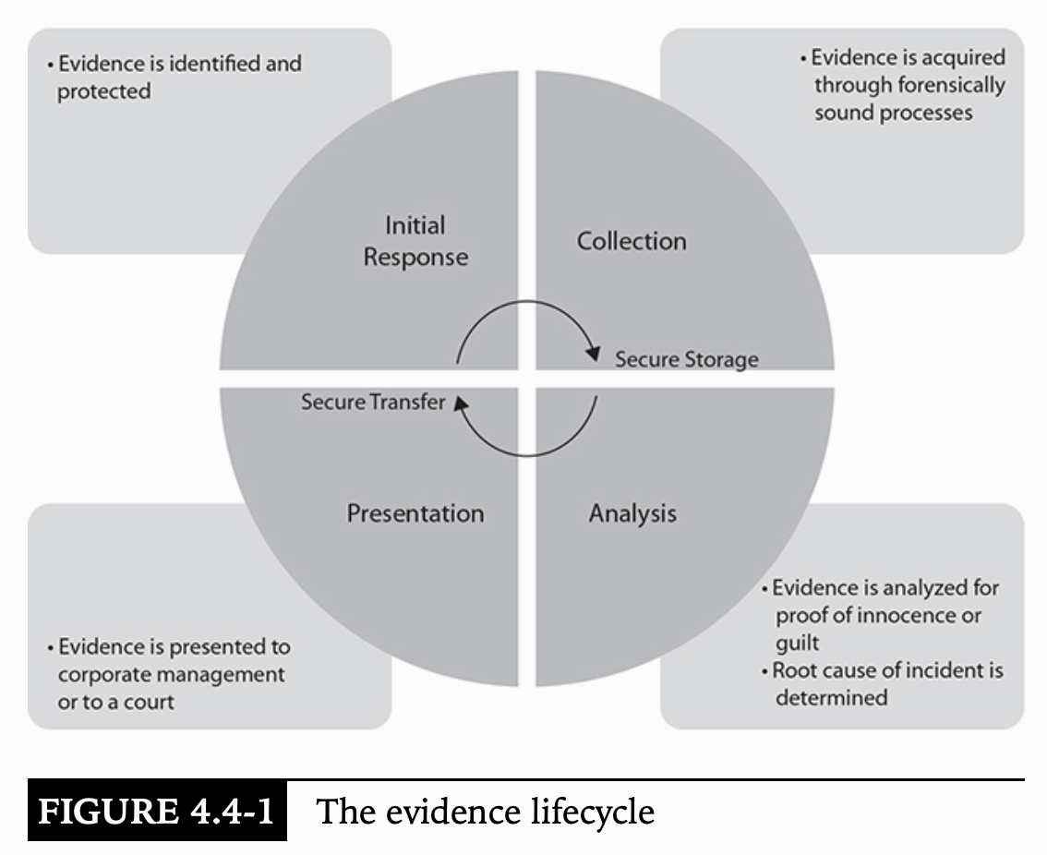

Basic Forensic Procedures | Secure the scene of the crime or incident. Photograph the scene of the crime or incident before anyone disturbs any of the equipment or evidence. Don‚'t arbitrarily power off a device unless you absolutely have to. Inventory every single item of evidence taken from the scene. Place all evidentiary items in a protected container. Maintain a strong chain of custody at all times. Get written permission from the original owner. Have the proper tools at your disposal to perform an investigation. Don‚'t perform any type of forensic action, such as analysis, if you do not have the proper training, knowledge, or skills. Never perform any analysis on the original evidence.
Wireshark | command line version: tshark. capture format: PCAP (packet capture) file. (binary file)
TCP streams | allows you to look at TCP traffic, so you can follow its flow back and forth between devices.
tcpdump | monitors all network traffic and sends it to a file or allows an operator to monitor it in real time on the screen. -e option includes the ethernet header during packet capture.
Disk | any type of permanent storage media, such as USB drives, SD cards, optical media, and so on
Memory | memory, typically in the form of RAM, is volatile
Mobile Forensics | requirements for specialized software and hardware tools and the concern for privacy with personal mobile devices versus corporately owned mobile devices
Cloud Forensics | The key to cloud forensics is the agreement or contract between the organization and the cloud service provider
Virtualization Forensics
 | VMX: Configuration file
 | VMDK: Stores the virtual hard drive for the machine
 | NVRAM: Nonvolatile RAM; stores static virtual machine BIOS information
 | VMEM: For storage of volatile memory contents
Legal Hold | organization must simply make every effort to preserve all sources of evidence for an incident, including any media on the host and the contents of RAM, log files from network security devices, and so on.
Hashing | prove the integrity of a file. essentially fingerprints of a file. You could hash a single file, a compressed set of files, an encrypted file, or even an entire disk image
Data Acquisition | duplicate the evidence. do not want to perform any analysis on the original evidence since you will likely change its integrity the second you plug the drive into a computer or access any of the files on the media.
imaging | Forensic duplication
slack space | unused or unallocated space on the drive. When clusters are overwritten, original data is left in the unused space between the end of the new file and the end of the cluster. Files can be in slack space
write blocker | devices that sit between the original media and the connection to the host you are using to image the media
 | A hardware write blocker can ensure that connecting or mounting the drive does not cause any changes to occur on the drive
Hardware imaging | much faster and generally considered more efficient.
Data Carving | science (and some would say, the art) of locating and pulling usable files or artifacts out of a large, otherwise unintelligible block of data. include deleted files, file remnants in slack space, and so on. Forensic Toolkit (FTK) by Access Data, or Encase
 | Data carving is the process of identifying files based on file signatures such as headers and footers and then pulling the information between those locations out as a file
 | SIFT. free, open-source incident response and forensic tools designed to perform detailed digital forensic examinations in a variety of settings. FTK, EnCase, and Helix are all commercially available tools
John the Ripper | For Linux: /etc/passwd and the /etc/shadow files for John the Ripper to crack the passwords. brute-force tools that could crack the passwords
 | command-line password-cracking utility
 | Incremental mode is John the Ripper’s most powerful mode, as it will try all possible character combinations as defined by the settings you enter at the start.
 | Single crack mode tries to use login names with various modifications and is very useful for initial testing
 | Wordlist uses a dictionary file along with mangling rules to test for common passwords.
 | External mode relies on functions that are custom-written to generate passwords. External mode can be useful if your organization has custom password policies that you want to tweak the tool to use.
Cain & Abel | password-cracking tool. Cain & Abel is a Windows-based tool
Permissions in Windows | AccessEnum is a GUI-based program that gives a full view of filesystem and registry settings and can display either files with permissions that are less restrictive than the parent or any files with permissions that differ from the parent.
 | AccessChk is a command-line program that can check the rights a user or group has to resources
 | Windows audits account creation by default
Linux Permissions | getfacl allows recursive backups of directories, including all permissions to a text file
 | setfacl restores those permissions from the backup file
auditctl | monitor permissions and ownership changes of critical files on the Red Hat Linux system. The audit package can provide this functionality. auditd runs as a service, and then auditctl is used to specifically call out the files or directories that will be monitored.
Volatility Framework | can capture memory artifacts but is not designed to capture a full virtual machine. https://www.volatilityfoundation.org/

MAC OS hard drive format | APFS. HFS+ for old MAC OS
Eraser | tool used to securely wipe files and drives. If Eraser is not typically installed on his organization’s machines, Tim should expect that the individual being investigated has engaged in some antiforensic activities including wiping files that may have been downloaded or used against company policy.

Linux file command | The Linux file command shows a file’s format, encoding, what libraries it is linked to, and its file type (binary, ASCII text, etc.). Example: file notes.txt notes.txt: UTF-8 Unicode text, with very long lines, with CRLF, LF line terminators
Linux stat command | stat provides the last time accessed, permissions, UID and GID bit settings, and other details. It is useful for checking when a file was last used or modified but won’t provide details about linked libraries

Ophcrack | Under most circumstances Ophcrack’s rainbow table-based cracking will result in the fastest hash cracking.
Hashcat | high-speed, GPU-driven cracking techniques are likely to come in second
John the Ripper and Cain and Abel’s | traditional CPU-driven cracking methods remaining slower unless their mutation-based password cracks discover simple passwords very quickly.

logical acquisition | focuses on specific files of interest, such as a specific type of file, or files from a specific location
sparse acquisition | collects data from unallocated space
bit-by-bit acquisition | typically performed for a full drive and will take longer.

Resource Monitor | Windows. provides average CPU utilization in addition to real-time CPU utilization.
Activity Monitor | MacOS. check on memory, CPU, disk, network, and power usage
wireless networks | The Windows registry stores a list of wireless networks the system has connected to in the registry under HKLM\SOFTWARE\Microsoft\WindowsNT\CurrentVersion\NetworkList\Profiles.
Procedure to make forensics on a virtual machine | Suspending a virtual machine will result in the RAM and disk contents being stored to the directory where it resides. Never turn off
Chrome logs | Chrome stores a broad range of useful forensic information in its SQLite database, including cookies, favicons, history, logins, top sites, web form data, and other details
certutil | Modern versions of Windows include the built-in certutil utility. Running certutil -hashfile [file location] md5 will calculate the MD5 hash of a file. certutil also supports SHA1 and SHA256
 | md5sum and sha1sum are Linux utilities
Quick Format (Windows) | leaves data in unallocated space on the new volume, allowing the data to be carved and retrieved. This does not meet the requirements for any of the three levels of sanitization defined by NIST. (clear, purge, destroy)
ifconfig (linux) | The traffic values captured by ifconfig reset at 4 GB of data, making it an unreliable means of assessing how much traffic a system has sent when dealing with large volumes of traffic
e-discovery | When forensic evidence or information is produced for a civil case, it is called e-discovery. This type of discovery often involves massive amounts of data, including email, files, text messages, and any other electronic evidence that is relevant to the case.
Process Monitor (Windows) | Process Monitor provides detailed tracking of filesystem and registry changes as well as other details that can be useful when determining what changes an application makes to a system
pagefile.sys (windows) | The page file, like many system files, is locked while Windows is running. To get the file, shut down the system and copy the page file.
RAW Images for forensic image | A RAW image, like those created by dd, is the best option for broad compatibility. Many forensic tools support multiple image formats, but RAW files are supported almost universally by forensic tools.
Network share info | When a network share or mounted drive is captured from the system that mounts it, data like deleted files, unallocated space, and other information that requires direct drive access will not be captured.
order of volatility | CPU cache, registers, running processes, RAM
 | Network traffic
 | Disk drives
 | Backups, printouts, optical media
SIFT (open source) | The ability to create a timeline of events that covers logs, file changes, and many other artifacts is known as a Super Timeline.
minimum retention period for US federal government agencies | 3 years
Trusted system binary kits | After restoring a critical business system to operation after a major compromise and needs to validate that the operating system and application files are legitimate and do not have any malicious code included in them. include known good hashes of many operating systems and applications. NSRL (www.nsrl.nist.gov/ new.html)
NIST’s recommendations for network related information | IP addresses, MAC addresses, hostname
Endpoint forensics | Since most APTs send traffic in an encrypted form, performing network forensics or traffic analysis will only provide information about potentially infected hosts. If you want to find the actual tools that may exist on endpoint systems, you should conduct endpoint forensics.
xinetd (Linux) | Services are often started by xinetd (although newer versions of some distributions now use systemctl). search for a possible Linux backdoor account during a forensic investigation
exiftool | tool for reading, writing and editing meta information in a wide variety of files
jump kit | common part of an incident response plan and provides responders with the tools they will need without having to worry about where key pieces of equipment are during a stressful time. laptop with useful software including a sniffer and forensics tools, thumb drives and external hard drives, networking equipment, and a variety of cables
MBSA | Microsoft Baseline Security Analyzer is now outdated and does not fully support Windows 10
Windows SAM | Security Account Manager. SAM is stored in C:\Windows\System32\config but is not accessible while the system is booted. The hashed passwords are also stored in the registry at HKEY_LOCAL_ MACHINE\SAM but are also protected while the system is booted. The best way to recover the SAM is by booting off of removable media or using a tool like fgdump.
NIST guidelines for secure media handling | clearing, purging, or destroying -> validation -> Documentation
setupapi (Windows) | The setupapi file (C:\Windows\INF\setupapi.dev.log) records the first time a USB device is connected to a Windows system using the local system’s time. Other device information is collected in the registry, and the system security log may contain connection information if USB device logging is specifically enabled.
DiskView (Windows) | provides a GUI-based view of the disk with each cluster marked by the files and directories it contains.
$HOME/.ssh (Linux) | Remote hosts that have been connected to, Private keys used to log in elsewhere, Public keys used for logins to this system
reverse image search tools | Google’s reverse image search, Tineye, and Bing’s Image Match
netstat | -p. process details
 | -e. extended information that includes the username and inode of the process
 | -t. TCP connections
 | -s. summary information
 | -a. all sockets
 | -n. numeric Ips

Deleted files in Widnows | The Windows registry, Master File Tables, and INDX files all contain information about files, often including removed or deleted files. Event logs are far less likely to contain information about a specific file location.

shim cache (Windows) | used by Windows to track scripts and programs that need specialized compatibility settings. It is stored in the registry at shutdown, which means that a thorough registry cleanup will remove program references from it.
 | The master file table (MFT), volume shadow copies, and prefetch files can all contain evidence of deleted applications

Scalpel | Scalpel is a file carving and indexing application that runs on Linux and Windows.Scalpel is a carving tool designed to identify files in a partition or volume that is missing its index or file allocation table
DBAN | wiping tool
parted | partition editor

memory-resident malware windows | Search for a core dump or hiberfil.sys to analyze. look for a hibernation file or core dump that may contain evidence of the memory-resident malware. Once a system has been shut down, a memory- resident malware package will be gone until the system is re-infected, making reviews of the registry, INDX files, and volume shadow copies unlikely to be useful

Operating system fingerprinting | Operating system fingerprinting relies on the differences between how each operating system (and sometimes OS versions) handles and sets various TCP/IP fields, including initial packet size, initial TTL, window size, maximum segment size, and the don't fragment, sackOK, and nop flags

ATA Secure Erase command | wipes all of an SSD, including host-protected area partitions and remapped spare blocks

interception proxies tools | They run on the tester’s system and intercept requests being sent from the web browser to the web server before they are released onto the network. This allows the tester to manually manipulate the request to attempt the injection of an attack. Burp, ZAP, and Tamper Data are all examples of interception proxies. Nessus is a vulnerability scanner and, while useful in penetration testing, does not serve as an interception proxy.
POS malware | Point-of-sale malware (POS malware) is usually a type of malicious software (malware) that is used by cybercriminals to target point of sale (POS) and payment terminals with the intent to obtain credit card and debit card information, a card's track 1 or track 2 data and even the CVV code, by various man-in-the-middle attacks, that is the interception of the processing at the retail checkout point of sale system

19 data privacy and protection
Privacy vs. Security | Privacy is concerned with keeping your personal information confidential and only allowing whomever you choose to access it and use it for whatever purposes you deem fit. security consists of the measures that go into protecting that information, as well as other types of information.
Privacy | amount of control to which an individual is entitled over how others view, share, or use the individual’s personal information
Integrity | Ensuring that information is not modified in an unauthorized way by unauthorized entities
security | The protection of information assets against unauthorized access, modification, or destruction
confidentiality | Ensuring that information is not accessed by unauthorized entities
Privacy Data
PII | personally identifiable information.
HIPAA | Health Information Portability and Accountability Act. specifically addresses the confidentiality, integrity, and availability of protected health information
 | Despite that vulnerability scanning is an important security control, HIPAA does not offer specific requirements for scanning frequency
Nontechnical Controls | managerial (also called administrative) or operational controls, which are primarily policies and procedures
Data Types | privacy data, healthcare data, financial data, company proprietary data, legal data, market data, and so on

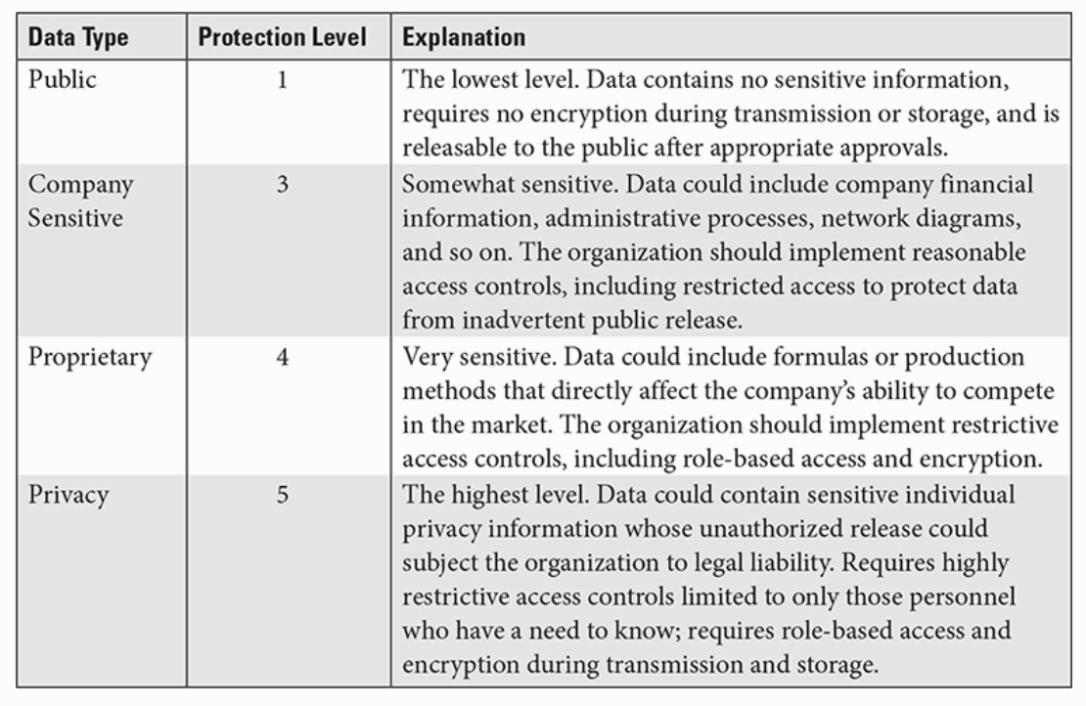

Confidentiality | keep information accessible only to authorized personnel and prevent access to those who were not authorized
Data Sovereignty | any privacy data that is generated, stored, processed, transmitted, or received in a particular country is governed by the laws of that country
Legal Requirements
Data Classification | determines to what level systems and data must be protected. This is based upon data sensitivity or criticality
U.S. government’s data classification | in ascending order, Confidential, Secret, and Top Secret
Data Ownership | The data owner makes decisions regarding the data, and the data custodian implements those decisions. Data owners bear ultimate responsibility for safeguarding the information under their care, even if they do not personally implement or manage the security controls
Data Retention and Retention Standards | standards for keeping records before destruction or disposal.
Data Minimization | an organization will only collect the minimum necessary amount and types of data to fulfill its purpose of providing specific services to an individual
Purpose Limitation | prevent an organization from using data, particularly privacy data, outside of an agreed-upon reason
Nondisclosure Agreement (NDA) | legally binding contract between entities, such as two organizations, or even individuals and organizations
Technical Controls | implementation mechanisms for policies
Access Controls | security controls designed to manage who can read or write to sensitive data.
Encryption
Data Loss Prevention (DLP)
Data Masking | obfuscation of parts of certain data elements, such as a Social Security number. Example: first five digits of the Social Security Number (SSN) have been replaced with Xs
Deidentification | method used to remove any data that could indicate the identity of an individual from a record.
Tokenization | Data is replaced for example with sequential field.
Digital Rights Management (DRM) | containment: digital file is encrypted and can only be accessed by those with the correct encryption key, personal identification number (PIN), or password. marking: watermark
Watermarking | Watermarking can be used to prove the origin of a file.
Geographic Access Requirements

DSUA | A data sharing and use agreement (DSUA) states that personal data can only be collected for a specific purpose

