Concordance
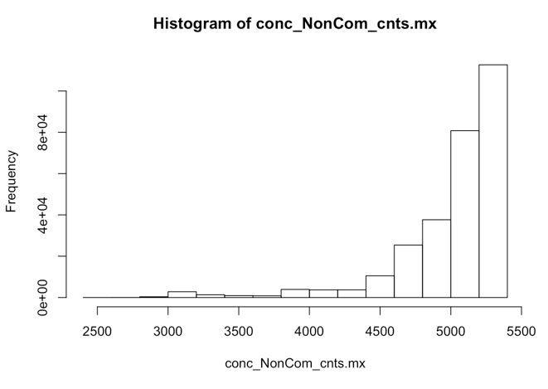
Concordance assessment using all variants passed filters |  |  |  | Concordance assessment using only pairs of variants, |  |  |  | Concordance assessment using only pairs of variants, |  |  |  | Concordance assessment using only common variants |  |  |  | Concordance assessment using common variants |  |  |  | Concordance assessment using common variants |  |  |  | Concordance assessment using only non-common variants |  |  |  | Concordance assessment using non-common variants |  |  |  | Concordance assessment using non-common variants
 |  |  |  | where at least one of the pair is NonRef |  |  |  | where both of the pair is NonRef |  |  |  | (i.e. including only variants with AF >= 0.05) |  |  |  | where at least one of the pair is NonRef |  |  |  | where both of the pair is NonRef |  |  |  | (i.e. excluding variants with AF >= 0.05) |  |  |  | where at least one of the pair is NonRef |  |  |  | where both of the pair is NonRef
 |  |  |  | (i.e. excluding pairs where both variants are Ref) |  |  |  | (i.e. excluding pairs where at least one of the pair is Ref)

AllVars | concordance | sample_1 | sample_2 | AnyNonRef | concordance | sample_1 | sample_2 | BothNonRef | concordance | sample_1 | sample_2 | Common | concordance | sample_1 | sample_2 | AnyNonRefCommon | concordance | sample_1 | sample_2 | BothNonRefCommon | concordance | sample_1 | sample_2 | NonCom | concordance | sample_1 | sample_2 | AnyNonRefNonCom | concordance | sample_1 | sample_2 | BothNonRefNonCom
[1,] | 0.9988111413 | 347_S36_L007 | 348_S17_L007 | [1,] | 0.97720797721 | 347_S36_L007 | 348_S17_L007 | [1,] | 1 | 436_S178_L007 | 437_S177_L007 | [1,] | 0.99624765478 | 517_S450_L008 | 518_S384_L008 | [1,] | 0.98194945848 | 347_S36_L007 | 348_S17_L007 | [1,] | 1 | 270_S70_L007 | 351_S71_L007 | [1,] | 0.9994375703 | 347_S36_L007 | 348_S17_L007 | [1,] | 0.95945945946 | 347_S36_L007 | 348_S17_L007
[2,] | 0.9988111413 | 348_S17_L007 | 347_S36_L007 | [2,] | 0.97720797721 | 348_S17_L007 | 347_S36_L007 | [2,] | 1 | 437_S177_L007 | 436_S178_L007 | [2,] | 0.99624765478 | 518_S384_L008 | 517_S450_L008 | [2,] | 0.98194945848 | 348_S17_L007 | 347_S36_L007 | [2,] | 1 | 351_S71_L007 | 270_S70_L007 | [2,] | 0.9994375703 | 348_S17_L007 | 347_S36_L007 | [2,] | 0.95945945946 | 348_S17_L007 | 347_S36_L007 | Too many "identical"" samples (100% concordance) to print the most similar ones
[3,] | 0.99862802264 | 527_S233_L007 | 528_S275_L008 | [3,] | 0.9671641791 | 527_S233_L007 | 528_S275_L008 | [3,] | 1 | 517_S450_L008 | 518_S384_L008 | [3,] | 0.99277978339 | 347_S36_L007 | 348_S17_L007 | [3,] | 0.9751552795 | 527_S233_L007 | 528_S275_L008 | [3,] | 1 | 436_S178_L007 | 437_S177_L007 | [3,] | 0.99943214083 | 527_S233_L007 | 528_S275_L008 | [3,] | 0.92857142857 | 270_S70_L007 | 351_S71_L007
[4,] | 0.99862802264 | 528_S275_L008 | 527_S233_L007 | [4,] | 0.9671641791 | 528_S275_L008 | 527_S233_L007 | [4,] | 1 | 518_S384_L008 | 517_S450_L008 | [4,] | 0.99277978339 | 348_S17_L007 | 347_S36_L007 | [4,] | 0.9751552795 | 528_S275_L008 | 527_S233_L007 | [4,] | 1 | 437_S177_L007 | 436_S178_L007 | [4,] | 0.99943214083 | 528_S275_L008 | 527_S233_L007 | [4,] | 0.92857142857 | 351_S71_L007 | 270_S70_L007
[5,] | 0.99824407375 | 280_S173_L007 | 281_S185_L007 | [5,] | 0.95616438356 | 270_S70_L007 | 351_S71_L007 | [5,] | 0.99714285714 | 270_S70_L007 | 351_S71_L007 | [5,] | 0.99240986717 | 76_S299_L008 | 77_S370_L008 | [5,] | 0.9741697417 | 517_S450_L008 | 518_S384_L008 | [5,] | 1 | 517_S450_L008 | 518_S384_L008 | [5,] | 0.99903063203 | 280_S173_L007 | 281_S185_L007 | [5,] | 0.79166666667 | 398_S161_L007 | 399_S255_L007
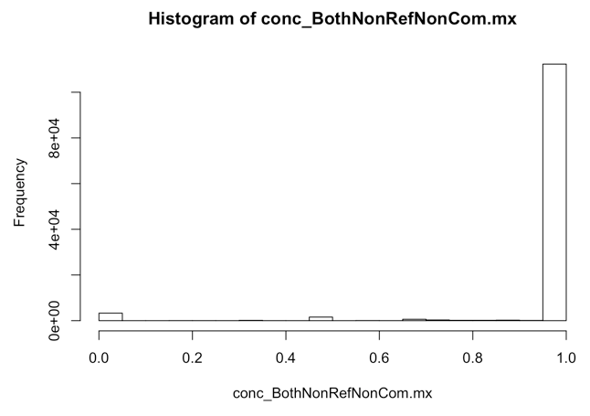
[6,] | 0.99824407375 | 281_S185_L007 | 280_S173_L007 | [6,] | 0.95616438356 | 351_S71_L007 | 270_S70_L007 | [6,] | 0.99714285714 | 351_S71_L007 | 270_S70_L007 | [6,] | 0.99240986717 | 77_S370_L008 | 76_S299_L008 | [6,] | 0.9741697417 | 518_S384_L008 | 517_S450_L008 | [6,] | 1 | 518_S384_L008 | 517_S450_L008 | [6,] | 0.99903063203 | 281_S185_L007 | 280_S173_L007 | [6,] | 0.79166666667 | 399_S255_L007 | 398_S161_L007
[7,] | 0.99813337858 | 270_S70_L007 | 351_S71_L007 | [7,] | 0.94039735099 | 280_S173_L007 | 281_S185_L007 | [7,] | 0.99709302326 | 347_S36_L007 | 348_S17_L007 | [7,] | 0.99090909091 | 244_S175_L007 | 245_S59_L007 | [7,] | 0.96629213483 | 270_S70_L007 | 351_S71_L007 | [7,] | 0.99682539683 | 527_S233_L007 | 528_S275_L008 | [7,] | 0.99902780478 | 398_S161_L007 | 399_S255_L007 | [7,] | 0.76923076923 | 527_S233_L007 | 528_S275_L008
[8,] | 0.99813337858 | 351_S71_L007 | 270_S70_L007 | [8,] | 0.94039735099 | 281_S185_L007 | 280_S173_L007 | [8,] | 0.99709302326 | 348_S17_L007 | 347_S36_L007 | [8,] | 0.99090909091 | 245_S59_L007 | 244_S175_L007 | [8,] | 0.96629213483 | 351_S71_L007 | 270_S70_L007 | [8,] | 0.99682539683 | 528_S275_L008 | 527_S233_L007 | [8,] | 0.99902780478 | 399_S255_L007 | 398_S161_L007 | [8,] | 0.76923076923 | 528_S275_L008 | 527_S233_L007
[9,] | 0.99806644401 | 398_S161_L007 | 399_S255_L007 | [9,] | 0.93898305085 | 398_S161_L007 | 399_S255_L007 | [9,] | 0.99692307692 | 527_S233_L007 | 528_S275_L008 | [9,] | 0.99089253188 | 270_S70_L007 | 351_S71_L007 | [9,] | 0.96376811594 | 280_S173_L007 | 281_S185_L007 | [9,] | 0.99657534247 | 76_S299_L008 | 77_S370_L008 | [9,] | 0.99887724551 | 270_S70_L007 | 351_S71_L007 | [9,] | 0.69444444444 | 234_S381_L008 | 235_S535_L008
[10,] | 0.99806644401 | 399_S255_L007 | 398_S161_L007 | [10,] | 0.93898305085 | 399_S255_L007 | 398_S161_L007 | [10,] | 0.99692307692 | 528_S275_L008 | 527_S233_L007 | [10,] | 0.99089253188 | 351_S71_L007 | 270_S70_L007 | [10,] | 0.96376811594 | 281_S185_L007 | 280_S173_L007 | [10,] | 0.99657534247 | 77_S370_L008 | 76_S299_L008 | [10,] | 0.99887724551 | 351_S71_L007 | 270_S70_L007 | [10,] | 0.69444444444 | 235_S535_L008 | 234_S381_L008
[11,] | 0.99802336029 | 517_S450_L008 | 518_S384_L008 | [11,] | 0.93666666667 | 517_S450_L008 | 518_S384_L008 | [11,] | 0.99679487179 | 76_S299_L008 | 77_S370_L008 | [11,] | 0.99087591241 | 527_S233_L007 | 528_S275_L008 | [11,] | 0.96232876712 | 244_S175_L007 | 245_S59_L007 | [11,] | 0.99633699634 | 347_S36_L007 | 348_S17_L007 | [11,] | 0.99837859749 | 539_S288_L008 | 540_S461_L008 | [11,] | 0.69230769231 | 280_S173_L007 | 281_S185_L007
[12,] | 0.99802336029 | 518_S384_L008 | 517_S450_L008 | [12,] | 0.93666666667 | 518_S384_L008 | 517_S450_L008 | [12,] | 0.99679487179 | 77_S370_L008 | 76_S299_L008 | [12,] | 0.99087591241 | 528_S275_L008 | 527_S233_L007 | [12,] | 0.96232876712 | 245_S59_L007 | 244_S175_L007 | [12,] | 0.99633699634 | 348_S17_L007 | 347_S36_L007 | [12,] | 0.99837859749 | 540_S461_L008 | 539_S288_L008 | [12,] | 0.69230769231 | 281_S185_L007 | 280_S173_L007
[13,] | 0.99762079063 | 539_S288_L008 | 540_S461_L008 | [13,] | 0.93272171254 | 244_S175_L007 | 245_S59_L007 | [13,] | 0.99348534202 | 244_S175_L007 | 245_S59_L007 | [13,] | 0.99068901304 | 280_S173_L007 | 281_S185_L007 | [13,] | 0.9520295203 | 398_S161_L007 | 399_S255_L007 | [13,] | 0.99293286219 | 244_S175_L007 | 245_S59_L007 | [13,] | 0.99821144674 | 517_S450_L008 | 518_S384_L008 | [13,] | 0.68571428571 | 244_S175_L007 | 245_S59_L007
[14,] | 0.99762079063 | 540_S461_L008 | 539_S288_L008 | [14,] | 0.93272171254 | 245_S59_L007 | 244_S175_L007 | [14,] | 0.99348534202 | 245_S59_L007 | 244_S175_L007 | [14,] | 0.99068901304 | 281_S185_L007 | 280_S173_L007 | [14,] | 0.9520295203 | 399_S255_L007 | 398_S161_L007 | [14,] | 0.99293286219 | 245_S59_L007 | 244_S175_L007 | [14,] | 0.99821144674 | 518_S384_L008 | 517_S450_L008 | [14,] | 0.68571428571 | 245_S59_L007 | 244_S175_L007
[15,] | 0.9974266598 | 244_S175_L007 | 245_S59_L007 | [15,] | 0.92409240924 | 539_S288_L008 | 540_S461_L008 | [15,] | 0.99300699301 | 280_S173_L007 | 281_S185_L007 | [15,] | 0.99056603774 | 539_S288_L008 | 540_S461_L008 | [15,] | 0.95017793594 | 539_S288_L008 | 540_S461_L008 | [15,] | 0.99256505576 | 539_S288_L008 | 540_S461_L008 | [15,] | 0.99810570184 | 244_S175_L007 | 245_S59_L007 | [15,] | 0.63888888889 | 386_S273_L008 | 391_S376_L008
[16,] | 0.9974266598 | 245_S59_L007 | 244_S175_L007 | [16,] | 0.92409240924 | 540_S461_L008 | 539_S288_L008 | [16,] | 0.99300699301 | 281_S185_L007 | 280_S173_L007 | [16,] | 0.99056603774 | 540_S461_L008 | 539_S288_L008 | [16,] | 0.95017793594 | 540_S461_L008 | 539_S288_L008 | [16,] | 0.99256505576 | 540_S461_L008 | 539_S288_L008 | [16,] | 0.99810570184 | 245_S59_L007 | 244_S175_L007 | [16,] | 0.63888888889 | 391_S376_L008 | 386_S273_L008
[17,] | 0.99727520436 | 436_S178_L007 | 437_S177_L007 | [17,] | 0.90406976744 | 76_S299_L008 | 77_S370_L008 | [17,] | 0.99290780142 | 539_S288_L008 | 540_S461_L008 | [17,] | 0.99047619048 | 436_S178_L007 | 437_S177_L007 | [17,] | 0.94788273616 | 76_S299_L008 | 77_S370_L008 | [17,] | 0.99253731343 | 280_S173_L007 | 281_S185_L007 | [17,] | 0.99805975941 | 386_S273_L008 | 391_S376_L008 | [17,] | 0.59090909091 | 539_S288_L008 | 540_S461_L008
[18,] | 0.99727520436 | 437_S177_L007 | 436_S178_L007 | [18,] | 0.90406976744 | 77_S370_L008 | 76_S299_L008 | [18,] | 0.99290780142 | 540_S461_L008 | 539_S288_L008 | [18,] | 0.99047619048 | 437_S177_L007 | 436_S178_L007 | [18,] | 0.94788273616 | 77_S370_L008 | 76_S299_L008 | [18,] | 0.99253731343 | 281_S185_L007 | 280_S173_L007 | [18,] | 0.99805975941 | 391_S376_L008 | 386_S273_L008 | [18,] | 0.59090909091 | 540_S461_L008 | 539_S288_L008
[19,] | 0.99688257707 | 234_S381_L008 | 235_S535_L008 | [19,] | 0.90169491525 | 436_S178_L007 | 437_S177_L007 | [19,] | 0.98928571429 | 398_S161_L007 | 399_S255_L007 | [19,] | 0.98901098901 | 398_S161_L007 | 399_S255_L007 | [19,] | 0.9304029304 | 436_S178_L007 | 437_S177_L007 | [19,] | 0.98850574713 | 398_S161_L007 | 399_S255_L007 | [19,] | 0.99799196787 | 436_S178_L007 | 437_S177_L007 | [19,] | 0.58620689655 | 517_S450_L008 | 518_S384_L008
[20,] | 0.99688257707 | 235_S535_L008 | 234_S381_L008 | [20,] | 0.90169491525 | 437_S177_L007 | 436_S178_L007 | [20,] | 0.98928571429 | 399_S255_L007 | 398_S161_L007 | [20,] | 0.98901098901 | 399_S255_L007 | 398_S161_L007 | [20,] | 0.9304029304 | 437_S177_L007 | 436_S178_L007 | [20,] | 0.98850574713 | 399_S255_L007 | 398_S161_L007 | [20,] | 0.99799196787 | 437_S177_L007 | 436_S178_L007 | [20,] | 0.58620689655 | 518_S384_L008 | 517_S450_L008
[21,] | 0.99665904695 | 386_S273_L008 | 391_S376_L008 | [21,] | 0.90136054422 | 234_S381_L008 | 235_S535_L008 | [21,] | 0.98765432099 | 40_S189_L007 | 41_S328_L008 | [21,] | 0.98691588785 | 234_S381_L008 | 235_S535_L008 | [21,] | 0.93023255814 | 234_S381_L008 | 235_S535_L008 | [21,] | 0.98689956332 | 40_S189_L007 | 41_S328_L008 | [21,] | 0.99790036266 | 234_S381_L008 | 235_S535_L008 | [21,] | 0.54545454545 | 436_S178_L007 | 437_S177_L007
[22,] | 0.99665904695 | 391_S376_L008 | 386_S273_L008 | [22,] | 0.90136054422 | 235_S535_L008 | 234_S381_L008 | [22,] | 0.98765432099 | 41_S328_L008 | 40_S189_L007 | [22,] | 0.98691588785 | 235_S535_L008 | 234_S381_L008 | [22,] | 0.93023255814 | 235_S535_L008 | 234_S381_L008 | [22,] | 0.98689956332 | 41_S328_L008 | 40_S189_L007 | [22,] | 0.99790036266 | 235_S535_L008 | 234_S381_L008 | [22,] | 0.54545454545 | 437_S177_L007 | 436_S178_L007
[23,] | 0.99654042243 | 76_S299_L008 | 77_S370_L008 | [23,] | 0.89570552147 | 386_S273_L008 | 391_S376_L008 | [23,] | 0.97986577181 | 386_S273_L008 | 391_S376_L008 | [23,] | 0.98666666667 | 40_S189_L007 | 41_S328_L008 | [23,] | 0.9275862069 | 386_S273_L008 | 391_S376_L008 | [23,] | 0.97959183673 | 234_S381_L008 | 235_S535_L008 | [23,] | 0.99775617053 | 123_S78_L007 | 455_S516_L008 | [23,] | 0.54054054054 | 76_S299_L008 | 77_S370_L008
[24,] | 0.99654042243 | 77_S370_L008 | 76_S299_L008 | [24,] | 0.89570552147 | 391_S376_L008 | 386_S273_L008 | [24,] | 0.97986577181 | 391_S376_L008 | 386_S273_L008 | [24,] | 0.98666666667 | 41_S328_L008 | 40_S189_L007 | [24,] | 0.9275862069 | 391_S376_L008 | 386_S273_L008 | [24,] | 0.97959183673 | 235_S535_L008 | 234_S381_L008 | [24,] | 0.99775617053 | 455_S516_L008 | 123_S78_L007 | [24,] | 0.54054054054 | 77_S370_L008 | 76_S299_L008
[25,] | 0.99580598104 | 40_S189_L007 | 41_S328_L008 | [25,] | 0.85714285714 | 40_S189_L007 | 41_S328_L008 | [25,] | 0.9778597786 | 234_S381_L008 | 235_S535_L008 | [25,] | 0.98311444653 | 386_S273_L008 | 391_S376_L008 | [25,] | 0.91129032258 | 40_S189_L007 | 41_S328_L008 | [25,] | 0.97818181818 | 386_S273_L008 | 391_S376_L008 | [25,] | 0.99751718869 | 185_S64_L007 | 342_S540_L008 | [25,] | 0.4375 | 40_S189_L007 | 41_S328_L008 | Numbers of variants available for concordance assessment
[26,] | 0.99580598104 | 41_S328_L008 | 40_S189_L007 | [26,] | 0.85714285714 | 41_S328_L008 | 40_S189_L007 | [26,] | 0.9778597786 | 235_S535_L008 | 234_S381_L008 | [26,] | 0.98311444653 | 391_S376_L008 | 386_S273_L008 | [26,] | 0.91129032258 | 41_S328_L008 | 40_S189_L007 | [26,] | 0.97818181818 | 391_S376_L008 | 386_S273_L008 | [26,] | 0.99751718869 | 342_S540_L008 | 185_S64_L007 | [26,] | 0.4375 | 41_S328_L008 | 40_S189_L007 | Median | 0
 |  |  |  |  |  |  |  |  |  |  |  |  |  |  |  |  |  |  |  |  |  |  |  | [27,] | 0.99733130004 | 342_S540_L008 | 452_S86_L007 |  |  |  |  | Mean | 0.679561
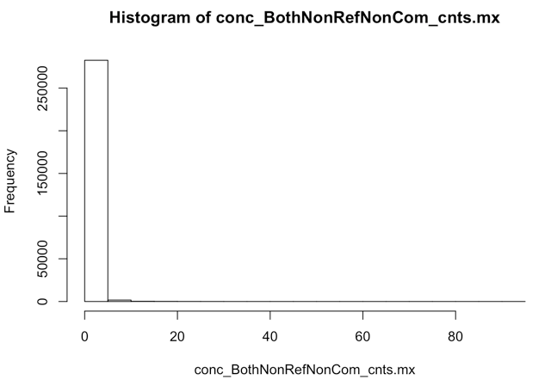
 |  |  |  |  |  |  |  |  |  |  |  | 108-109 |  |  |  |  |  |  |  |  |  |  |  | [28,] | 0.99733130004 | 452_S86_L007 | 342_S540_L008
 |  |  |  |  |  |  |  |  |  |  |  | 278-279 |  |  |  |  |  |  |  |  |  |  |  | [29,] | 0.99731440629 | 342_S540_L008 | 449_S222_L007
 |  |  |  |  |  |  |  |  |  |  |  |  |  |  |  |  |  |  |  |  |  |  |  | [30,] | 0.99731440629 | 449_S222_L007 | 342_S540_L008
 |  |  |  |  |  |  |  |  |  |  |  |  |  |  |  |  |  |  |  |  |  |  |  | [31,] | 0.9971825695 | 185_S64_L007 | 449_S222_L007
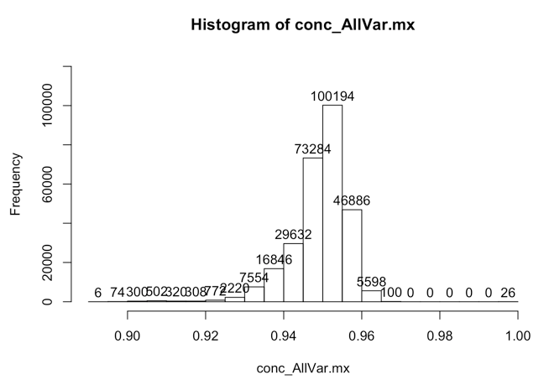
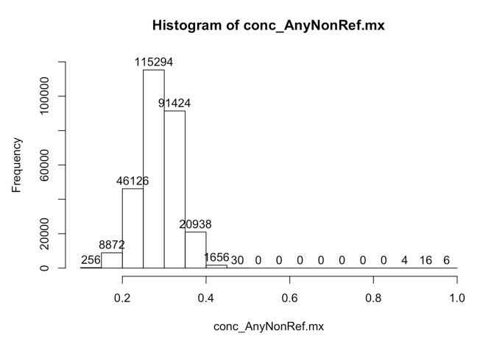
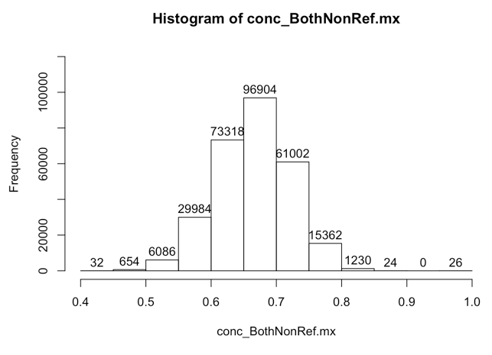
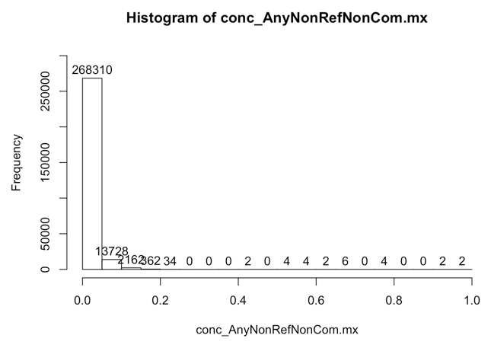
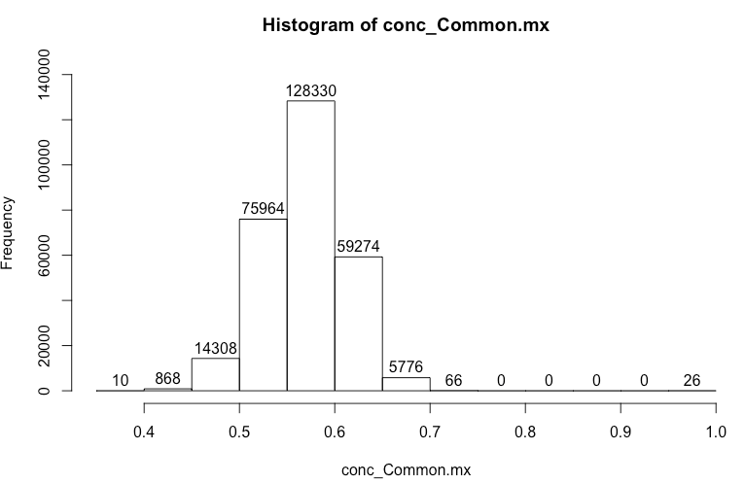
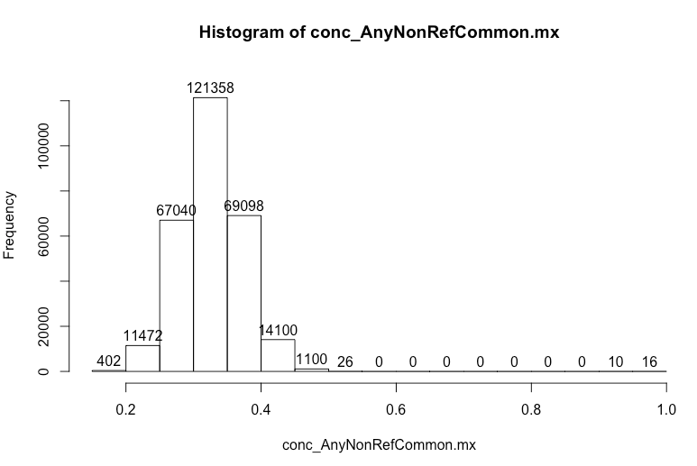
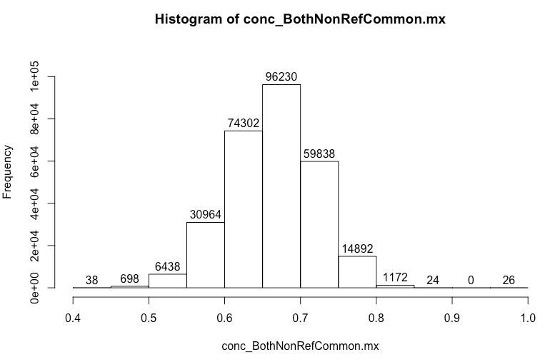
 |  |  |  |  |  |  |  |  |  |  |  |  |  |  |  |  |  |  |  |  |  |  |  | [32,] | 0.9971825695 | 449_S222_L007 | 185_S64_L007
 |  |  |  |  |  |  |  |  |  |  |  |  |  |  |  |  |  |  |  |  |  |  |  | [33,] | 0.99712257817 | 156_S525_L008 | 342_S540_L008
 |  |  |  |  |  |  |  |  |  |  |  |  |  |  |  |  |  |  |  |  |  |  |  | [34,] | 0.99712257817 | 342_S540_L008 | 156_S525_L008
 |  |  |  |  |  |  |  |  |  |  |  |  |  |  |  |  |  |  |  |  |  |  |  | [35,] | 0.99709302326 | 156_S525_L008 | 328_S470_L008
 |  |  |  |  |  |  |  |  |  |  |  |  |  |  |  |  |  |  |  |  |  |  |  | [36,] | 0.99709302326 | 328_S470_L008 | 156_S525_L008
 |  |  |  |  |  |  |  |  |  |  |  |  |  |  |  |  |  |  |  |  |  |  |  | [37,] | 0.99702970297 | 342_S540_L008 | 475_S367_L008
 |  |  |  |  |  |  |  |  |  |  |  |  |  |  |  |  |  |  |  |  |  |  |  | [38,] | 0.99702970297 | 475_S367_L008 | 342_S540_L008
 |  |  |  |  |  |  |  |  |  |  |  |  |  |  |  |  |  |  |  |  |  |  |  | [39,] | 0.99701325369 | 123_S78_L007 | 185_S64_L007
 |  |  |  |  |  |  |  |  |  |  |  |  |  |  |  |  |  |  |  |  |  |  |  | [40,] | 0.99701325369 | 185_S64_L007 | 123_S78_L007
 |  |  |  |  |  |  |  |  |  |  |  |  |  |  |  |  |  |  |  |  |  |  |  | [41,] | 0.99700486709 | 185_S64_L007 | 455_S516_L008
 |  |  |  |  |  |  |  |  |  |  |  |  |  |  |  |  |  |  |  |  |  |  |  | [42,] | 0.99700486709 | 455_S516_L008 | 185_S64_L007
 |  |  |  |  |  |  |  |  |  |  |  |  |  |  |  |  |  |  |  |  |  |  |  | [43,] | 0.99700318412 | 154_S217_L007 | 185_S64_L007
 |  |  |  |  |  |  |  |  |  |  |  |  |  |  |  |  |  |  |  |  |  |  |  | [44,] | 0.99700318412 | 185_S64_L007 | 154_S217_L007

 |  |  |  |  |  |  |  |  |  |  |  |  |  |  |  |  |  |  |  |  |  |  |  |  | Missed 40/41 and 76/77 samples in the top

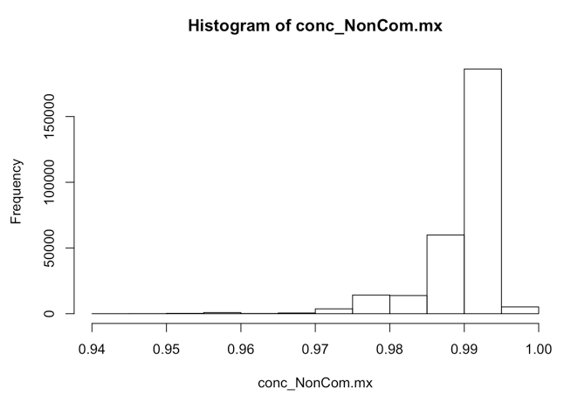

Numbers of variants available for concordance assessment |  |  |  | Numbers of variants available for concordance assessment |  |  |  | Numbers of variants available for concordance assessment |  |  |  | Numbers of variants available for concordance assessment |  |  |  | Numbers of variants available for concordance assessment |  |  |  | Numbers of variants available for concordance assessment |  |  |  |  |  |  |  | Numbers of variants available for concordance assessment
Median | 5689 |  |  | Median | 407 |  |  | Median | 177 |  |  | Median | 539 |  |  | Median | 358 |  |  | Median | 177 |  |  |  |  |  |  | Median | 46
Mean | 5546.098 |  |  | Mean | 411.0924 |  |  | Mean | 176.9263 |  |  | Mean | 532.2135 |  |  | Mean | 358.7794 |  |  | Mean | 176.2468 |  |  |  |  |  |  | Mean | 52.31295
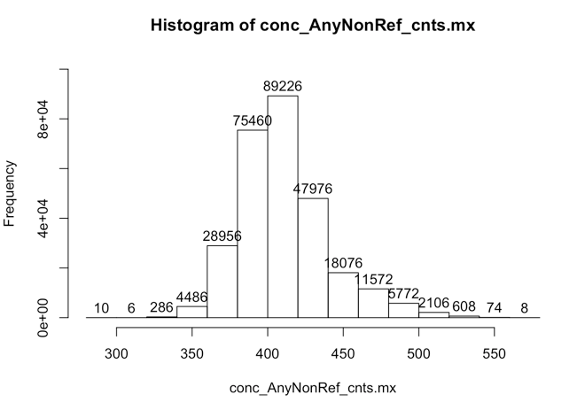
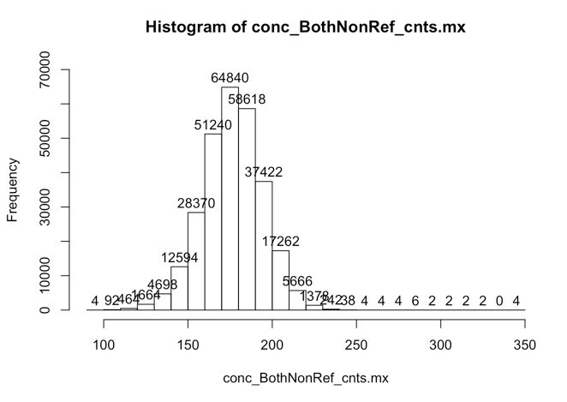
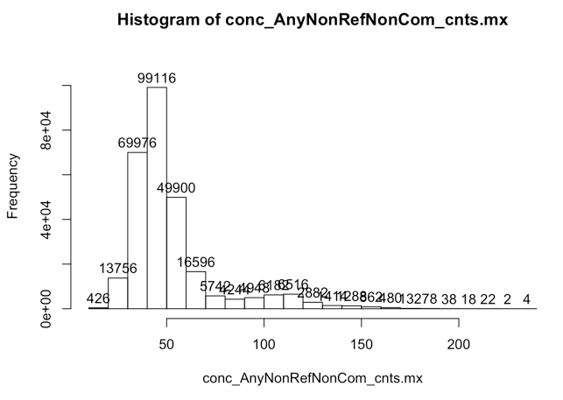
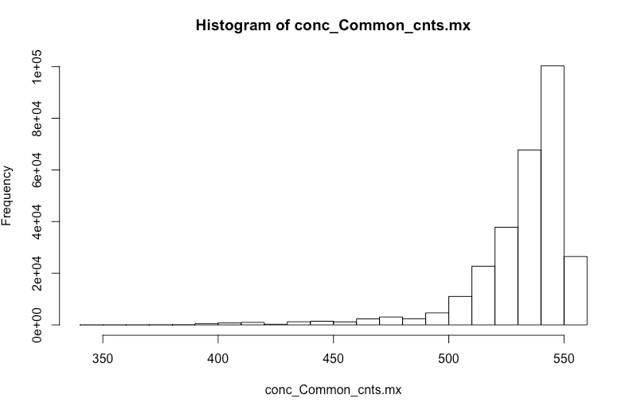
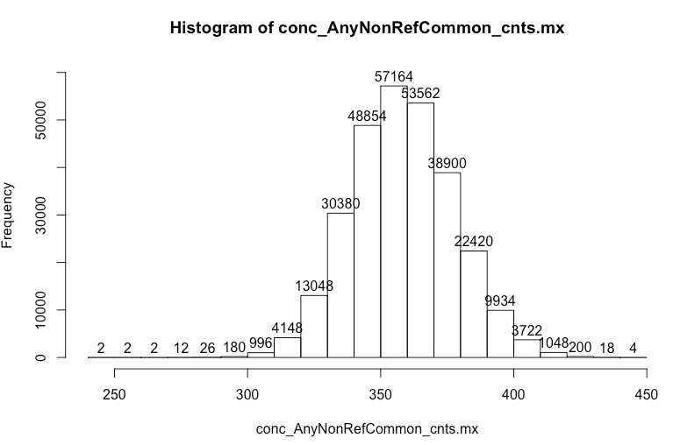
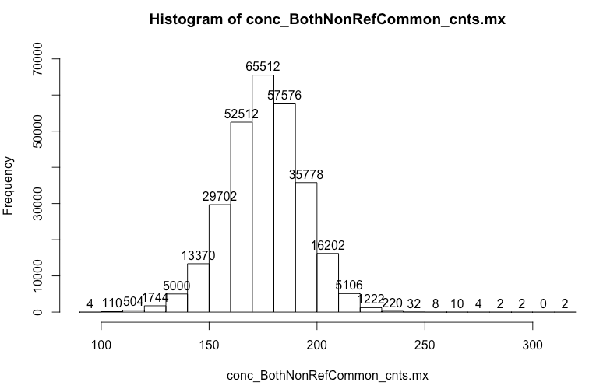
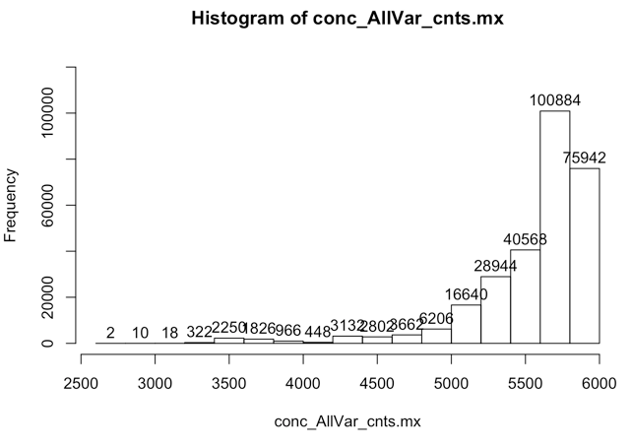

 |  |  |  |  |  |  |  |  |  |  |  |  |  |  |  |  |  |  |  |  |  |  |  | Numbers of variants available for concordance assessment
 |  |  |  |  |  |  |  |  |  |  |  |  |  |  |  |  |  |  |  |  |  |  |  | Median | 5149
 |  |  |  |  |  |  |  |  |  |  |  |  |  |  |  |  |  |  |  |  |  |  |  | Mean | 5013.885

