TDSheet
 |  |  |  |  | PACKING LIST

 | AMC – Aircraft Maintenance Center FZC |  |  |  | Invoice: | PF071CN
 | address |  |  |  | Order Date : | 10-Nov-2022
 | T: phone |  |  |  | Reference : | NUM12
 | License #licence |  |  |  | Terms:
 | TRN: inn |  |  |  | Due date: | 16-Nov-2022
 |  |  |  |  | Priority: | CRI

BILL TO : Client #1 |  |  |  |  | SHIP TO: Client #1
bill adress |  |  |  |  | ship adress

SHIP DATE: |  |  | SHIP VIA: |  | AWB
10-Nov-2022 |  |  | Customer FF Arranged |  | TBA

№ |  | Code | Description |  | CD | Qty | S/B number | Ship QTY
1 |  | p/n:12 | 12 Mfg:mfg 12 Country of origin:coo mun12 Sch. B.: 8807300060; ECCN: 9A991.D NLR |  | SV | 1 | serial 8 | 1
W&D:
 |  |  |  |  | Total items |  |  | 1
 | 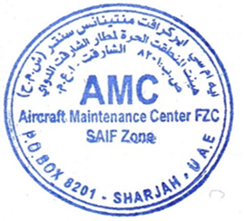

 |  |  |  | Dennis Thomas

These items are controlled by the U.S. Government and authorized for export only to the country of ultimate destination for use by the ultimate consignee or end-user(s) herein identified. They may not be resold, transferred, or otherwise disposed of, to any other country or to any person other than the authorized ultimate consignee or end-user(s), either in their original form or after being incorporated into other items, without first obtaining approval from the U.S. government or as otherwise authorized by U.S. law and regulations

