OPO
 | PURCHASE ORDER #PF072CN

Supplier |  |  |  |  | Order Date | 10-Nov-2022
НАИМЕНОВАНИЕ ПОСТАВЩИКА |  |  |  |  | inn

 |  |  |  |  | AMC – Aircraft Maintenance Center FZC
Supplier Address
АДРЕС ПОСТАВЩИКА
 |  |  |  |  | address

e-mail поставщика
P/N | Description | CD | Unit | Qty | Unit price, AED | Total , AED
12 | 12 | SV | EA | 1 | 100,00 | 100,00

NOTE: | U.A.E. SHJ
 | CUST PICK UP

 | Subtotal |  |  |  | AED 100,00
 | VAT |  | 0% |  | AED 0
 | Total PO Amount |  |  |  | AED 100,00

Wire instructions:
Beneficiary: AMC – Aircraft Maintenance Center FZC |  |  |  |  | 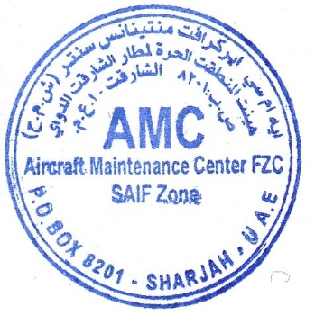
Acc. No. 1
Bank: bank, baddress

IBAN: iban
SWIFT: swift

