OPO
 | PROFORMA INVOICE

Customer name |  |  |  | Invoice No. | PF071CN
Client #1 |  |  |  | Invoice date | 10-Nov-2022
 |  |  |  | Due Date | 16-Nov-2022

Supplier Address |  |  |  | inn
bill adress
 |  |  |  | AMC – Aircraft Maintenance Center FZC

email@email.ru |  |  |  | address

Attr: Accounts Payable |  |  |  | Ref: NUM12
No. | Description | Unit | Qty | Unit price, AED | Total , AED
1 | 12, 12 | EA | 1 | 120,00 | 120,00

NOTE: | Not for use in U.A.E.
 | Delivery DXB
 | DAFZA
Components for civil aviation aircaft
 | Subtotal |  |  | AED 120,00
 | VAT | 0% |  | AED 0
 | Total PO Amount |  |  | AED 120,00

Wire instructions:
Beneficiary: AMC – Aircraft Maintenance Center FZC |  |  |  | 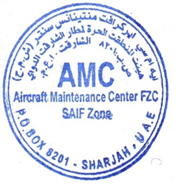
Acc. No. 1
Bank: bank, baddress

IBAN: iban
SWIFT: swift

