SWIFT_IN
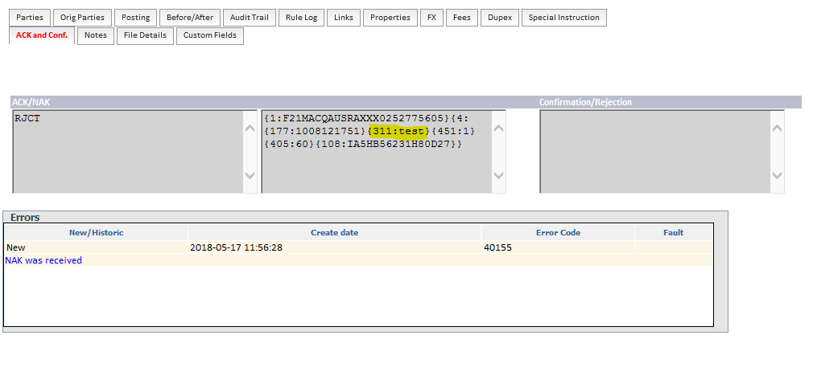
Interface Property |  |  |  |  |  | Property Values |  | Comments
INTERFACE_NAME |  |  |  |  |  | SWIFT_IN
REQUEST_FORMAT_TYPE |  |  |  |  |  | FULL |  | FNDT WRAPPED (MT103/103+/202/200/202COV/210) SWIFT ACK, NAK, MT012, MT019, fircosoft NAKs as PURE SWIFT
REQUEST_CONNECTIONS_POINT |  |  |  |  |  | jms/Q_IN_SWIFT |  | PHYSICAL QUEUE NAME : Q_IN_SWIFT
OFFICE |  |  |  |  |  | ***
INTERFACE_TYPE |  |  |  |  |  | SWIFT_IN
INTERFACE_SUB_TYPE |  |  |  |  |  | 0
MESSAGE_WAIT_STATUS |  |  |  |  |  | 0
MESSAGE_STOP_STATUS |  |  |  |  |  | 0
REQUEST_PROTOCOL |  |  |  |  |  | MQ
RESEND_ALLOWED |  |  |  |  |  | 0
EVENT_ID_GENERATION |  |  |  |  |  | 0

FT Message
Message Structure |  |  |  |  |  |  | Comments |  | Occurance | Value | Status | Responsibility
FndtMsg |  |  |  |  |  |  |  |  |  |  | Closed
 | Msg |  |  |  |  |  |  |  |  |  | Closed
 |  | Pmnt |  |  |  |  | MT103/103+/202/200/202COV |  |  |  | Closed
 |  | Extn |  |  |  |  |  |  |  |  | Closed
 |  |  | UserDefinedFields |  |  |  |  |  |  |  | Closed
 |  |  |  | System |  |  |  |  |  |  | Closed
 |  |  |  |  | BACK_OFFICE_CD |  | if not provided, default value to be set to D900 |  |  | D900 | Closed
 |  |  |  |  | ASSET_CATEGORY |  | (if not provided, default value to be set to COPA. |  |  | CASH (Bank Pmnt) | Closed
 |  |  |  |  | CHL_RECEIVING_TIMESTAMP |  | Provided in the request |  |  |  | Closed
 |  |  |  |  | PRODUCT_LINE |  | R & E rule default department = 0074 (commercial backoffice) |  |  | default department = 0074 | Closed
 |  |  |  |  | MANUAL_ELECTRONIC_IND |  | Default value: "ELECTRONIC" |  |  | Default value: "ELECTRONIC" | Closed
 |  |  |  |  | RECEPTION_CHL |  | Interbanking messaging, tag 103 bloc3 When empty, default value to be set as "SWF" |  |  | tag 103 bloc3 default value = SWF | Closed
 |  |  |  |  | REMITTANCE_REF |  | Provided in the request. Interbanking messaging (MUR bloc 3 - NRI bloc 5 & reception date ) 17/5 - Always be provided In the request [22 May] GPP need not do anything with this value. This is used only for Bank's systems . The value will be MUR Block3 + reception Date |  |  |  | Closed
 |  |  |  |  | DBT_VALUE_DATE |  | Part of customisation. Override default GPP behaviour |  |  |  | Open
 |  |  |  |  | REM_BTC_BOOK_IND |  | for manual and incoming only value is false |  |  | Default = false | Closed
 |  |  |  |  | ACCOUNTING_MODE |  | for manual and incoming only value is net |  |  | default value = net | Closed
 |  |  |  |  | RJCT_BTCH_BOOK_IND |  | for manual and incoming only value is global |  |  | default value= global | Closed
 |  |  |  |  | CATEGORY |  | For incoming as well as manual capture .Value to be deduced from the 23E tag: if 23E= INTC, then ICT ; otherwise put XCT as a default value Use R&E rule to populate the UDF |  |  | Default value = XCT | Closed
 |  |  |  |  | REST_FORCING_IND |  | Empty tag. |  |  |  | Closed
 |  |  |  |  | ZBA_VD |  | To be mapped from the tag 70 |  |  |  | Closed
 |  |  |  |  | DBT_NOS_ACCT |  | The enriched account will be used to override the information received within the payment. The enriched value will be received into GPP within DBT_NOS_ACCT tag of the FNDT message, doing so will force GPP to use this account number for any debit account derivation. |  |  |  | Closed
 |  |  |  |  | ORIG_PMNT_SOURCE |  | Provided in the request |  |  | Default Value = GEREMI | Closed
 |  |  |  |  | ACCOUNTING_DATE_MODE |  | Empty value in feeder. To be populated by OIL while creating Lookup response. Note : See lookup Resp tab for values. |  |  |  | Closed

FIRCOSOFT ACK/NAK |  |  |  |  |  |  | Comments |  | Value
 |  |  |  | Block 1
 |  |  |  | Block 4
 |  |  |  |  | Tag 177
 |  |  |  |  | Tag 311 |  |  |  | Fircosoft error
 |  |  |  |  | Tag 451 |  | GPP will not process Fircosoft NAKs containing 451 tag value as 2. Instead the 451 tag will contain the value as 1and 311 tag will contain specific Fircosoft error |  | 451:1
 |  |  |  |  | Tag 405
 |  |  |  |  | Tag 108

