Map
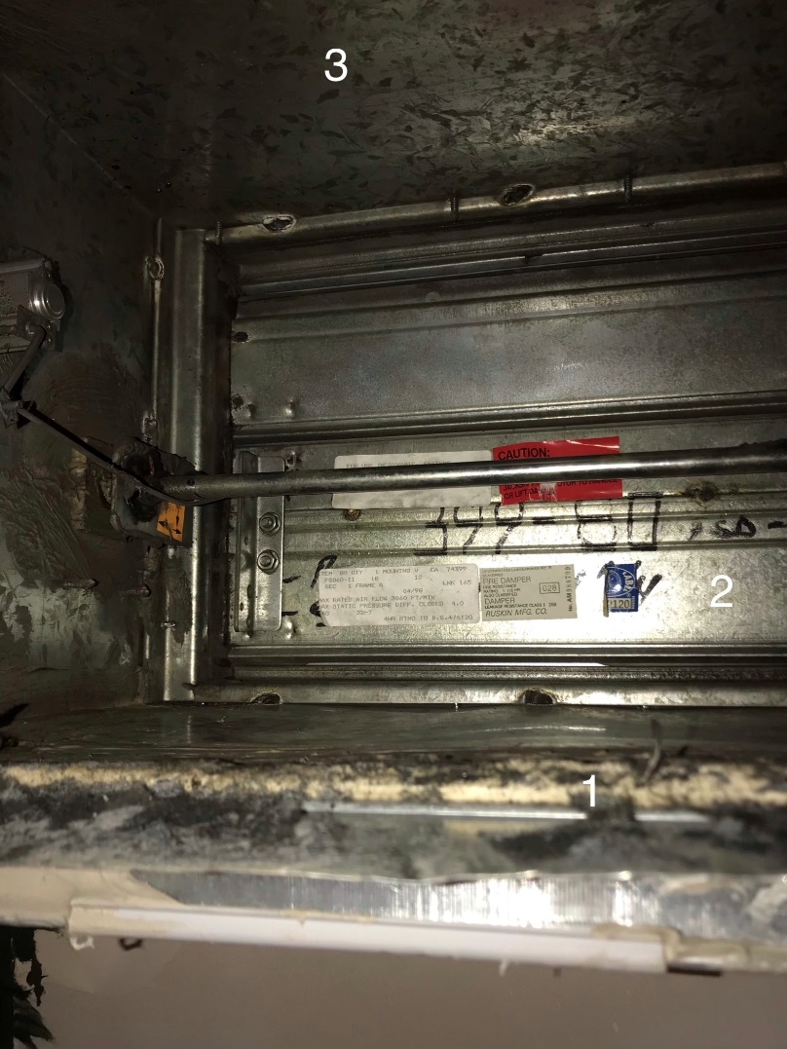
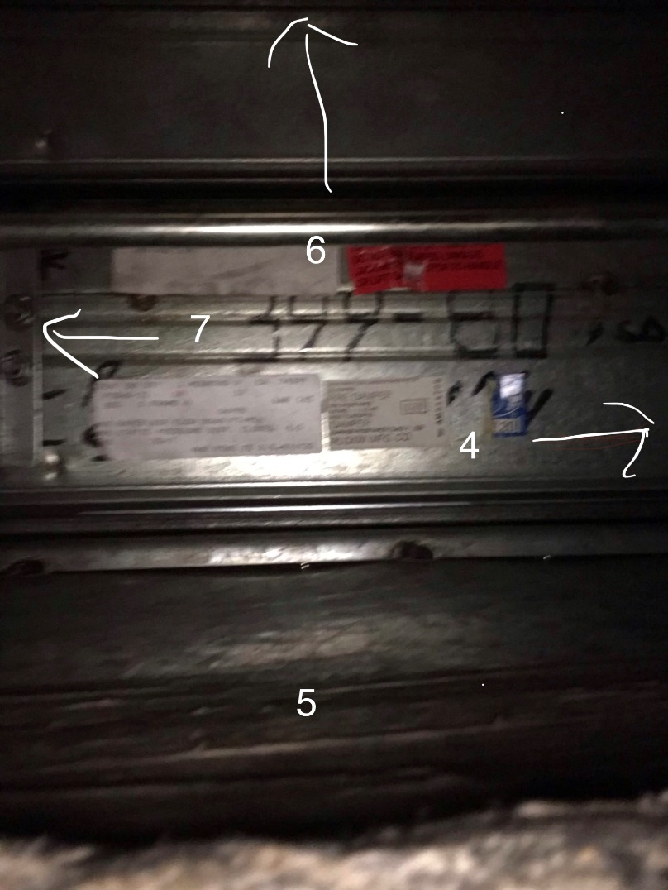
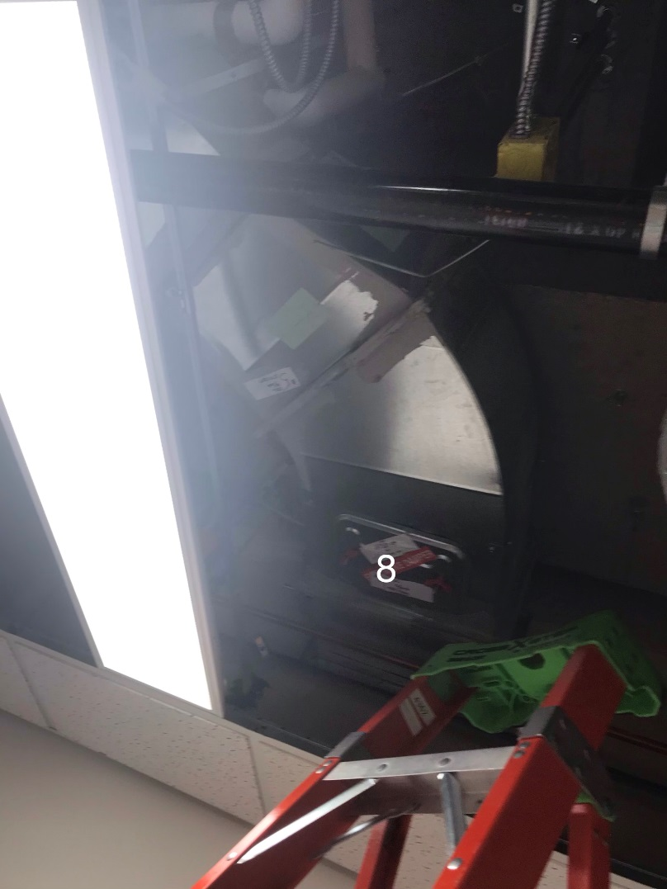

Survey Number | INIS-070920-1966
Date Surveyed | 2020-07-09
Survey Tech | I. Tapelu
Count Room Tech | J. Cuevas
Date Counted | 2020-07-10
Survey Type | Post Decontamination
Level Of Posting | None

