Map
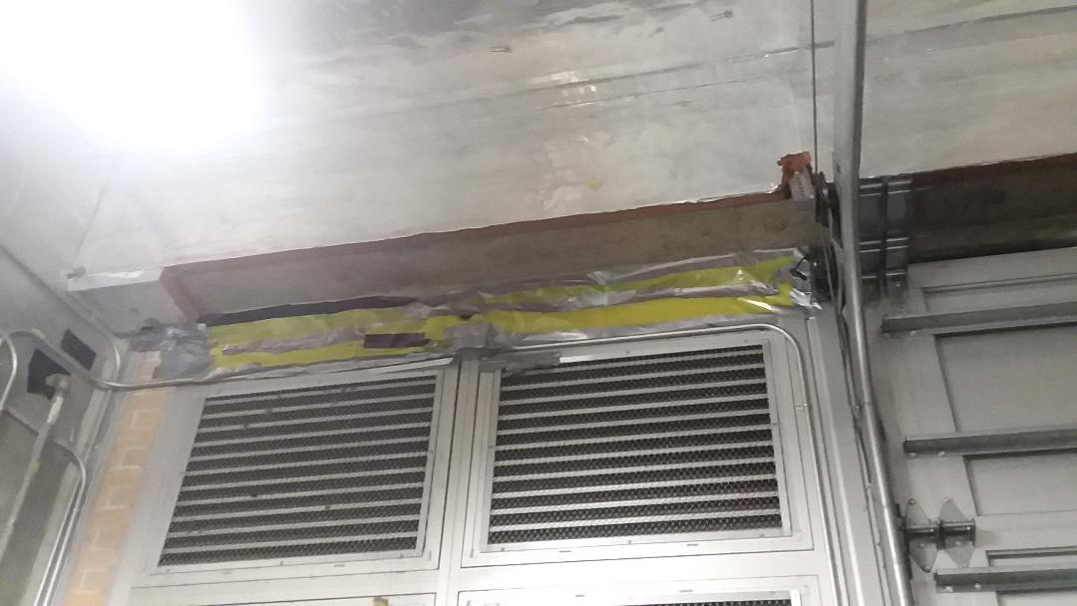

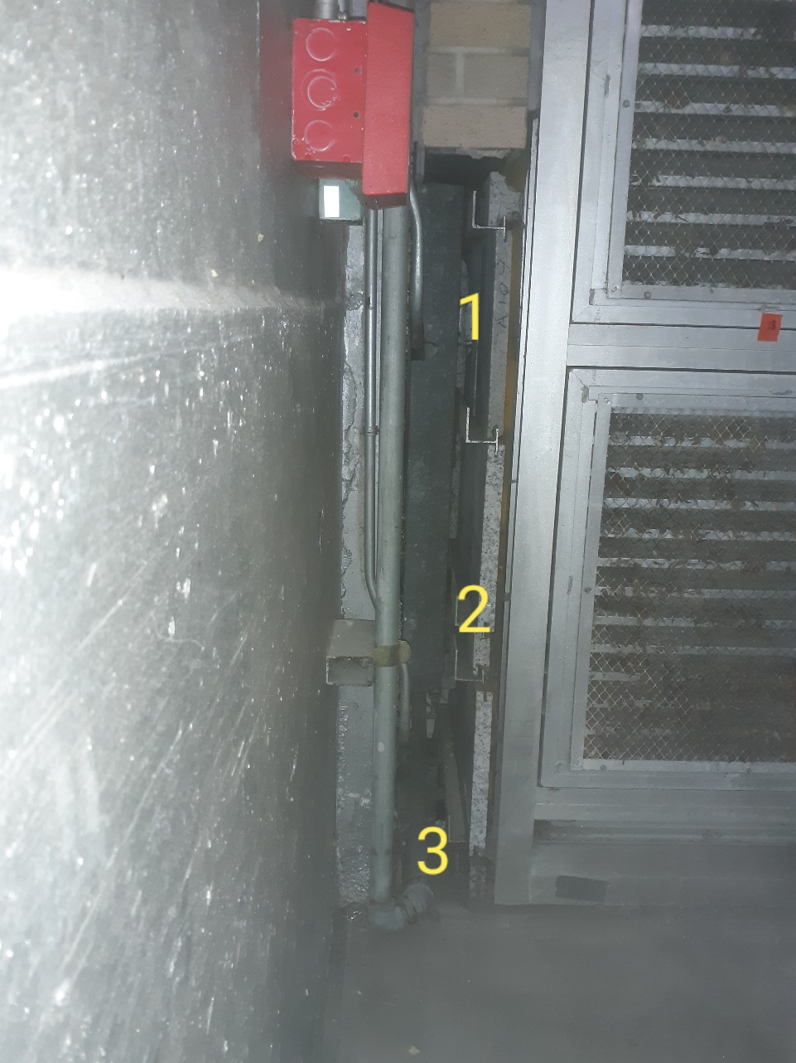

Survey No | INIS-111219-642
Date | 2019-11-09
Survey Tech | T. Yardy
Count Room Tech | P. Ray
Date Counted | 2019-11-12
Survey Type | Characterization
Level of Posting | CA
Comments

