Map
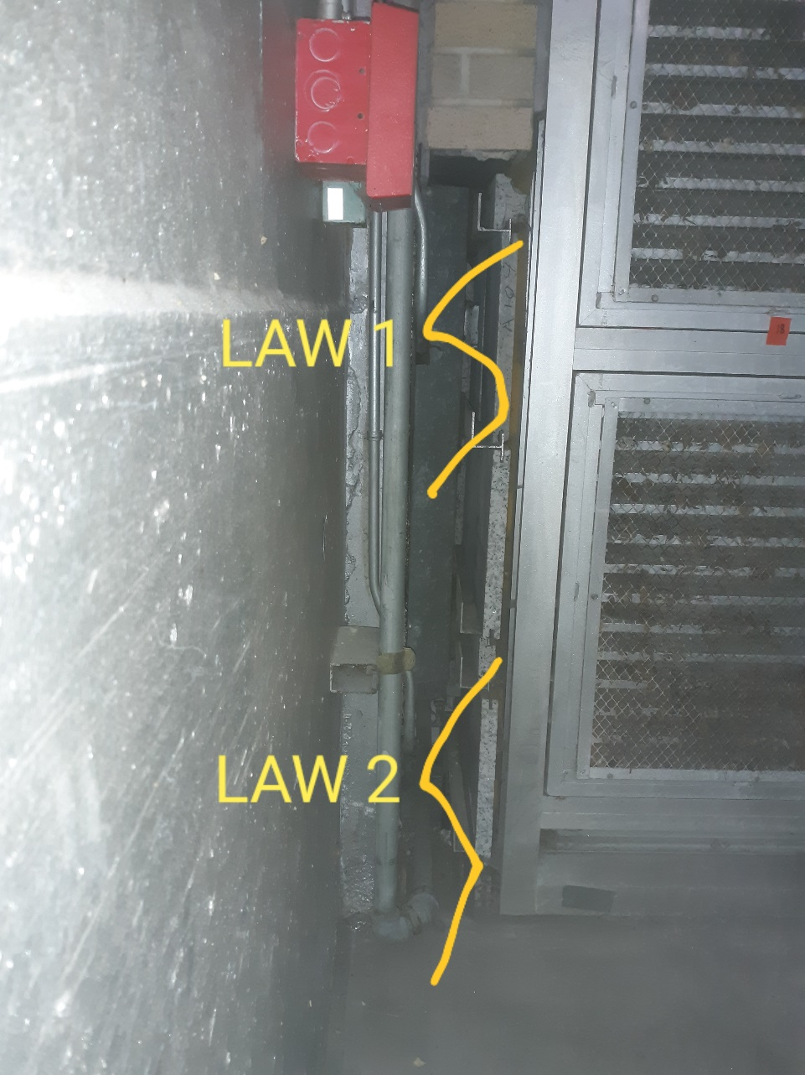
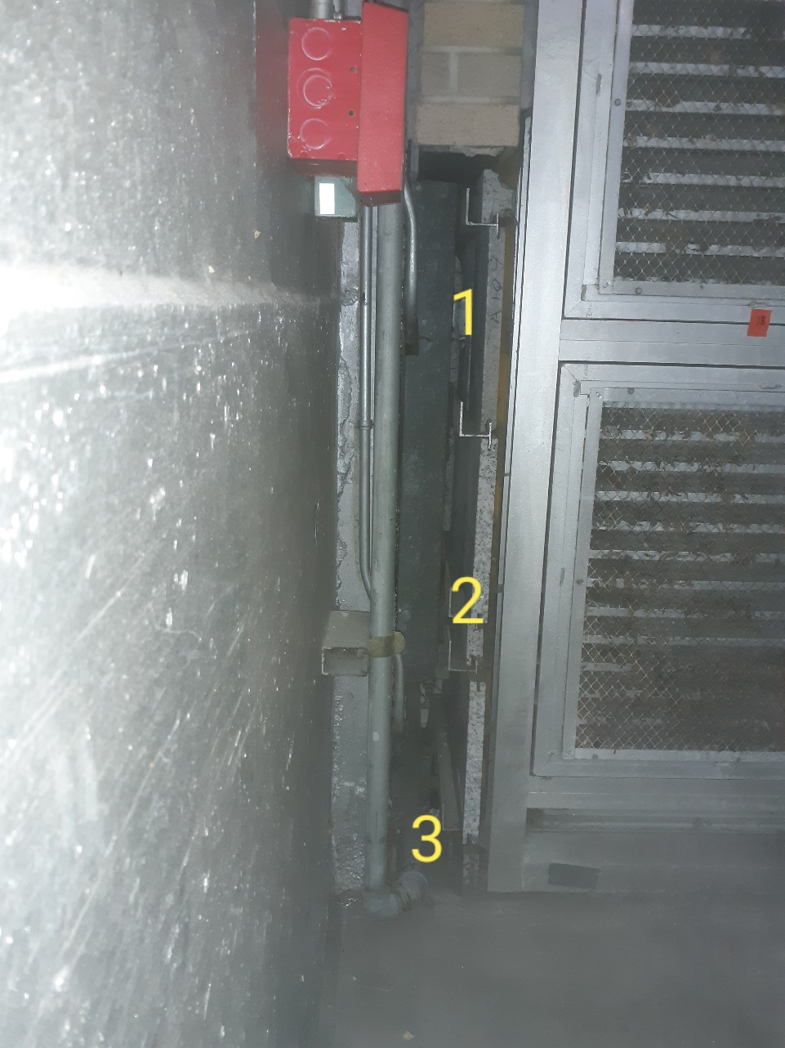

Survey No | INIS-020720-1184
Date | 2020-02-07
Survey Tech | L. Cuneo
Count Room Tech | P. Ray
Date Counted | 2020-02-07
Survey Type | Characterization
Level of Posting | CA
Comments

Map (3)
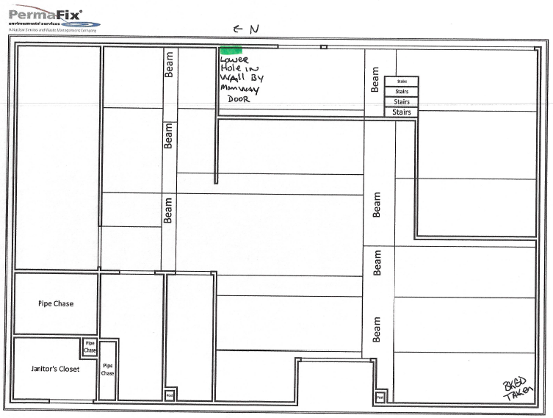

Survey No | INIS-020720-1184
Date | 2020-02-07
Survey Tech | L. Cuneo
Count Room Tech | P. Ray
Date Counted | 2020-02-07
Survey Type | Characterization
Level of Posting | CA
Comments

